Addressable下载测试
短时间5s网络波动没有影响，断网超时会报网络异常。
包体大小：200.5M
下载的AB大小：1.42G
下载时间：
模拟器每次启动起来都要重新下载，没有缓存
12-06 10:19:46.504 1670 1696 E Unity : ===============>endUpdate time:1317.389 deltaTime:1299.479: com.ezfun.sgwstest
12-06 10:16:03.710 1670 1696 E Unity : =======下载大小======HotFixLocal=========Percent：0.02905264=====TotalBytes:1408659032=======DownloadedBytes:40925273: com.ezfun.sgwstest

真机测试：
12-06 10:32:55.573 29447 29513 E Unity : =======下载总大小======HotFixLocal===getDownloadSize：1420625356: com.ezfun.sgwstest
下载报错直接跳过了，游戏中使用的时候会再次去下载，或者下次启动继续下载

12-06 14:15:37.894 20156 20267 E Unity : Curl error 60: Cert verify failed: UNITYTLS_X509VERIFY_FLAG_USER_ERROR1: com.ezfun.sgwstest

12-06 14:15:38.182 20156 20203 E Unity : UnityWebRequest result : ConnectionError : SSL CA certificate error: com.ezfun.sgwstest

12-06 14:31:32.000 20156 20203 E Unity : UnityWebRequest result : ConnectionError : Received no data in response: com.ezfun.sgwstest

12-06 14:31:32.137 20156 20203 E Unity : OperationException : ChainOperation failed because dependent operation failed: com.ezfun.sgwstest

12-06 14:31:32.000 20156 20203 E Unity : OperationException : GroupOperation failed because one of its dependencies failed: com.ezfun.sgwstest

12-06 14:31:32.155 20156 20203 E Unity : ===============>endUpdate time:1110.523 deltaTime:1097.594: com.ezfun.sgwstest

12-06 14:31:31.954 20156 20203 E Unity : =======下载大小======HotFixLocal=========Percent：0.8184205=====TotalBytes:1422627836=======DownloadedBytes:1164307869: com.ezfun.sgwstest
吞吐量1.011M/s

大文件更新测试:

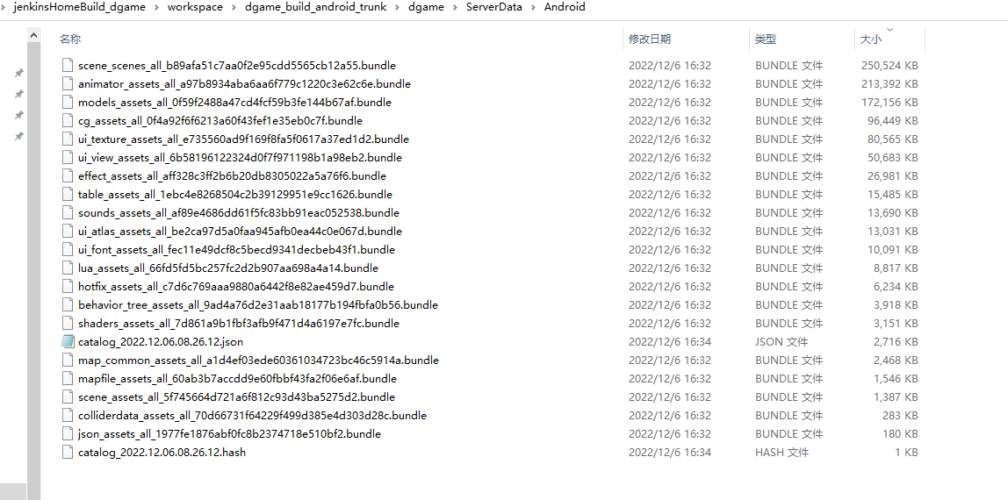

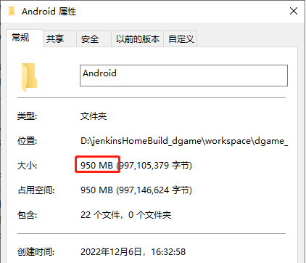

 | 分开的话是1.42G | 合并起来打是950M

12-06 16:56:09.105 23244 23270 E Unity : =======下载大小======HotFixLocal=========Percent：1=====TotalBytes:987941043=======DownloadedBytes:987941043: com.ezfun.sgwstest
12-06 16:56:09.132 23244 23270 E Unity : ===============>endUpdate time:292.1233 deltaTime:205.4754: com.ezfun.sgwstest
吞吐量4.5M/s

最终讨论的方案：

https://forum.unity.com/threads/max-concurrent-web-requests-setting-best-practices-for-mobile.1133422/
In various desperate attempts to fix it, I reduced Max Concurrent Web Requests from 500 to 20.

