Sheet1
数据量(个) | 100000 | 200000 | 300000 | 400000 | 500000 | 600000 | 700000 | 800000 | 900000 | 1000000
暴力法运行时间(ms) | 61398 | 257762 | 605416 | 1117863 | 1547440 | 2352633 | 3123257 | 3929472 | 4,973,238 | 6139800
分治法运行时间(ms) | 274 | 531 | 830 | 1012 | 1431 | 1647 | 1922 | 2511 | 4873 | 5899

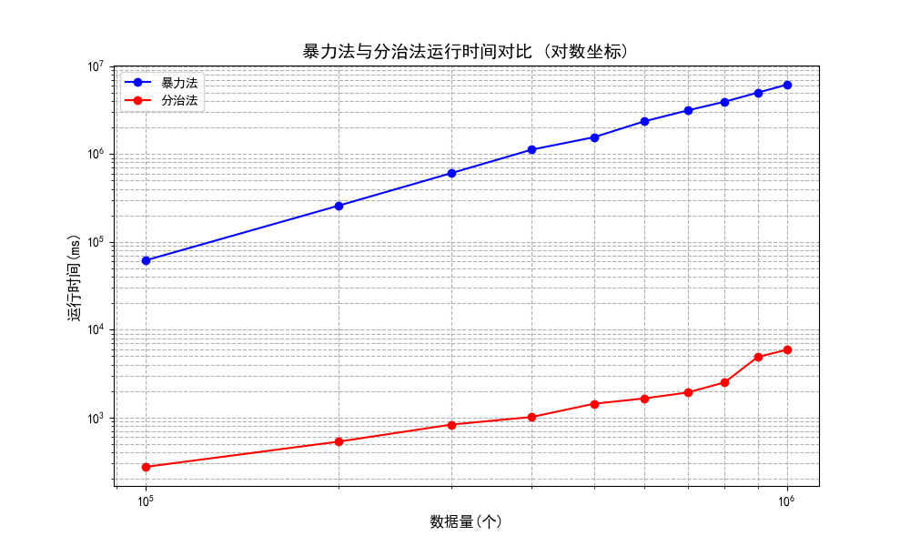

时间对比
Testing N = 100000
Brute Force: 61398 ms
Divide & Conquer: 76 ms
Testing N = 200000
Brute Force:257762 ms
Divide & Conquer: 161 ms
Testing N = 300000
Brute Force: 605416 ms
Divide & Conquer:255 ms
Testing N = 400000
Brute Force: 1117863 ms
Divide & Conquer: 278 ms
Testing N = 500000
Brute Force: 1547440 ms
Divide & Conquer: 399 ms
Testing N = 600000
Brute Force:2352633 ms
Divide & Conquer: 512 ms
Testing N = 700000
Brute Force: 3123257 ms
Divide & Conquer: 595 ms
Testing N = 800000

