Introduction
MaGMa UCF Tool

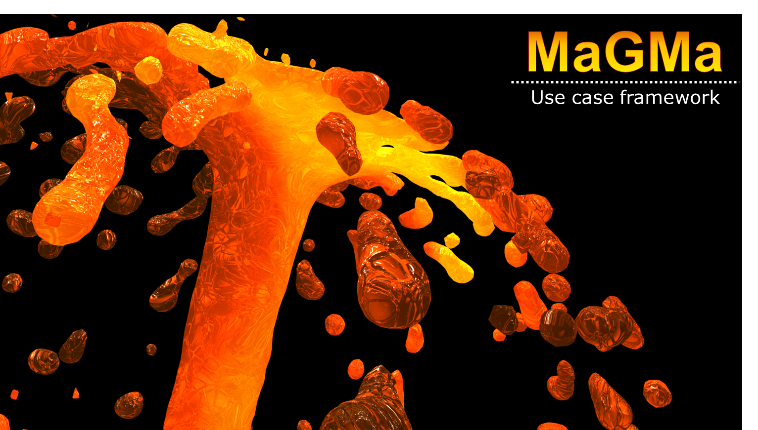
Version | 1.0
Date | 15.11.2017
https://www.betaalvereniging.nl/veiligheid/publiek-private-samenwerking/

Model
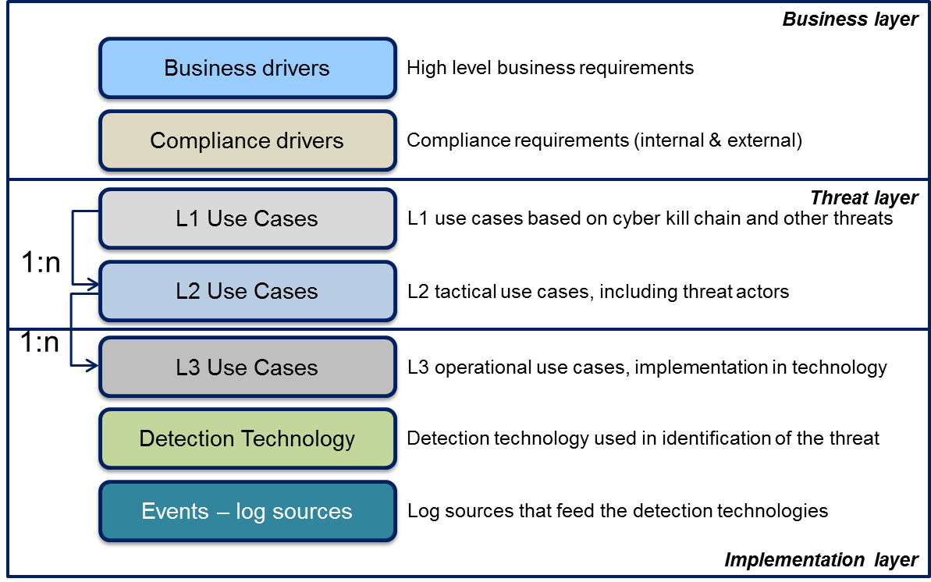
 | MaGMa UCF Tool - Model
 | The model used in the MaGMA UCF tool is based on the MaGMA model presented in the document. As described in the document, MaGMa consists of 3 layers. These layers are the business layer, the threat layer and the implementation layer. Each of these layers corresponds to different parts of the MaGMa UCF tool. The business layer is implemented as a single tab 'Drivers' in which business drivers and compliance drivers can be entered. The Threat layer corresponds to the 'L1' and 'L2' tabs. The operational layer can be found in the 'L3' tabs and in the 'References' tab. The 'References' can be used to outline detection technology and log sources.

Usage
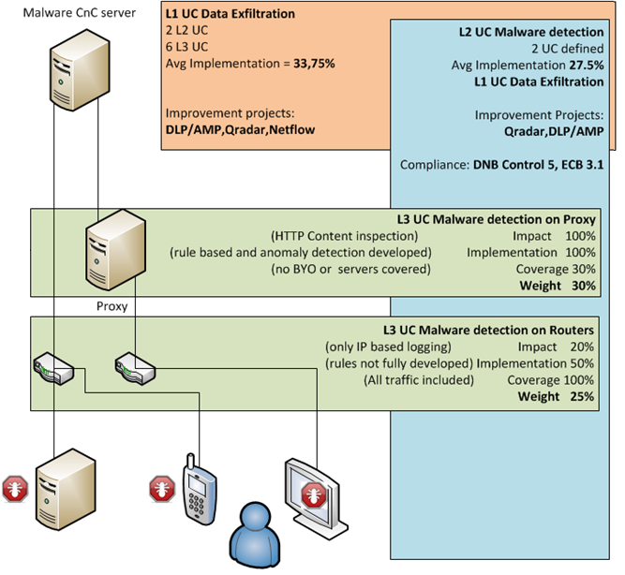
MaGMa UCF Tool - Usage
Introduction
Usage of the MaGMa UCF tool is fairly straightforward. The L1 use cases have been predefined, as well as a number of L2 use cases. Use cases can be added at each level and should be connected by consistent use of identifiers (see section on identifiers). The L3 use cases provide the most detail. For these use cases, additional metrics should be set to indicate how well the use case is able to detect that particular threat. See the section on 'metrics' for more information. The UCF tool comes with 12 L1 use cases, 62 L2 use cases and 169 L3 use cases. The L3 use cases are based on the MITRE ATT&CK matrix for enterprise. (© 2017 The MITRE Corporation. This work is reproduced and distributed with the permission of The MITRE Corporation.) For additional guidance, please see the MaGMa framework document. This work is licensed under a Creative Commons License. For the full license description, see: https://creativecommons.org/licenses/by/3.0/

Identifiers
Identifiers are used throughout the tool for L1, L2 and L3 use cases. It is of vital importance to use consistent identifiers, so that the tool is able to connect each layer of the use case to a higher level. This connection is used for calculation of overall results, and average scoring. L1 use cases must have a 2-character identifier, L2 use cases must have an additional 3-character identifier, separated using a hyphen.

An example: the second L1 use case is 'Delivery'. Its identifier is 'DE'. The corresponding L2 use cases are 'Web based malware delivery', 'Email based malware delivery' and 'Physical malware delivery'. Each of these L2 use cases starts out with the L1 prefix 'DE' and have a additional 3 character identifier. Web based malware delivery has the identifier 'DE-WEB'. This allows the tool to connect L2 to L1. The L3 use cases are identified by adding a sequence number 'DE-WEB-01' and 'DE-WEB-02'.

Metrics
There are 3 metrics used in the MaGMa UCF tool. Each of these metrics is entered in the L3 layer of the use cases as a percentage between 0 and 100. The granularity is something your organization should determine for yourself. The L2 and L1 layers calculate averages of these L3 metrics. The following metrics are used:
Effectiveness | This metric is used to determine the effectiveness of the L3 detection mechanism. For example, a proxy inspecting traffic is much less effective if it is not able to inspect HTTPS traffic.
Implementation | This metric is used to determine the level in which the L3 detection mechanism is implemented. For example, the implementation level of an IDS is much lower if the ruleset is incomplete or has not been tuned.
Coverage | This metric is used to determine the level in which the L3 detection mechanism covers the use case. For example, a use case focused on firewall events has less coverage if not all traffic is routed through the connected firewall.
Weight | This metric is a calculated overall score of effectiveness, implementation and coverage.
Potential | This metric is a calculated value that indicates how much improvement can be gained by investing in coverage and implementation.

Adding use cases
Adding use cases to the framework can be done at 3 levels: L1, L2 and L3.
L1 | L1 use cases can be added in the 'L1' tab. First, unhide the table headers in that tab. Then simply insert a new use case by copying an existing use case row. This way, all formulas and conditional formatting are automatically retained and updated. Make sure you provide the use case with a unique 2 character identifier.
L2 | L2 use cases are added to the 'L2' tab. To add a new use case, simply copy the current last row and insert it below that row. This will automatically update all formulas. Now, update the fields: identifier, use case name, description, actors and both business and compliance drivers. The columns 'A' and 'B', as well as the columns 'G' to 'L' should be automatically updated to reflect the new use case, do not manually overwrite the information in these columns. Note that no information may be available for those columns as L3 use cases will not be in place yet. Make sure you provide the use case with a unique identifier consisting of the L1 use case identifier, followed by a hyphen and a 3-character L2 identifier. The field will be marked with a red color if there is an overlapping identifier or description.
L3 | L3 use cases are added to the 'L3' tab. Like L1 and L2, add a use case by copying an existing row and placing it at the bottom. Columns 'A' to 'E' should be automatically updated once the correct identifier has been entered, do not manually overwrite the information in these columns. Make sure you provide the use case with a unique identifier consisting of the L2 identifier, followed by a hyphen and a number. Again, the field will be marked with a red color if there is an overlapping identifier or description.

Example of use cases and metrics
The following is an example of use cases and metrics, based on data exfiltration by malware, detected by proxy logs and routers.

Results
Overall Results
Detection Average | Detection Gap | Average Effectiveness | Average Implementation | Average Scope | Average Weight | Average Growth Potential
0% | 100% | 0% | 0% | 0% | 0% | 0%
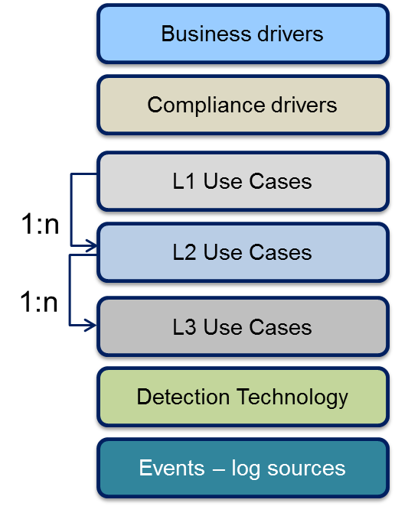
 |  | Business Drivers |  |  |  | 6
 |  | Compliance Drivers |  |  |  | 15
 |  | L1 Count |  |  |  | 12
 |  | L2 Count |  |  |  | 62
 |  | L3 Count |  |  |  | 169
 |  | Detection Technologies |  |  |  | 0
 |  | Log/Data Source types |  |  |  | 0

L1 UC
 |  | Strategic Overview
Threat category |  | L1 Use Case Identifier | Use Case Name | Purpose | Stakeholders | #L2 UC related | #L3 UC related | Effectiveness | Implementation | Coverage | Weight | Potential | Description
Cyber killchain |  | RE | Reconnaissance |  |  | 7 | 0 | 0% | 0% | 0% | 0% | 0% | Initial reconnaissance is the method of determining targets, (people, assets, services)
 |  | N/A | Weaponization |  |  |  |  |  |  |  |  |  | Not Applicable, this action is performed at the attacker side and is invisible to the target organization
 |  | DE | Delivery |  |  | 7 | 0 | 0% | 0% | 0% | 0% | 0% | Delivery of malicious software to the target organization.
 |  | EX | Exploitation |  |  | 5 | 16 | 0% | 0% | 0% | 0% | 0% | Initial Exploitation is the first foothold by attackers to an organization, (first stage or second stage exploit).
 |  | IN | Installation |  |  | 2 | 0 | 0% | 0% | 0% | 0% | 0% | The steps an attacker takes after compromising a target, including elevation of privileges, and installation of backdoors. It enables attackers to remain persistent and use the host as a stepping stone for further actions.
 |  | CC | Command & Control |  |  | 2 | 16 | 0% | 0% | 0% | 0% | 0% | A communications channel is being set up with the attack to allow remote control over de compromised system
 |  | AO | Actions on Objectives |  |  | 16 | 126 | 0% | 0% | 0% | 0% | 0% | Any actions taken by the attackers after initial compromise

Other threats |  | FE | Fraud / Extortion |  |  | 2 | 0 | 0% | 0% | 0% | 0% | 0% | Any tampering of critical business systems which causes or further enables theft of virtual or physical assets via existing or current channels.
 |  | DD | (D)DoS |  |  | 3 | 0 | 0% | 0% | 0% | 0% | 0% | Any Denial of Service attack, optionally distributed with the goal of causing outages.
 |  | PH | Physical Access Compromise |  |  | 5 | 0 | 0% | 0% | 0% | 0% | 0% | Any compromise to physical systems information carriers (including documents) and buildings.
 |  | BL | Blacklisting |  |  | 2 | 0 | 0% | 0% | 0% | 0% | 0% | Any occurrence of external IP addresses on blacklisting sites. Can include blacklists for bots, proxies, mail abuse, etc.
 |  | SD | Sabotage / Destruction |  |  | 3 | 0 | 0% | 0% | 0% | 0% | 0% | Any action to destroy/damage organizational and personal asset, information or reputation with the goal of causing financial damage or service outages e.g.: social media data posting, doxing, etc.
 |  | PV | Policy Violations |  |  | 8 | 11 | 0% | 0% | 0% | 0% | 0% | Illegal sites, service account usage, presence of vulnerabilities, Unauthorized process launched, etc..

 |  | Overall Performance

 |  | Description |  |  |  | SOC Score |  | Average Effectiveness | Average Implementation | Average Scope | Average Weight | Average Growth Potential
 |  | SOC Detection Average |  |  |  | 0% |  | 0% | 0% | 0% | 0% | 0%
 |  | SOC Detection Gap (growth potential) |  |  |  | 100%

 |  | Graphs

 | Effectiveness, implementation and coverage per L1 use case |  |  |  |  | Weight and potential per L1 use case |  |  |  |  |  |  |  | Number of use cases per L1 use case
 | Effectiveness | Implementation | Coverage
Reconnaissance | 0% | 0% | 0%
Delivery | 0% | 0% | 0%
Exploitation | 0% | 0% | 0%
Installation | 0% | 0% | 0%
Command & Control | 0% | 0% | 0%
Actions on Objectives | 0% | 0% | 0%
Fraud / Extortion | 0% | 0% | 0%
(D)DoS | 0% | 0% | 0%
Physical Access Compromise | 0% | 0% | 0%
Blacklisting | 0% | 0% | 0%
Sabotage / Destruction | 0% | 0% | 0%
Policy Violations | 0% | 0% | 0%
 | Weight | Potential
Reconnaissance | 0% | 0%
Delivery | 0% | 0%
Exploitation | 0% | 0%
Installation | 0% | 0%
Command & Control | 0% | 0%
Actions on Objectives | 0% | 0%
Fraud / Extortion | 0% | 0%
(D)DoS | 0% | 0%
Physical Access Compromise | 0% | 0%
Blacklisting | 0% | 0%
Sabotage / Destruction | 0% | 0%
Policy Violations | 0% | 0%
 | #L2 UC related | #L3 UC related
Reconnaissance | 7 | 0
Delivery | 7 | 0
Exploitation | 5 | 16
Installation | 2 | 0
Command & Control | 2 | 16
Actions on Objectives | 16 | 126
Fraud / Extortion | 2 | 0
(D)DoS | 3 | 0
Physical Access Compromise | 5 | 0
Blacklisting | 2 | 0
Sabotage / Destruction | 3 | 0
Policy Violations | 8 | 11

