main
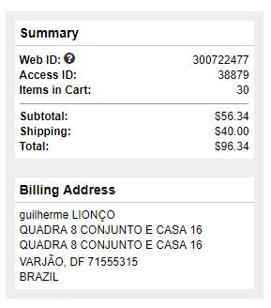
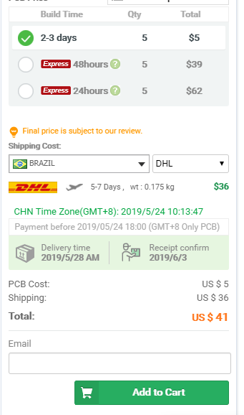
 | BOM | PCB
VALOR | $56.34 | $5.00
FRETE | $40.00 | $41.00
TOTAL USD | $96.34 | $46.00
TOTAL BRL | R$ 423.90 | R$ 202.40
 | R$ 626.30

