orçamento
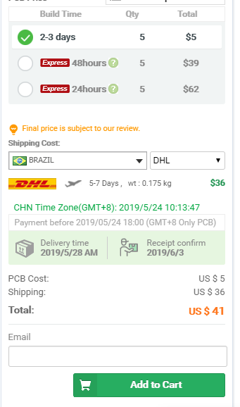
 | BOM | PCB
VALOR (USD) | $56.34 | $5.00 | printScreent DigiKey account | printScreent PCB Way account
FRETE (USD) | $40.00 | $41.00
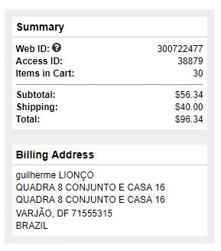
TOTAL (USD) | $96.34 | $46.00
TOTAL (BRL) | R$ 423.90 | R$ 202.40
 | R$ 626.30

