Sheet1
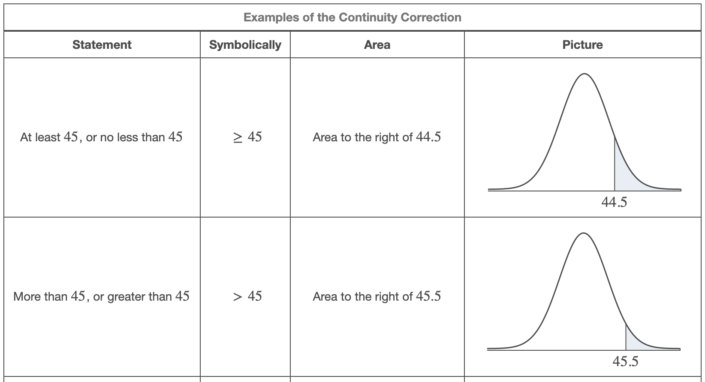
a | 59 | MEAN
b | 65 | 62

 |  | STDEV
 |  | 1.7320508076

a | 0 | 0.5
b | 50
X | 25

p | 0.66 | MEAN
n | 152 | 100.32
x | 96.5
 |  | STDEV
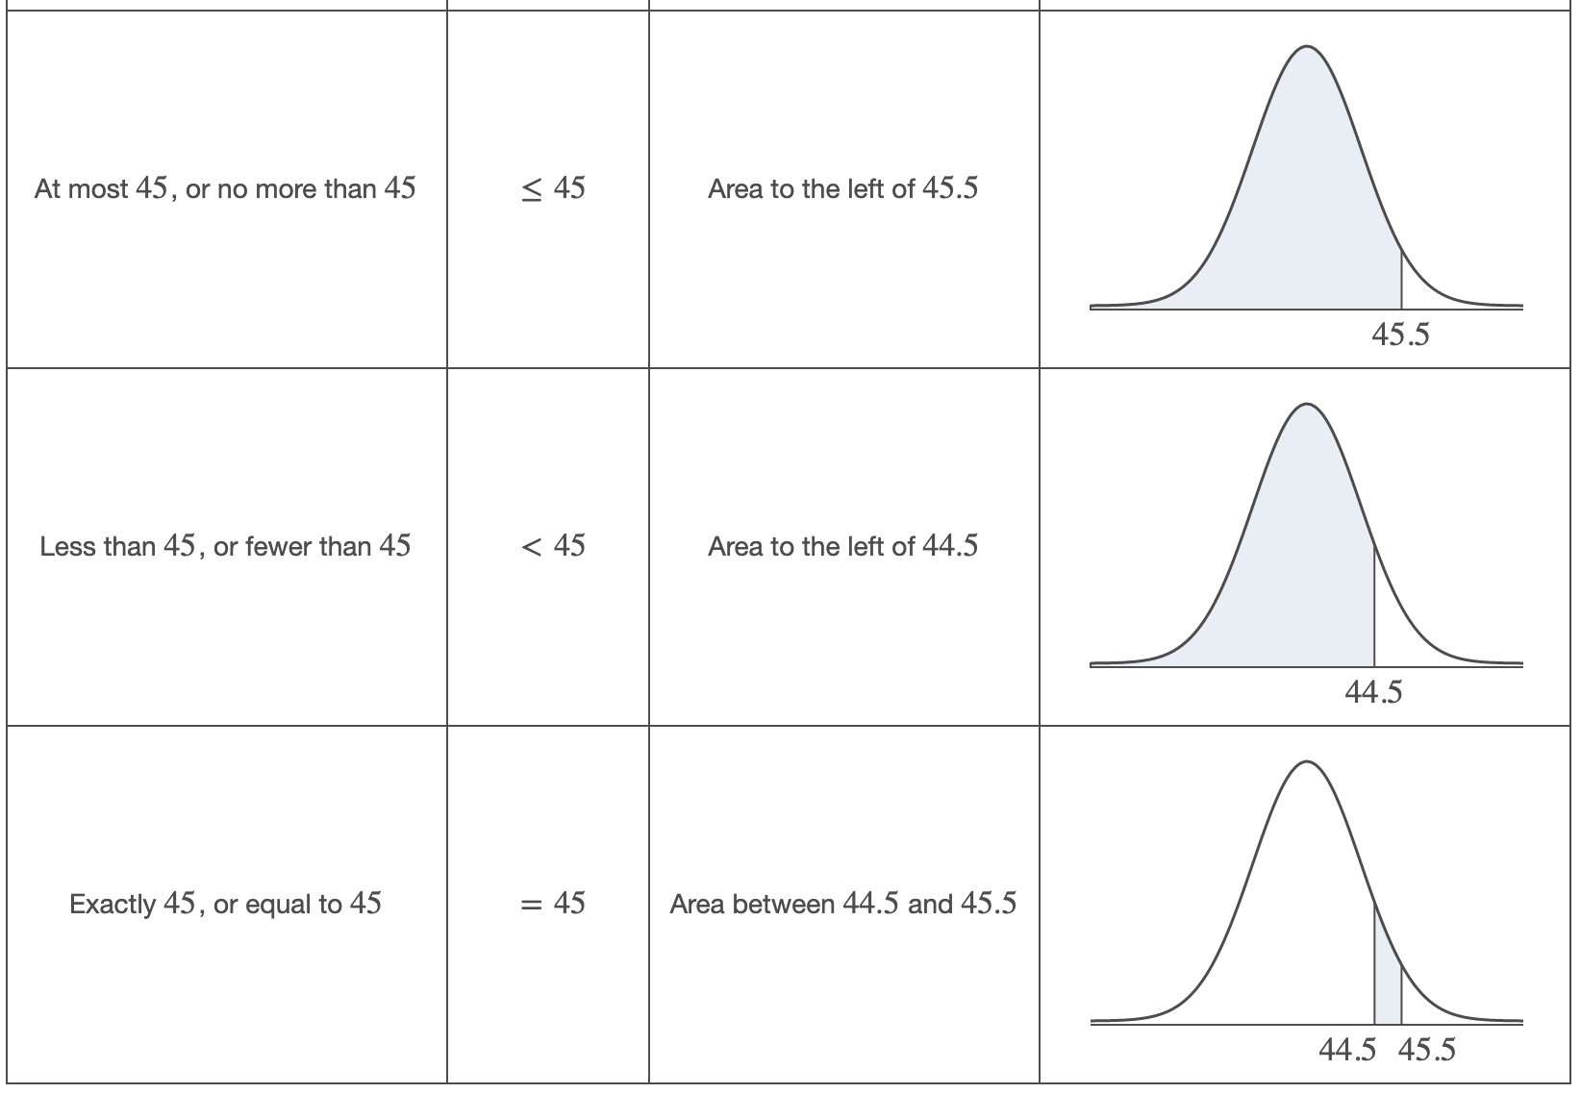
 |  | 5.8402739662

 |  | Z Score
 |  | -0.65407890488

