chapter 8
a | 59 | MEAN | 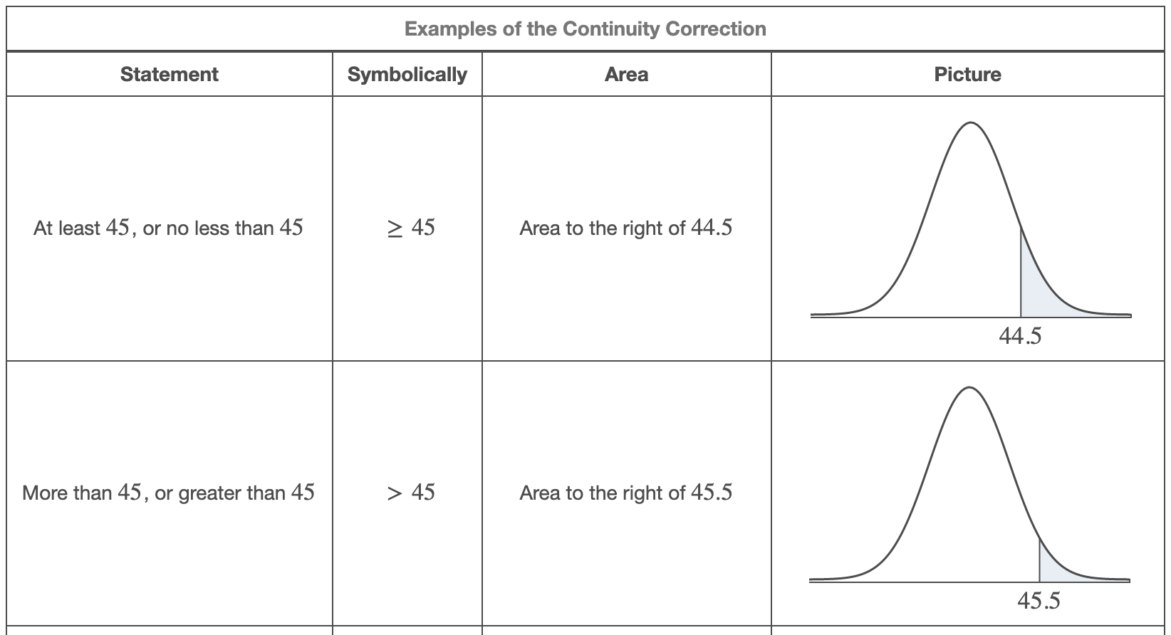 | Consider the probability that greater than 92 out of 159 software users will not call technical support. Assume the probability that a given software user will not call technical support is 66%. Approximate the probability using the normal distribution. Round your answer to four decimal places. | A particular em+R2ployee arrives at work sometime between 8:00 a.m. and 8:50 a.m. Based on past experience the company has determined that the employee is equally likely to arrive at any time between 8:00 a.m. and 8:50 a.m. Find the probability that the employee will arrive between 8:05 a.m. and 8:15 a.m. Round your answer to four decimal places, if necessary. | Select all of the following indicators which would cause you to reject normality for a sample of data.
b | 65 | 62
 |  |  |  | this uses tabnle to left AND the bottom formula don’t forget to add or subtract .5 | 10 min / 50 min | a normal probability plot of the data follows a curved shape the data has four outliers a histogram of the data shows bar heights decreasing or increasing or similar heights
 |  | STDEV
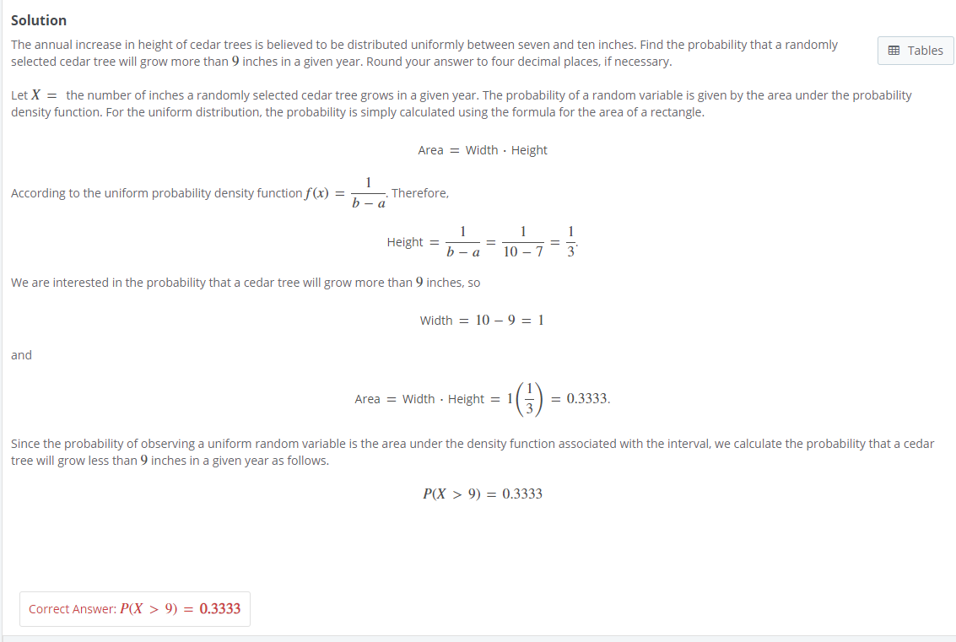
 |  | 1.7320508076

a | 3 | 0.16666666667
b | 9
X | 4

p | 0.66 | MEAN
n | 155 | 102.3
x | 89.5
 |  | STDEV
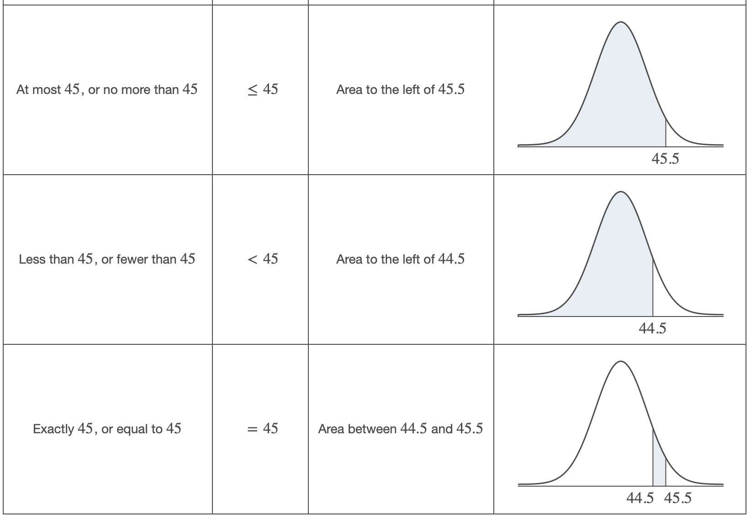
DON’T FORGET .5 |  | 5.8976266413

 |  | Z Score
 |  | -2.1703645854

chapter 10
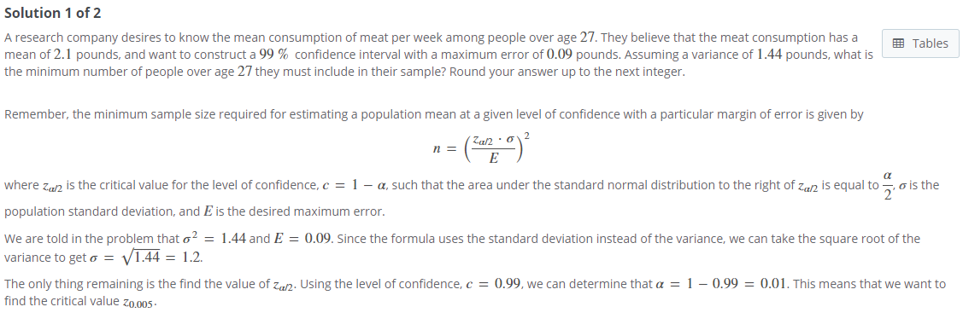
 |  |  |  | 80 | 90 | 95 | 98 | 99
10.2 interval estimation of the population mean |  |  | 1 | 3.078 | 6.314 | 12.706 | 31.821 | 63.657 | 10.3 Estimating the Population Proportion |  |  |  |  | a = 1 - c | Za | Za/2
147 | MEAN | N | 2 | 1.886 | 2.92 | 4.303 | 6.965 | 9.925 | p |  |  |  | 0.8 | 0.2 | 0.84 | 1.28 |  | 0.4
144 | 49360.0 | 29 | 3 | 1.638 | 2.353 | 3.182 | 4.541 | 5.841 | 0.218 |  |  |  | 0.85 | 0.15 | 1.04 | 1.44
146 |  |  | 4 | 1.533 | 2.132 | 2.776 | 3.747 | 4.604 |  |  |  |  | 0.9 | 0.1 | 1.28 | 1.645
127 | STDEV |  | 5 | 1.476 | 2.015 | 2.571 | 3.365 | 4.032 | n |  |  |  | 0.95 | 0.05 | 1.645 | 1.96
154 | 9.077 |  | 6 | 1.44 | 1.943 | 2.447 | 3.143 | 3.707 | 303 |  |  |  | 0.96 | 0.04 | 1.75 | 2.05
140 |  |  | 7 | 1.415 | 1.895 | 2.365 | 2.998 | 3.499 |  |  |  |  | 0.98 | 0.02 | 2.05 | 2.33
 | CRITICAL |  | 8 | 1.397 | 1.86 | 2.306 | 2.896 | 3.355 | z |  |  |  | 0.99 | 0.01 | 2.33 | 2.575
 | 1.476 |  | 9 | 1.383 | 1.833 | 2.262 | 2.821 | 3.25 | 1.28
 |  |  | 10 | 1.372 | 1.812 | 2.228 | 2.764 | 3.169
 | ERROR |  | 11 | 1.363 | 1.796 | 2.201 | 2.718 | 3.106 | E
 | 2.4880033707 |  | 12 | 1.356 | 1.782 | 2.179 | 2.681 | 3.055 | 0.030352339247
 |  |  | 13 | 1.35 | 1.771 | 2.16 | 2.65 | 3.012
 | LOW |  | 14 | 1.345 | 1.761 | 2.145 | 2.624 | 2.977 | LOW
 | 49357.5 |  | 15 | 1.341 | 1.753 | 2.131 | 2.602 | 2.947 | 0.187
 |  |  | 16 | 1.337 | 1.746 | 2.12 | 2.583 | 2.921
 | HIGH |  | 17 | 1.333 | 1.74 | 2.11 | 2.567 | 2.898 | HIGH
 | 49362.5 |  | 18 | 1.33 | 1.734 | 2.101 | 2.552 | 2.878 | 0.248
 |  |  | 19 | 1.328 | 1.729 | 2.093 | 2.539 | 2.861
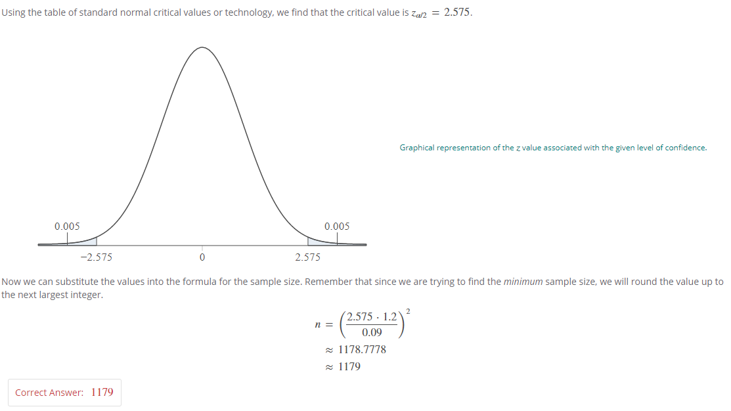
 |  |  | 20 | 1.325 | 1.725 | 2.086 | 2.528 | 2.845
 |  |  | 21 | 1.323 | 1.721 | 2.08 | 2.518 | 2.831
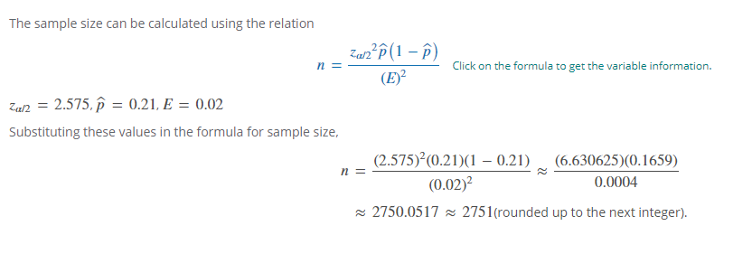
 |  |  | 22 | 1.321 | 1.717 | 2.074 | 2.508 | 2.819
 |  |  | 23 | 1.319 | 1.714 | 2.069 | 2.5 | 2.807
 |  |  | 24 | 1.318 | 1.711 | 2.064 | 2.492 | 2.797
 |  |  | 25 | 1.316 | 1.708 | 2.06 | 2.485 | 2.787
 |  |  | 26 | 1.315 | 1.706 | 2.056 | 2.479 | 2.779
 |  |  | 27 | 1.314 | 1.703 | 2.052 | 2.473 | 2.771
 |  |  | 28 | 1.313 | 1.701 | 2.048 | 2.467 | 2.763
 |  |  | 29 | 1.311 | 1.699 | 2.045 | 2.462 | 2.756
 |  |  | 30 | 1.31 | 1.697 | 2.042 | 2.457 | 2.75
 |  |  | 31 | 1.309 | 1.696 | 2.04 | 2.453 | 2.744
 |  |  | 32 | 1.309 | 1.694 | 2.037 | 2.449 | 2.738
 |  |  | 34 | 1.307 | 1.691 | 2.032 | 2.441 | 2.728
 |  |  | 36 | 1.306 | 1.688 | 2.028 | 2.434 | 2.719
 |  |  | 38 | 1.304 | 1.686 | 2.024 | 2.429 | 2.712
 |  |  | 40 | 1.303 | 1.684 | 2.021 | 2.423 | 2.704
 |  |  | 45 | 1.301 | 1.679 | 2.014 | 2.412 | 2.69
 |  |  | 50 | 1.299 | 1.676 | 2.009 | 2.403 | 2.678
 |  |  | 55 | 1.297 | 1.673 | 2.004 | 2.396 | 2.668
 |  |  | 60 | 1.296 | 1.671 | 2 | 2.39 | 2.66
 |  |  | 65 | 1.295 | 1.669 | 1.997 | 2.385 | 2.654
 |  |  | 70 | 1.294 | 1.667 | 1.994 | 2.381 | 2.648
 |  |  | 75 | 1.293 | 1.665 | 1.992 | 2.377 | 2.643
 |  |  | 80 | 1.292 | 1.664 | 1.99 | 2.374 | 2.639
 |  |  | 90 | 1.291 | 1.662 | 1.987 | 2.368 | 2.632
 |  |  | 100 | 1.29 | 1.66 | 1.984 | 2.364 | 2.626
 |  |  | 120 | 1.289 | 1.658 | 1.98 | 2.358 | 2.617
 |  |  | 200 | 1.286 | 1.653 | 1.972 | 2.345 | 2.601 | 10.4 Estimating the Population Standard Deviation or Variance
 |  |  | 300 | 1.284 | 1.65 | 1.968 | 2.339 | 2.592 | n |  |  |  | 1 | 2 | 5 | 10 | 20 | 80 | 90 | 95 | 98 | 99
 |  |  | 400 | 1.284 | 1.649 | 1.966 | 2.336 | 2.588 | 72 |  |  | 1 | 0 | 0 | 0.001 | 0.004 | 0.016 | 2.706 | 3.841 | 5.024 | 6.635 | 7.879 | 12.4
 |  |  | 500 | 1.283 | 1.648 | 1.965 | 2.334 | 2.586 |  |  |  | 2 | 0.01 | 0.02 | 0.051 | 0.103 | 0.211 | 4.605 | 5.991 | 7.378 | 9.21 | 10.597 | 12.4
 |  |  | 750 | 1.283 | 1.647 | 1.963 | 2.331 | 2.582 | var |  |  | 3 | 0.072 | 0.115 | 0.216 | 0.352 | 0.584 | 6.251 | 7.815 | 9.348 | 11.345 | 12.838 | 12.2
 |  |  | 1000 | 1.282 | 1.646 | 1.962 | 2.33 | 2.581 | 0.029 |  |  | 4 | 0.207 | 0.297 | 0.484 | 0.711 | 1.064 | 7.779 | 9.488 | 11.143 | 13.277 | 14.86 | 11.9
 |  |  | 2000 | 1.282 | 1.646 | 1.961 | 2.328 | 2.578 |  |  |  | 5 | 0.412 | 0.554 | 0.831 | 1.145 | 1.61 | 9.236 | 11.07 | 12.833 | 15.086 | 16.75 | 11.6
 |  |  | inf | 1.282 | 1.645 | 1.96 | 2.326 | 2.576 | c | this is the probability |  | 6 | 0.676 | 0.872 | 1.237 | 1.635 | 2.204 | 10.645 | 12.592 | 14.449 | 16.812 | 18.548 | 11.4
 |  |  |  |  |  |  |  |  | 100.425 |  |  | 7 | 0.989 | 1.239 | 1.69 | 2.167 | 2.833 | 12.017 | 14.067 | 16.013 | 18.475 | 20.278 | 12.6
 |  |  |  |  |  |  |  |  |  |  |  | 8 | 1.344 | 1.646 | 2.18 | 2.733 | 3.49 | 13.362 | 15.507 | 17.535 | 20.09 | 21.955 | 11.9
 |  |  |  |  |  |  |  |  | 1-c |  |  | 9 | 1.735 | 2.088 | 2.7 | 3.325 | 4.168 | 14.684 | 16.919 | 19.023 | 21.666 | 23.589 | 12
 |  |  |  |  |  |  |  |  | 45.442 |  |  | 10 | 2.156 | 2.558 | 3.247 | 3.94 | 4.865 | 15.987 | 18.307 | 20.483 | 23.209 | 25.188
 |  |  |  |  |  |  |  |  |  |  | STDEV | 11 | 2.603 | 3.053 | 3.816 | 4.575 | 5.578 | 17.275 | 19.675 | 21.92 | 24.725 | 26.757
 |  |  |  |  |  |  |  |  | LOW |  | LOW | 12 | 3.074 | 3.571 | 4.404 | 5.226 | 6.304 | 18.549 | 21.026 | 23.337 | 26.217 | 28.3
 |  |  |  |  |  |  |  |  | 0.02 |  | 0.14 | 13 | 3.565 | 4.107 | 5.009 | 5.892 | 7.042 | 19.812 | 22.362 | 24.736 | 27.688 | 29.819
 |  |  |  |  |  |  |  |  |  |  |  | 14 | 4.075 | 4.66 | 5.629 | 6.571 | 7.79 | 21.064 | 23.685 | 26.119 | 29.141 | 31.319
 |  |  |  |  |  |  |  |  | HIGH |  | HIGH | 15 | 4.601 | 5.229 | 6.262 | 7.261 | 8.547 | 22.307 | 24.996 | 27.488 | 30.578 | 32.801
 |  |  |  |  |  |  |  |  | 0.05 |  | 0.21 | 16 | 5.142 | 5.812 | 6.908 | 7.962 | 9.312 | 23.542 | 26.296 | 28.845 | 32 | 34.267
 |  |  |  |  |  |  |  |  |  |  |  | 17 | 5.697 | 6.408 | 7.564 | 8.672 | 10.085 | 24.769 | 27.587 | 30.191 | 33.409 | 35.718
 |  |  |  |  |  |  |  |  |  |  |  | 18 | 6.265 | 7.015 | 8.231 | 9.39 | 10.865 | 25.989 | 28.869 | 31.526 | 34.805 | 37.156
 |  |  |  |  |  |  |  |  |  |  |  | 19 | 6.844 | 7.633 | 8.907 | 10.117 | 11.651 | 27.204 | 30.144 | 32.852 | 36.191 | 38.582
 |  |  |  |  |  |  |  |  |  |  |  | 20 | 7.434 | 8.26 | 9.591 | 10.851 | 12.443 | 28.412 | 31.41 | 34.17 | 37.566 | 39.997
 |  |  |  |  |  |  |  |  |  |  |  | 21 | 8.034 | 8.897 | 10.283 | 11.591 | 13.24 | 29.615 | 32.671 | 35.479 | 38.932 | 41.401
 |  |  |  |  |  |  |  |  |  |  |  | 22 | 8.643 | 9.542 | 10.982 | 12.338 | 14.041 | 30.813 | 33.924 | 36.781 | 40.289 | 42.796
 |  |  |  |  |  |  |  |  |  |  |  | 23 | 9.26 | 10.196 | 11.689 | 13.091 | 14.848 | 32.007 | 35.172 | 38.076 | 41.638 | 44.181
 |  |  |  |  |  |  |  |  |  |  |  | 24 | 9.886 | 10.856 | 12.401 | 13.848 | 15.659 | 33.196 | 36.415 | 39.364 | 42.98 | 45.559
 |  |  |  |  |  |  |  |  |  |  |  | 25 | 10.52 | 11.524 | 13.12 | 14.611 | 16.473 | 34.382 | 37.652 | 40.646 | 44.314 | 46.928
 |  |  |  |  |  |  |  |  |  |  |  | 26 | 11.16 | 12.198 | 13.844 | 15.379 | 17.292 | 35.563 | 38.885 | 41.923 | 45.642 | 48.29
 |  |  |  |  |  |  |  |  |  |  |  | 27 | 11.808 | 12.879 | 14.573 | 16.151 | 18.114 | 36.741 | 40.113 | 43.195 | 46.963 | 49.645
 |  |  |  |  |  |  |  |  |  |  |  | 28 | 12.461 | 13.565 | 15.308 | 16.928 | 18.939 | 37.916 | 41.337 | 44.461 | 48.278 | 50.993
 |  |  |  |  |  |  |  |  |  |  |  | 29 | 13.121 | 14.256 | 16.047 | 17.708 | 19.768 | 39.087 | 42.557 | 45.722 | 49.588 | 52.336
 |  |  |  |  |  |  |  |  |  |  |  | 30 | 13.787 | 14.953 | 16.791 | 18.493 | 20.599 | 40.256 | 43.773 | 46.979 | 50.892 | 53.672
 |  |  |  |  |  |  |  |  |  |  |  | 40 | 20.707 | 22.164 | 24.433 | 26.509 | 29.051 | 51.805 | 55.758 | 59.342 | 63.691 | 66.766
 |  |  |  |  |  |  |  |  |  |  |  | 50 | 27.991 | 29.707 | 32.357 | 34.764 | 37.689 | 63.167 | 67.505 | 71.42 | 76.154 | 79.49
 |  |  |  |  |  |  |  |  |  |  |  | 60 | 35.534 | 37.485 | 40.482 | 43.188 | 46.459 | 74.397 | 79.082 | 83.298 | 88.379 | 91.952
 |  |  |  |  |  |  |  |  |  |  |  | 70 | 43.275 | 45.442 | 48.758 | 51.739 | 55.329 | 85.527 | 90.531 | 95.023 | 100.425 | 104.215
 |  |  |  |  |  |  |  |  |  |  |  | 80 | 51.172 | 53.54 | 57.153 | 60.391 | 64.278 | 96.578 | 101.879 | 106.629 | 112.329 | 116.321
 |  |  |  |  |  |  |  |  |  |  |  | 90 | 59.196 | 61.754 | 65.647 | 69.126 | 73.291 | 107.565 | 113.145 | 118.136 | 124.116 | 128.299
 |  |  |  |  |  |  |  |  |  |  |  | 100 | 67.328 | 70.065 | 74.222 | 77.929 | 82.358 | 118.498 | 124.342 | 129.561 | 135.807 | 140.169

