Sheet1
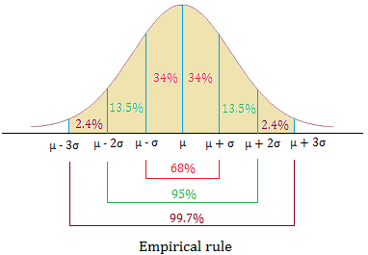
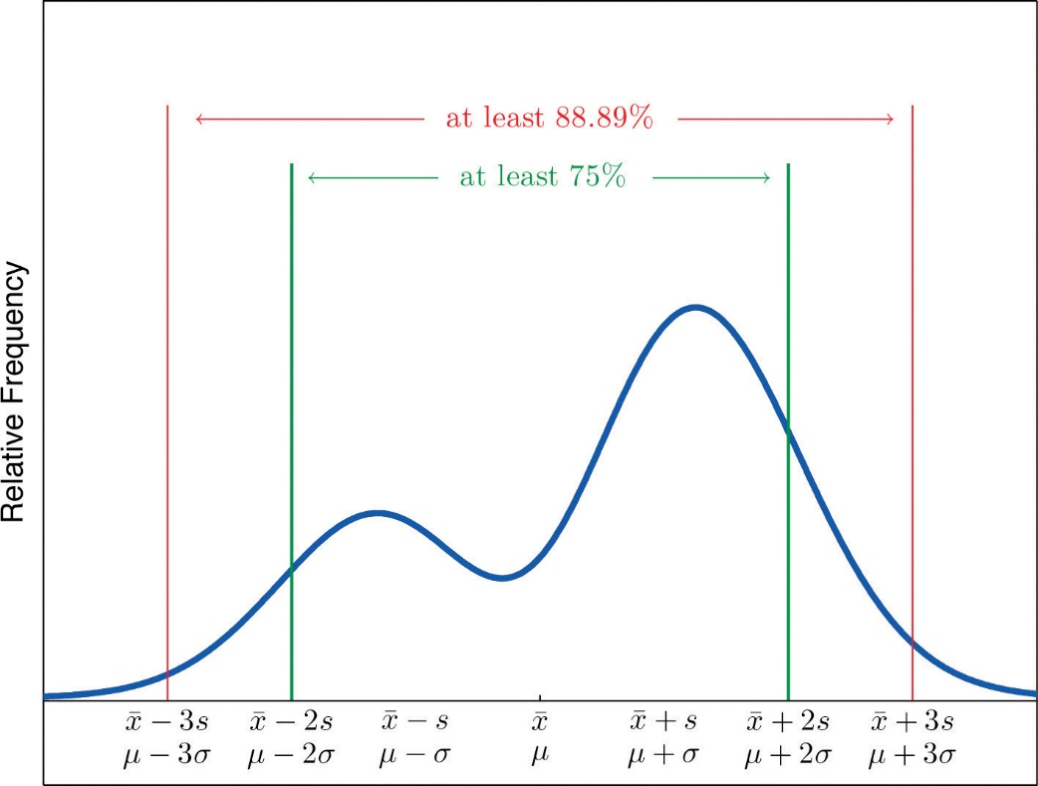
TRIMMED MEAN |  | ENTER DATA FOR MEAN AND MEDIAN |  |  |  | STANDARD DEVIATION ETC.
29 |  | 4 |  |  |  | 580
33 |  | 14 | MEAN | MEDIAN |  | 780 |  | STDEV
37 |  | 14 | 9 | 9 |  | 490 |  | 194.65151047
39 |  | 14 |  |  |  | 560
40 |  | 4 | SUM |  |  | 930
41 |  | 4 | 54 |  |  | 690
42 |  |  |  |  |  | 790
43 |  |  |  |  |  | 370
43 |  |  |  |  |  | 930
44 |  |  |  |  |  | 450
45 |  |  |  |  |  | 320
47 |  |  |  |  |  | 710
48 |  |  |  |  |  | 550
49 |  |  |  |  |  | 550
52 |  |  |  |  |  | 560
53 |  |  |  |  |  | 640
54 |  |  |  |  |  | 380
54 |  |  |  |  |  | 970
55 |  |  |  |  |  | 400
60 |  |  |  |  |  | 740

COEFFICIENT OF VARIATION |  |  | POPULATION SHIT |  |  |  | POPULATION SHIT FOR FREQUENCY TABLE |  |  |  |  | POPULATION MEAN
A: | B: | A | 6 |  | POPVAR |  | 61 | 66 | 23 | 1460.5 | 92741.75 | 27.743378995
20529 | 4.02 | 2.7600140468 | 7 |  | 18.56 |  | 67 | 72 | 22 | 1529 | 106265.5
22081 | 4.71 |  | 8 |  |  |  | 73 | 9.9 | 35 | 1450.75 | 60133.5875 | POPULATION VARIANCE
21454 | 3.87 | B | 8 |  | POPSTDEV |  | 10 | 10.9 | 39 | 407.55 | 4258.8975 | 502.19389452
21449 | 4.57 | 17.013764337 | 8 |  | 4.3081318457 |  | 11 | 11.9 | 42 | 480.9 | 5506.305
21801 | 4.29 |  | 11 |  |  |  | 12 | 12.9 | 33 | 410.85 | 5115.0825
21892 | 4.49 |  | 11 |  |  |  | 13 | 13.9 | 25 | 336.25 | 4522.5625
20913 | 3.23 |  | 12
20075 | 2.94 |  | 17
21694 | 4.41 |  | 20
21681 | 3.07
21416 | 3.23
21829
21013
22053

