Sayfa1
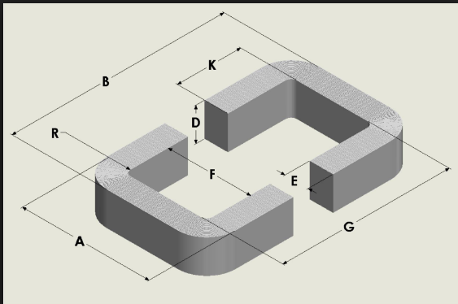
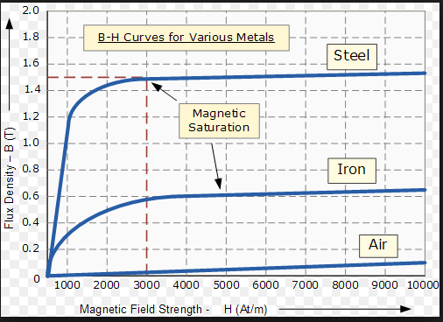
inputs

 |  |  |  | core features
specifications |  |  |  | type | squere-core |  |  | design values
power(VA) | 500000 |  |  | lamination type | no lamination |  |  | N1(in) | 1200
Vin(V) | 34500 |  |  | material | steel |  |  | N2(out) | 870
Vout(V) | 25000 |  |  | B(T) | 1.2 | write by using B-H curve
Freq(Hz) | 50 |  |  | H(At/m) | 1000
temp(C) | 40 |  |  | Core loss(W/kg),1T | 0.95 | *Bop^2, laminasyona göre değişir |  | N1/N2 | 1.38
J(A/mm2) | 3 |  |  | material density(g/cm^3) | 7.85
Ku(fill factor) | 0.3 |  |  | material cost ($/kg) | 3
power factor | 1 |  |  | cable features
 |  |  |  | material | copper |  |  |  | m^2 | mm^2
Iin | 14.49 |  |  | resistivity(ohm/m) | 1.68E-08 |  |  | window area | 0.038647342995 | 38647.342995
Iout | 20.00 |  |  | cable cost in($/m) | 1
 |  |  |  | cable cost out($/m) | 1 |  |  | y1(G),y2(F) | 0.19658927487 | 196.58927487 | !! İf it is square this value can be write input at left

 | mm^2 | m^2 |  | Core permiability | 0.0012
cable cross sec(in) | 4.8309178744 | 4.8309178744E-06 |  | Core relative perm(ur) | 955.41401274 |  |  | window sizes(square,inner) | m | mm
cable cross sec(out) | 6.6666666667 | 6.6666666667E-06 |  |  |  |  |  | y1(G) | 0.196 | 196 | sarım yapılan kenar
 |  |  |  |  | m^2 | mm^2
 | mm | mm |  | req cross sec area | 0.11 | 107920.42042 |  | y2(F) | 0.1971803214 | 197.1803214
cable radius(in) | 1.24 | 1.2403664286 |  |  |  |  |  | kare ise bu ikisi eşit
cable radius(out) | 1.457 | 1.4571006316 |  |  | m | mm
copper yarıcapları akım density sabit alınarak heaplanmıştır,duruma göre ayarlanabilir, sağdaki densityden hesaplanan değer inputa yazılır |  |  |  | x1(D),x2(E,R) | 0.32851243572 | 328.51243572 | !! İf it is square this value can be write input at left

 |  |  |  | cross section sizes | m | mm
 |  |  |  | x1(D) | 0.36 | 360 |  |  | m
 |  |  |  |  |  |  |  | B | 0.79555789122
 | mm |  |  | x2(E,R) | 0.29977894561 | 299.77894561 |  | A | 0.79673821263
Mean Length Turn radius | 213.55129821 |  |  | kare ise bu ikisi eşit |  |  |  | taking reference from dimension figure

 | mm | m
cable lenght(in) | 1609322.5833 | 1609.3225833 |  |  | g | kg
cable lenght(out) | 1166175.785 | 1166.175785 |  | core mass | 1682046.5868 | 1682.0465868 |  |  | m
 |  |  |  |  |  |  |  | Core Effective Length | 1.9854764253

Copper resistance(in) R1(ohm) | 5.5965802157
Copper resistance(out) R2(ohm) | 2.9391689392 |  |  |  |  |  |  | Core Reluctance | 15331.331005

Copper loss(W),in | 1175.51
Copper loss(W),out | 1175.67
Total Copper loss(W) | 2351.17 |  |  | core loss(W) | 2301.0397308
 |  |  |  |  |  |  |  | inner Inductance, L1(H) | 93.925308865
 |  |  |  |  |  |  |  | outer inductance,L2(H) | 49.320157984
 |  |  |  |  |  |  |  | mutual inductance(H) | 68.061818018
 |  | efficiency | 0.99078134925 |  | core cost | $5,046
 |  |  |  |  | inner cable cost | $1,609
 |  |  |  |  | outer cable cost | $1,166
 |  |  |  |  | Total cost | $7,822

 |  |  |  |  |  | next figure is using only figure dimensions.

