#1
select * from (select e.emp_id,e.emp_name,l.city,l.state,l.country,
e.emp_sal,e.emp_activefrom,e.emp_status,d.dept_name,
e.fname,e.lname from
(select emp_id,substr((concat(concat(emp_fname,' '),emp_lname)),1,10) as emp_name,emp_sal,emp_activefrom,emp_status,loc_id,dept_id,fname,lname from
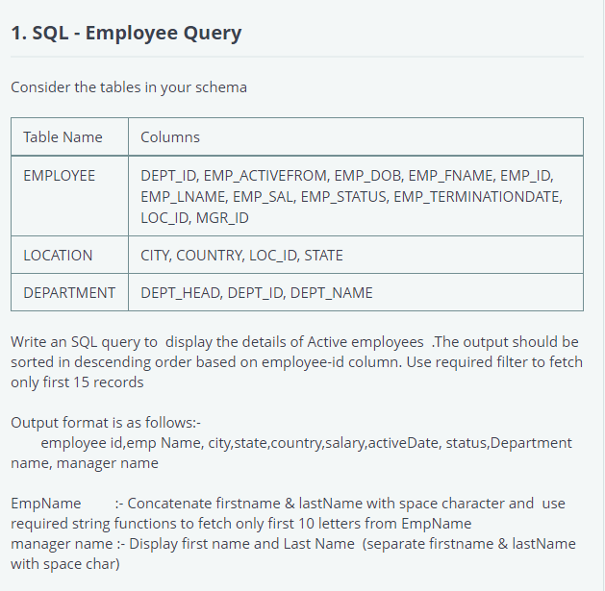
(select m.*,em.emp_fname as fname,em.emp_lname as
lname from employee em,employee m
where em.emp_id=m.mgr_id)
where emp_status='Active')e,
location l,
department d
where e.loc_id=l.loc_id
and e.dept_id=d.dept_id
order by emp_id desc) where rownum<=15;

#2
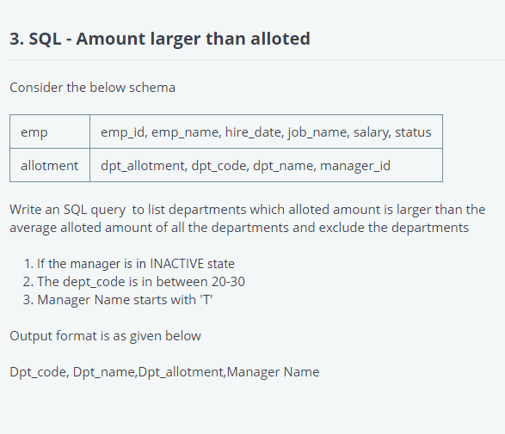

select d.dpt_code,d.dpt_name,d.dpt_allotment,e.emp_name as man_name
from allotment d,emp e
where e.emp_id=d.manager_id
and e.emp_name not like 'T%'
and e.status='Active'
and d.dpt_code not between 20 and 30
and d.dpt_allotment >(select avg(dpt_allotment)from allotment);

#3
select * from (select f.emp_id,f.emp_fname,f.emp_lname,l.city,l.state,f.salary,f.dept_name from
(select e.emp_terminationdate,e.loc_id,e.emp_id,e.emp_fname,e.emp_lname,ms.salary,ms.dept_name from employee e,
(select max(emp_sal) as salary,dept_name from (select * from (select * from employee where emp_status ='Active') e,
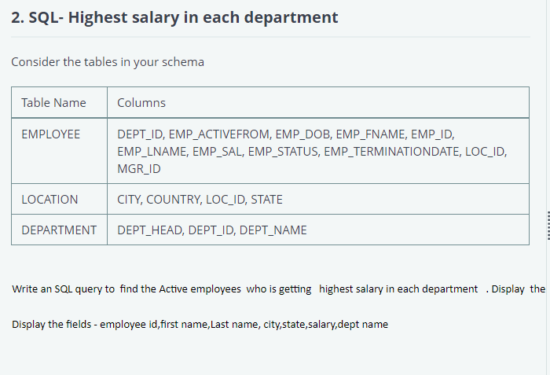
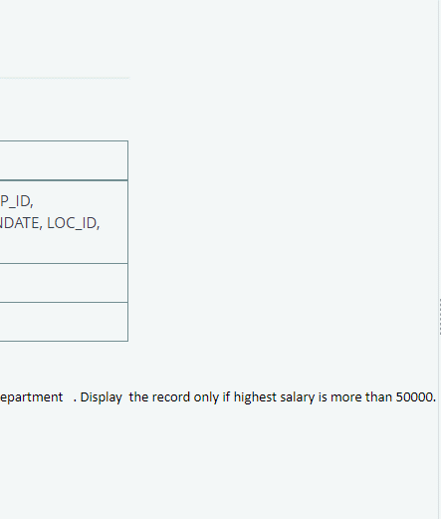
department d
where e.dept_id=d.dept_id)
group by dept_name)ms
where e.emp_sal=ms.salary and e.emp_status='Active')f,
(select * from location)l
where f.loc_id=l.loc_id) where salary > 50000;

#4
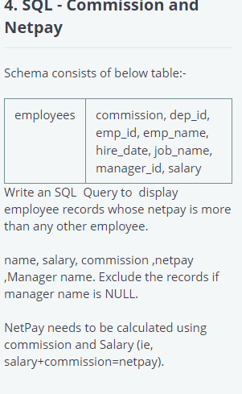

select * from (select em.emp_name,em.salary,nvl(em.commission,0),
(em.salary+nvl(em.commission,0)) as netpay,man.manager_name from employees em,
(select m.emp_id,m.emp_name,e.emp_name as manager_name
from employees e,employees m
where e.emp_id=m.manager_id)man
where em.emp_id=man.emp_id
and em.emp_name=man.emp_name)
where netpay>any(select (salary+nvl(commission,0)) from employees
where manager_id is not null);

