安装
执行命令打开注册界面：
 | java -jar lombok.jar
 | 然后选择Eclipse或STS.exe文件，即可注册。

 | IntelliJ IDEA中安装lombok插件：
 | 1、官方的安装说明：
 | The Jetbrains IntelliJ IDEA editor is compatible with lombok without a plugin as of version 2020.3.
 | For versions prior to 2020.3, you can add the Lombok IntelliJ plugin to add lombok support for IntelliJ:
 | Go to File > Settings > Plugins
 | Click on Browse repositories...
 | Search for Lombok Plugin
 | Click on Install plugin
 | Restart IntelliJ IDEA
 | You can also check out Setting up Lombok with Eclipse and IntelliJ, a blog article on baeldung.

 | 2、安装好后，再配置IDEA的编译，启用自动注解处理。
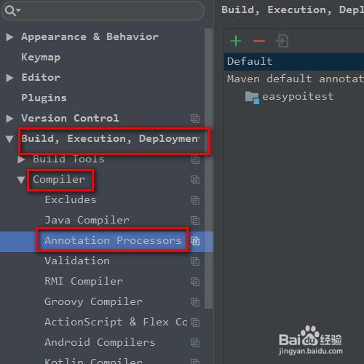
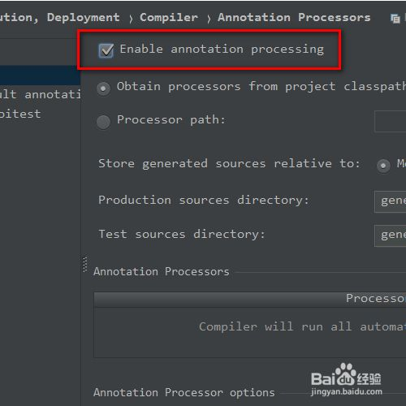

 | 3、在项目中引用依赖。
 | <!-- https://mvnrepository.com/artifact/org.projectlombok/lombok -->
 | <dependency>
 | <groupId>org.projectlombok</groupId>
 | <artifactId>lombok</artifactId>
 | <version>1.18.22</version>
 | <scope>provided</scope>
 | </dependency>

