示例
Maven
 | <repositories>
 | <repository>
 | <id>jcenter-snapshots</id>
 | <name>jcenter</name>
 | <url>https://jcenter.bintray.com/</url>
 | </repository>
 | </repositories>

 | <dependency>
 | <groupId>io.springfox</groupId>
 | <artifactId>springfox-swagger2</artifactId>
 | <version>2.9.2</version>
 | </dependency>

Springfox Spring MVC and Spring Boot
 | /*
 | *
 | * Copyright 2015-2018 the original author or authors.
 | *
 | * Licensed under the Apache License, Version 2.0 (the "License");
 | * you may not use this file except in compliance with the License.
 | * You may obtain a copy of the License at
 | *
 | * http://www.apache.org/licenses/LICENSE-2.0
 | *
 | * Unless required by applicable law or agreed to in writing, software
 | * distributed under the License is distributed on an "AS IS" BASIS,
 | * WITHOUT WARRANTIES OR CONDITIONS OF ANY KIND, either express or implied.
 | * See the License for the specific language governing permissions and
 | * limitations under the License.
 | *
 | *
 | */

 | package springfox.springconfig;

 | import com.fasterxml.classmate.TypeResolver;
 | import org.joda.time.LocalDate;
 | import org.springframework.beans.factory.annotation.Autowired;
 | import org.springframework.boot.SpringApplication;
 | import org.springframework.boot.autoconfigure.SpringBootApplication;
 | import org.springframework.context.annotation.Bean;
 | import org.springframework.context.annotation.ComponentScan;
 | import org.springframework.http.ResponseEntity;
 | import org.springframework.web.bind.annotation.RequestMethod;
 | import org.springframework.web.context.request.async.DeferredResult;
 | import springfox.documentation.builders.ParameterBuilder;
 | import springfox.documentation.builders.PathSelectors;
 | import springfox.documentation.builders.RequestHandlerSelectors;
 | import springfox.documentation.builders.ResponseMessageBuilder;
 | import springfox.documentation.schema.ModelRef;
 | import springfox.documentation.schema.WildcardType;
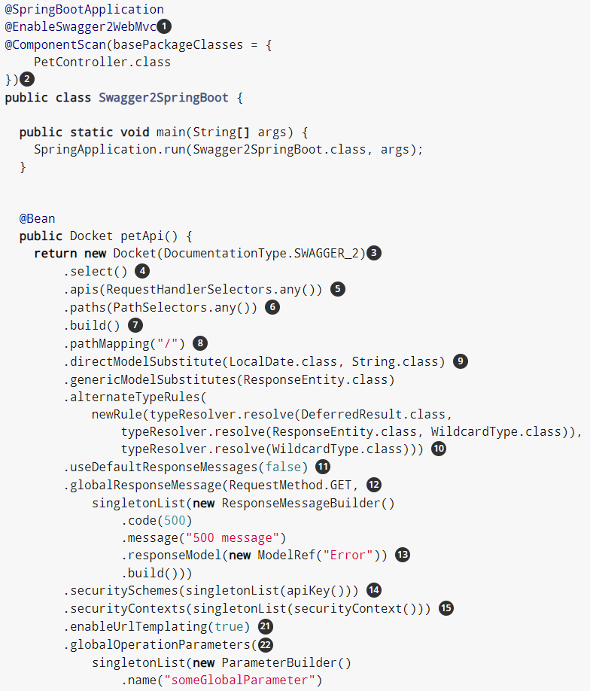
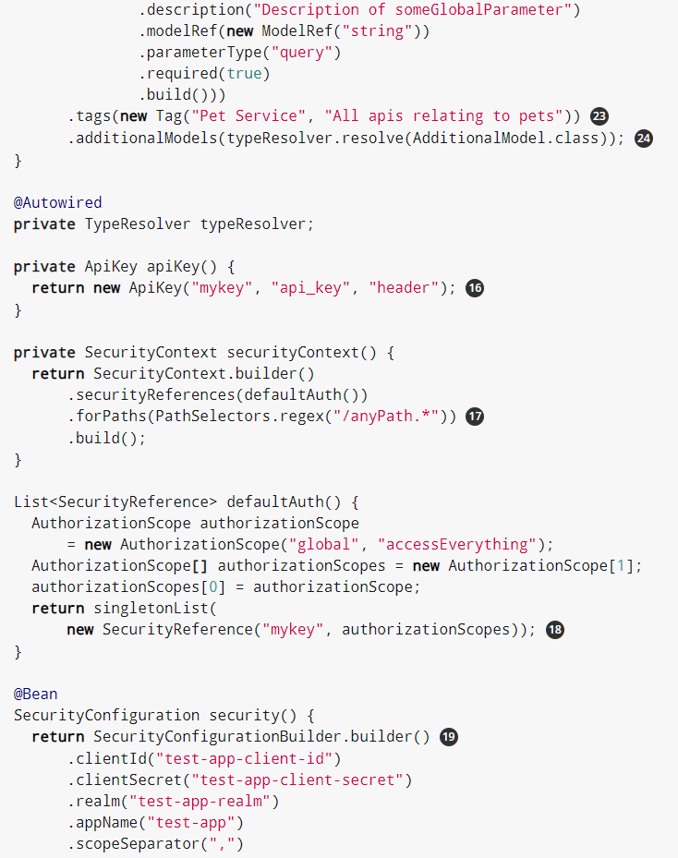
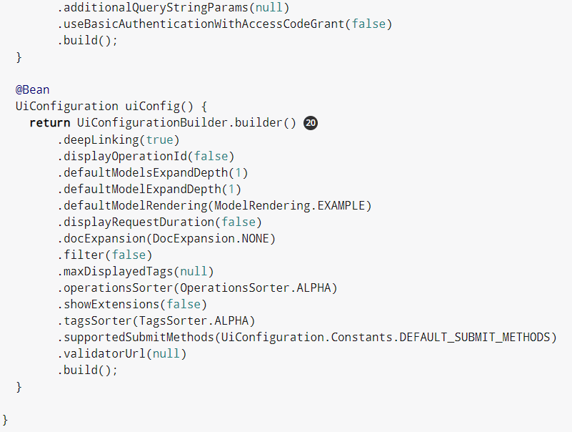
 | import springfox.documentation.service.ApiKey;
 | import springfox.documentation.service.AuthorizationScope;
 | import springfox.documentation.service.SecurityReference;
 | import springfox.documentation.service.Tag;
 | import springfox.documentation.spi.DocumentationType;
 | import springfox.documentation.spi.service.contexts.SecurityContext;
 | import springfox.documentation.spring.web.plugins.Docket;
 | import springfox.documentation.swagger.web.DocExpansion;
 | import springfox.documentation.swagger.web.ModelRendering;
 | import springfox.documentation.swagger.web.OperationsSorter;
 | import springfox.documentation.swagger.web.SecurityConfiguration;
 | import springfox.documentation.swagger.web.SecurityConfigurationBuilder;
 | import springfox.documentation.swagger.web.TagsSorter;
 | import springfox.documentation.swagger.web.UiConfiguration;
 | import springfox.documentation.swagger.web.UiConfigurationBuilder;
 | import springfox.documentation.swagger2.annotations.EnableSwagger2WebMvc;
 | import springfox.petstore.controller.PetController;

 | import java.util.List;

 | import static java.util.Collections.*;
 | import static springfox.documentation.schema.AlternateTypeRules.*;

 | @SpringBootApplication
 | @EnableSwagger2WebMvc
 | @ComponentScan(basePackageClasses = {
 | PetController.class
 | })
 | public class Swagger2SpringBoot {

 | public static void main(String[] args) {
 | SpringApplication.run(Swagger2SpringBoot.class, args);
 | }

 | @Bean
 | public Docket petApi() {
 | return new Docket(DocumentationType.SWAGGER_2)
 | .select()
 | .apis(RequestHandlerSelectors.any())
 | .paths(PathSelectors.any())
 | .build()
 | .pathMapping("/")
 | .directModelSubstitute(LocalDate.class, String.class)
 | .genericModelSubstitutes(ResponseEntity.class)
 | .alternateTypeRules(
 | newRule(typeResolver.resolve(DeferredResult.class,
 | typeResolver.resolve(ResponseEntity.class, WildcardType.class)),
 | typeResolver.resolve(WildcardType.class)))
 | .useDefaultResponseMessages(false)
 | .globalResponseMessage(RequestMethod.GET,
 | singletonList(new ResponseMessageBuilder()
 | .code(500)
 | .message("500 message")
 | .responseModel(new ModelRef("Error"))
 | .build()))
 | .securitySchemes(singletonList(apiKey()))
 | .securityContexts(singletonList(securityContext()))
 | .enableUrlTemplating(true)
 | .globalOperationParameters(
 | singletonList(new ParameterBuilder()
 | .name("someGlobalParameter")
 | .description("Description of someGlobalParameter")
 | .modelRef(new ModelRef("string"))
 | .parameterType("query")
 | .required(true)
 | .build()))
 | .tags(new Tag("Pet Service", "All apis relating to pets"))
 | .additionalModels(typeResolver.resolve(AdditionalModel.class));
 | }

 | @Autowired
 | private TypeResolver typeResolver;

 | private ApiKey apiKey() {
 | return new ApiKey("mykey", "api_key", "header");
 | }

 | private SecurityContext securityContext() {
 | return SecurityContext.builder()
 | .securityReferences(defaultAuth())
 | .forPaths(PathSelectors.regex("/anyPath.*"))
 | .build();
 | }

 | List<SecurityReference> defaultAuth() {
 | AuthorizationScope authorizationScope
 | = new AuthorizationScope("global", "accessEverything");
 | AuthorizationScope[] authorizationScopes = new AuthorizationScope[1];
 | authorizationScopes[0] = authorizationScope;
 | return singletonList(
 | new SecurityReference("mykey", authorizationScopes));
 | }

 | @Bean
 | SecurityConfiguration security() {
 | return SecurityConfigurationBuilder.builder()
 | .clientId("test-app-client-id")
 | .clientSecret("test-app-client-secret")
 | .realm("test-app-realm")
 | .appName("test-app")
 | .scopeSeparator(",")
 | .additionalQueryStringParams(null)
 | .useBasicAuthenticationWithAccessCodeGrant(false)
 | .build();
 | }

 | @Bean
 | UiConfiguration uiConfig() {
 | return UiConfigurationBuilder.builder()
 | .deepLinking(true)
 | .displayOperationId(false)
 | .defaultModelsExpandDepth(1)
 | .defaultModelExpandDepth(1)
 | .defaultModelRendering(ModelRendering.EXAMPLE)
 | .displayRequestDuration(false)
 | .docExpansion(DocExpansion.NONE)
 | .filter(false)
 | .maxDisplayedTags(null)
 | .operationsSorter(OperationsSorter.ALPHA)
 | .showExtensions(false)
 | .tagsSorter(TagsSorter.ALPHA)
 | .supportedSubmitMethods(UiConfiguration.Constants.DEFAULT_SUBMIT_METHODS)
 | .validatorUrl(null)
 | .build();
 | }

 | }

 | 3.2. Configuration explained
 |  | This library extensively uses googles guava library. For e.g. when you see newArrayList(…​) its actually the guava equivalent of creating an normal array list and adding item(s) to it.

 | //This guava code snippet
 | List<Something> guavaList = newArrayList(new Something());

 | //... is equivalent to
 | List<Something> list = new ArrayList<>();
 | list.add(new Something());
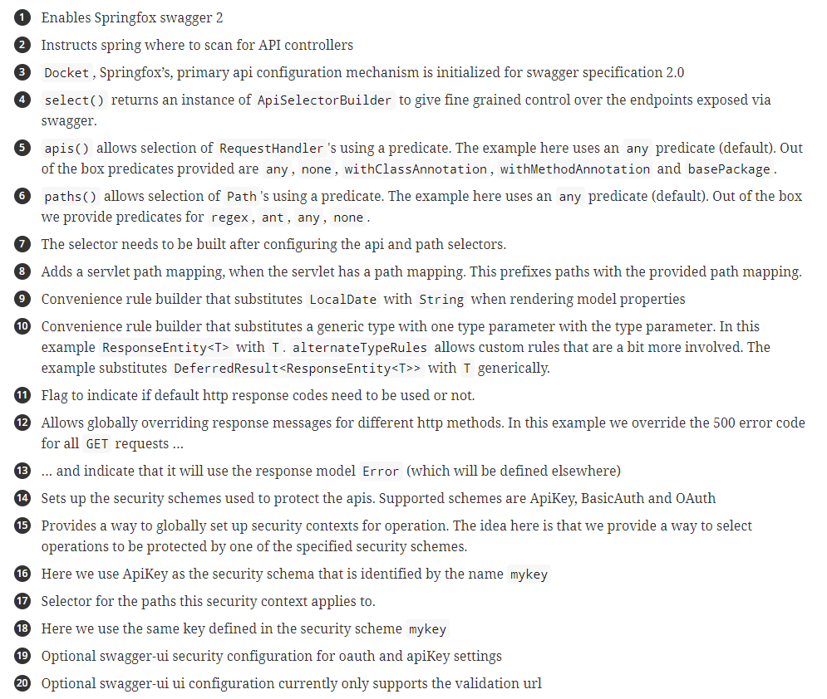
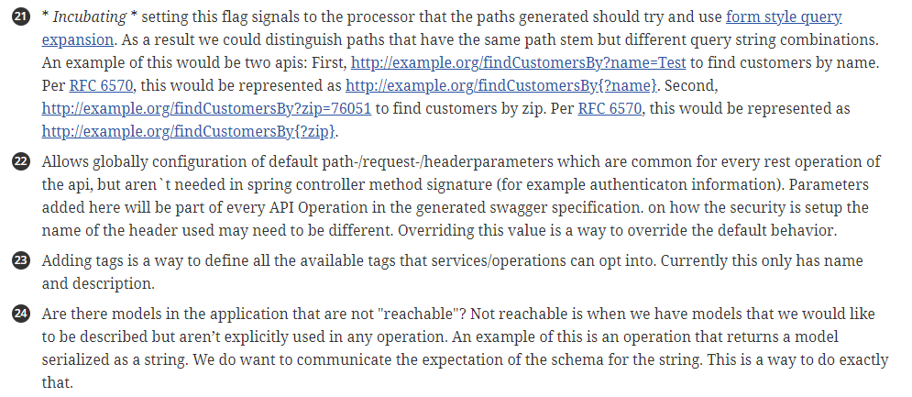
 | 1 | Enables Springfox swagger 2
 | 2 | Instructs spring where to scan for API controllers
 | 3 | Docket, Springfox’s, primary api configuration mechanism is initialized for swagger specification 2.0
 | 4 | select() returns an instance of ApiSelectorBuilder to give fine grained control over the endpoints exposed via swagger.
 | 5 | apis() allows selection of RequestHandler's using a predicate. The example here uses an any predicate (default). Out of the box predicates provided are any, none,
 |  | withClassAnnotation, withMethodAnnotation and basePackage.
 | 6 | paths() allows selection of Path's using a predicate. The example here uses an any predicate (default). Out of the box we provide predicates for regex, ant, any, none.
 | 7 | The selector needs to be built after configuring the api and path selectors.
 | 8 | Adds a servlet path mapping, when the servlet has a path mapping. This prefixes paths with the provided path mapping.
 | 9 | Convenience rule builder that substitutes LocalDate with String when rendering model properties
 | 10 | Convenience rule builder that substitutes a generic type with one type parameter with the type parameter. In this example ResponseEntity<T> with T. alternateTypeRules allows custom rules that are a bit more involved.
 |  | The example substitutes DeferredResult<ResponseEntity<T>> with T generically.
 | 11 | Flag to indicate if default http response codes need to be used or not.
 | 12 | Allows globally overriding response messages for different http methods. In this example we override the 500 error code for all GET requests …​
 | 13 | …​ and indicate that it will use the response model Error (which will be defined elsewhere)
 | 14 | Sets up the security schemes used to protect the apis. Supported schemes are ApiKey, BasicAuth and OAuth
 | 15 | Provides a way to globally set up security contexts for operation. The idea here is that we provide a way to select operations to be protected by one of the specified security schemes.
 | 16 | Here we use ApiKey as the security schema that is identified by the name mykey
 | 17 | Selector for the paths this security context applies to.
 | 18 | Here we use the same key defined in the security scheme mykey
 | 19 | Optional swagger-ui security configuration for oauth and apiKey settings
 | 20 | Optional swagger-ui ui configuration currently only supports the validation url
 | 21 | * Incubating * setting this flag signals to the processor that the paths generated should try and use form style query expansion. As a result we could distinguish paths that have the same path stem but different query string combinations. An example of this would be two apis: First, http://example.org/findCustomersBy?name=Test to find customers by name. Per RFC 6570, this would be represented as http://example.org/findCustomersBy{?name}. Second, http://example.org/findCustomersBy?zip=76051 to find customers by zip. Per RFC 6570, this would be represented as http://example.org/findCustomersBy{?zip}.
 | 22 | Allows globally configuration of default path-/request-/headerparameters which are common for every rest operation of the api, but aren`t needed in spring controller method signature (for example authenticaton information). Parameters added here will be part of every API Operation in the generated swagger specification. on how the security is setup the name of the header used may need to be different. Overriding this value is a way to override the default behavior.
 | 23 | Adding tags is a way to define all the available tags that services/operations can opt into. Currently this only has name and description.
 | 24 | Are there models in the application that are not "reachable"? Not reachable is when we have models that we would like to be described but aren’t explicitly used in any operation. An example of this is an operation that returns a model serialized as a string. We do want to communicate the expectation of the schema for the string. This is a way to do exactly that.

 | There are plenty of more options to configure the Docket. This should provide a good start.

