环境
VsCode搭建Java开发环境
 | 1:在 Visual Studio Code 中打开扩展视图(Ctrl+Shift+X)，输入关键词java、spring分别下载Java开发插件包和springboot插件包

 | 2:配置参数 点击设置按钮，进入设置选项，配置用户设置(文件->首选项->设置 Ctrl+,）
 | {
 | "editor.minimap.enabled": false,
 | "window.zoomLevel": 0,
 | "workbench.iconTheme": "vscode-great-icons",
 | "workbench.editor.enablePreview": false,
 | "workbench.editor.enablePreviewFromQuickOpen": false,
 | "editor.renderIndentGuides": false,
 | "editor.highlightActiveIndentGuide": false,
 | "java.home": "C:\\Program Files\\Java\\jdk1.8.0_144", |  | ###必需
 | "editor.fontSize": 15,
 | "editor.lineHeight": 30,
 | "maven.executable.path": "D:\\90_SoftwareTools\\Maven\\apache-maven-3.6.0\\bin\\mvn.cmd", |  | ###必需
 | "java.configuration.maven.userSettings": "C:\\Users\\212582861\\.m2\\settings.xml", |  | ###必需
 | "maven.terminal.customEnv": [
 | {
 | "environmentVariable": "JAVA_HOME", |  | ###必需
 | "value": "C:\\Program Files\\Java\\jdk1.8.0_144" |  | ###必需
 | }
 | ],
 | "terminal.integrated.shell.linux": "/bin/bash",
 | "java.jdt.ls.vmargs": "-noverify -Xmx1G -XX:+UseG1GC -XX:+UseStringDeduplication",
 | "explorer.confirmDelete": false
 | }

 | 3:新建项目：打开命令窗口(Ctrl+Shift+P)，输入spring，接下来就是一步一步创建项目了

 | 4:项目创建好以后，修改启动参数（调试->打开配置文件 ->launch.json）中的主类，然后F5就可以运行了。
 | {
 | // Use IntelliSense to learn about possible attributes.
 | // Hover to view descriptions of existing attributes.
 | // For more information, visit: https://go.microsoft.com/fwlink/?linkid=830387
 | "version": "0.2.0",
 | "configurations": [
 | {
 | "type": "java",
 | "name": "Debug (Launch) - Current File",
 | "request": "launch",
 | "mainClass": "${file}"
 | },
 | {
 | "type": "java",
 | "name": "Debug (Launch)-DemoApplication<demo>",
 | "request": "launch",
 | "mainClass": "com.example.demo.DemoApplication",
 | "projectName": "demo"
 | }
 | ]
 | }

以下为个人利用VS Code生成的名为demo的工程
 | 当修改pom.xml并保存时，maven会自动下载依赖。
 | 目录截图： | pom.xml
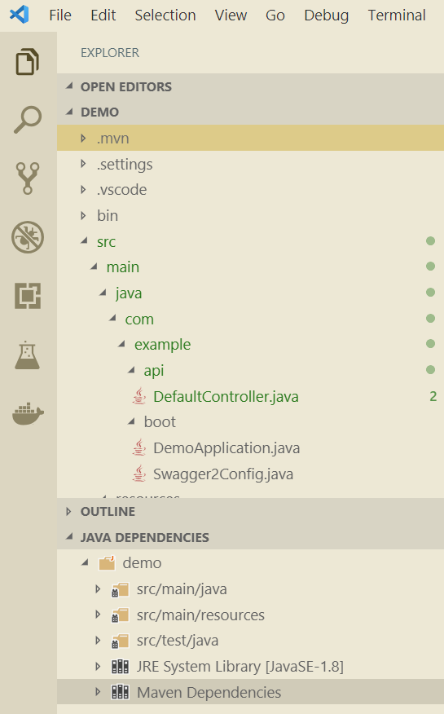
 |  | <?xml version="1.0" encoding="UTF-8"?>
 |  | <project xmlns="http://maven.apache.org/POM/4.0.0" xmlns:xsi="http://www.w3.org/2001/XMLSchema-instance"
 |  | xsi:schemaLocation="http://maven.apache.org/POM/4.0.0 http://maven.apache.org/xsd/maven-4.0.0.xsd">
 |  | <modelVersion>4.0.0</modelVersion>
 |  | <parent>
 |  | <groupId>org.springframework.boot</groupId>
 |  | <artifactId>spring-boot-starter-parent</artifactId>
 |  | <version>2.1.5.RELEASE</version>
 |  | <relativePath/> <!-- lookup parent from repository -->
 |  | </parent>
 |  | <groupId>com.example</groupId>
 |  | <artifactId>demo</artifactId>
 |  | <version>0.0.1-SNAPSHOT</version>
 |  | <name>demo</name>
 |  | <description>Demo project for Spring Boot</description>

 |  | <properties>
 |  | <java.version>1.8</java.version>
 |  | <springfox.version>2.9.2</springfox.version>
 |  | </properties>

 |  | <dependencies>
 |  | <!--spring-boot-->
 |  | <dependency>
 |  | <groupId>org.springframework.boot</groupId>
 |  | <artifactId>spring-boot-starter-web</artifactId>
 |  | </dependency>

 |  | <dependency>
 |  | <groupId>org.springframework.boot</groupId>
 |  | <artifactId>spring-boot-starter-test</artifactId>
 |  | <scope>test</scope>
 |  | </dependency>

 |  | <!-- swagger2 -->
 |  | <dependency>
 |  | <groupId>io.springfox</groupId>
 |  | <artifactId>springfox-swagger2</artifactId>
 |  | <version>${springfox.version}</version>
 |  | </dependency>
 |  | <dependency>
 |  | <groupId>io.springfox</groupId>
 |  | <artifactId>springfox-swagger-ui</artifactId>
 |  | <version>${springfox.version}</version>
 |  | </dependency>
 |  | </dependencies>
 |  | <build>
 |  | <plugins>
 |  | <plugin>
 |  | <groupId>org.springframework.boot</groupId>
 |  | <artifactId>spring-boot-maven-plugin</artifactId>
 |  | </plugin>
 |  | </plugins>
 |  | </build>

 |  | </project>

