05
Nacos配置与发现：
 | spring:
 | cloud:
 | nacos:
 | discovery:
 | server-addr: ${nacos.server.addr}
 | namespace: a1f8e863-3117-48c4-9dd3-e9ddc2af90a8
 | cluster-name: DEFAULT
 | config:
 | server-addr: ${nacos.server.addr} # 配置中心地址
 | file-extension: yaml
 | namespace: a1f8e863-3117-48c4-9dd3-e9ddc2af90a8
 | group: SHANJUPAY_GROUP # 聚合支付业务组
 | ext-config:
 | -
 | refresh: true
 | data-id: jwt.yaml # jwt配置
 | group: COMMON_GROUP # 通用配置组

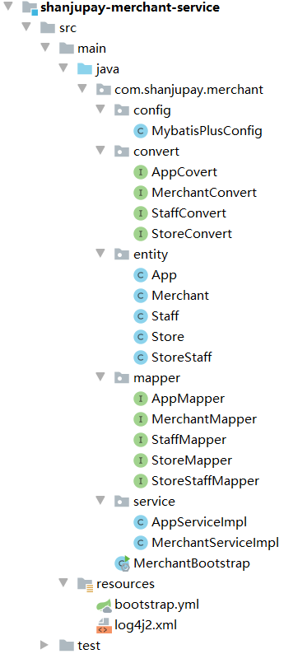
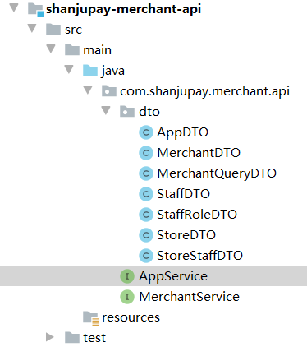
一个项目实例中的配置：
 | 1、业务接口（shanjupay-merchant-api）：
 | 包括DTO对象类、接口定义。
 | 无项目配置文件。

 | 2、业务实现（shanjupay-merchant-service）：
 | 包括Entity对象类、接口实现、Mapper接口、对象转换等。

 | bootstrap.yml
 | server:
 | port: 56040 #启动端口 命令行注入

 | nacos:
 | server:
 | addr: 127.0.0.1:8848

 | spring:
 | application:
 | name: merchant-service
 | main:
 | allow-bean-definition-overriding: true # Spring Boot 2.1 需要设定
 | cloud:
 | nacos:
 | discovery:
 | server-addr: ${nacos.server.addr}
 | namespace: a1f8e863-3117-48c4-9dd3-e9ddc2af90a8
 | cluster-name: DEFAULT
 | config:
 | server-addr: ${nacos.server.addr} # 配置中心地址
 | file-extension: yaml
 | namespace: a1f8e863-3117-48c4-9dd3-e9ddc2af90a8 # 命令行注入
 | group: SHANJUPAY_GROUP # 聚合支付业务组
 | ext-config:
 | -
 | refresh: true
 | data-id: spring-boot-http.yaml # spring boot http配置
 | group: COMMON_GROUP # 通用配置组
 | - refresh: true
 | data-id: spring-boot-starter-druid.yaml # spring boot starter druid配置
 | group: COMMON_GROUP # 通用配置组
 | - refresh: true
 | data-id: spring-boot-mybatis-plus.yaml # spring boot mybatisplus配置
 | group: COMMON_GROUP # 通用配置组

 | dubbo:
 | scan:
 | # dubbo 服务扫描基准包
 | base-packages: com.shanjupay
 | protocol:
 | # dubbo 协议
 | name: dubbo
 | port: 20890
 | registry:
 | address: nacos://127.0.0.1:8848
 | application:
 | qos:
 | port: 22240 # dubbo qos端口配置 命令行注入
 | consumer:
 | check: false
 | timeout: 90000
 | retries: -1

 | logging:
 | config: classpath:log4j2.xml

 | 在Nacos中添加配置:
 | 2.1、新建spring-boot-http.yaml配置，Group为：COMMON_GROUP
 | #HTTP格式配置
 | spring:
 | http:
 | encoding:
 | charset: UTF‐8
 | force: true
 | enabled: true
 | messages:
 | encoding: UTF‐8

 | #tomcat头信息(用户ip和访问协议)及访问路径配置
 | server:
 | tomcat:
 | remote_ip_header: x‐forwarded‐for
 | protocol_header: x‐forwarded‐proto
 | servlet:
 | context‐path: /
 | use‐forward‐headers: true
 | #服务监控与管理配置，运维相关
 | management:
 | endpoints:
 | web:
 | exposure:
 | include: refresh,health,info,env

 | 2.2、新建连接池Druid配置：spring-boot-starter-druid.yaml，Group为：COMMON_GROUP
 | spring:
 | datasource:
 | type: com.alibaba.druid.pool.DruidDataSource
 | driver-class-name: com.mysql.cj.jdbc.Driver
 | url: jdbc:mysql://localhost:3306/oauth?useUnicode=true
 | username: root
 | password: yourpassword
 | druid:
 | initial-size: 5
 | min-idle: 5
 | max-active: 20
 | max-wait: 60000
 | time-between-eviction-runs-millis: 60000
 | min-evictable-idle-time-millis: 300000
 | validation-query: SELECT 1 FROM DUAL
 | test-while-idle: true
 | test-on-borrow: true
 | test-on-return: false
 | pool-prepared-statements: true
 | max-pool-prepared-statement-per-connection-size: 20
 | filter:
 | stat:
 | slow-sql-millis: 1
 | log-slow-sql: true
 | filters: config,stat,wall,log4j2
 | web-stat-filter:
 | enabled: true
 | url-pattern: /*
 | exclusions: "*.js,*.gif,*.jpg,*.png,*.css,*.ico,/druid/*"
 | session-stat-enable: false
 | session-stat-max-count: 1000
 | principal-cookie-name: admin
 | principal-session-name: admin
 | profile-enable: true
 | stat-view-servlet:
 | enabled: true
 | url-pattern: /druid/*
 | allow: 127.0.0.1,192.168.163.1
 | deny: 192.168.1.73
 | reset-enable: false
 | login-password: admin
 | login-username: admin
 | aop-patterns: com.shanjupay.*.service.*
 | 2.3、新建spring-boot-mybatis-plus.yaml，Group为：COMMON_GROUP
 | mybatis-plus:
 | configuration:
 | cache-enabled: false
 | map-underscore-to-camel-case: true
 | global-config:
 | id-type: 0
 | field-strategy: 0
 | db-column-underline: true
 | refresh-mapper: true
 | typeAliasesPackage: com.shanjupay.user.entity
 | mapper-locations: classpath:com/shanjupay/*/mapper/*.xml
 | 2.4、新建商户服务：merchant-service.yaml
 | # 覆盖spring‐boot‐starter‐druid.yaml的项目中的部分配置（数据库名和用户名密码）
 | spring:
 | datasource:
 | druid:
 | url: jdbc:mysql://127.0.0.1:3306/shanjupay_merchant_service?useUnicode=true&characterEncoding=UTF‐8&serverTimezone=Asia/Shanghai&useSSL=false
 | username: root
 | password: yourpassword
 | # 覆盖spring‐boot‐mybatis‐plus.yaml的项目
 | mybatis‐plus:
 | typeAliasesPackage: com.shanjupay.merchant.entity
 | mapper‐locations: classpath:com/shanjupay/*/mapper/*.xml

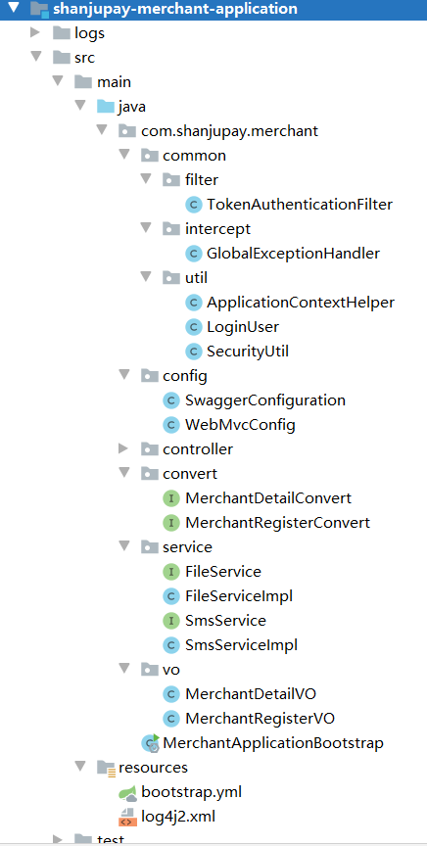
 | 2.5、添加分页和性能分析插件：MybatisPlusConfig
 | import com.baomidou.mybatisplus.extension.plugins.PaginationInterceptor;
 | import com.baomidou.mybatisplus.extension.plugins.PerformanceInterceptor;
 | import org.mybatis.spring.annotation.MapperScan;
 | import org.springframework.context.annotation.Bean;
 | import org.springframework.context.annotation.Configuration;

 | @Configuration
 | @MapperScan("com.shanjupay.**.mapper")
 | public class MybatisPlusConfig {

 | /**
 | * 分页插件，自动识别数据库类型
 | */
 | @Bean
 | public PaginationInterceptor paginationInterceptor() {
 | return new PaginationInterceptor();
 | }

 | /**
 | * 启用性能分析插件
 | */
 | @Bean
 | public PerformanceInterceptor performanceInterceptor(){
 | return new PerformanceInterceptor();
 | }
 | }

 | 3、统一对外开放的Rest接口（shanjupay-merchant-application）：
 | 包括VO对象类、接口及实现、Controller、对象转换等。
 | bootstrap.yml
 | server:
 | port: 57010 #启动端口 命令行注入
 | max-http-header-size: 100KB

 | nacos:
 | server:
 | addr: 127.0.0.1:8848

 | spring:
 | application:
 | name: merchant-application
 | main:
 | allow-bean-definition-overriding: true # Spring Boot 2.1 需要设定
 | cloud:
 | nacos:
 | discovery:
 | server-addr: ${nacos.server.addr}
 | namespace: a1f8e863-3117-48c4-9dd3-e9ddc2af90a8
 | cluster-name: DEFAULT
 | config:
 | server-addr: ${nacos.server.addr} # 配置中心地址
 | file-extension: yaml
 | namespace: a1f8e863-3117-48c4-9dd3-e9ddc2af90a8 # 命令行注入
 | group: SHANJUPAY_GROUP # 聚合支付业务组
 | ext-config:
 | -
 | refresh: true
 | data-id: spring-boot-http.yaml # spring boot http配置
 | group: COMMON_GROUP # 通用配置组
 | #SpringMVC上传文件配置
 | servlet:
 | multipart:
 | #默认支持文件上传.
 | enabled: true
 | #支持文件写入磁盘.
 | file-size-threshold: 0
 | # 上传文件的临时目录
 | location:
 | # 最大支持文件大小
 | max-file-size: 1MB
 | # 最大支持请求大小
 | max-request-size: 30MB

 | dubbo:
 | scan:
 | # dubbo 服务扫描基准包
 | base-packages: com.shanjupay
 | protocol:
 | # dubbo 协议
 | name: dubbo
 | port: 20891
 | registry:
 | address: nacos://127.0.0.1:8848
 | application:
 | qos:
 | port: 22310 # dubbo qos端口配置 命令行注入
 | consumer:
 | check: false
 | timeout: 3000
 | retries: -1

 | logging:
 | config: classpath:log4j2.xml

