Flow
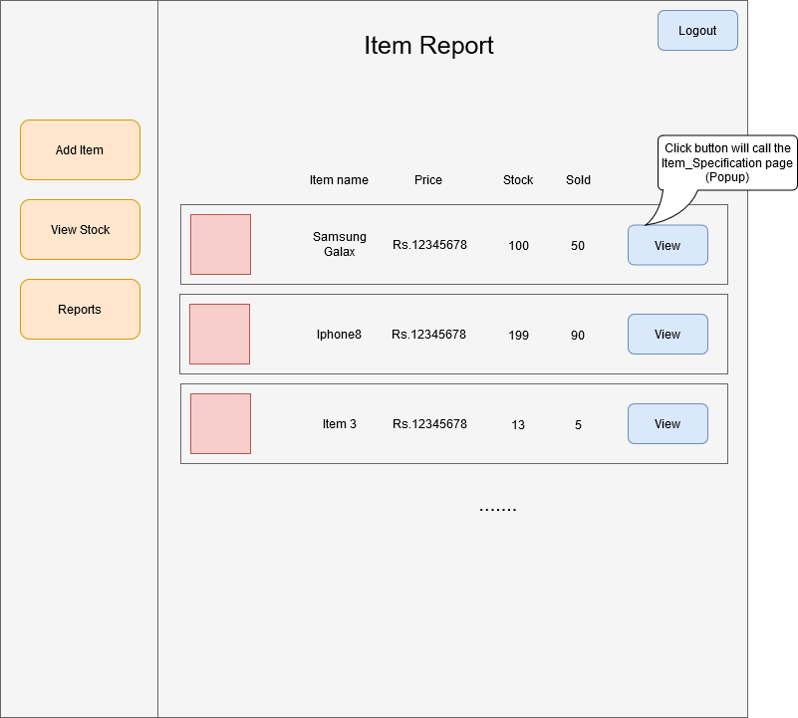
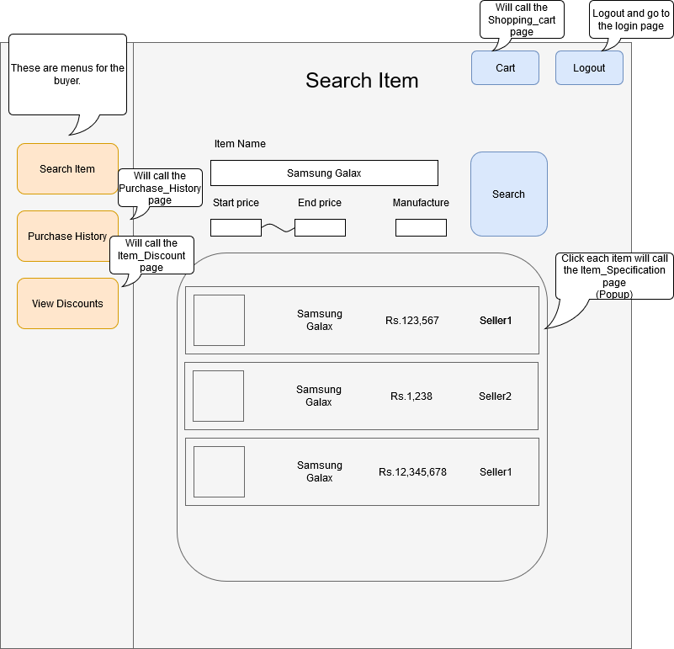
Buyer
Pages

 | Item_Search_page

 | Item_Specification_page

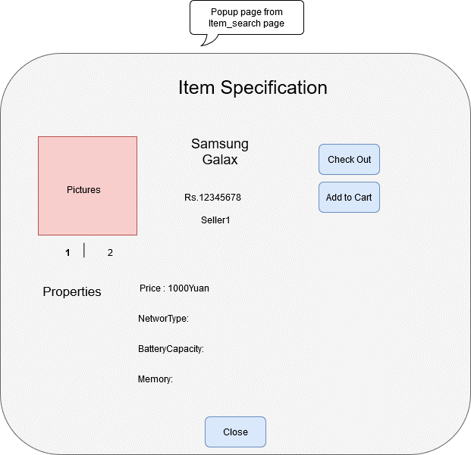

 | Shopping_Cart_page

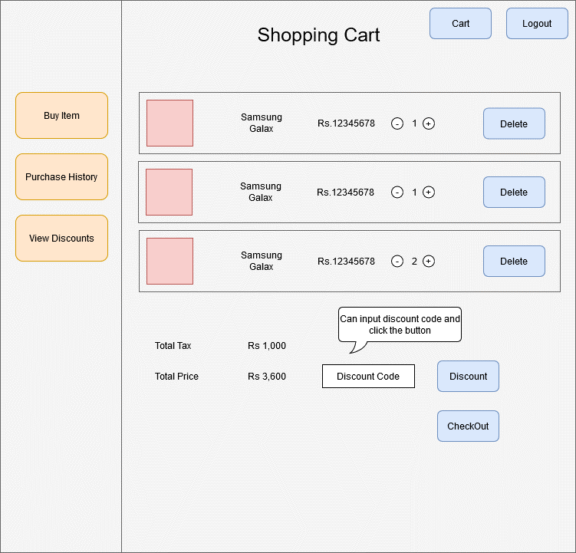

 | Purchase_History_page

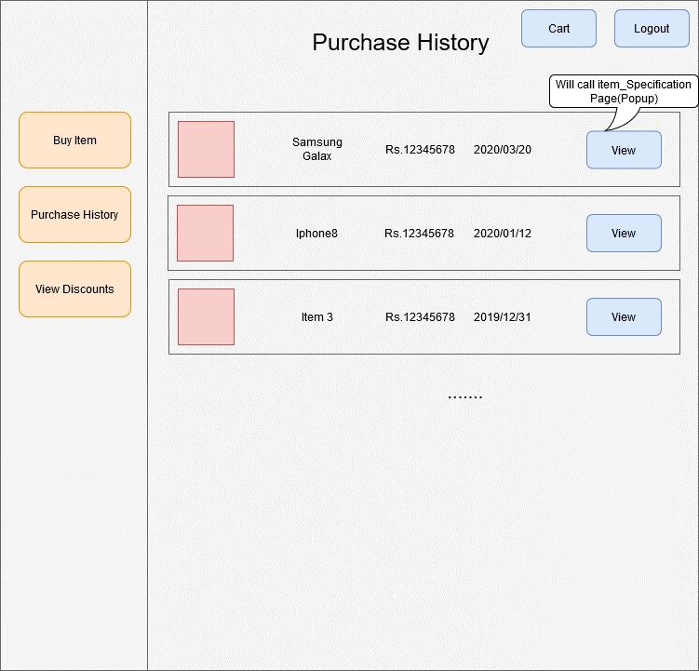

 | Signup_Buyer_page

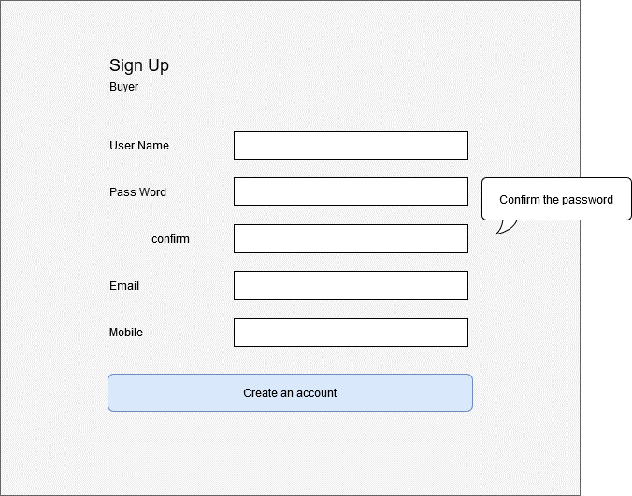

 | Signup_Seller_page

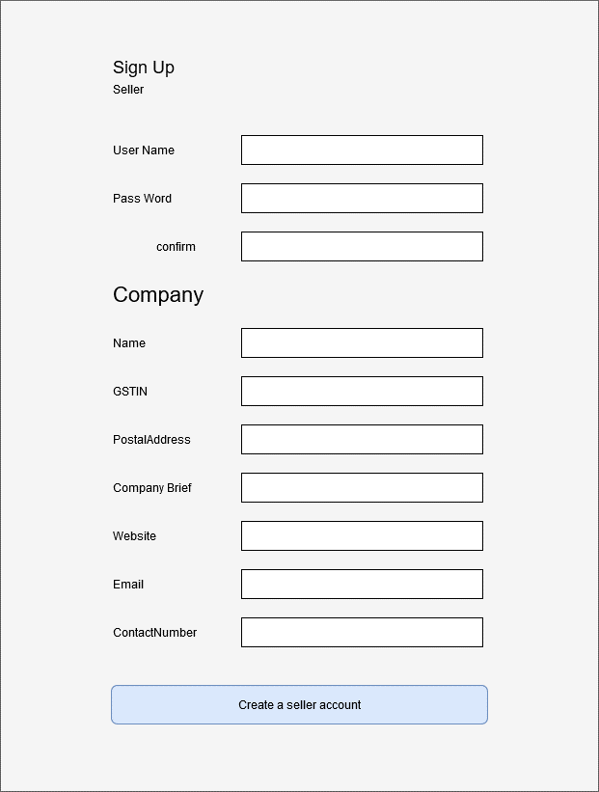

 | Login_page

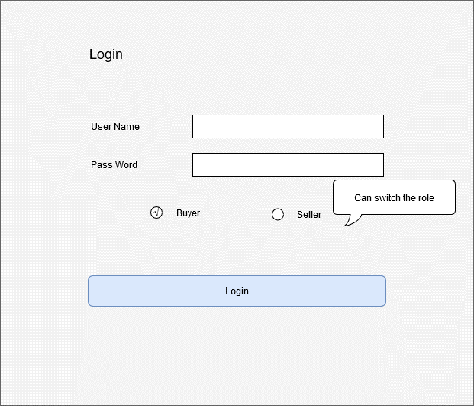

Seller
Pages

 | Item_Add_page
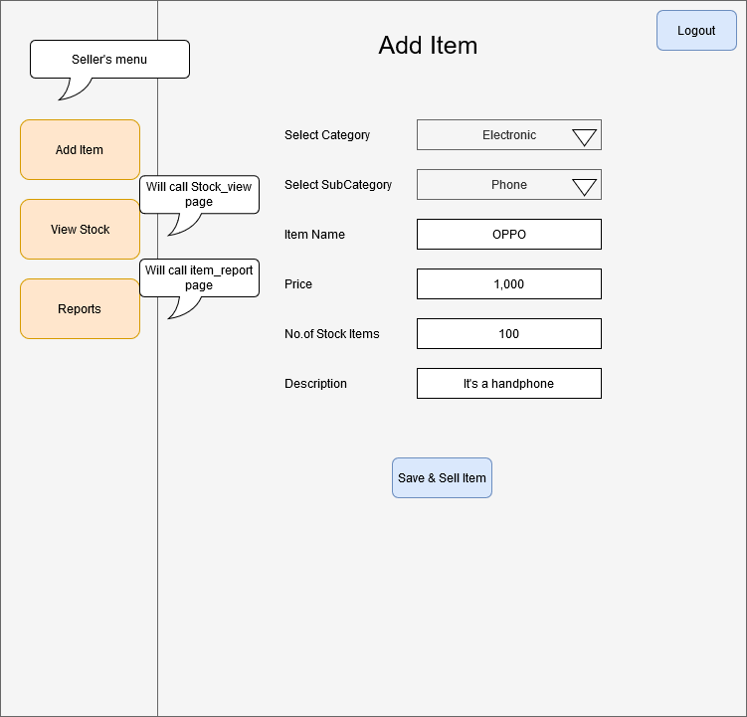

 | Stock_View_page
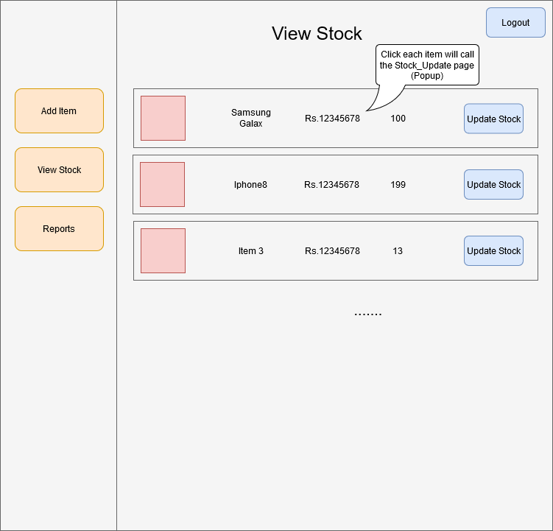

 | Stock_Update_page
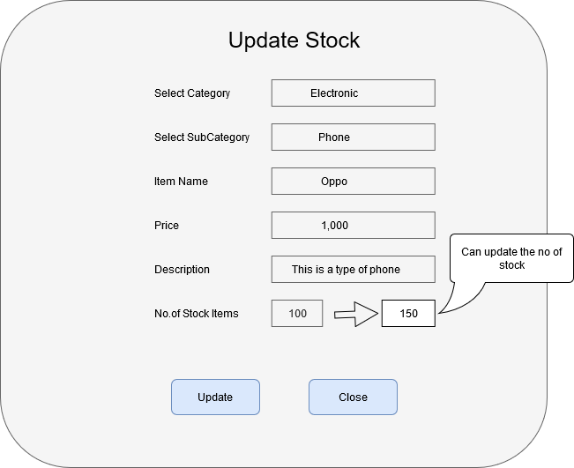

 | Item_Report_page

DB_Design
<buyer>
id
user_name
password
email
mobile_number
create_time
update_time
<seller>
id
user_name
password
company_name
GSTIN
company_brief
postal_address
website
email
contact number
create_time
update_time
<purchasehistory>
id
buyer_id
seller_id
transaction_id
item_id
number_of_items
date_time
remarks
create_time
update_time
PK
PK
PK

<discount>
Id
Discount_code
percentage
start_date
end_date
description

PK

<subcategory>
subcategory_id
subcategory_name
category_id
brief_details
GST
<transaction>
id
user_id
seller_id
transaction_type
date_time
remarks
create_time
update_time
<category>
category_id
category_name
brief_details
PK
PK
PK

<item>
id
category_id
subcategory_id
price
item_name
description
stock_number
remarks
create_time
update_time
PK

