Source
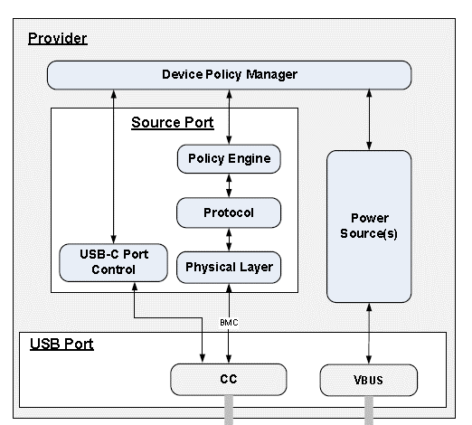
State name | Reference
Source Port
PE_SRC_Startup | Section 8.3.3.2.1
PE_SRC_Discovery | Section 8.3.3.2.2
PE_SRC_Send_Capabilities | Section 8.3.3.2.3
PE_SRC_Negotiate_Capability | Section 8.3.3.2.4
PE_SRC_Transition_Supply | Section 8.3.3.2.5
PE_SRC_Ready | Section 8.3.3.2.6
PE_SRC_Disabled | Section 8.3.3.2.7
PE_SRC_Capability_Response | Section 8.3.3.2.8
PE_SRC_Hard_Reset | Section 8.3.3.2.9
PE_SRC_Hard_Reset_Received | Section 8.3.3.2.10
PE_SRC_Transition_to_default | Section 8.3.3.2.11
PE_SRC_Get_Sink_Cap | Section 8.3.3.2.12
PE_SRC_Wait_New_Capabilities | Section 8.3.3.2.13
Soft Reset and Protocol Error
Source Port Soft Reset
PE_SRC_Send_Soft_Reset | Section 8.3.3.4.1.1
PE_SRC_Soft_Reset | Section 8.3.3.4.1.2
Not Supported Message
Source Port Not Supported
PE_SRC_Send_Not_Supported | Section 8.3.3.5.1.1
PE_SRC_Not_Supported_Received | Section 8.3.3.5.1.2
PE_SRC_Chunk_Received | Section 8.3.3.5.1.3
Source Port Ping
PE_SRC_Ping | Section 8.3.3.6.1
Source Alert
Source Port Source Alert
PE_SRC_Send_Source_Alert | Section 8.3.3.7.1.1
Source Port Sink Alert
PE_SRC_Sink_Alert_Received | Section 8.3.3.7.4.1
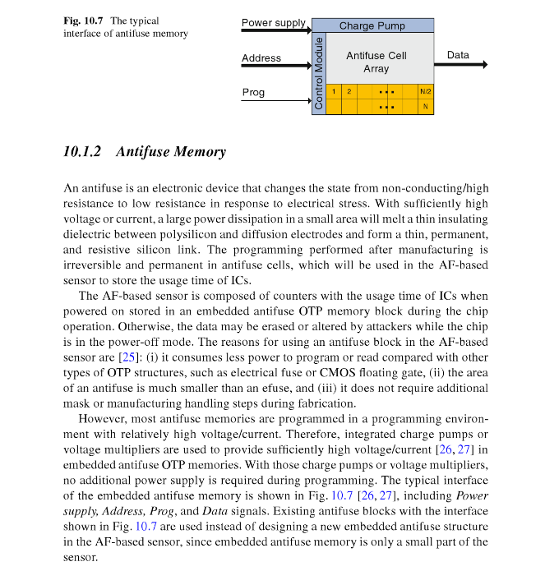
Source Extended Capabilities
Source Port Give Source Capabilities Extended
PE_SRC_Give_Source_Cap_Ext | Section 8.3.3.8.2.1
Source Status
Source Port Give Source Status
PE_SRC_Give_Source_Status | Section 8.3.3.9.2.1
Source Port Get Sink Status
PE_SRC_Get_Sink_Status | Section 8.3.3.9.3.1
Source Port Give PPS Status
PE_SRC_Give_PPS_Status | Section 8.3.3.9.6.1
Manufacturer Information
Get Manufacturer Information
PE_Get_Manufacturer_Info | Section 8.3.3.12.1
Give Manufacturer Information
PE_Give_Manufacturer_Info | Section 8.3.3.12.2
Country Codes and Information
Get Country Codes
PE_Get_Country_Codes | Section 8.3.3.13.1.1
Give Country Codes
PE_Give_Country_Codes | Section 8.3.3.13.2.1
Get Country Information
PE_Get_Country_Info | Section 8.3.3.13.3.1
Give Country Information
PE_Give_Country_Info | Section 8.3.3.13.4.1
Security Request/Response
Send Security Request
PE_Send_Security_Request | Section 8.3.3.14.1
Send Security Response
PE_Send_Security_Response | Section 8.3.3.14.2
Security Response Received
PE_Security_Response_Received | Section 8.3.3.14.3
Firmware Update Request/Response
Send Firmware Update Request
PE_Send_Firmware_Update_Request | Section 8.3.3.15.1.1
Send Firmware Update Response
PE_Send_Firmware_Update_Response | Section 8.3.3.15.2.1
Firmware Update Response Received
PE_Firmware_Update_Response_Received | Section 8.3.3.15.3.1
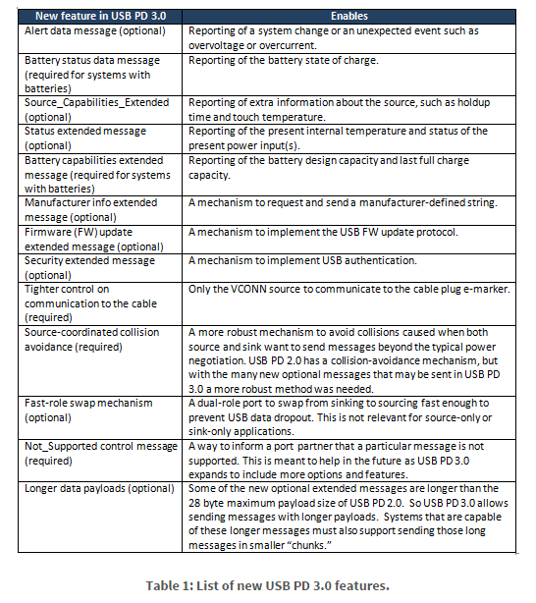
DFP Soft Reset or Cable Reset
PE_DFP_CBL_Send_Soft_Reset | Section 8.3.3.22.2.3.1
PE_DFP_CBL_Send_Cable_Reset | Section 8.3.3.22.2.3.2
Source Startup Structured VDM Discover Identity
PE_SRC_VDM_Identity_Request | Section 8.3.3.22.3.1
PE_SRC_VDM_Identity_ACKed | Section 8.3.3.22.3.2
PE_SRC_VDM_Identity_NAKed | Section 8.3.3.22.3.3

Sheet1
PE_SRC_Startup

PE_SRC_VDM_Identity_Request

PE_SRC_VDM_Identity_NACKed

PE_SRC_Discovery
PE_SRC_Send_Capabilities
PE_SRC_VDM_Identity_ACKed

PE_SRC_Negotiate_Capability
PE_SRC_Capability_Response

PE_SRC_Disabled

PE_SRC_Transition_Supply

PE_SRC_Sink_Alert_Received

PE_VCS_Evaluate_Swap

PE_SRC_Send_Source_Alert

PE_VCS_Accept_Swap

PE_SRC_Give_Source_Status

PE_BIST_Carrier_Mode
PE_SRC_Ready

PE_SRC_Get_Sink_Status
PE_VCS_Wait_for_VCONN
PE_VCS_Turn_On_VCONN
PE_VCS_Reject_VCONN_Swap

PE_SRC_Give_PPS_Status

PE_VCS_Turn_Off_VCONN
PE_SRC_Give_SOurce_Cap_Ext

PE_VCS_Send_PS_Rdy

PE_SRC_Transition_to_default
PE_SRC_Hard_Reset_Received
PE_SRC_Startup

PE_SRC_Hard_Reset

PE_SRC_Send_Soft_Reset
PE_SRC_Soft_Reset
PE_SRC_Send_Capabilities

