Sample_AUC_color_y123
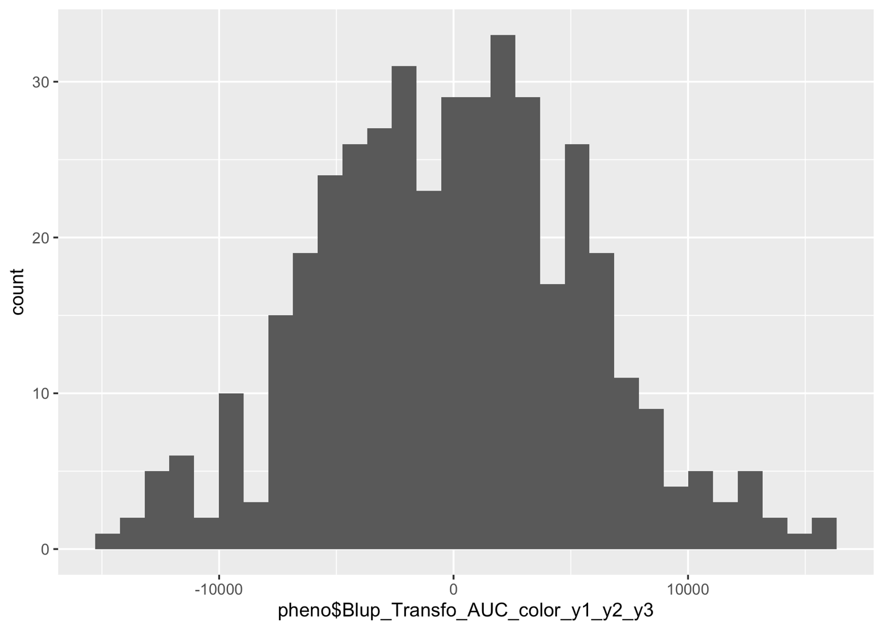
Bulk1 | Bulk2
GWR_100_110 | GWR_100_428
GWR_100_444 | XXX_100_91
GWR_100_39 | GWR_100_497
XXX_100_160 | GWR_100_107
XXX_100_2 | GWR_100_193
XXX_100_66 | GWR_100_14
GWR_100_71 | XXX_100_116
GWR_100_326 | GWR_100_329
XXX_100_179 | GWR_100_76
GWR_100_356 | GWR_100_287
GWR_100_335 | XXX_100_61
XXX_100_68 | GWR_100_95
GWR_100_488 | GWR_100_92
XXX_100_241 | GWR_100_389
GWR_100_150 | GWR_100_195
XXX_100_186 | GWR_100_65
XXX_100_67 | GWR_100_237
GWR_100_236 | GWR_100_443
XXX_100_58 | GWR_100_350
GWR_100_333 | GWR_100_172
GWR_100_459 | XXX_100_89
XXX_100_119 | XXX_100_37
GWR_100_466 | GWR_100_308
XXX_100_232 | XXX_100_70
XXX_100_233 | GWR_100_81
GWR_100_461 | GWR_100_339
XXX_100_112 | GWR_100_465
XXX_100_117 | XXX_100_72
XXX_100_127 | GWR_100_355
XXX_100_59 | GWR_100_69
XXX_100_60 | GWR_100_476
XXX_100_62 | XXX_100_32
XXX_100_165 | GWR_100_283
GWR_100_478 | GWR_100_130
GWR_100_415 | GWR_100_313
GWR_100_276 | GWR_100_42
GWR_100_401 | XXX_100_108
GWR_100_392 | GWR_100_113
GWR_100_30 | GWR_100_470
XXX_100_105 | GWR_100_70

Sample_indent_width_mean_y2
Bulk1 | Bulk2
GWR_100_119 | GWR_100_431
GWR_100_324 | GWR_100_122
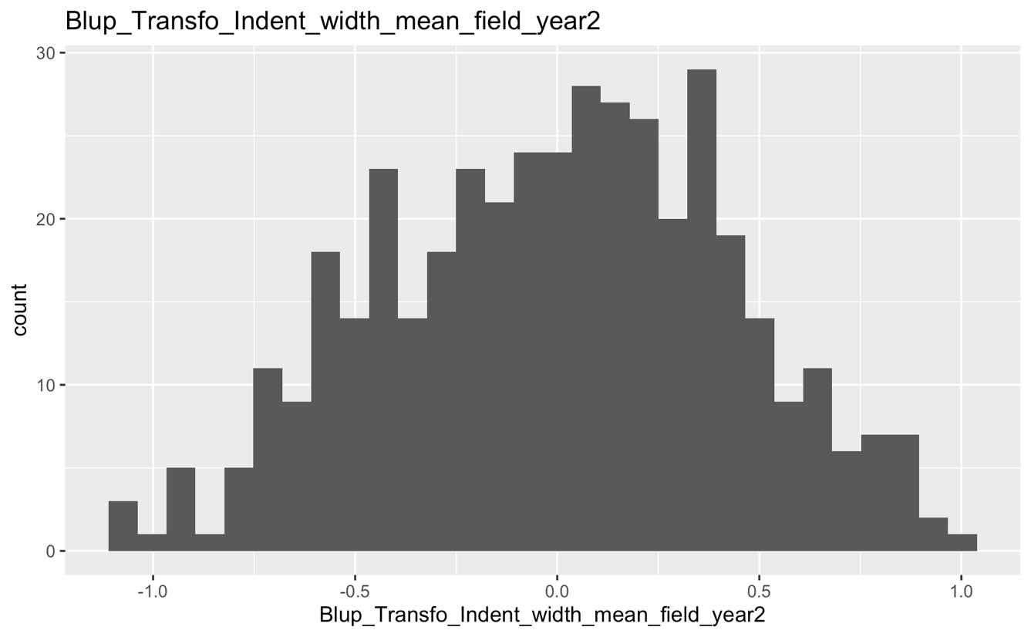
XXX_100_64 | GWR_100_227
GWR_100_241 | XXX_100_167
GWR_100_336 | GWR_100_147
GWR_100_180 | GWR_100_360
XXX_100_37 | XXX_100_51
GWR_100_276 | XXX_100_54
XXX_100_128 | GWR_100_200
XXX_100_30 | XXX_100_163
GWR_100_39 | XXX_100_139
GWR_100_156 | GWR_100_212
GWR_100_185 | XXX_100_13
GWR_100_273 | GWR_100_352
GWR_100_24 | GWR_100_3
GWR_100_133 | GWR_100_483
XXX_100_110 | XXX_100_233
GWR_100_222 | GWR_100_2
GWR_100_28 | GWR_100_450
GWR_100_194 | XXX_100_68
GWR_100_285 | GWR_100_110
GWR_100_437 | GWR_100_497
GWR_100_46 | XXX_100_117
GWR_100_315 | XXX_100_67
GWR_100_377 | XXX_100_118
GWR_100_438 | GWR_100_370
GWR_100_53 | GWR_100_89
GWR_100_447 | GWR_100_461
XXX_100_11 | XXX_100_59
GWR_100_334 | GWR_100_248
GWR_100_195 | XXX_100_124
GWR_100_426 | GWR_100_301
GWR_100_40 | XXX_100_66
XXX_100_50 | GWR_100_415
GWR_100_444 | GWR_100_125
GWR_100_107 | GWR_100_14
GWR_100_304 | XXX_100_61
GWR_100_296 | XXX_100_60
IFG_100_462 | XXX_100_161
XXX_100_234 | GWR_100_19

Sample_indent_depth_mean_y2
Bulk1 | Bulk2
GWR_100_246 | GWR_100_431
GWR_100_24 | XXX_100_167
XXX_100_11 | XXX_100_54
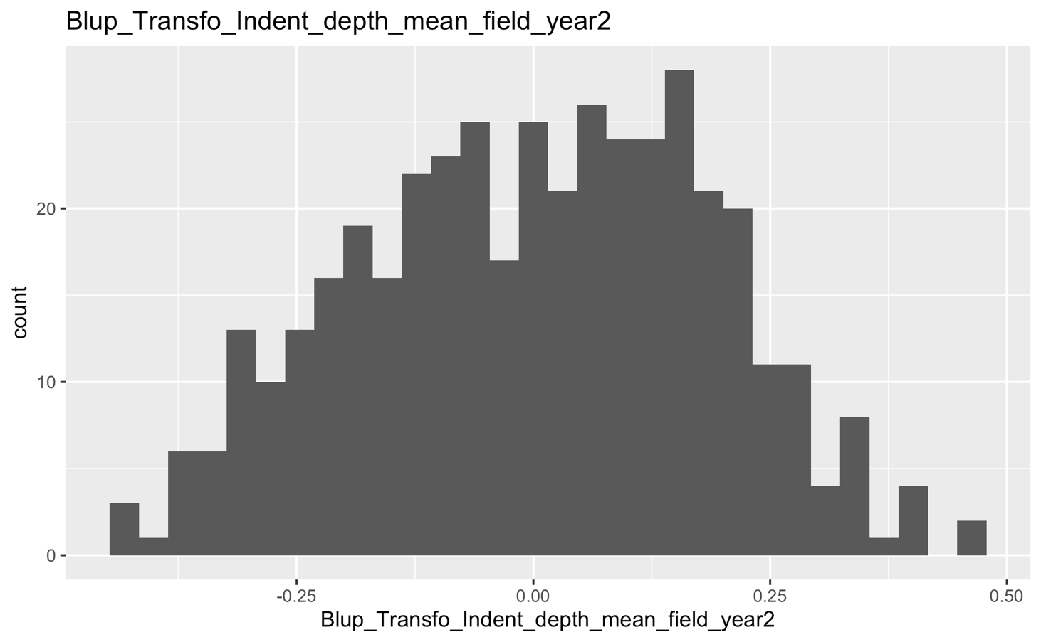
XXX_100_33 | XXX_100_175
GWR_100_133 | GWR_100_227
GWR_100_119 | GWR_100_122
IFG_100_462 | GWR_100_415
GWR_100_324 | GWR_100_442
GWR_100_214 | GWR_100_212
XXX_100_31 | GWR_100_147
XXX_100_5 | XXX_100_67
GWR_100_180 | XXX_100_233
XXX_100_64 | GWR_100_476
GWR_100_13 | GWR_100_400
GWR_100_1 | GWR_100_11
GWR_100_48 | XXX_100_61
GWR_100_271 | XXX_100_29
GWR_100_413 | XXX_100_163
GWR_100_187 | XXX_100_51
XXX_100_2 | GWR_100_129
XXX_100_37 | XXX_100_57
GWR_100_65 | GWR_100_252
GWR_100_95 | GWR_100_134
GWR_100_74 | GWR_100_110
GWR_100_84 | GWR_100_162
XXX_100_101 | GWR_100_151
XXX_100_128 | XXX_100_105
GWR_100_70 | XXX_100_93
GWR_100_158 | XXX_100_118
GWR_100_179 | XXX_100_13
GWR_100_215 | XXX_100_249
GWR_100_319 | GWR_100_19
XXX_100_108 | GWR_100_200
GWR_100_50 | GWR_100_360
GWR_100_46 | GWR_100_152
GWR_100_53 | GWR_100_89
GWR_100_438 | GWR_100_352
GWR_100_102 | GWR_100_58
GWR_100_277 | XXX_100_133
GWR_100_156 | XXX_100_130

Sample_mvd
Bulk1 | Bulk2
GWR_100_328 | GWR_100_108
GWR_100_117 | GWR_100_292
GWR_100_157 | XXX_100_110
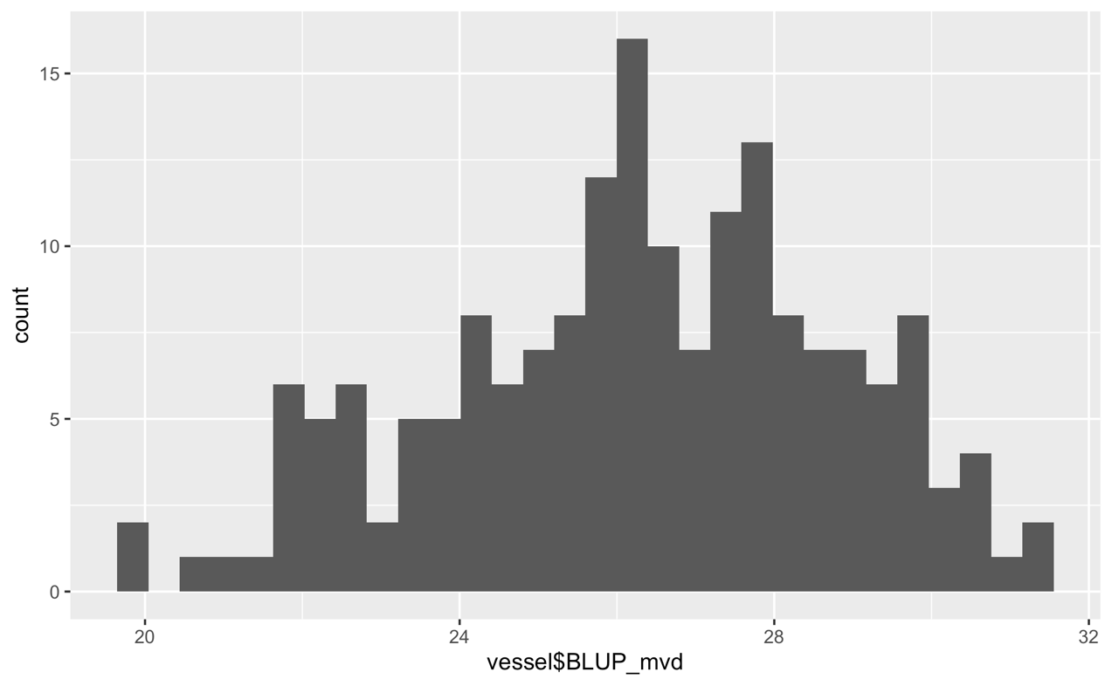
GWR_100_179 | GWR_100_212
GWR_100_99 | GWR_100_444
GWR_100_195 | XXX_100_56
GWR_100_151 | GWR_100_96
GWR_100_116 | GWR_100_447
GWR_100_159 | XXX_100_71
GWR_100_13 | GWR_100_349
XXX_100_64 | GWR_100_121
GWR_100_327 | GWR_100_132
GWR_100_260 | GWR_100_345
XXX_100_35 | GWR_100_240
GWR_100_149 | GWR_100_315
GWR_100_170 | XXX_100_66
XXX_100_89 | GWR_100_467
GWR_100_254 | GWR_100_273
GWR_100_276 | GWR_100_428
XXX_100_232 | XXX_100_165
IFG_100_462 | GWR_100_338
GWR_100_426 | XXX_100_61
GWR_100_193 | GWR_100_154
GWR_100_156 | GWR_100_350
GWR_100_433 | GWR_100_86
XXX_100_247 | GWR_100_107
GWR_100_53 | GWR_100_473
GWR_100_119 | GWR_100_335
GWR_100_95 | GWR_100_385
XXX_100_74 | GWR_100_123
GWR_100_332 | GWR_100_167
GWR_100_52 | XXX_100_158
GWR_100_111 | GWR_100_30
GWR_100_133 | XXX_100_170
GWR_100_255 | GWR_100_304
GWR_100_62 | GWR_100_414
GWR_100_271 | GWR_100_372
GWR_100_183 | GWR_100_263
GWR_100_198 | GWR_100_244
GWR_100_308 | GWR_100_401

