Sheet1 (2)
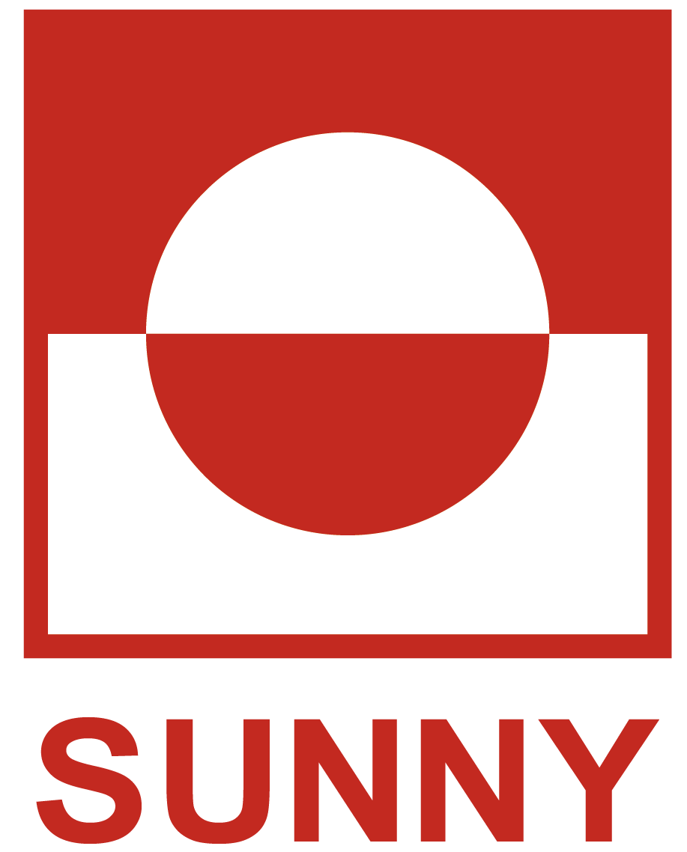 ELEVATOR SOLUTION
Address: 5th Floor, Building 26, No. 1555 West Jinshajiang Road, Jiading District, Shanghai,China Email: sunny@esunny-sh.com Tel: +86-13661864321 Contact Person : WEICHEN Website:http://www.crystal-elevator.com/
Project name: |  |  |  | Date: | 2023-05-15
General information
1.Elevator type: |  | Passenger LIFT
2.Model: |  | SN-PE-450
3.Quantity: |  | 1 Unit
QUOTATION
Description of goods: |  | SN-PE-450
Unit Price(FOB): |  | US$0.00
Freight by Sea(LCL): |  | US$0.00
Freight by Sea(one 20GP container): |  | US$0.00
Total Price: |  | US$0.00
NOTE1: |  | Exchange rate: USD100=RMB685, price will be re-confirmed once exchange rate change exceed 5%
Payment terms: |  | 30% T.T in advance, 70% before shipment
Delivery time: |  | 25-30 days after confirming all specification and receiving deposit.
Valid period of this offer: |  | 20 days
Guarantee period: |  | 18 months since the elevator starting running after installation, but totally less than 20months after delivery.
Partt A: Main Parameter
Project Name: |  | SN-PE-800
Unit Price（FOB): |  | $8,350.00
Elevator Type: |  | Passenger Lift
Machine Room: |  | Machine Room
Quantity: |  | 1.5m/s
Load Capacity (kgs): |  | 8000kg
Machine type: |  | 法西
Speed ( m/s): |  | 1m/s
Landing / Station / Door: |  | 5/5/5
control system: |  | 莫耐克-附上协议
Door Operator / Landing Door Type: |  | 宁波申领
Door Opening Way: |  | 中分
Partt B: Mechanical Technical Details
B-2: Cabin:
 |  |  |  |  | Reference Picture
Decoration Type: |  | 普通款式1
Cabin Wall:
-Front Wall |  | 201发纹
-Left Side Wall |  | 201发纹
-Right Side Wall |  | 201发纹
-Back Wall |  | 201发纹

Ceiling：
Floors：
B-3:Landing Door
Landing Door Panel Material:
-Ground Floor |  | 201发纹
-Other Floor |  | 201发纹
Jamb:
-Ground Floor |  | 201发纹
-Other Floor |  | 201发纹
轿顶自定义需求
门厅自定义需求
Partt C: Mechanical Technical Details
C-1:Control System
COP: |  |  |  |  | Reference Picture
-COP Type |  | COP款式1
-Display Board |  | 6.4寸蓝底白字
-Display Content |  | F,1-3
LOP:
-LOP Type |  | LOP款式1
-Display Board |  | LCD 4.3inch
-Display Content |  | F,1-3
召唤盒 |  | 挂壁式
Nameplate Content:
装潢补充需求
IⅤ.Optional & auxiliary equipments
轿厢监控CCTV |  | ✅
IC卡 |  | ✅
 | 停电应急装置ARD |  | ✅
 | 备注 |  |  | 123
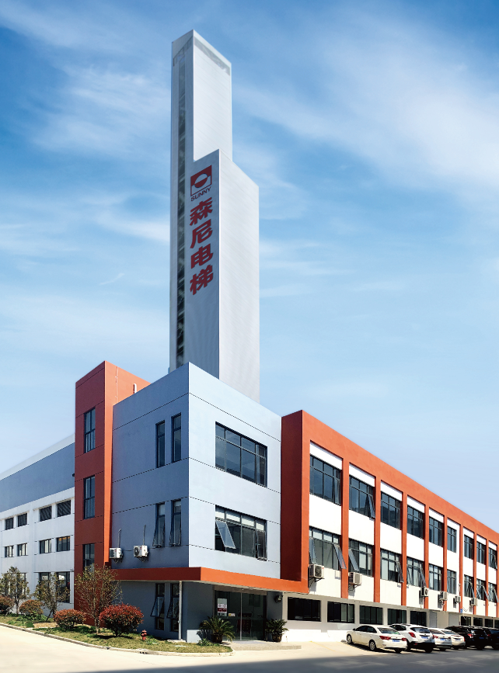 |  |  | 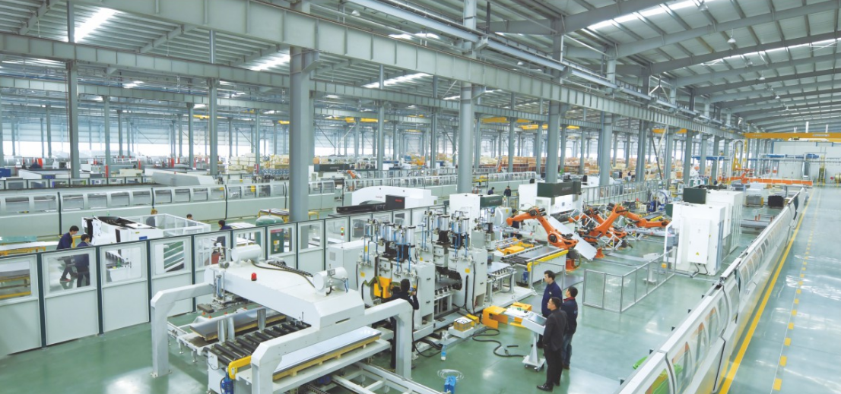
 |  |  | 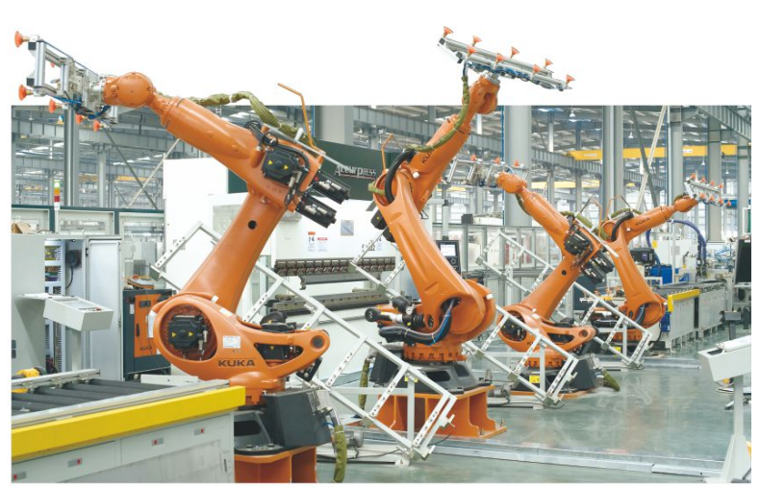
SUNNY Elevator is always engaged in researching into, developing, manufacturing various building traffic and transport systems such as elevator, escalator, moving walk etc. Through the centurial trials and hardships, SUNNY Elevator never changes its advanced technology. SUNNY Elevators safely operate in all kinds of high grade buildings in over 100 countries and regions. As time flies, it continues the rigorous and conscientious spirits of the German nation. SUNNY Elevator popular-fixes the most superb elevators and escalators all aver the world and opens the gate of the artistic elevator palace. As a distinguished figure in the contemporary elevator industry, SUNNY Elevator witnesses the past and strides forwards a bright future. It connects classical German art with the advanced modern technology. It links the western european buildings with the eastern chinese style buildings. From now on, space talks to light, aesthetics combines with high tech. Grace integrates with comfortable operation. It wholeheartedly creates a smooth urban sight line. It starts a big vision of SUNNY brand. As a professional “one-stop” elevator and escalator solution plan supplier, Shanghai SUNNY elevator Co.,Ltd. intergrates the elevator research, development, design, manufacture, sales, installation, repair, maintenance, transformation into one.
SUNNY Elevator is located in the most economically prosperous Changjiang River Delta Economic Zone(Jiading District, Shanghai, China). It owns 20,000 square meters of modern factory zones in Jiangqiao Industrial Zone, Jiading District, Shanghai, China. Total investment is 50 million RMB. It builds up 80m high elevator test tower, 7 elevator test wells. It can annually produce 5,000 sets of various elevators and escalators. SUNNY Elevator inherits the outstanding German manufacture technology. It introuces the advanced internation manufacture installations, combines with pioneer German elevator design concept. The first-class R&D, design, production, site service groups bring about the secure, reliable, outstanding elevators and escalators for vast clients. SUNNY Elevators accord with GB7588-2003 and European En81 standards. It passes ISO9001 Internation Quality System Certification. In normal production process, the strict and comprehensive product inspection and testing system ensures the superior elevators and escalators with excellent operation. SUNNY Elevator provides modern cities with the international product standards and operation experiences by the superior services. With the vigorous support of advanced management and invovative technology, it integrates with the advantageous resources to enhance its strength. It leads the elevator industry. It offers you the extraordinary German experience. This is also the unchanged pursuit of SUNNY Elevator.

