plot
Agam | Aaeg | Cqui | Dmel | Other | Aalb | Cpip | Aquadriannulatus | Aste | Cnig | Aqua | Aara | Ctar
14556 | 3035 | 3232 | 9038 | 735 | 299 | 296 | 25 | 36 | 32 | 1 | 6 | 40

Number of datapoints per species

Number of datapoints per datatype
OR | SSR | Behavior | EAG
19413 | 8417 | 1707 | 750

Agam | Aaeg | Cqui | Dmel | Other | Cpip | Aquadriannulatus | Aste | Cnig | Aqua | Aara | Ctar | Aalb
33 | 58 | 21 | 52 | 24 | 3 | 1 | 7 | 1 | 1 | 1 | 1 | 9
Number of research articles per species

Basiconic | Capitate peg | Grooved peg | Trichoid | S1 | NA
271 | 315 | 928 | 6155 | 40 | 708
Number of datapoints per sensillum type

Isolated antenna | Isolated head | Intact animal | NA
3 | 14 | 6 | 1
Number of research articles per EAG preparation type

1975 | 1976 | 1977 | 1978 | 1979 | 1980 | 1981 | 1982 | 1983 | 1984 | 1985 | 1986 | 1987 | 1988 | 1989 | 1990 | 1991 | 1992 | 1993 | 1994 | 1995 | 1996 | 1997 | 1998 | 1999 | 2000 | 2001 | 2002 | 2003 | 2004 | 2005 | 2006 | 2007 | 2008 | 2009 | 2010 | 2011 | 2012 | 2013 | 2014 | 2015 | 2016 | 2017 | 2018 | 2019 | 2020
0 | 1 | 0 | 1 | 1 | 1 | 0 | 0 | 0 | 1 | 0 | 0 | 0 | 0 | 1 | 3 | 3 | 2 | 0 | 2 | 2 | 2 | 2 | 0 | 8 | 6 | 10 | 2 | 5 | 3 | 8 | 9 | 7 | 5 | 8 | 13 | 9 | 6 | 14 | 8 | 8 | 5 | 5 | 7 | 2 | 0

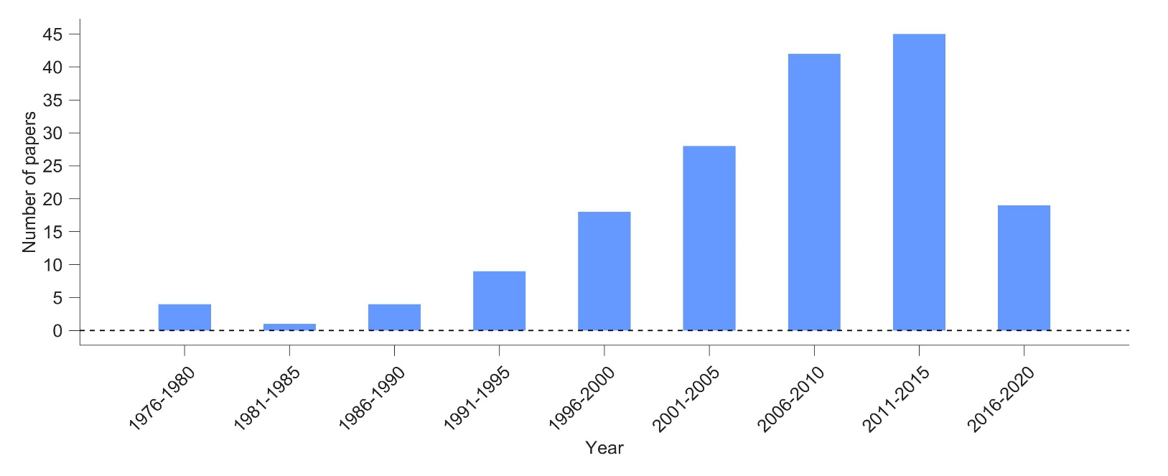
1976-1980 | 4
1981-1985 | 1
1986-1990 | 4
1991-1995 | 9
1996-2000 | 18
2001-2005 | 28
2006-2010 | 42
2011-2015 | 45
2016-2020 | 19

Mosquitoes |  |  |  |  |  | Drosophila
Dual-port | Landing | Larval | Wind-tunnel | Y-tube |  | Dual-port | T-maze | Y-maze
18 | 19 | 1 | 5 | 21 |  | 8 | 18 | 8

Number of research articles per behavioral assay type (Mosquitoes)
Number of research articles per behavioral assay type (Drosophila)

Number of research articles with age

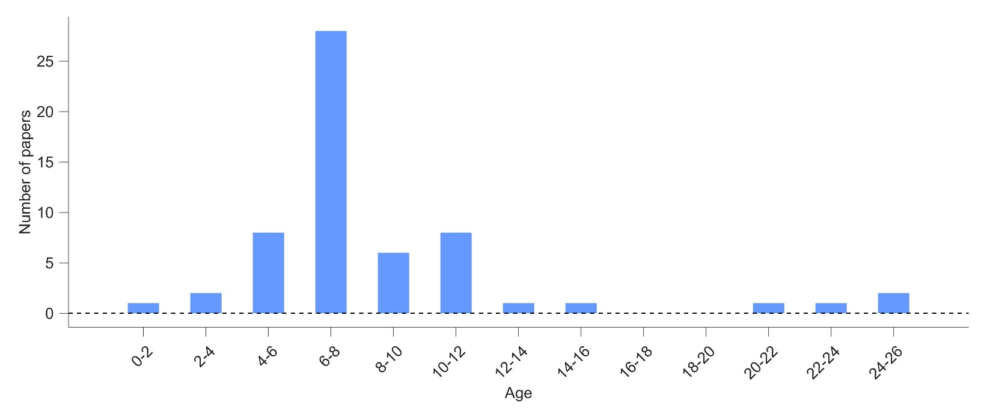
behavioral
age | num_studies
0.75 | 1 |  | 0-2 | 1
2.5 | 1 |  | 2-4 | 2
3 | 1 |  | 4-6 | 8
4 | 1 |  | 6-8 | 28
4.5 | 5 |  | 8-10 | 6
5 | 1 |  | 10-12 | 8
5.5 | 1 |  | 12-14 | 1
6 | 14 |  | 14-16 | 1
6.5 | 6 |  | 16-18 | 0
7 | 7 |  | 18-20 | 0
7.5 | 1 |  | 20-22 | 1
8.5 | 4 |  | 22-24 | 1
9 | 2 |  | 24-26 | 2
10 | 3
10.5 | 2
11 | 2
11.5 | 1
13 | 1
15 | 1
20 | 1
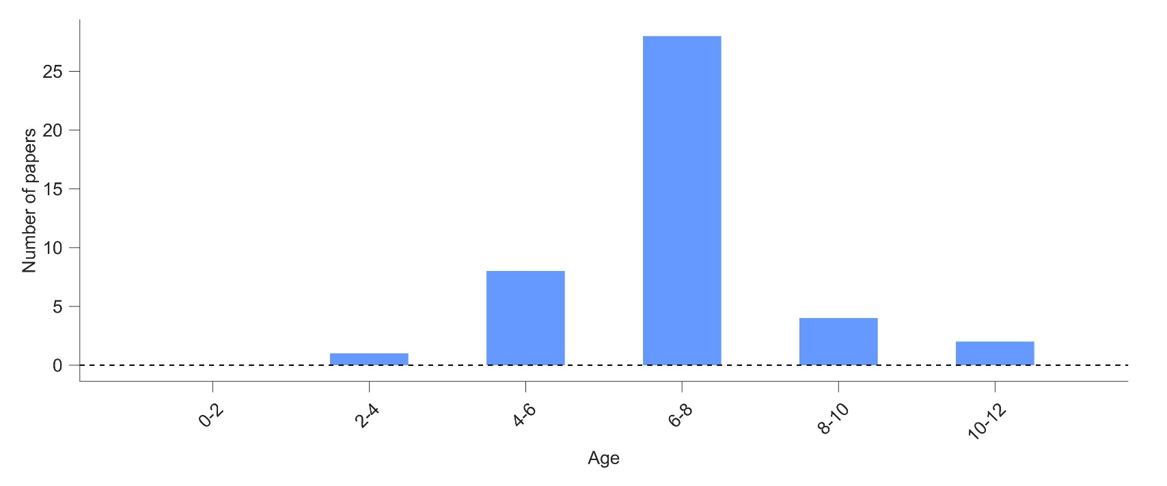
23 | 1
25 | 2

electrophysiology
age | num_studies
1 | 0 |  | 0-2 | 0
3 | 1 |  | 2-4 | 1
3.5 | 0 |  | 4-6 | 8
4 | 1 |  | 6-8 | 28
4.5 | 5 |  | 8-10 | 4
5 | 1 |  | 10-12 | 2
5.5 | 1
6 | 14
6.5 | 6
7 | 7
7.5 | 1
8 | 0
8.5 | 4
9.5 | 0
11 | 2

behavioral + electrophysiology
 |  |  | age | behavioral | electrophysiology
 |  |  | 0-2 | 1 | 0
 |  |  | 2-4 | 2 | 1
 |  |  | 4-6 | 8 | 8
 |  |  | 6-8 | 28 | 28
 |  |  | 8-10 | 6 | 4
 |  |  | 10-12 | 8 | 2
 |  |  | 12-14 | 1 | 0
 |  |  | 14-16 | 1 | 0
 |  |  | 16-18 | 0 | 0
 |  |  | 18-20 | 0 | 0
 |  |  | 20-22 | 1 | 0
 |  |  | 22-24 | 1 | 0
 |  |  | 24-26 | 2 | 0

