CLEANED REPORT
ORDERNUMBER | QUANTITYORDERED | UNIT PRICE | SALES | ORDERDATE | PRODUCTLINE | CITY | DEALSIZE
10420 | 15 | ₹ 43.49 | ₹ 652.35 | 2005-05-29 | Vintage Cars | Chatswood | Small
10169 | 26 | ₹ 39.83 | ₹ 1,035.58 | 2003-11-04 | Motorcycles | North Sydney | Small
10361 | 24 | ₹ 45.39 | ₹ 1,089.36 | 2004-12-17 | Vintage Cars | Chatswood | Small
NOTE THAT SOME COLUMNS HAVE BEEN REMOVED FROM THIS FOR MORE CLARITY.
10420 | 45 | ₹ 26.88 | ₹ 1,209.60 | 2005-05-29 | Vintage Cars | Chatswood | Small
10361 | 20 | ₹ 60.54 | ₹ 1,210.80 | 2004-12-17 | Planes | Chatswood | Small
10347 | 21 | ₹ 58.95 | ₹ 1,237.95 | 2004-11-29 | Vintage Cars | North Sydney | Small
10223 | 20 | ₹ 66.04 | ₹ 1,320.80 | 2004-02-20 | Vintage Cars | Melbourne | Small
10361 | 26 | ₹ 51.15 | ₹ 1,329.90 | 2004-12-17 | Classic Cars | Chatswood | Medium
10270 | 21 | ₹ 63.35 | ₹ 1,330.35 | 2004-07-19 | Trucks and Buses | Chatswood | Small
10139 | 20 | ₹ 71.20 | ₹ 1,424.00 | 2003-07-16 | Vintage Cars | Melbourne | Small | Sales Calculation Summary
10391 | 32 | ₹ 45.25 | ₹ 1,448.00 | 2005-03-09 | Vintage Cars | Melbourne | Medium | SALES | AMOUNT | QUANTITY ORDERED
10342 | 26 | ₹ 55.95 | ₹ 1,454.70 | 2004-11-24 | Classic Cars | North Sydney | Small | CLASSIC CARS SALES | ₹ 167,950.15 | 1504
10148 | 25 | ₹ 60.26 | ₹ 1,506.50 | 2003-09-11 | Classic Cars | Melbourne | Medium | VINTAGE CAR SALES | ₹ 123,985.17 | 1426
10370 | 27 | ₹ 56.85 | ₹ 1,534.95 | 2005-01-20 | Trucks and Buses | North Sydney | Medium | TRUCKS AND BUSES SALES | ₹ 64,049.28 | 592
10148 | 21 | ₹ 73.60 | ₹ 1,545.60 | 2003-09-11 | Trucks and Buses | North Sydney | Small | MOTOCYCLE SALES | ₹ 75,760.73 | 736
10361 | 25 | ₹ 62.46 | ₹ 1,561.50 | 2004-12-17 | Planes | Chatswood | Small | PLANE SALES | ₹ 63,983.59 | 684
10342 | 39 | ₹ 40.40 | ₹ 1,575.60 | 2004-11-24 | Classic Cars | North Sydney | Small | SHIP SALES | ₹ 1,707.14 | 34
10370 | 29 | ₹ 57.53 | ₹ 1,668.37 | 2005-01-20 | Planes | Chatswood | Small | TOTAL SALES | ₹ 505,111.52 | 4976
10342 | 25 | ₹ 66.74 | ₹ 1,668.50 | 2004-11-24 | Classic Cars | North Sydney | Small
10391 | 44 | ₹ 38.50 | ₹ 1,694.00 | 2005-03-09 | Vintage Cars | North Sydney | Medium
10223 | 28 | ₹ 60.57 | ₹ 1,695.96 | 2004-02-20 | Classic Cars | North Sydney | Small
10169 | 34 | ₹ 50.21 | ₹ 1,707.14 | 2003-11-04 | Ships | Chatswood | Small
10223 | 23 | ₹ 74.62 | ₹ 1,716.26 | 2004-02-20 | Planes | Melbourne | Small
10391 | 37 | ₹ 46.90 | ₹ 1,735.30 | 2005-03-09 | Planes | Melbourne | Small
10223 | 26 | ₹ 67.20 | ₹ 1,747.20 | 2004-02-20 | Planes | Melbourne | Medium
10139 | 20 | ₹ 90.06 | ₹ 1,801.20 | 2003-07-16 | Classic Cars | North Sydney | Medium
10223 | 41 | ₹ 46.26 | ₹ 1,896.66 | 2004-02-20 | Vintage Cars | Melbourne | Small
10420 | 36 | ₹ 57.73 | ₹ 2,078.28 | 2005-05-29 | Classic Cars | Melbourne | Small
10120 | 29 | ₹ 71.81 | ₹ 2,082.49 | 2003-04-29 | Classic Cars | North Sydney | Small
10347 | 42 | ₹ 49.60 | ₹ 2,083.20 | 2004-11-29 | Motorcycles | Chatswood | Small
10120 | 29 | ₹ 72.23 | ₹ 2,094.67 | 2003-04-29 | Vintage Cars | Melbourne | Small
10139 | 49 | ₹ 43.13 | ₹ 2,113.37 | 2003-07-16 | Vintage Cars | Melbourne | Small
10370 | 22 | ₹ 96.86 | ₹ 2,130.92 | 2005-01-20 | Motorcycles | Melbourne | Small
10361 | 23 | ₹ 95.20 | ₹ 2,189.60 | 2004-12-17 | Classic Cars | Chatswood | Small
10347 | 34 | ₹ 64.96 | ₹ 2,208.64 | 2004-11-29 | Planes | Chatswood | Small
10420 | 37 | ₹ 60.37 | ₹ 2,233.69 | 2005-05-29 | Planes | Melbourne | Small
10169 | 32 | ₹ 70.76 | ₹ 2,264.32 | 2003-11-04 | Classic Cars | Melbourne | Medium
10169 | 24 | ₹ 94.58 | ₹ 2,269.92 | 2003-11-04 | Trucks and Buses | North Sydney | Medium
10148 | 31 | ₹ 73.62 | ₹ 2,282.22 | 2003-09-11 | Classic Cars | North Sydney | Medium
10420 | 36 | ₹ 63.57 | ₹ 2,288.52 | 2005-05-29 | Classic Cars | North Sydney | Small
10370 | 35 | ₹ 65.63 | ₹ 2,297.05 | 2005-01-20 | Classic Cars | North Sydney | Medium
10169 | 36 | ₹ 63.84 | ₹ 2,298.24 | 2003-11-04 | Trucks and Buses | Chatswood | Medium
10148 | 29 | ₹ 81.25 | ₹ 2,356.25 | 2003-09-11 | Motorcycles | Melbourne | Small
10391 | 24 | ₹ 100.00 | ₹ 2,416.56 | 2005-03-09 | Classic Cars | North Sydney | Medium
10120 | 22 | ₹ 100.00 | ₹ 2,461.36 | 2003-04-29 | Motorcycles | Melbourne | Small
10391 | 39 | ₹ 63.20 | ₹ 2,464.80 | 2005-03-09 | Motorcycles | Melbourne | Small
10391 | 29 | ₹ 85.10 | ₹ 2,467.90 | 2005-03-09 | Trucks and Buses | Melbourne | Medium
10223 | 21 | ₹ 100.00 | ₹ 2,475.27 | 2004-02-20 | Motorcycles | Melbourne | Small
10120 | 29 | ₹ 85.49 | ₹ 2,479.21 | 2003-04-29 | Planes | Melbourne | Small
10120 | 49 | ₹ 50.62 | ₹ 2,480.38 | 2003-04-29 | Vintage Cars | Melbourne | Small
10223 | 25 | ₹ 100.00 | ₹ 2,534.75 | 2004-02-20 | Planes | Melbourne | Small
10270 | 44 | ₹ 58.36 | ₹ 2,567.84 | 2004-07-19 | Trucks and Buses | North Sydney | Small
10120 | 24 | ₹ 100.00 | ₹ 2,584.80 | 2003-04-29 | Planes | Melbourne | Small
10169 | 38 | ₹ 68.39 | ₹ 2,598.82 | 2003-11-04 | Trucks and Buses | North Sydney | Small
10420 | 26 | ₹ 100.00 | ₹ 2,617.16 | 2005-05-29 | Classic Cars | North Sydney | Small
10223 | 38 | ₹ 69.31 | ₹ 2,633.78 | 2004-02-20 | Planes | Melbourne | Medium
10347 | 26 | ₹ 100.00 | ₹ 2,656.94 | 2004-11-29 | Classic Cars | Melbourne | Medium
10148 | 47 | ₹ 56.85 | ₹ 2,671.95 | 2003-09-11 | Classic Cars | North Sydney | Medium
10120 | 46 | ₹ 58.15 | ₹ 2,674.90 | 2003-04-29 | Classic Cars | Melbourne | Medium
10148 | 23 | ₹ 100.00 | ₹ 2,702.04 | 2003-09-11 | Vintage Cars | Chatswood | Medium
10361 | 33 | ₹ 82.59 | ₹ 2,725.47 | 2004-12-17 | Vintage Cars | Chatswood | Small
10370 | 20 | ₹ 100.00 | ₹ 2,730.00 | 2005-01-20 | Vintage Cars | Chatswood | Medium
10270 | 32 | ₹ 85.72 | ₹ 2,743.04 | 2004-07-19 | Trucks and Buses | Chatswood | Small
10361 | 26 | ₹ 100.00 | ₹ 2,754.70 | 2004-12-17 | Vintage Cars | Chatswood | Small
10120 | 29 | ₹ 96.34 | ₹ 2,793.86 | 2003-04-29 | Classic Cars | North Sydney | Small
10169 | 38 | ₹ 74.11 | ₹ 2,816.18 | 2003-11-04 | Classic Cars | Chatswood | Medium
10120 | 34 | ₹ 83.79 | ₹ 2,848.86 | 2003-04-29 | Vintage Cars | Melbourne | Medium
10223 | 32 | ₹ 91.29 | ₹ 2,921.28 | 2004-02-20 | Vintage Cars | North Sydney | Small
10270 | 31 | ₹ 96.24 | ₹ 2,983.44 | 2004-07-19 | Classic Cars | North Sydney | Medium
10342 | 48 | ₹ 62.45 | ₹ 2,997.60 | 2004-11-24 | Classic Cars | North Sydney | Small
10139 | 30 | ₹ 100.00 | ₹ 3,095.40 | 2003-07-16 | Motorcycles | Melbourne | Small
10370 | 25 | ₹ 100.00 | ₹ 3,160.25 | 2005-01-20 | Trucks and Buses | North Sydney | Medium
10342 | 22 | ₹ 100.00 | ₹ 3,160.74 | 2004-11-24 | Classic Cars | North Sydney | Medium
10139 | 31 | ₹ 100.00 | ₹ 3,184.94 | 2003-07-16 | Vintage Cars | North Sydney | Large
10361 | 44 | ₹ 72.42 | ₹ 3,186.48 | 2004-12-17 | Vintage Cars | Melbourne | Medium
10223 | 29 | ₹ 100.00 | ₹ 3,199.86 | 2004-02-20 | Vintage Cars | Melbourne | Small
10125 | 32 | ₹ 100.00 | ₹ 3,254.72 | 2003-05-21 | Vintage Cars | North Sydney | Medium
10120 | 43 | ₹ 76.00 | ₹ 3,268.00 | 2003-04-29 | Planes | Melbourne | Medium
10139 | 29 | ₹ 100.00 | ₹ 3,276.13 | 2003-07-16 | Vintage Cars | Chatswood | Medium
10420 | 35 | ₹ 96.74 | ₹ 3,385.90 | 2005-05-29 | Motorcycles | Melbourne | Small
10120 | 24 | ₹ 100.00 | ₹ 3,417.12 | 2003-04-29 | Classic Cars | North Sydney | Medium
10120 | 35 | ₹ 98.05 | ₹ 3,431.75 | 2003-04-29 | Classic Cars | North Sydney | Small
10148 | 27 | ₹ 100.00 | ₹ 3,469.50 | 2003-09-11 | Vintage Cars | Chatswood | Medium
10148 | 27 | ₹ 100.00 | ₹ 3,528.36 | 2003-09-11 | Classic Cars | North Sydney | Small
10361 | 49 | ₹ 72.33 | ₹ 3,544.17 | 2004-12-17 | Vintage Cars | Chatswood | Medium
10347 | 29 | ₹ 100.00 | ₹ 3,586.43 | 2004-11-29 | Motorcycles | North Sydney | Medium
10148 | 34 | ₹ 100.00 | ₹ 3,598.22 | 2003-09-11 | Vintage Cars | North Sydney | Medium
10342 | 55 | ₹ 65.45 | ₹ 3,599.75 | 2004-11-24 | Motorcycles | Melbourne | Medium
10223 | 34 | ₹ 100.00 | ₹ 3,608.76 | 2004-02-20 | Classic Cars | Chatswood | Medium
10148 | 28 | ₹ 100.00 | ₹ 3,639.44 | 2003-09-11 | Planes | Chatswood | Medium
10361 | 26 | ₹ 100.00 | ₹ 3,710.98 | 2004-12-17 | Planes | Chatswood | Medium
10120 | 47 | ₹ 82.21 | ₹ 3,863.87 | 2003-04-29 | Planes | Melbourne | Medium
10169 | 48 | ₹ 80.55 | ₹ 3,866.40 | 2003-11-04 | Motorcycles | North Sydney | Medium
10361 | 34 | ₹ 100.00 | ₹ 3,871.92 | 2004-12-17 | Classic Cars | North Sydney | Small
10420 | 60 | ₹ 64.67 | ₹ 3,880.20 | 2005-05-29 | Vintage Cars | Chatswood | Small
10370 | 27 | ₹ 100.00 | ₹ 3,911.49 | 2005-01-20 | Classic Cars | North Sydney | Medium
10169 | 34 | ₹ 100.00 | ₹ 3,920.88 | 2003-11-04 | Motorcycles | North Sydney | Medium
10420 | 39 | ₹ 100.00 | ₹ 3,933.93 | 2005-05-29 | Classic Cars | Chatswood | Small
10347 | 30 | ₹ 100.00 | ₹ 3,944.70 | 2004-11-29 | Motorcycles | Melbourne | Medium
10370 | 22 | ₹ 100.00 | ₹ 3,949.00 | 2005-01-20 | Classic Cars | North Sydney | Small
10223 | 37 | ₹ 100.00 | ₹ 3,965.66 | 2004-02-20 | Vintage Cars | Chatswood | Medium
10391 | 24 | ₹ 100.00 | ₹ 4,042.08 | 2005-03-09 | Classic Cars | Chatswood | Small
10270 | 46 | ₹ 88.00 | ₹ 4,048.00 | 2004-07-19 | Vintage Cars | Chatswood | Medium
10270 | 28 | ₹ 100.00 | ₹ 4,094.72 | 2004-07-19 | Motorcycles | North Sydney | Small
10270 | 43 | ₹ 96.84 | ₹ 4,164.12 | 2004-07-19 | Trucks and Buses | Chatswood | Medium
10148 | 25 | ₹ 100.00 | ₹ 4,232.00 | 2003-09-11 | Classic Cars | Melbourne | Medium
10361 | 35 | ₹ 100.00 | ₹ 4,277.35 | 2004-12-17 | Motorcycles | Melbourne | Small
10270 | 32 | ₹ 100.00 | ₹ 4,302.08 | 2004-07-19 | Motorcycles | North Sydney | Small
10148 | 34 | ₹ 100.00 | ₹ 4,392.12 | 2003-09-11 | Trucks and Buses | North Sydney | Small
10347 | 27 | ₹ 100.00 | ₹ 4,428.00 | 2004-11-29 | Planes | Melbourne | Medium
10169 | 36 | ₹ 100.00 | ₹ 4,444.92 | 2003-11-04 | Classic Cars | Chatswood | Medium
10169 | 35 | ₹ 100.00 | ₹ 4,639.25 | 2003-11-04 | Classic Cars | Melbourne | Small
10120 | 39 | ₹ 100.00 | ₹ 4,651.53 | 2003-04-29 | Classic Cars | Melbourne | Medium
10223 | 47 | ₹ 100.00 | ₹ 4,724.91 | 2004-02-20 | Vintage Cars | Chatswood | Large
10270 | 38 | ₹ 100.00 | ₹ 4,775.08 | 2004-07-19 | Trucks and Buses | Melbourne | Small
10347 | 48 | ₹ 100.00 | ₹ 4,814.40 | 2004-11-29 | Vintage Cars | North Sydney | Medium
10347 | 21 | ₹ 100.00 | ₹ 4,815.30 | 2004-11-29 | Classic Cars | Melbourne | Medium
10270 | 21 | ₹ 100.00 | ₹ 4,905.39 | 2004-07-19 | Trucks and Buses | Chatswood | Medium
10169 | 33 | ₹ 100.00 | ₹ 4,910.40 | 2003-11-04 | Planes | Melbourne | Medium
10347 | 45 | ₹ 100.00 | ₹ 4,948.20 | 2004-11-29 | Trucks and Buses | North Sydney | Small
10420 | 45 | ₹ 100.00 | ₹ 4,977.00 | 2005-05-29 | Vintage Cars | Chatswood | Small
10391 | 42 | ₹ 100.00 | ₹ 4,998.00 | 2005-03-09 | Planes | Chatswood | Medium
10361 | 44 | ₹ 100.00 | ₹ 5,001.92 | 2004-12-17 | Planes | Chatswood | Medium
10342 | 42 | ₹ 100.00 | ₹ 5,013.54 | 2004-11-24 | Vintage Cars | Chatswood | Medium
10169 | 30 | ₹ 100.00 | ₹ 5,019.90 | 2003-11-04 | Vintage Cars | Melbourne | Medium
10342 | 30 | ₹ 100.00 | ₹ 5,029.50 | 2004-11-24 | Trucks and Buses | Melbourne | Medium
10420 | 37 | ₹ 100.00 | ₹ 5,283.60 | 2005-05-29 | Vintage Cars | Chatswood | Small
10420 | 55 | ₹ 96.30 | ₹ 5,296.50 | 2005-05-29 | Motorcycles | Melbourne | Large
10270 | 38 | ₹ 100.00 | ₹ 5,383.08 | 2004-07-19 | Motorcycles | Melbourne | Small
10148 | 32 | ₹ 100.00 | ₹ 5,418.88 | 2003-09-11 | Vintage Cars | Chatswood | Medium
10223 | 47 | ₹ 100.00 | ₹ 5,422.39 | 2004-02-20 | Classic Cars | Chatswood | Medium
10139 | 46 | ₹ 100.00 | ₹ 5,545.76 | 2003-07-16 | Motorcycles | Melbourne | Medium
10391 | 35 | ₹ 100.00 | ₹ 5,548.90 | 2005-03-09 | Classic Cars | North Sydney | Medium
10148 | 47 | ₹ 100.00 | ₹ 5,848.68 | 2003-09-11 | Planes | Melbourne | Medium
10347 | 45 | ₹ 100.00 | ₹ 5,884.65 | 2004-11-29 | Classic Cars | North Sydney | Small
10420 | 66 | ₹ 92.95 | ₹ 6,134.70 | 2005-05-29 | Vintage Cars | Melbourne | Medium
10342 | 38 | ₹ 100.00 | ₹ 6,276.46 | 2004-11-24 | Classic Cars | Melbourne | Small
10342 | 40 | ₹ 100.00 | ₹ 6,454.40 | 2004-11-24 | Motorcycles | Melbourne | Large
10125 | 34 | ₹ 100.00 | ₹ 6,483.46 | 2003-05-21 | Trucks and Buses | North Sydney | Large
10342 | 55 | ₹ 100.00 | ₹ 6,548.30 | 2004-11-24 | Vintage Cars | Chatswood | Small
10347 | 50 | ₹ 100.00 | ₹ 6,834.50 | 2004-11-29 | Trucks and Buses | Melbourne | Medium
10139 | 41 | ₹ 100.00 | ₹ 7,956.46 | 2003-07-16 | Classic Cars | Melbourne | Medium
10391 | 33 | ₹ 100.00 | ₹ 8,344.71 | 2005-03-09 | Classic Cars | Melbourne | Medium
10370 | 49 | ₹ 100.00 | ₹ 8,470.14 | 2005-01-20 | Classic Cars | Chatswood | Medium
10120 | 46 | ₹ 100.00 | ₹ 9,264.86 | 2003-04-29 | Classic Cars | Chatswood | Medium
10223 | 49 | ₹ 100.00 | ₹ 9,774.03 | 2004-02-20 | Vintage Cars | Chatswood | Medium

PRODUCTLINE SALES
SALES REPORT AS PER PRODUCTLINE (2003-2005)
 | Sum of SALES | Sum of QUANTITYORDERED
Classic Cars | ₹ 167,950.15 | 1504
Motorcycles | ₹ 75,760.73 | 736
Planes | ₹ 63,983.59 | 684
Ships | ₹ 1,707.14 | 34
Trucks and Buses | ₹ 64,049.28 | 592
Vintage Cars | ₹ 131,660.63 | 1426
SALES REPORT AS PER PRODUCTLINE (2003-2005)
Which Product Line Generated the Most Revenue During the Period from 2003 to 2005
This PivotTable and chart provide a comparative overview of product category performance based on total sales and quantity ordered. It highlights which categories are driving the most business impact and which ones are underperforming. The visualization helps identify trends in customer demand, guiding decisions around inventory, marketing focus, and product strategy. By analyzing both revenue and volume, it offers a balanced view of profitability and popularity across segments .

Row Labels | Sum of SALES | Sum of QUANTITYORDERED
Classic Cars | ₹ 167,950.15 | 1504
Motorcycles | ₹ 75,760.73 | 736
Planes | ₹ 63,983.59 | 684
Ships | ₹ 1,707.14 | 34
Trucks and Buses | ₹ 64,049.28 | 592
Vintage Cars | ₹ 131,660.63 | 1426
Grand Total | ₹ 505,111.52 | 4976

Classic Cars emerged as the top-performing category, generating ₹1.67 lakh in sales from 1,504 units. Vintage Cars followed closely with ₹1.31 lakh in revenue and 1,426 units sold, indicating strong consumer interest in nostalgic models. Motorcycles and Trucks & Buses showed moderate traction, each contributing over ₹65,000 in sales with more than 600 units ordered. Planes, despite selling fewer units, brought in ₹63,983, suggesting a higher price per item. Ships lagged significantly, recording just ₹1,707 from 34 units. Altogether, the business achieved ₹5.05 lakh in total sales across 4,976 units, with classic and vintage models clearly dominating the market.

CITY SALES
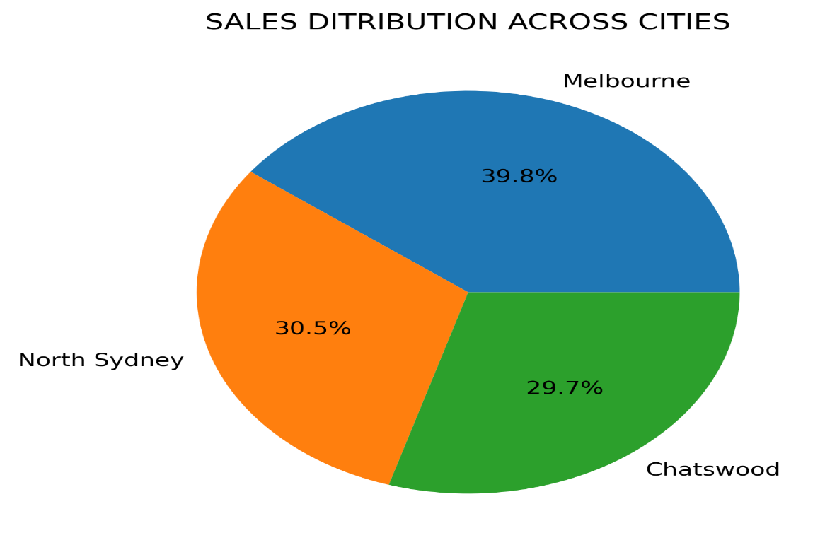
SALES REPORT AS PER CITY (2003-2005)
 | Chatswood | Melbourne | North Sydney
Classic Cars | ₹ 45,522.76 | ₹ 52,096.65 | ₹ 70,330.74
Motorcycles | ₹ 2,083.20 | ₹ 52,871.44 | ₹ 20,806.09
Planes | ₹ 23,999.65 | ₹ 39,983.94
Ships | ₹ 1,707.14
Trucks and Buses | ₹ 15,441.14 | ₹ 19,106.98 | ₹ 29,501.16
Vintage Cars | ₹ 77,787.44 | ₹ 33,167.68 | ₹ 20,705.51
SALES REPORT AS PER CITY (2003-2005)
Which city generated the highest revenue during the period from 2003 to 2005?
This pivot table summarizes total sales across six vehicle categories—Classic Cars, Motorcycles, Planes, Ships, Trucks and Buses, and Vintage Cars—broken down by three locations: Chatswood, Melbourne, and North Sydney, along with a grand total column. Each row shows how much each vehicle type contributed to sales in each location. Some categories have missing data in certain locations, indicating no recorded sales there.

Sum of SALES | Column Labels
Row Labels | Chatswood | Melbourne | North Sydney | Grand Total
Classic Cars | ₹ 45,522.76 | ₹ 52,096.65 | ₹ 70,330.74 | ₹ 167,950.15
Motorcycles | ₹ 2,083.20 | ₹ 52,871.44 | ₹ 20,806.09 | ₹ 75,760.73
Planes | ₹ 23,999.65 | ₹ 39,983.94 |  | ₹ 63,983.59
Ships | ₹ 1,707.14 |  |  | ₹ 1,707.14
Trucks and Buses | ₹ 15,441.14 | ₹ 19,106.98 | ₹ 29,501.16 | ₹ 64,049.28
Vintage Cars | ₹ 77,787.44 | ₹ 33,167.68 | ₹ 20,705.51 | ₹ 131,660.63
Grand Total | ₹ 166,541.33 | ₹ 197,226.69 | ₹ 141,343.50 | ₹ 505,111.52

The sales distribution across cities reveals Melbourne as the top contributor, generating ₹197226.69 in total vehicle sales—nearly 40% of the overall revenue. This strong performance is driven by consistently high figures across multiple categories, especially Vintage and Classic Cars. North Sydney follows with ₹1,41,343.50 , showing a balanced mix of sales but with a standout contribution from Classic Cars, which alone account for nearly half of the city’s total. Chatswood, while trailing slightly at ₹1,66541.33 , demonstrates niche strengths, particularly in categories like Motorcycles and Ships, which are absent in the other two cities. The data suggests Melbourne is the most diversified and high-performing market, while North Sydney and Chatswood offer targeted opportunities for growth through category expansion. Overall, city-wise analysis highlights Melbourne as the strategic anchor, with North Sydney and Chatswood offering complementary strengths and untapped potential

CUSTOMER SALES
 | Adrian | Anna | Peter
Classic Cars | ₹ 36,681.13 | ₹ 74,492.24 | ₹ 50,697.09
Motorcycles | ₹ 1,329.90 | ₹ 18,877.11 | ₹ 53,818.66
Planes | ₹ 23,893.33 |  | ₹ 39,878.76
Ships | ₹ 1,089.36
Trucks and Buses | ₹ 17,715.31 | ₹ 29,916.87 | ₹ 18,388.78
Vintage Cars | ₹ 69,410.95 | ₹ 30,709.91 | ₹ 38,212.12
SALES REPORT AS PER CUSTOMER (2003-2005)
Which customer contributed the most to the total sales?
The data presents a pivot table summarizing total sales figures for three individuals—Adrian, Anna, and Peter—across six product categories: Classic Cars, Motorcycles, Planes, Ships, Trucks and Buses, and Vintage Cars. Each row shows the sales amount contributed by each person within a category, along with a category-wise grand total.Notably, some categories have missing entries for certain individuals, and the Planes category has no recorded sales.

Sum of TOTAL SALES | Column Labels
Row Labels | Adrian | Anna | Peter | Grand Total
Classic Cars | ₹ 36,681.13 | ₹ 74,492.24 | ₹ 50,697.09 | ₹ 161,870.46
Motorcycles | ₹ 1,329.90 | ₹ 18,877.11 | ₹ 53,818.66 | ₹ 74,025.67
Planes | ₹ 23,893.33 |  | ₹ 39,878.76 | ₹ 63,772.09
Ships | ₹ 1,089.36 |  |  | ₹ 1,089.36
Trucks and Buses | ₹ 17,715.31 | ₹ 29,916.87 | ₹ 18,388.78 | ₹ 66,020.96
Vintage Cars | ₹ 69,410.95 | ₹ 30,709.91 | ₹ 38,212.12 | ₹ 138,332.98
Grand Total | ₹ 150,119.98 | ₹ 153,996.13 | ₹ 200,995.41 | ₹ 505,111.52

The pivot table reveals key business insights across product categories and individual performance. Peter leads overall sales with ₹2,00,995.41, contributing nearly 40% of the total revenue. Classic Cars and Vintage Cars are the top-performing categories, jointly accounting for nearly ₹3 lakh in sales, indicating strong customer demand in premium segments. Motorcycles show a sharp skew, with Peter driving over 70% of category sales, suggesting a potential specialization or customer preference. Trucks and Buses have balanced contributions across all three individuals, implying consistent performance and broader market appeal. The absence of sales in the Planes category and minimal activity in Ships highlight underperforming or neglected segments that may require strategic review.

MOTHLY SALES
SALES REPORT AS PER MONTH
SALES REPORT AS PER MONTH(2003 TO 2005)
Which year generated the maximum revenue?
This data presents a monthly summary of sales performance, organized in a pivot table format. It includes three key columns: the month (Row Labels), the total sales amount in Indian Rupees (Sum of TOTAL SALES), and the total quantity of items ordered (Sum of QUANTITYORDERED). Each row corresponds to a specific month.This structure allows for a clear view of how sales and order volumes are distributed over time.

Row Labels | Sum of TOTAL SALES | Sum of QUANTITYORDERED
February | ₹ 26,691.92 | 231
March | ₹ 47,442.91 | 418
April | ₹ 70,220.38 | 764
May | ₹ 48,481.92 | 504
August | ₹ 47,191.76 | 430
September | ₹ 9,738.18 | 66
October | ₹ 81,002.84 | 741
November | ₹ 95,028.15 | 888
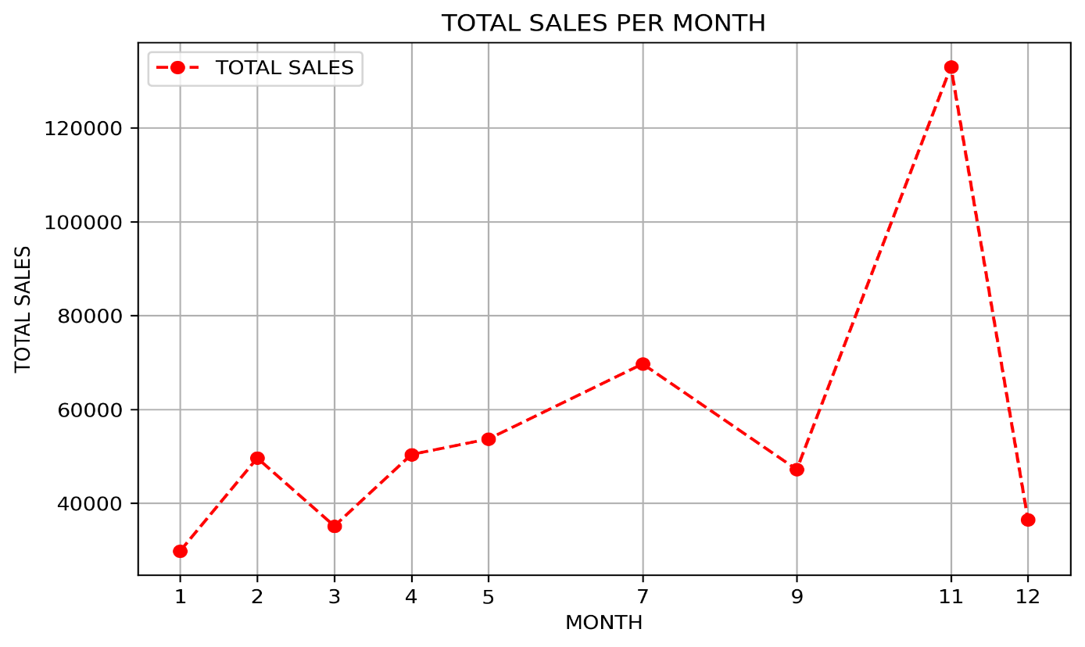
(blank) | ₹ 79,313.46 | 934
Grand Total | ₹ 505,111.52 | 4976

This sales data offers a clear view of how business performance varied across months, revealing both revenue and demand trends. November stands out as the strongest month, with ₹95,028.15 in sales and 888 units ordered, followed by October and April with ₹81,002.84 and ₹70,220.38 respectively. In contrast, September saw the lowest figures—just ₹9,738.18 in sales and 66 units ordered. These fluctuations suggest a seasonal pattern in customer purchasing behavior, with peak activity in the post-monsoon months and slower sales during others. Overall, the grand total of ₹5,05,111.52 across 4,976 units provides a solid benchmark for evaluating monthly contributions and planning ahead.

