Brazil Information
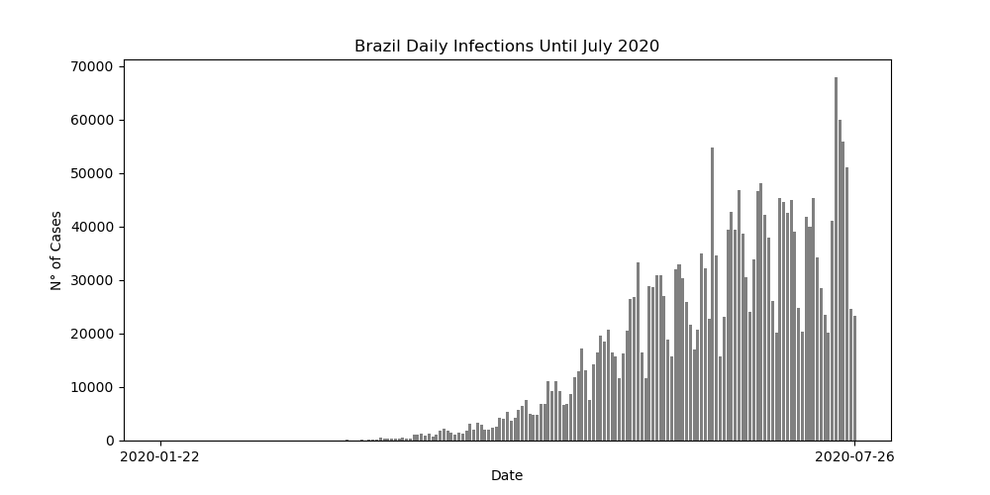
Country/Region | Population | TotalCases | TotalDeaths | TotalRecovered
Brazil | 212710692 | 2917562 | 98644 | 2047660

Cases in Brazil per 1M | Percentage of cases | Deaths in Brazil per 1M | Percentage of Deaths
13716.104125 | 1.3716104125 | 463.74725724 | 3.3810421167

