Plan32
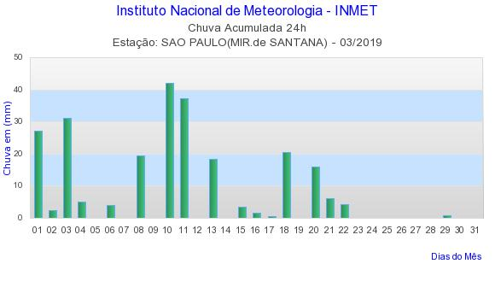
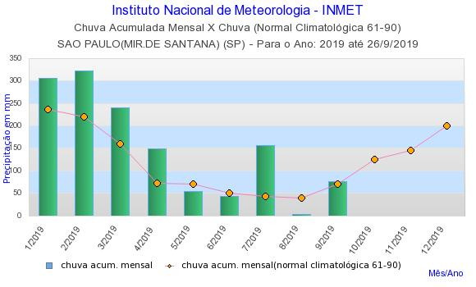

https://www.wunderground.com/history/daily/br/s%C3%A3o-paulo/SBSP/date/2019-3-1
https://www.wunderground.com/history/daily/br/s%C3%A3o-paulo/SBSP/date/2019-3-2
https://www.wunderground.com/history/daily/br/s%C3%A3o-paulo/SBSP/date/2019-3-3
https://www.wunderground.com/history/daily/br/s%C3%A3o-paulo/SBSP/date/2019-3-4
https://www.wunderground.com/history/daily/br/s%C3%A3o-paulo/SBSP/date/2019-3-5
https://www.wunderground.com/history/daily/br/s%C3%A3o-paulo/SBSP/date/2019-3-6
https://www.wunderground.com/history/daily/br/s%C3%A3o-paulo/SBSP/date/2019-3-7
https://www.wunderground.com/history/daily/br/s%C3%A3o-paulo/SBSP/date/2019-3-8
https://www.wunderground.com/history/daily/br/s%C3%A3o-paulo/SBSP/date/2019-3-9
https://www.wunderground.com/history/daily/br/s%C3%A3o-paulo/SBSP/date/2019-3-10
https://www.wunderground.com/history/daily/br/s%C3%A3o-paulo/SBSP/date/2019-3-11
https://www.wunderground.com/history/daily/br/s%C3%A3o-paulo/SBSP/date/2019-3-12
https://www.wunderground.com/history/daily/br/s%C3%A3o-paulo/SBSP/date/2019-3-13
https://www.wunderground.com/history/daily/br/s%C3%A3o-paulo/SBSP/date/2019-3-14
https://www.wunderground.com/history/daily/br/s%C3%A3o-paulo/SBSP/date/2019-3-15
https://www.wunderground.com/history/daily/br/s%C3%A3o-paulo/SBSP/date/2019-3-16
https://www.wunderground.com/history/daily/br/s%C3%A3o-paulo/SBSP/date/2019-3-17
https://www.wunderground.com/history/daily/br/s%C3%A3o-paulo/SBSP/date/2019-3-18
https://www.wunderground.com/history/daily/br/s%C3%A3o-paulo/SBSP/date/2019-3-19
https://www.wunderground.com/history/daily/br/s%C3%A3o-paulo/SBSP/date/2019-3-20
https://www.wunderground.com/history/daily/br/s%C3%A3o-paulo/SBSP/date/2019-3-21
https://www.wunderground.com/history/daily/br/s%C3%A3o-paulo/SBSP/date/2019-3-22
https://www.wunderground.com/history/daily/br/s%C3%A3o-paulo/SBSP/date/2019-3-23
https://www.wunderground.com/history/daily/br/s%C3%A3o-paulo/SBSP/date/2019-3-24
https://www.wunderground.com/history/daily/br/s%C3%A3o-paulo/SBSP/date/2019-3-25
https://www.wunderground.com/history/daily/br/s%C3%A3o-paulo/SBSP/date/2019-3-26
https://www.wunderground.com/history/daily/br/s%C3%A3o-paulo/SBSP/date/2019-3-27
https://www.wunderground.com/history/daily/br/s%C3%A3o-paulo/SBSP/date/2019-3-28
https://www.wunderground.com/history/daily/br/s%C3%A3o-paulo/SBSP/date/2019-3-29
https://www.wunderground.com/history/daily/br/s%C3%A3o-paulo/SBSP/date/2019-3-30
https://www.wunderground.com/history/daily/br/s%C3%A3o-paulo/SBSP/date/2019-3-31

