NatHERS info
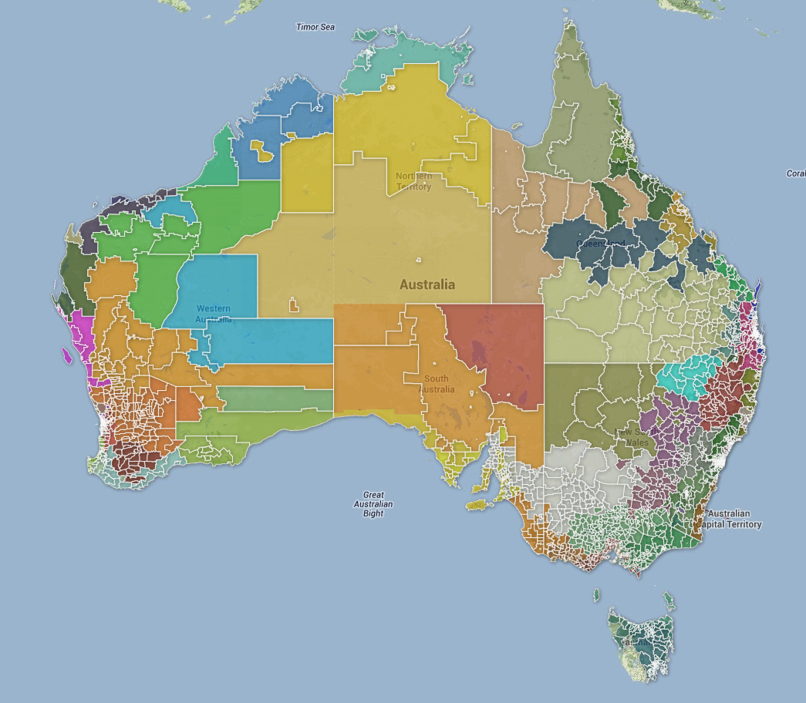
http://www.nathers.gov.au/

