Sheet1
Given Values |  |  |  | Frequency, Q and Bandwidth |  |  |  |  |  | Given Values |  |  |  | C2 and Q
R1 (k) | R2 (k) | C1 (nF) | C2 (nF) | f (kHz) ? | Q | Q12dB | B/W (kHz) | ½B/W % | ½12dB % | f (kHz) | R1 (k) | R2 (k) | C1 (nF) | C2 (nF) ? | Q
1 | 220 | 33 | 3.3 | 1.03 | 4.6904157598 | 1.8109713358 | 0.21922186987 | 10.660035818 | 27.609492768 | 1 | 1 | 220 | 22 | 5.23 | 7.2343538578
1 | 220 | 22 | 2.2 | 1.54 | 4.6904157598 | 1.8109713358 | 0.3288328048 | 10.660035818 | 27.609492768 | 1.5 | 1 | 220 | 22 | 2.33 | 4.8229025719
1 | 220 | 22 | 1 | 2.29 | 3.1622776602 | 1.2209566255 | 0.72343217057 | 15.811388301 | 40.951495699 | 2 | 1 | 220 | 22 | 1.31 | 3.6171769289
1 | 220 | 22 | 0.47 | 3.34 | 2.1679483389 | 0.83704569068 | 1.5392173842 | 23.063280201 | 59.73389572 | 3 | 1 | 220 | 22 | 0.58 | 2.4114512859
 |  |  |  | #DIV/0! | #DIV/0! | #DIV/0! | #DIV/0! | #DIV/0! | #DIV/0! |  |  |  |  | #DIV/0! | #DIV/0!
 |  |  |  | #DIV/0! | #DIV/0! | #DIV/0! | #DIV/0! | #DIV/0! | #DIV/0! |  |  |  |  | #DIV/0! | #DIV/0!

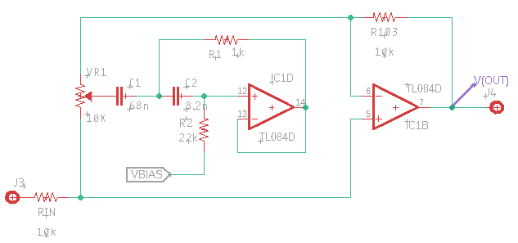
Formulae: L = R1.R2.C2 f = 1/2π √(L.C) = 1/2π √(R1.R2.C1.C2) Q = √(R2.C2/R1.C1) 3dB bandwidth = f/Q

