States
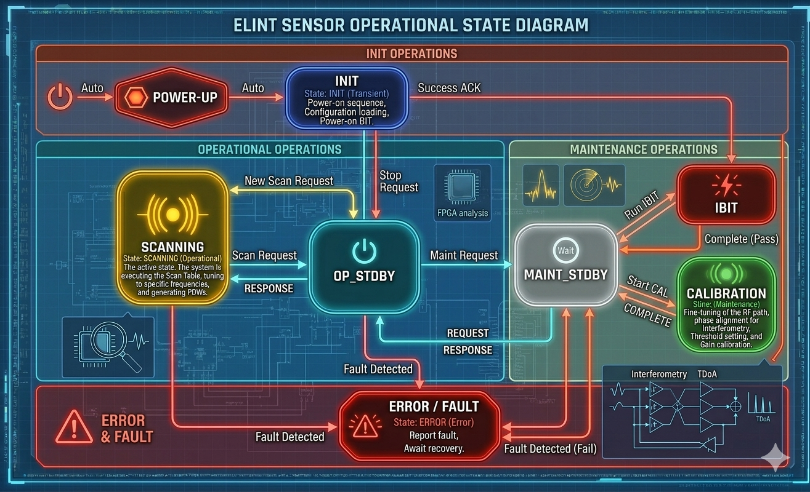
 | Category | Description
INIT | Transient | Power-on sequence,Configuration loading, Powe-on bit
OP_STDBY | Operational | The "Ready" state. Receivers are powered, Awaiting mission parameters
SCANNING | Operational | The active state. The system is executing the Scan Table, tuning to specific frequencies, and generating PDWs.
MAINT_STDBY | Maintenance | A protected state where processing is paused to allow for intrusive diagnostic tasks.
IBIT | Maintenance | Initiated Built-In Test. Runs hardware diagnostics (Voltage, Temp,RF Path Integrity).
CALIBRATION | Maintenance | Fine-tuning of the RF path, phase alignment for Interferometry, Threshold setting, and Gain calibration
ERROR | Error | Report fault, Await recovery

