LISTS
BIT_LO_FREQ | BIT_OUT_PWR | LO_FREQ | DCA | RFISRC | RFIBS | IFOBS | Pls_CW | BIT_INT_EXT | OpMode
0 | -30 | 10000 | 0 | ANT | 0.35-4.75 | 0.35-2.4 | CW | INT | SingleChannel
50 | -31 | 10050 | 0.5 | BIT | 2-6 | 2.75-4.75 | Pls | EXT | CommonQuad
100 | -32 | 10100 | 1 |  | 6-18 |  |  |  | CommonOctal
150 | -33 | 10150 | 1.5 |  | TERMINATED
200 | -34 | 10200 | 2
250 | -35 | 10250 | 2.5
300 | -36 | 10300 | 3
350 | -37 | 10350 | 3.5
400 | -38 | 10400 | 4
450 | -39 | 10450 | 4.5
500 | -40 | 10500 | 5
550 | -41 | 10550 | 5.5
600 | -42 | 10600 | 6
650 | -43 | 10650 | 6.5
700 | -44 | 10700 | 7
750 | -45 | 10750 | 7.5
800 | -46 | 10800 | 8
850 | -47 | 10850 | 8.5 |  |  |  |  |  |  |  |  |  |  |  |  |  |  |  |  |  | Host can select 2 independent ranges, and per range define
900 | -48 | 10900 | 9
950 | -49 | 10950 | 9.5
1000 | -50 | 11000 | 10
1050 | -51 | 11050 | 10.5
1100 | -52 | 11100 | 11
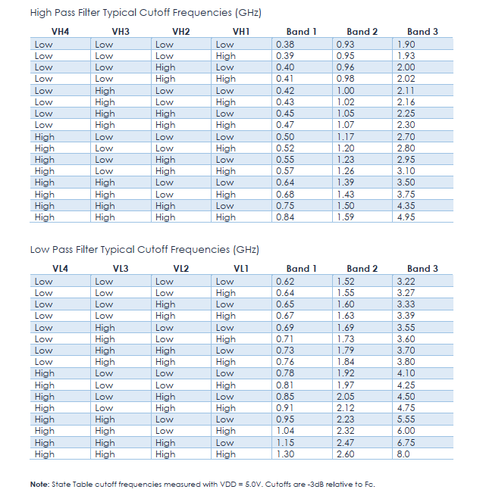
1150 | -53 | 11150 | 11.5 |  |  |  |  |  | TF1,3
1200 | -54 | 11200 | 12 |  |  |  |  |  | MainBand | BAND1_H | BAND2_H | BAND3_H | BAND1_L | BAND2_L | BAND3_L | BYPASS_L | BYPASS_H |  |  |  | FilterID | MinFreq | MaxFreq | IFOBS | RFIBS | TF1 | DCA1 | Tf2 | DCA2 | Tf3 | DCA3 | LO
1250 | -55 | 11250 | 12.5 |  |  |  |  |  | BYPASS | 0.38 | 0.93 | 1.9 | 0.62 | 1.52 | 3.22 | 8 | 0.4 |  |  |  | 0 | 0.4 | 1.25 | 0.35-2.4 | 0.35-4.75 |  |  | NA | NA |  |  | NA
1300 | -56 | 11300 | 13 |  |  |  |  |  | BAND1 | 0.39 | 0.95 | 1.93 | 0.64 | 1.55 | 3.27 |  |  |  |  |  | 1 | 1 | 2.25 | 0.35-2.4 | 0.35-4.75 |  |  | NA | NA |  |  | NA
1350 | -57 | 11350 | 13.5 |  |  |  |  |  | BAND2 | 0.4 | 0.96 | 2 | 0.65 | 1.6 | 3.33 |  |  |  |  |  | 2 | 2 | 4 | 2-6 | 2.75-4.75 | NA |  |  | NA |  |  | 16 | LO-CRF
1400 | -58 | 11400 | 14 |  |  |  |  |  | BAND3 | 0.41 | 0.98 | 2.02 | 0.67 | 1.63 | 3.39 |  |  |  |  |  | 3 | 4 | 6 | 2-6 | 2.75-4.75 | NA |  |  | NA |  |  | 14 | LO-CRF
1450 | -59 | 11450 | 14.5 |  |  |  |  |  |  | 0.42 | 1 | 2.11 | 0.69 | 1.69 | 3.55 |  |  |  |  |  | 4 | 6 | 8 | 6-18 | 2.75-4.75 | NA | NA |  |  |  |  | 10.75 | LO-CRF
1500 | -60 | 11500 | 15 |  |  |  |  |  |  | 0.43 | 1.02 | 2.16 | 0.71 | 1.73 | 3.6 |  |  |  |  |  | 5 | 8 | 10 | 6-18 | 2.75-4.75 | NA | NA |  |  |  |  | 12.75 | LO-CRF
1550 | -61 | 11550 | 15.5 |  |  |  |  |  |  | 0.45 | 1.05 | 2.25 | 0.73 | 1.79 | 3.7 |  |  |  |  |  | 6 | 10 | 12 | 6-18 | 2.75-4.75 | NA | NA |  |  |  |  | 14.75 | LO-CRF
1600 | -62 | 11600 | 16 |  |  |  |  |  |  | 0.47 | 1.07 | 2.3 | 0.76 | 1.84 | 3.8 |  |  |  |  |  | 7 | 12 | 14 | 6-18 | 2.75-4.75 | NA | NA |  |  |  |  | 16.75 | LO-CRF
1650 | -63 | 11650 | 16.5 |  |  |  |  |  |  | 0.5 | 1.17 | 2.7 | 0.78 | 1.92 | 4.1 |  |  |  |  |  | 8 | 14 | 16 | 6-18 | 2.75-4.75 | NA | NA |  |  |  |  | 11.25 | CRF-LO
1700 | -64 | 11700 | 17 |  |  |  |  |  |  | 0.52 | 1.2 | 2.8 | 0.81 | 1.97 | 4.25 |  |  |  |  |  | 10 | 16 | 18 | 6-18 | 2.75-4.75 | NA | NA |  |  |  |  | 13.25 | CRF-LO
1750 | -65 | 11750 | 17.5 |  |  |  |  |  |  | 0.55 | 1.23 | 2.95 | 0.85 | 2.05 | 4.5
1800 | -66 | 11800 | 18 |  |  |  |  |  |  | 0.57 | 1.26 | 3.1 | 0.91 | 2.12 | 4.75
1850 | -67 | 11850 | 18.5 |  |  |  |  |  |  | 0.64 | 1.39 | 3.5 | 0.95 | 2.23 | 5.55
1900 | -68 | 11900 | 19 |  |  |  |  |  |  | 0.68 | 1.43 | 3.75 | 1.04 | 2.32 | 6
1950 | -69 | 11950 | 19.5 |  |  |  |  |  |  | 0.75 | 1.5 | 4.35 | 1.15 | 2.47 | 6.75
2000 | -70 | 12000 | 20 |  |  |  |  |  |  | 0.84 | 1.59 | 4.95 | 1.3 | 2.6 | 8
2050 | -71 | 12050 | 20.5
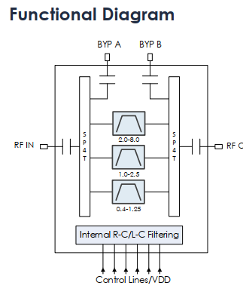
2100 | -72 | 12100 | 21
2150 | -73 | 12150 | 21.5
2200 | -74 | 12200 | 22
2250 | -75 | 12250 | 22.5
2300 | -76 | 12300 | 23
2350 | -77 | 12350 | 23.5
2400 | -78 | 12400 | 24
2450 | -79 | 12450 | 24.5
2500 | -80 | 12500 | 25
2550 | -81 | 12550 | 25.5
2600 | -82 | 12600 | 26
2650 | -83 | 12650 | 26.5
2700 | -84 | 12700 | 27
2750 | -85 | 12750 | 27.5
2800 | -86 | 12800 | 28
2850 | -87 | 12850 | 28.5
2900 | -88 | 12900 | 29
2950 | -89 | 12950 | 29.5
3000 | -90 | 13000 | 30
3050 | -91 | 13050 | 30.5
3100 | -92 | 13100 | 31 |  |  |  |  |  | TF2
3150 | -93 | 13150 | 31.5 |  |  |  |  |  | TF2_HPF_SW | TF2_LPF_SW | HPF_1 | HPF_2 | HPF_3 | HPF_4 | LPF_1 | LPF_2 | LPF_3 | LPF_4 | HPF_BYPASS | LPF_BYPASS
3200 |  | 13200 |  |  |  |  |  |  | HPF_BYPASS | LPF_BYPASS | 1.75 | 3.4 | 6.6 | 12.5 | 2.05 | 3.35 | 7 | 12.55 | 2 | 18
3250 |  | 13250 |  |  |  |  |  |  | HPF_1 | LPF_1 | 1.87 | 3.66 | 6.96 | 12.99 | 2.17 | 3.61 | 7.4 | 12.97
3300 |  | 13300 |  |  |  |  |  |  | HPF_2 | LPF_2 | 1.99 | 3.92 | 7.32 | 13.48 | 2.29 | 3.87 | 7.8 | 13.39
3350 |  | 13350 |  |  |  |  |  |  | HPF_3 | LPF_3 | 2.11 | 4.18 | 7.68 | 13.97 | 2.41 | 4.13 | 8.2 | 13.81
3400 |  | 13400 |  |  |  |  |  |  | HPF_4 | LPF_4 | 2.23 | 4.44 | 8.04 | 14.46 | 2.53 | 4.39 | 8.6 | 14.23
3450 |  | 13450 |  |  |  |  |  |  |  |  | 2.35 | 4.7 | 8.4 | 14.95 | 2.65 | 4.65 | 9 | 14.65 |  | `
3500 |  | 13500 |  |  |  |  |  |  |  |  | 2.47 | 4.96 | 8.76 | 15.44 | 2.77 | 4.91 | 9.4 | 15.07
3550 |  | 13550 |  |  |  |  |  |  |  |  | 2.59 | 5.22 | 9.12 | 15.93 | 2.89 | 5.17 | 9.8 | 15.49
3600 |  | 13600 |  |  |  |  |  |  |  |  | 2.71 | 5.48 | 9.48 | 16.42 | 3.01 | 5.43 | 10.2 | 15.91
3650 |  | 13650 |  |  |  |  |  |  |  |  | 2.83 | 5.74 | 9.84 | 16.91 | 3.13 | 5.69 | 10.6 | 16.33
3700 |  | 13700 |  |  |  |  |  |  |  |  | 2.95 | 6 | 10.2 | 17.4 | 3.25 | 5.95 | 11 | 16.75
3750 |  | 13750 |  |  |  |  |  |  |  |  | 3.07 | 6.26 | 10.56 | 17.89 | 3.37 | 6.21 | 11.4 | 17.17
3800 |  | 13800 |  |  |  |  |  |  |  |  | 3.19 | 6.52 | 10.92 | 18.38 | 3.49 | 6.47 | 11.8 | 17.59
3850 |  | 13850 |  |  |  |  |  |  |  |  | 3.31 | 6.78 | 11.28 | 18.87 | 3.61 | 6.73 | 12.2 | 18.01
3900 |  | 13900 |  |  |  |  |  |  |  |  | 3.43 | 7.04 | 11.64 | 19.36 | 3.73 | 6.99 | 12.6 | 18.43
3950 |  | 13950 |  |  |  |  |  |  |  |  | 3.55 | 7.3 | 12 | 19.85 | 3.85 | 7.25 | 13 | 18.85
4000 |  | 14000
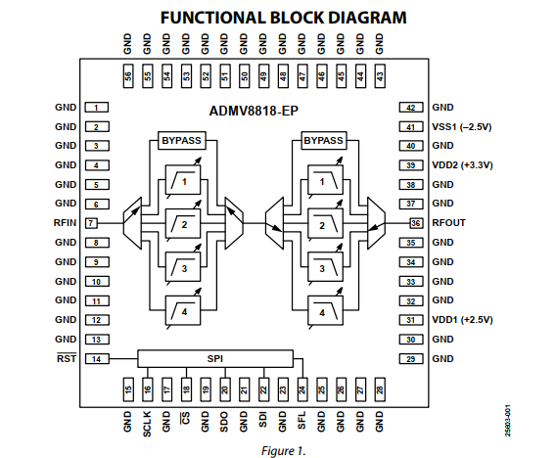
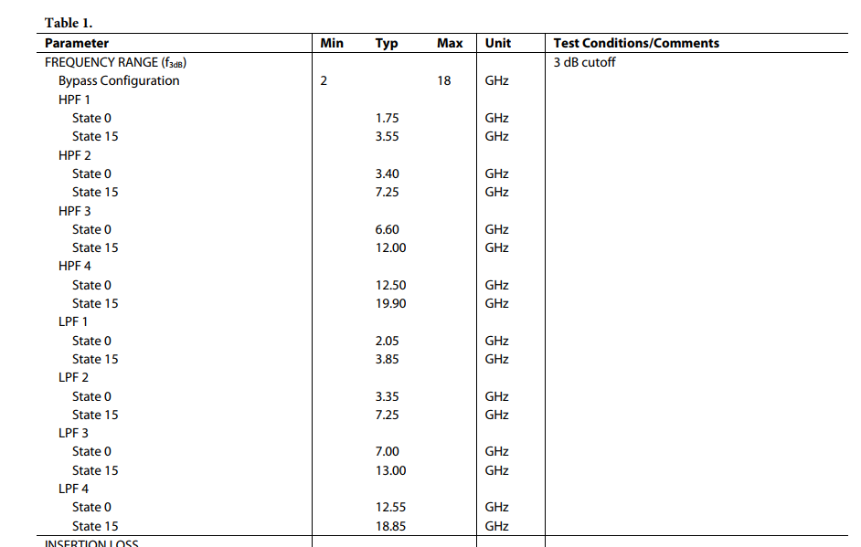
4050 |  | 14050
4100 |  | 14100
4150 |  | 14150
4200 |  | 14200
4250 |  | 14250
4300 |  | 14300
4350 |  | 14350
4400 |  | 14400
4450 |  | 14450
4500 |  | 14500
4550 |  | 14550
4600 |  | 14600
4650 |  | 14650
4700 |  | 14700
4750 |  | 14750
4800 |  | 14800
4850 |  | 14850
4900 |  | 14900
4950 |  | 14950
5000 |  | 15000
5050 |  | 15050
5100 |  | 15100
5150 |  | 15150
5200 |  | 15200
5250 |  | 15250
5300 |  | 15300
5350 |  | 15350
5400 |  | 15400
5450 |  | 15450
5500 |  | 15500
5550 |  | 15550
5600 |  | 15600
5650 |  | 15650
5700 |  | 15700
5750 |  | 15750
5800 |  | 15800
5850 |  | 15850
5900 |  | 15900
5950 |  | 15950
6000 |  | 16000
6050 |  | 16050
6100 |  | 16100
6150 |  | 16150
6200 |  | 16200
6250 |  | 16250
6300 |  | 16300
6350 |  | 16350
6400 |  | 16400
6450 |  | 16450
6500 |  | 16500
6550 |  | 16550
6600 |  | 16600
6650 |  | 16650
6700 |  | 16700
6750 |  | 16750
6800
6850
6900
6950
7000
7050
7100
7150
7200
7250
7300
7350
7400
7450
7500
7550
7600
7650
7700
7750
7800
7850
7900
7950
8000
8050
8100
8150
8200
8250
8300
8350
8400
8450
8500
8550
8600
8650
8700
8750
8800
8850
8900
8950
9000
9050
9100
9150
9200
9250
9300
9350
9400
9450
9500
9550
9600
9650
9700
9750
9800
9850
9900
9950
10000
10050
10100
10150
10200
10250
10300
10350
10400
10450
10500
10550
10600
10650
10700
10750
10800
10850
10900
10950
11000
11050
11100
11150
11200
11250
11300
11350
11400
11450
11500
11550
11600
11650
11700
11750
11800
11850
11900
11950
12000
12050
12100
12150
12200
12250
12300
12350
12400
12450
12500
12550
12600
12650
12700
12750
12800
12850
12900
12950
13000
13050
13100
13150
13200
13250
13300
13350
13400
13450
13500
13550
13600
13650
13700
13750
13800
13850
13900
13950
14000
14050
14100
14150
14200
14250
14300
14350
14400
14450
14500
14550
14600
14650
14700
14750
14800
14850
14900
14950
15000
15050
15100
15150
15200
15250
15300
15350
15400
15450
15500
15550
15600
15650
15700
15750
15800
15850
15900
15950
16000
16050
16100
16150
16200
16250
16300
16350
16400
16450
16500
16550
16600
16650
16700
16750
16800
16850
16900
16950
17000
17050
17100
17150
17200
17250
17300
17350
17400
17450
17500
17550
17600
17650
17700
17750
17800
17850
17900
17950
18000

MOFC_ASSIGN
 |  |  |  |  |  |  |  |  |  |  |  |  |  |  | RegName | RegAddr | RegData | SpiWord | XorRegData | ByteXOr
 |  |  |  |  |  |  |  |  |  |  |  |  |  |  | GlobalCfg | 0x6 | 00006B28 | 0x06006B28 | 67
 |  | MOFC assign |  |  |  |  |  |  |  |  |  |  |  |  | BitCfg | 0x7 | 00140000 | 0x07140000 | 20
 |  |  |  |  |  |  |  |  |  |  |  |  |  |  | Ch0Cfg | 0x8 | 00000000 | 0x08000000 | 0 | 20
GlobalCfg |  |  |  |  |  | Channels configuration |  |  |  |  |  |  |  |  |  | 0x9 | 00000000 | 0x09000000 | 0 | 20
StrtBit | Val |  | GlobalCfg |  |  |  | 1 | 2 | 3 | 4 | 5 | 6 | 7 | 8 |  | 0xA | 00000000 | 0x0A000000 | 0 | 20 |  | StrtBit | 1 | 2 | 3 | 4 | 5 | 6 | 7 | 8
0 | 0 |  | Opmode | SingleChannel |  | RFIBS | 0.35-4.75 | 2-6 | 6-18 | 2-6 | 2-6 | 6-18 | 0.35-4.75 | 0.35-4.75 |  | 0xB | 00000000 | 0x0B000000 | 0 | 20 | WORD0 | 1 | 0 | 1 | 2 | 1 | 1 | 2 | 0 | 0
2 | 10 |  | PM-PWIDTH[us] | 10 |  | IFOBS | 0.35-2.4 | 2.75-4.75 | 2.75-4.75 | 2.75-4.75 | 2.75-4.75 | 2.75-4.75 | 2.75-4.75 | 2.75-4.75 | Ch1Cfg | 0xC | 00081C2A | 0x0C081C2A | 62 | 42 |  | 3 | 0 | 1 | 1 | 1 | 1 | 1 | 1 | 1
8 | 107 |  | PM-PRI[us] | 107 |  | DCA1 | 0 | 1 | 4 | 6 | 0 | 0 | 0 | 0 |  | 0xD | 00000000 | 0x0D000000 | 0 | 42 |  | 4 | 0 | 2 | 8 | 12 | 0 | 0 | 0 | 0
WriteGlobalCfg
27432 |  |  |  |  |  | DCA2 | 0 | 3.5 | 1.5 | 31 | 0 | 0 | 0 | 0 |  | 0xE | 00000881 | 0x0E000881 | 137 | 163 |  | 10 | 0 | 7 | 3 | 62 | 0 | 0 | 0 | 0
 |  |  |  |  |  | DCA3 | 0 | 4 | 8 | 31.5 | 0 | 0 | 0 | 0 |  | 0xF | 00000001 | 0x0F000001 | 1 | 162 |  | 16 | 0 | 8 | 16 | 63 | 0 | 0 | 0 | 0
 |  |  |  |  |  | TF1_VSW | BYPASS | BYPASS | BYPASS | BAND3 | BYPASS | BYPASS | BYPASS | BYPASS | Ch2Cfg | 0x10 | 00100C8C | 0x10100C8C | 144 | 50 | WORD1 | 0 | 0 | 0 | 0 | 3 | 0 | 0 | 0 | 0
 |  |  |  |  |  | TF1_VH | 0.4 | 0.4 | 0.4 | 2.7 | 0.4 | 0.4 | 0.4 | 0.4 |  | 0x11 | 000B8C00 | 0x110B8C00 | 135 | 181 |  | 2 | 0 | 0 | 0 | 8 | 0 | 0 | 0 | 0
BitCfg |  |  |  |  |  | TF1_VL | 8 | 8 | 8 | 3.6 | 8 | 8 | 8 | 8 |  | 0x12 | 00002A14 | 0x12002A14 | 62 | 139 |  | 6 | 0 | 0 | 0 | 5 | 0 | 0 | 0 | 0
StrtBit | Val |  | Bit config |  |  | TF3_VSW | BYPASS | BYPASS | BAND3 | BAND3 | BYPASS | BYPASS | BYPASS | BYPASS |  | 0x13 | 00000019 | 0x13000019 | 25 | 146 |  | 10 | 0 | 0 | 3 | 3 | 0 | 0 | 0 | 0
0 | 400 |  | BIT_LO_FREQ[mhz] | 400 |  | TF3_VH | 0.4 | 0.4 | 2.7 | 2.7 | 0.4 | 0.4 | 0.4 | 0.4 | Ch3Cfg | 0x14 | 003FF8CA | 0x143FF8CA | 13 | 159 |  | 12 | 0 | 0 | 8 | 8 | 0 | 0 | 0 | 0
0 | 0 |  | RFISRC | ANT |  | TF3_VL | 8 | 8 | 4.75 | 4.5 | 8 | 8 | 8 | 8 |  | 0x15 | 000A8D63 | 0x150A8D63 | 228 | 123 |  | 16 | 0 | 0 | 11 | 10 | 0 | 0 | 0 | 0
16 | 20 |  | BIT_OUT_PWR | -50 |  | TF2_HPF_SW | HPF_BYPASS | HPF_1 | HPF_4 | HPF_BYPASS | HPF_1 | HPF_1 | HPF_1 | HPF_1 |  | 0x16 | 00000000 | 0x16000000 | 0 | 123 | WORD2 | 0 | 0 | 1 | 4 | 0 | 1 | 1 | 1 | 1
22 | 0 |  | BIT INT/EXT | INT |  | TF2_HPF_STATE | 2 | 1.75 | 13.48 | 2 | 1.75 | 1.75 | 1.75 | 1.75 |  | 0x17 | 00000007 | 0x17000007 | 7 | 124 |  | 3 | 0 | 0 | 2 | 0 | 0 | 0 | 0 | 0
23 | 0 |  | Pls/CW | CW |  | TF2_LPF_SW | LPF_BYPASS | LPF_1 | LPF_4 | LPF_BYPASS | LPF_1 | LPF_1 | LPF_1 | LPF_1 | Ch4Cfg | 0x18 | 0000000A | 0x1800000A | 10 | 118 |  | 7 | 0 | 1 | 4 | 0 | 1 | 1 | 1 | 1
SendConfig
Message
1310720 |  |  |  |  |  | TF2_LPF_STATE | 18 | 2.29 | 16.75 | 18 | 2.17 | 2.17 | 2.17 | 2.17 |  | 0x19 | 00000000 | 0x19000000 | 0 | 118 |  | 10 | 0 | 2 | 10 | 0 | 1 | 1 | 1 | 1
 |  |  |  | WriteCheckSum |  | LO_FREQ | 10000 | 10050 | 11250 | 10350 | 10350 | 10350 | 10550 | 10450 |  | 0x1A | 00000481 | 0x1A000481 | 133 | 243 | WORD3 | 0 | 0 | 1 | 25 | 7 | 7 | 7 | 11 | 9
 |  |  |  | TRUE |  | LO_PDWN | 0 | 0 | 0 | 0 | 0 | 0 | 0 | 0 |  | 0x1B | 00000007 | 0x1B000007 | 7 | 244 |  | 8 | 0 | 0 | 0 | 0 | 0 | 0 | 0 | 0
 |  |  |  |  |  |  |  |  |  |  |  |  |  |  | Ch5Cfg | 0x1C | 0000000C | 0x1C00000C | 12 | 248
SendLoadRF
 |  |  |  |  |  |  |  |  |  |  |  |  |  |  |  | 0x1D | 00000000 | 0x1D000000 | 0 | 248 | ChCfgWord0 |  | 0 | 531498 | 1051788 | 4192458 | 10 | 12 | 8 | 8
 |  |  |  |  |  |  |  |  |  |  |  |  |  |  |  | 0x1E | 00000481 | 0x1E000481 | 133 | 125 | ChCfgWord1 |  | 0 | 0 | 756736 | 691555 | 0 | 0 | 0 | 0
 |  |  |  |  |  |  |  |  |  |  |  |  |  |  |  | 0x1F | 00000007 | 0x1F000007 | 7 | 122 | ChCfgWord2 |  | 0 | 2177 | 10772 | 0 | 1153 | 1153 | 1153 | 1153
 |  |  |  |  |  |  |  |  |  |  |  |  |  |  | Ch6Cfg | 0x20 | 00000008 | 0x20000008 | 8 | 114 | ChCfgWord3 |  | 0 | 1 | 25 | 7 | 7 | 7 | 11 | 9
ReadStatus
Reg
Read FPGA VEr
Read Serial Num
 |  |  |  |  |  |  |  |  |  |  |  |  |  |  |  | 0x21 | 00000000 | 0x21000000 | 0 | 114
 |  |  |  |  |  |  |  |  |  |  |  |  |  |  |  | 0x22 | 00000481 | 0x22000481 | 133 | 247
 |  |  |  |  |  |  |  |  |  |  |  |  | 3.5.4.6 | 5.a |  | 0x23 | 0000000B | 0x2300000B | 11 | 252
 |  |  |  |  |  |  |  |  |  |  |  |  |  |  | Ch7Cfg | 0x24 | 00000008 | 0x24000008 | 8 | 244
 |  |  |  |  |  |  |  |  |  |  |  |  |  |  |  | 0x25 | 00000000 | 0x25000000 | 0 | 244
Write Reg
 |  | Global Read/Write regs |  |  |  |  |  |  |  |  |  |  |  |  |  | 0x26 | 00000481 | 0x26000481 | 133 | 113
Read Reg
 |  |  |  |  |  |  |  | Addr | WriteData |  |  |  |  |  |  | 0x27 | 00000009 | 0x27000009 | 9 | 120
 |  |  |  | Addr | ReturnData |  |  | 2 | 0x44 |  |  |  |  |  | CheckSum | 0x28 | 00000078 | 0x28000078 | 120
 |  |  |  | 0 | 0x33

RFISRC
DCA1
DCA2
TF1
TF2
RFIBS
DCA3
TF3
IFOBS

MOFC_DEBUG
MOFC Read

 |  |  | Channels configuration
 | GlobalCfg |  |  | 1 | 2 | 3 | 4 | 5 | 6 | 7 | 8
 | Opmode | CommonQuad | RFISRC | BIT | BIT | BIT | BIT | BIT | BIT | BIT | BIT
 | PM-PRI[us] | 1000 | RFIBS | 0.35-4.75 | 0.35-4.75 | 0.35-4.75 | 2-6 | 2-6 | 6-18 | 0.35-4.75 | 0.35-4.75
 | PM-PW[us] | 10 | IFOBS | 0.35-4.75 | 0.35-4.75 | 2.75-4.75 | 2.75-4.75 | 2.75-4.75 | 2.75-4.75 | 2.75-4.75 | 2.75-4.75
 |  |  | DCA1 | 0 | 0 | 0 | 0 | 0 | 0 | 0 | 0 | 0.35-6
 |  |  | DCA2 | 0 | 0 | 0 | 0 | 0 | 0 | 0 | 0 | 6-18
 |  |  | DCA3 | 0 | 0 | 0 | 0 | 0 | 0 | 0 | 0
 |  |  | TF1_VSW | BAND2 | BAND2 | BAND3 | BAND3 | BAND3 | BAND1 | BAND1 | BAND1 | 0.35-6
 |  |  | TF1_VH | 0.4 | 0.93 | 2.7 | 2 | 3.75 | 0.93 | 0.93 | 0.93
 |  |  | TF1_VL | 1.3 | 2.6 | 4.75 | 4.1 | 6 | 1.6 | 1.6 | 1.6
 | Bit config |  | TF3_VSW | BAND1 | BAND1 | BAND2 | BAND2 | BAND2 | BAND2 | BAND2 | BAND2
 | BIT_LO_FREQ[mhz] | 10333 | TF3_VH | 1.93 | 0.95 | 0.95 | 0.95 | 0.95 | 0.95 | 0.95 | 0.95
 | BIT_OUT_PWR | -30 | TF3_VL | 1.52 | 1.6 | 2 | 2 | 2 | 2 | 2 | 2
 | BIT INT/EXT | INT | TF2_HPF_SW | HPF_1 | HPF_1 | HPF_1 | HPF_1 | HPF_1 | HPF_1 | HPF_1 | HPF_1 | 6-18
 | Pls/CW | Pls | TF2_HPF_STATE | 1.99 | 3 | 3 | 3 | 3 | 3 | 3 | 3
 |  |  | TF2_LPF_SW | LPF_2 | LPF_2 | LPF_1 | LPF_1 | LPF_1 | LPF_1 | LPF_1 | LPF_1
 |  |  | TF2_LPF_STATE | 5.95 | 2.17 | 2.17 | 2.17 | 2.17 | 2.17 | 7 | 7
 |  |  | LO_FREQ | 10050 | 10050 | 10050 | 10050 | 10050 | 10050 | 10050 | 10050
 |  |  | LO_PDWN | 0 | 0 | 0 | 0 | 0 | 0 | 0 | 0

Read Configruation
 |  |  | StatusReg |  |  |  |  |  | FPGA-VER | Serial Number
 |  |  |  |  |  |  |  |  | 3.5.4.6 | 5.a

