FPGA_VER_REG
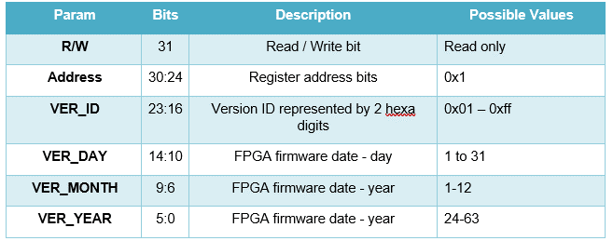
 | 31 | addr | [30:24] | 23 | 22 | 21 | 20 | 19 | 18 | 17 | 16 | 15 | 14 | 13 | 12 | 11 | 10 | 9 | 8 | 7 | 6 | 5 | 4 | 3 | 2 | 1 | 0
Command | R/W |  | A[6:0] | D[23:0]
FPGA_VER_REG | RO | 1 | 0x01 | VER_ID |  |  |  |  |  |  |  |  | VER-DAY |  |  |  |  | VER-MONTH |  |  |  | VER-YEAR

BIT_CONFIG
 | 31 | addr | [30:24] | 23 | 22 | 21 | 20 | 19 | 18 | 17 | 16 | 15 | 14 | 13 | 12 | 11 | 10 | 9 | 8 | 7 | 6 | 5 | 4 | 3 | 2 | 1 | 0
Command | R/W |  | A[6:0] | D[23:0]
BIT-Config | R/W | 7 | 0x07 | INT/EXT | Pls/CW | BIT_OUT_PWR |  |  |  |  |  | RFISRC | BIT_LO_FREQ
 |  |  |  |  |  |  |  |  |  |  |  |  |  |  |  |  |  |  |  |  |  |  |  |  |  |  |  |  | Fieldname | BITS | Description | Remarks/Enums |  | Default Value | IDD version control
 |  |  |  |  |  |  |  |  |  |  |  |  |  |  |  |  |  |  |  |  |  |  |  |  |  |  |  | BIT-Config | BIT_FREQ | [14:0] | Sets the BIT frequency for the bit output LSB = 1Mhz** BIT LO Frequency (MHz) = Register_Value [Mhz] Frequency range: 400 MHz to 18,500 MHz | lsb IS 1[MHZ] Register value range:400(400[mhz]) to 18500(18500[mhz]) cureently only 25[mhz] steps are valid, finer steps is possible such as 6.25[mhz] are possible per ELTA requirement |  | 400(400[mhz] | 1.6.1

 |  |  |  |  |  |  |  |  |  |  |  |  |  |  |  |  |  |  |  |  |  |  |  |  |  |  |  |  | RFISRC | [15] | RF IN Source: Select between Bit and ANT directly control SW5 | 0 | ANT | 0 | 1.6.1
 |  |  |  |  |  |  |  |  |  |  |  |  |  |  |  |  |  |  |  |  |  |  |  |  |  |  |  |  |  |  |  | 1 | BIT
 |  |  |  |  |  |  |  |  |  |  |  |  |  |  |  |  |  |  |  |  |  |  |  |  |  |  |  |  | BIT_OUT_PWR | [21:16] | Sets the transmitter output power from -30 dBm (max) to -80 dBm (min). LSB = 1 dBm per step Output Power (dBm) = -30 - Register_Value | Register value range: 0 to 50 |  | 0 (-30)
 |  |  |  |  |  |  |  |  |  |  |  |  |  |  |  |  |  |  |  |  |  |  |  |  |  |  |  |  | Pls/CW | [22] | CW ot pulse mode, incase of Pulse mode Pulsewidth and PRI are defined in global cobfig register | 0 | CW | 0
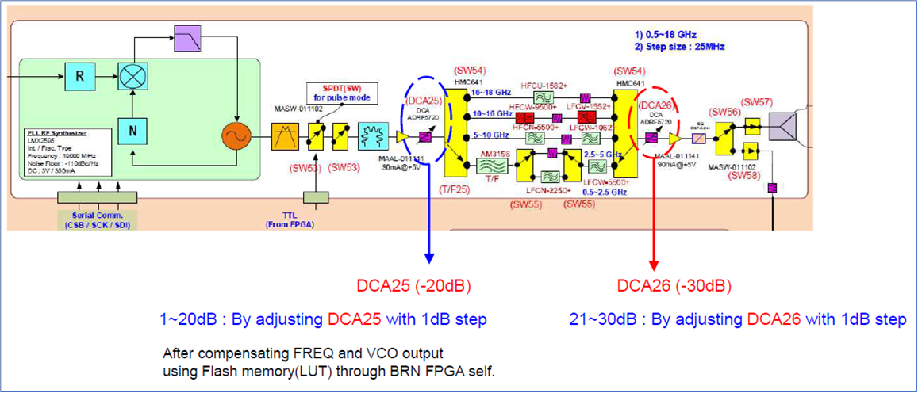
 |  |  |  |  |  |  |  |  |  |  |  |  |  |  |  |  |  |  |  |  |  |  |  |  |  |  |  |  |  |  |  | 1 | PLS
 |  |  |  |  |  |  |  |  |  |  |  |  |  |  |  |  |  |  |  |  |  |  |  |  |  |  |  |  | INT/EXT | [23] | INTERNAL / EXTRENAL BIT | 0 | INTERNAL BIT | 0
 |  |  |  |  |  |  |  |  |  |  |  |  |  |  |  |  |  |  |  |  |  |  |  |  |  |  |  |  |  |  |  | 1 | EXTERNAL BIT

CH_CFG
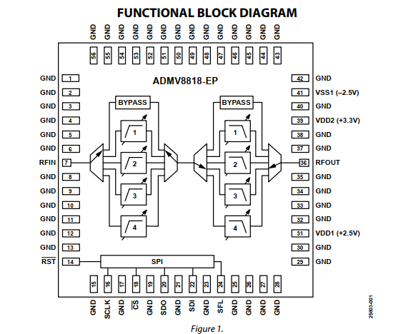
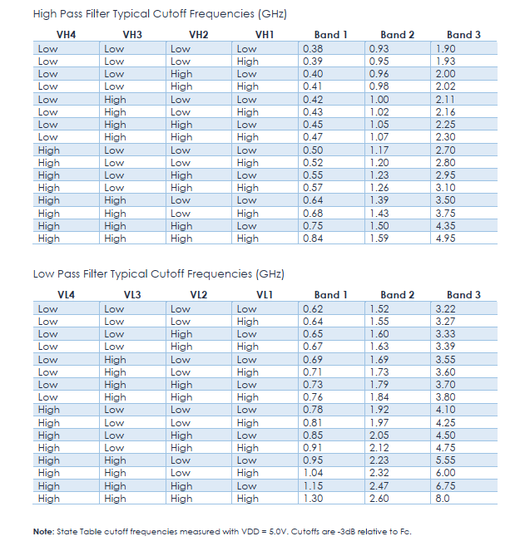
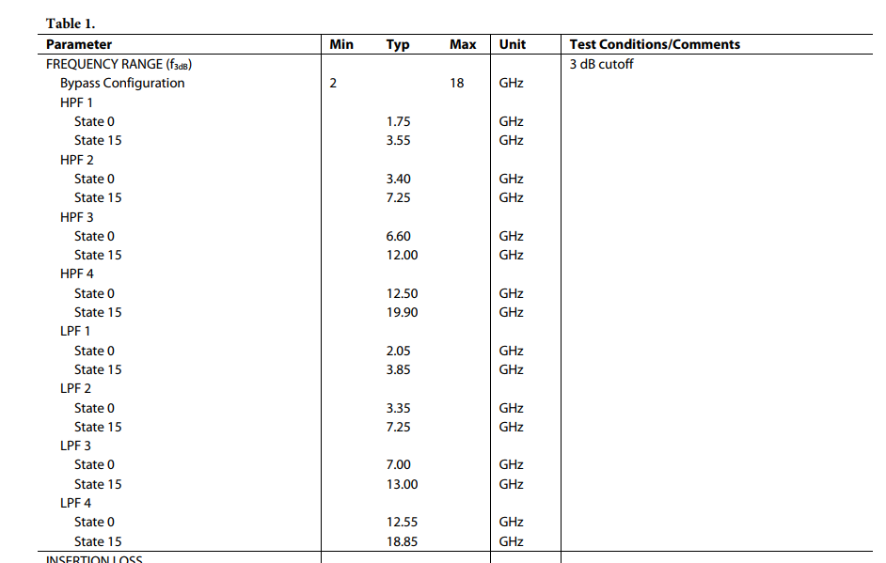
 | 31 | addr | [30:24] | 23 | 22 | 21 | 20 | 19 | 18 | 17 | 16 | 15 | 14 | 13 | 12 | 11 | 10 | 9 | 8 | 7 | 6 | 5 | 4 | 3 | 2 | 1 | 0
Command | R/W |  | A[6:0] | D[23:0]
CFGREG1 | R/W | 0 | 0x00 | 0 | 0 | DCA3 |  |  |  |  |  | DCA2 |  |  |  |  |  | DCA1 |  |  |  |  |  | IFOBS | RFIBS |  | 0
CFGREG2 | R/W | 1 | 0x01 | 0 | 0 | 0 | 0 | TF3_VL |  |  |  | TF3_VH |  |  |  | TF3_VSW |  | TF1_VL |  |  |  | TF1_VH |  |  |  | TF1_VSW
CFGREG3 | R/W | 2 | 0x02 | 0 | 0 | 0 | 0 | 0 | 0 | 0 | 0 | 0 | 0 | TF2_HPF_STATE |  |  |  | TF2_LPF_SW |  |  | TF2_HPF_STATE |  |  |  | TF2_HPF_SW
CFGREG4 | R/W | 3 | 0x03 | 0 | 0 | 0 | 0 | 0 | 0 | 0 | 0 | 0 | 0 | 0 | 0 | 0 | 0 | 0 | LO_PDWN | LO_FREQ

 |  |  |  |  |  |  |  |  |  |  |  |  |  |  |  |  |  |  |  |  |  |  |  |  |  |  |  |  | Fieldname | BITS | Description | Remarks/Enum |  | Default value | IDD version control
 |  |  |  |  |  |  |  |  |  |  |  |  |  |  |  |  |  |  |  |  |  |  |  |  |  |  |  | CFGREG1 | RSVD | [0] | Reserved bits, in write assign to 0's, in read return 0's |  |  | 0 | 1.6.1.
 |  |  |  |  |  |  |  |  |  |  |  |  |  |  |  |  |  |  |  |  |  |  |  |  |  |  |  |  | RFIBS | [2:1] | RF Input Band select: contolr switch 2,3,4 see table below | 0x0 | 0.35-4.75 | 0
 |  |  |  |  |  |  |  |  |  |  |  |  |  |  |  |  |  |  |  |  |  |  |  |  |  |  |  |  |  |  |  | 0x1 | 2-6
DCA1
 |  |  |  |  |  |  |  |  |  |  |  |  |  |  |  |  |  |  |  |  |  |  |  |  |  |  |  |  |  |  |  | 0x2 | 6-18
 |  |  |  |  |  |  |  |  |  |  |  |  |  |  |  |  |  |  |  |  |  |  |  |  |  |  |  |  |  |  |  | 0x3 | TERMINATED
 |  |  |  |  |  |  |  |  |  |  |  |  |  |  |  |  |  |  |  |  |  |  |  |  |  |  |  |  | IFOBS | [3] | IF Out Band select: directly control SW5 | 0 | 0.35-2.4 | 0 | 1.6 change from 0.35-4.75
 |  |  |  |  |  |  |  |  |  |  |  |  |  |  |  |  |  |  |  |  |  |  |  |  |  |  |  |  |  |  |  | 1 | 2.75-4.75
 |  |  |  |  |  |  |  |  |  |  |  |  |  |  |  |  |  |  |  |  |  |  |  |  |  |  |  |  | DCA1 | [9:4] | directly control attenuation of DCA1, LSB is 0.5[db] range of attenuation is betenn 0 and 31.5[db] |  |  | 0
DCA3
 |  |  |  |  |  |  |  |  |  |  |  |  |  |  |  |  |  |  |  |  |  |  |  |  |  |  |  |  | DCA2 | [15:10] | dircectly control attenuation of DCA2 LSB is 0.5[db] range of attenuation is betenn 0 and 31.5[db] |  |  | 0
DCA2
 |  |  |  |  |  |  |  |  |  |  |  |  |  |  |  |  |  |  |  |  |  |  |  |  |  |  |  |  | DCA3 | [21:16] | dircectly control attenuation of DCA3 LSB is 0.5[db] range of attenuation is betenn 0 and 31.5[db] |  |  | 0
 |  |  |  |  |  |  |  |  |  |  |  |  |  |  |  |  |  |  |  |  |  |  |  |  |  |  |  |  | RSVD | [23:22] | Reserved bits, in write assign to 0's, in read return 0's |  |  | 0 | 1.3fix error bits was [23:16]
 |  |  |  |  |  |  |  |  |  |  |  |  |  |  |  |  |  |  |  |  |  |  |  |  |  |  |  | CFGREG2 | TF1_VSW | [1:0] | Directly control the TF1 switch control pins VSW2,VSW1 details are in am3156 datasheet |  |  | 0 (Bypass)
 |  |  |  |  |  |  |  |  |  |  |  |  |  |  |  |  |  |  |  |  |  |  |  |  |  |  |  |  | TF1_VH | [5:2] | Directly control the TF1 High pass filter control pins VH4,VH3,VH2,VH1 , details are in am3156 datasheet |  |  | 0
 |  |  |  |  |  |  |  |  |  |  |  |  |  |  |  |  |  |  |  |  |  |  |  |  |  |  |  |  | TF1_VL | [9:6] | Directly control the TF1 Low pass filter control pins VL4,VL3,VL2,VL1 , details are in am3156 datasheet |  |  | 0
 |  |  |  |  |  |  |  |  |  |  |  |  |  |  |  |  |  |  |  |  |  |  |  |  |  |  |  |  | TF3_VSW | [11:10] | Directly control the TF3 switch control pins VSW2,VSW1 details are in am3156 datasheet |  |  | 0 (Bypass)
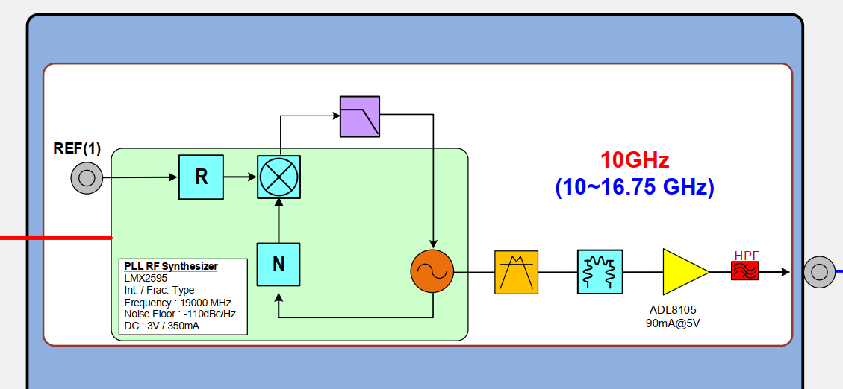
 |  |  |  |  |  |  |  |  |  |  |  |  |  |  |  |  |  |  |  |  |  |  |  |  |  |  |  |  | TF3_VH | [15:12] | Directly control the TF3 High pass filter control pins VH4,VH3,VH2,VH1 , details are in am3156 datasheet |  |  | 0 | 1.3 fix error bits (was [5:2])
 |  |  |  |  |  |  |  |  |  |  |  |  |  |  |  |  |  |  |  |  |  |  |  |  |  |  |  |  | TF3_VL | [19:16] | Directly control the TF3 Low pass filter control pins VL4,VL3,VL2,VL1 , details are in am3156 datasheet |  |  | 0 | 1.3 fix error bits (was [9:6])
 |  |  |  |  |  |  |  |  |  |  |  |  |  |  |  |  |  |  |  |  |  |  |  |  |  |  |  |  | RSVD | [23:20] | Reserved bits, in write assign to 0's, in read return 0's |  |  | 0
 |  |  |  |  |  |  |  |  |  |  |  |  |  |  |  |  |  |  |  |  |  |  |  |  |  |  |  | CFGREG3 | TF2_HPF_SW | [2:0] | select TF2 HPF band HPF1/HPF2/HPF3/HPF4, for more details at admv8818-ep datasheet | 0x0 | HPF Bypass | 0
 |  |  |  |  |  |  |  |  |  |  |  |  |  |  |  |  |  |  |  |  |  |  |  |  |  |  |  |  |  |  |  | 0x1 | HPF1: 1.75-3.55 GHz, LSB 0.12 GHZ
 |  |  |  |  |  |  |  |  |  |  |  |  |  |  |  |  |  |  |  |  |  |  |  |  |  |  |  |  |  |  |  | 0x2 | HPF2: 3.40-7.25 GHz, LSB 0.26 GHZ
 |  |  |  |  |  |  |  |  |  |  |  |  |  |  |  |  |  |  |  |  |  |  |  |  |  |  |  |  |  |  |  | 0x3 | HPF3: 6.6-12.0 GHz, LSB 0.36 GHZ
 |  |  |  |  |  |  |  |  |  |  |  |  |  |  |  |  |  |  |  |  |  |  |  |  |  |  |  |  |  |  |  | 0x4 | HPF4: 12.5-19.9 GHz, LSB 0.49 GHZ
 |  |  |  |  |  |  |  |  |  |  |  |  |  |  |  |  |  |  |  |  |  |  |  |  |  |  |  |  | TF2_HPF_STATE | [6:3] | select the HPF state 0 to 15, each stae increment the cutoff frequency of the selcted HPF e.g for HPF1 state 0 assign the cutoff frequency to 1.75 GHz, state15 to 3.55 Ghz (1.75+0.12*15) |  |  | 0 | 1.3 fix error bits (was [5:2])
 |  |  |  |  |  |  |  |  |  |  |  |  |  |  |  |  |  |  |  |  |  |  |  |  |  |  |  |  | TF2_LPF_SW | [9:7] | select TF2 LPF band LPF1/ LPF2/ LPF3/ LPF4, for more details at admv8818-ep datasheet | 0x0 | LPF Bypass | 0 | 1.3 fix error bits (was [7:6])
 |  |  |  |  |  |  |  |  |  |  |  |  |  |  |  |  |  |  |  |  |  |  |  |  |  |  |  |  |  |  |  | 0x1 | LPF1: 2.05-3.85 GHz, LSB 0.12 GHZ
 |  |  |  |  |  |  |  |  |  |  |  |  |  |  |  |  |  |  |  |  |  |  |  |  |  |  |  |  |  |  |  | 0x2 | LPF2: 3.35-7.25 GHz, LSB 0.26 GHZ
 |  |  |  |  |  |  |  |  |  |  |  |  |  |  |  |  |  |  |  |  |  |  |  |  |  |  |  |  |  |  |  | 0x3 | LPF3: 7.0-13.0 GHz, LSB 0.36 GHZ
 |  |  |  |  |  |  |  |  |  |  |  |  |  |  |  |  |  |  |  |  |  |  |  |  |  |  |  |  |  |  |  | 0x4 | LPF4: 12.55-18.85 GHz, LSB 0.49 GHZ
 |  |  |  |  |  |  |  |  |  |  |  |  |  |  |  |  |  |  |  |  |  |  |  |  |  |  |  |  | TF2_LPF_STATE | [13:10] | select the LPF state 0 to 15, each state increment the cutoff frequency of the selcted LPF e.g for LPF1 state 0 assign the cutoff frequency to 2.05 GHz, state15 to 3.85 Ghz (2.05+0.12*15) |  |  | 0 | 1.3 fix error bits (was [11:8])
 |  |  |  |  |  |  |  |  |  |  |  |  |  |  |  |  |  |  |  |  |  |  |  |  |  |  |  |  | RSVD | [23:14] | Reserved bits, in write assign to 0's, in read return 0's |  |  | 0 | 1.3 fix error bits was [23:13]
 |  |  |  |  |  |  |  |  |  |  |  |  |  |  |  |  |  |  |  |  |  |  |  |  |  |  |  | CFGREG4 | LO_FREQ | [7:0] | Sets the local oscillator (LO) frequency LSB = 50 MHz per step BIT LO Frequency (MHz) = 10000 + (Register_Value × 50mHZ**) Frequency range: 10000 MHz to 16750 MHz | 1ST UNIT (PROTOTYPE) Only 8EA FREQ. 2ND UNIT (MAIN) Elta will consider at second satge whether to change to 125[mhz] or stay with 50[mhz] steps |  | 0 | 1.6
 |  |  |  |  |  |  |  |  |  |  |  |  |  |  |  |  |  |  |  |  |  |  |  |  |  |  |  |  | LO_PDWN | [8] | Power down LO ( 1 means power down) |  |  | 0
 |  |  |  |  |  |  |  |  |  |  |  |  |  |  |  |  |  |  |  |  |  |  |  |  |  |  |  |  | RSVD | [23:9] | Reserved bits, in write assign to 0's, in read return 0's |  |  | 0

configuration flow
