MOFC_ASSIGN
MOFC assign

 |  |  |  | Channels configuration
 | GlobalCfg |  |  |  | 0 | 1 | 2 | 3 | 4 | 5 | 6 | 7
 | Opmode | CommonQuad |  | RFIRC | ANT | ANT | ANT | ANT | ANT | ANT | ANT | ANT | ANT | BIT
 | PM-PRI[us] | 1000 |  | RFIBS | 2-6 | 2-6 | 2-6 | 2-6 | 2-6 | 2-6 | 2-6 | 2-6 | 0.35-4.75 | 2-6 | 6-18 | TERMINATED
 | PM-PW[us] | 10 |  | IFOBS | 2.75-4.75 | 2.75-4.75 | 2.75-4.75 | 2.75-4.75 | 2.75-4.75 | 2.75-4.75 | 2.75-4.75 | 2.75-4.75 | 0.35-4.75 | 2.75-4.75
WriteGlobalCfg
 |  |  |  | DCA1 | 5 | 5 | 5 | 5 | 5 | 5 | 5 | 5 | UINT 6 bit0 to 63, LSB is 0.5[db]
 |  |  |  | DCA2 | 5 | 5 | 5 | 5 | 5 | 5 | 5 | 5 | UINT 6 bit0 to 63, LSB is 0.5[db]
 |  |  |  | DCA3 | 5 | 5 | 5 | 5 | 5 | 5 | 5 | 5 | UINT 6 bit0 to 63, LSB is 0.5[db]
 |  |  |  | TF1_VSW | Band1 | Band1 | Band1 | Band1 | Band1 | Band1 | Band1 | Band1 | Bypass | Band1 | Band2 | Band3
 |  |  |  | TF1_VH | 1 | 1 | 1 | 1 | 1 | 1 | 1 | 1 | UINT 0 to 15
 |  |  |  | TF1_VL | 1 | 1 | 1 | 1 | 1 | 1 | 1 | 1 | UINT 0 to 15
 | Bit config |  |  | TF3_VSW | Band2 | Band2 | Band2 | Band2 | Band2 | Band2 | Band2 | Band2 | Bypass | Band1 | Band2 | Band3
 | BIT_LO_FREQ[mhz] | 10333 |  | TF3_VH | 2 | 2 | 2 | 2 | 2 | 2 | 2 | 2 | UINT 0 to 15
 | BIT_OUT_PWR | -30 |  | TF3_VL | 2 | 2 | 2 | 2 | 2 | 2 | 2 | 2 | UINT 0 to 15
 | BIT INT/EXT | INT |  | TF2_HPF_SW | Bypass | Bypass | Bypass | Bypass | Bypass | Bypass | Bypass | Bypass | Bypass | HPF1 | HPF2 | HPF3 | HPF4
 | Pls/CW | Pls |  | TF2_HPF_STATE | 3 | 3 | 3 | 3 | 3 | 3 | 3 | 3 | UINT 0 to 15
SendConfig
Message
 |  |  |  | TF2_LPF_SW | LPF2 | LPF2 | LPF2 | LPF2 | LPF2 | LPF2 | LPF2 | LPF2 | Bypass | LPF1 | LPF2 | LPF3 | LPF4
 |  | WriteCheckSum |  | TF2_LPF_STATE | 7 | 7 | 7 | 7 | 7 | 7 | 7 | 7 | UINT 0 to 15
 |  | TRUE |  | LO_FREQ | 10000 | 10000 | 10000 | 10000 | 10000 | 10000 | 10000 | 10000
 |  |  |  | LO_PDWN | 0 | 0 | 0 | 0 | 0 | 0 | 0 | 0
SendLoadRF

ReadStatus
Reg
Read FPGA VEr
Read Serial Num

 |  |  |  |  |  |  |  |  |  |  | 3.5.4.6 | 5.a

Global Read/Write regs
Read Reg
Write Reg
 |  | Addr | ReturnData |  |  | Addr | WriteData
 |  | 0 | 0x33 |  |  | 2 | 0x44

MOFC_DEBUG
MOFC Read

 |  |  | Channels configuration
 | GlobalCfg |  |  | 0 | 1 | 2 | 3 | 4 | 5 | 6 | 7
 | Opmode | CommonQuad | RFISRC | ANT | ANT | ANT | ANT | ANT | ANT | ANT | ANT | ANT | BIT
 | PM-PRI[us] | 1000 | RFIBS | 2-6 | 2-6 | 2-6 | 2-6 | 2-6 | 2-6 | 2-6 | 2-6 | 0.35-4.75 | 2-6 | 6-18 | TERMINATED
 | PM-PW[us] | 10 | IFOBS | 2.75-4.75 | 2.75-4.75 | 2.75-4.75 | 2.75-4.75 | 2.75-4.75 | 2.75-4.75 | 2.75-4.75 | 2.75-4.75 | 0.35-4.75 | 2.75-4.75
 |  |  | DCA1 | 5 | 5 | 5 | 5 | 5 | 5 | 5 | 5 | UINT 6 bit0 to 63, LSB is 0.5[db]
 |  |  | DCA2 | 5 | 5 | 5 | 5 | 5 | 5 | 5 | 5 | UINT 6 bit0 to 63, LSB is 0.5[db]
 |  |  | DCA3 | 5 | 5 | 5 | 5 | 5 | 5 | 5 | 5 | UINT 6 bit0 to 63, LSB is 0.5[db]
 |  |  | TF1_VSW | Band1 | Band1 | Band1 | Band1 | Band1 | Band1 | Band1 | Band1 | Bypass | Band1 | Band2 | Band3
 |  |  | TF1_VH | 1 | 1 | 1 | 1 | 1 | 1 | 1 | 1 | UINT 0 to 15
 |  |  | TF1_VL | 1 | 1 | 1 | 1 | 1 | 1 | 1 | 1 | UINT 0 to 15
 | Bit config |  | TF3_VSW | Band2 | Band2 | Band2 | Band2 | Band2 | Band2 | Band2 | Band2 | Bypass | Band1 | Band2 | Band3
 | BIT_LO_FREQ[mhz] | 10333 | TF3_VH | 2 | 2 | 2 | 2 | 2 | 2 | 2 | 2 | UINT 0 to 15
 | BIT_OUT_PWR | -30 | TF3_VL | 2 | 2 | 2 | 2 | 2 | 2 | 2 | 2 | UINT 0 to 15
 | BIT INT/EXT | INT | TF2_HPF_SW | Bypass | Bypass | Bypass | Bypass | Bypass | Bypass | Bypass | Bypass | Bypass | HPF1 | HPF2 | HPF3 | HPF4
 | Pls/CW | Pls | TF2_HPF_STATE | 3 | 3 | 3 | 3 | 3 | 3 | 3 | 3 | UINT 0 to 15
 |  |  | TF2_LPF_SW | LPF2 | LPF2 | LPF2 | LPF2 | LPF2 | LPF2 | LPF2 | LPF2 | Bypass | LPF1 | LPF2 | LPF3 | LPF4
 |  |  | TF2_LPF_STATE | 7 | 7 | 7 | 7 | 7 | 7 | 7 | 7 | UINT 0 to 15
 |  |  | LO_FREQ | 10000 | 10000 | 10000 | 10000 | 10000 | 10000 | 10000 | 10000
 |  |  | LO_PDWN | 0 | 0 | 0 | 0 | 0 | 0 | 0 | 0

Read Configruation
 |  |  | StatusReg |  |  |  |  |  | FPGA-VER | Serial Number
 |  |  |  |  |  |  |  |  | 3.5.4.6 | 5.a

Sheet1
MOFC assign

 |  |  |  | Channels configuration
 | GlobalCfg |  |  |  | 0 | 1 | 2 | 3 | 4 | 5 | 6 | 7
 | Opmode | CommonQuad |  | RFIBS | 2-6 | 2-6 | 2-6 | 2-6 | 2-6 | 2-6 | 2-6 | 2-6 | 0.35-4.75 | 2-6 | 6-18 | TERMINATED
 | PM-PRI[us] | 1000 |  | IFOBS | 2.75-4.75 | 2.75-4.75 | 2.75-4.75 | 2.75-4.75 | 2.75-4.75 | 2.75-4.75 | 2.75-4.75 | 2.75-4.75 | 0.35-4.75 | 2.75-4.75
 | PM-PW[us] | 10 |  | DCA1 | 5 | 5 | 5 | 5 | 5 | 5 | 5 | 5 | UINT 6 bit0 to 63, LSB is 0.5[db]
 | Bit/Ant | Ant |  | DCA2 | 5 | 5 | 5 | 5 | 5 | 5 | 5 | 5 | UINT 6 bit0 to 63, LSB is 0.5[db]
 |  |  |  | DCA3 | 5 | 5 | 5 | 5 | 5 | 5 | 5 | 5 | UINT 6 bit0 to 63, LSB is 0.5[db]
 |  |  |  | TF1_VSW | Band1 | Band1 | Band1 | Band1 | Band1 | Band1 | Band1 | Band1 | Bypass | Band1 | Band2 | Band3
 |  |  |  | TF1_VH | 1 | 1 | 1 | 1 | 1 | 1 | 1 | 1 | UINT 0 to 15
 |  |  |  | TF1_VL | 1 | 1 | 1 | 1 | 1 | 1 | 1 | 1 | UINT 0 to 15
 | Bit config |  |  | TF3_VSW | Band2 | Band2 | Band2 | Band2 | Band2 | Band2 | Band2 | Band2 | Bypass | Band1 | Band2 | Band3
 | BIT_LO_FREQ[mhz] | 10333 |  | TF3_VH | 2 | 2 | 2 | 2 | 2 | 2 | 2 | 2 | UINT 0 to 15
 | BIT_OUT_PWR | -30 |  | TF3_VL | 2 | 2 | 2 | 2 | 2 | 2 | 2 | 2 | UINT 0 to 15
 | BIT INT/EXT | INT |  | TF2_HPF_SW | Bypass | Bypass | Bypass | Bypass | Bypass | Bypass | Bypass | Bypass | Bypass | HPF1 | HPF2 | HPF3 | HPF4
 | Pls/CW | Pls |  | TF2_HPF_STATE | 3 | 3 | 3 | 3 | 3 | 3 | 3 | 3 | UINT 0 to 15
 |  |  |  | TF2_LPF_SW | LPF2 | LPF2 | LPF2 | LPF2 | LPF2 | LPF2 | LPF2 | LPF2 | Bypass | LPF1 | LPF2 | LPF3 | LPF4
 |  |  |  | TF2_LPF_STATE | 7 | 7 | 7 | 7 | 7 | 7 | 7 | 7 | UINT 0 to 15
SendConfig
Message
 |  |  |  | LO_FREQ | 10000 | 10000 | 10000 | 10000 | 10000 | 10000 | 10000 | 10000
Write
CheckSum
 |  |  |  | LO_PDWN | 0 | 0 | 0 | 0 | 0 | 0 | 0 | 0

ReadStatus
Reg
Read FPGA VEr
Read Serial Num

 |  |  |  |  |  |  |  |  |  |  | 3.5.4.6 | 5.a

Global Read/Write regs
Read Reg
Write Reg
 |  | Addr | ReturnData |  |  | Addr | WriteData
 |  | 0 | 0x33 |  |  | 2 | 0x44

DCA1

DCA1

DCA2

FPGA_VER_REG
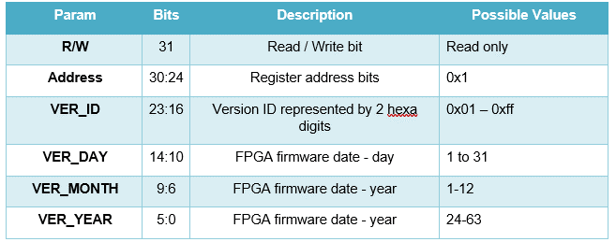
 | 31 | addr | [30:24] | 23 | 22 | 21 | 20 | 19 | 18 | 17 | 16 | 15 | 14 | 13 | 12 | 11 | 10 | 9 | 8 | 7 | 6 | 5 | 4 | 3 | 2 | 1 | 0
Command | R/W |  | A[6:0] | D[23:0]
FPGA_VER_REG | RO | 1 | 0x01 | VER_ID |  |  |  |  |  |  |  |  | VER-DAY |  |  |  |  | VER-MONTH |  |  |  | VER-YEAR

BIT_CONFIG
 | 31 | addr | [30:24] | 23 | 22 | 21 | 20 | 19 | 18 | 17 | 16 | 15 | 14 | 13 | 12 | 11 | 10 | 9 | 8 | 7 | 6 | 5 | 4 | 3 | 2 | 1 | 0
Command | R/W |  | A[6:0] | D[23:0]
BIT-Config | R/W | 7 | 0x07 | 0 | 0 | 0 | 0 | 0 | 0 | INT/EXT | Pls/CW | BIT_OUT_PWR |  |  |  |  |  | BIT_LO_FREQ
 |  |  |  |  |  |  |  |  |  |  |  |  |  |  |  |  |  |  |  |  |  |  |  |  |  |  |  |  | Fieldname | BITS | Description | Remarks/Enums
 |  |  |  |  |  |  |  |  |  |  |  |  |  |  |  |  |  |  |  |  |  |  |  |  |  |  |  | BIT-Config | BIT_LO_FREQ | [9:0] | Sets the local oscillator (LO) frequency for the bit output LSB = 25 MHz per step BIT LO Frequency (MHz) = 500 + (Register_Value × 25) Frequency range: 500 MHz to 18,000 MHz | Register value range: 0(500[mhz]) to 700(18000[mhz])

 |  |  |  |  |  |  |  |  |  |  |  |  |  |  |  |  |  |  |  |  |  |  |  |  |  |  |  |  | BIT_OUT_PWR | [15:10] | Sets the transmitter output power from -30 dBm (max) to -80 dBm (min). LSB = 1 dBm per step Output Power (dBm) = -30 - Register_Value | Register value range: 0 to 50

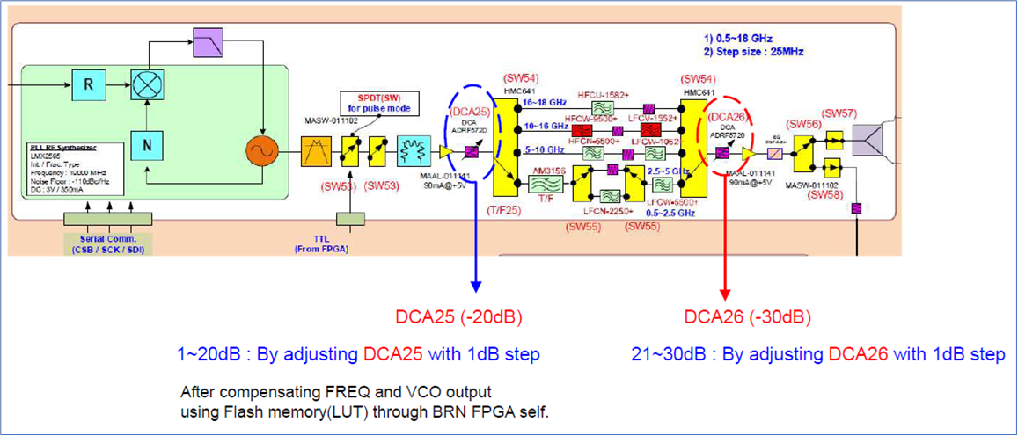
 |  |  |  |  |  |  |  |  |  |  |  |  |  |  |  |  |  |  |  |  |  |  |  |  |  |  |  |  | Pls/CW | [16] | CW ot pulse mode, incase of Pulse mode Pulsewidth and PRI are defined in global cobfig register | 0 | CW
 |  |  |  |  |  |  |  |  |  |  |  |  |  |  |  |  |  |  |  |  |  |  |  |  |  |  |  |  |  |  |  | 1 | PLS
 |  |  |  |  |  |  |  |  |  |  |  |  |  |  |  |  |  |  |  |  |  |  |  |  |  |  |  |  | INT/EXT | [17] | INTERNAL / EXTRENAL BIT | 0 | INTERNAL BIT
 |  |  |  |  |  |  |  |  |  |  |  |  |  |  |  |  |  |  |  |  |  |  |  |  |  |  |  |  |  |  |  | 1 | EXTERNAL BIT
 |  |  |  |  |  |  |  |  |  |  |  |  |  |  |  |  |  |  |  |  |  |  |  |  |  |  |  |  | RSVD | [23:16] | Reserved bits, in write assign to 0's, in read return 0's

CH_CFG
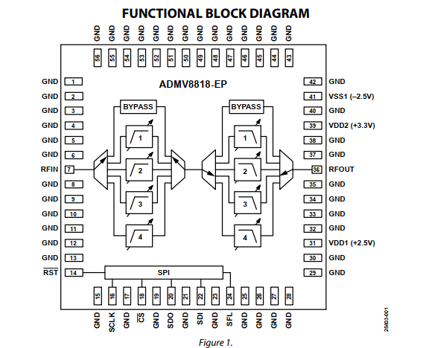
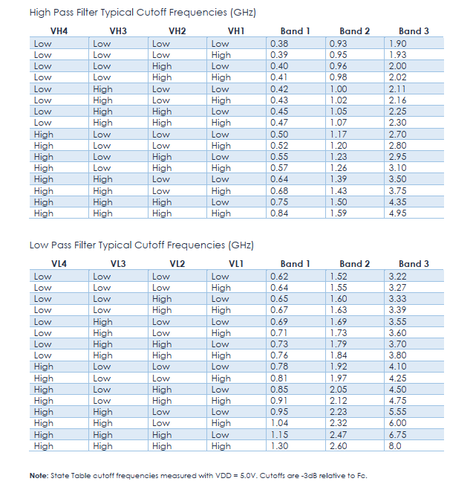
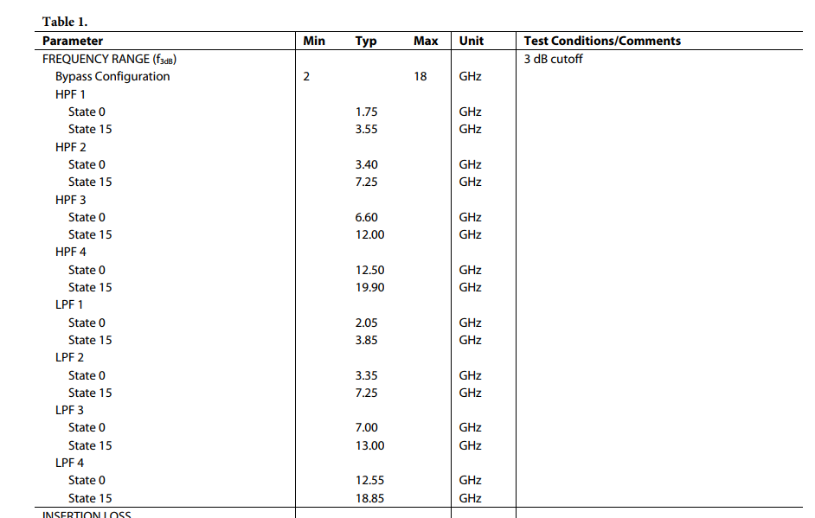
 | 31 | addr | [30:24] | 23 | 22 | 21 | 20 | 19 | 18 | 17 | 16 | 15 | 14 | 13 | 12 | 11 | 10 | 9 | 8 | 7 | 6 | 5 | 4 | 3 | 2 | 1 | 0
Command | R/W |  | A[6:0] | D[23:0]
CFGREG1 | R/W | 0 | 0x00 | 0 | 0 | DCA3 |  |  |  |  |  | DCA2 |  |  |  |  |  | DCA1 |  |  |  |  |  | IFOBS | RFIBS |  | RFISRC
CFGREG2 | R/W | 1 | 0x01 | 0 | 0 | 0 | 0 | TF3_VH |  |  |  | TF3_VL |  |  |  | TF3_VSW |  | TF1_VH |  |  |  | TF1_VL |  |  |  | TF1_VSW
CFGREG3 | R/W | 2 | 0x02 | 0 | 0 | 0 | 0 | 0 | 0 | 0 | 0 | 0 | 0 | TF2_HPF_STATE |  |  |  | TF2_LPF_SW |  |  | TF2_HPF_STATE |  |  |  | TF2_HPF_SW
CFGREG4 | R/W | 3 | 0x03 | 0 | 0 | 0 | 0 | 0 | 0 | 0 | 0 | 0 | 0 | 0 | 0 | 0 | 0 | 0 | LO_PDWN | LO_FREQ

 |  |  |  |  |  |  |  |  |  |  |  |  |  |  |  |  |  |  |  |  |  |  |  |  |  |  |  |  |  | Fieldname | BITS | Description
 |  |  |  |  |  |  |  |  |  |  |  |  |  |  |  |  |  |  |  |  |  |  |  |  |  |  |  |  | CFGREG1 | RFISRC | [0] | RF IN Source: Select between Bit and ANT directly control SW5 | 0 | ANT
 |  |  |  |  |  |  |  |  |  |  |  |  |  |  |  |  |  |  |  |  |  |  |  |  |  |  |  |  |  |  |  |  | 1 | BIT
 |  |  |  |  |  |  |  |  |  |  |  |  |  |  |  |  |  |  |  |  |  |  |  |  |  |  |  |  |  | RFIBS | [2:1] | RF Input Band select: contolr switch 2,3,4 see table below | 0x0 | 0.35-4.75
 |  |  |  |  |  |  |  |  |  |  |  |  |  |  |  |  |  |  |  |  |  |  |  |  |  |  |  |  |  |  |  |  | 0x1 | 2-6
DCA1
 |  |  |  |  |  |  |  |  |  |  |  |  |  |  |  |  |  |  |  |  |  |  |  |  |  |  |  |  |  |  |  |  | 0x2 | 6-18
RFISRC
IFOBS
 |  |  |  |  |  |  |  |  |  |  |  |  |  |  |  |  |  |  |  |  |  |  |  |  |  |  |  |  |  |  |  |  | 0x3 | TERMINATED
 |  |  |  |  |  |  |  |  |  |  |  |  |  |  |  |  |  |  |  |  |  |  |  |  |  |  |  |  |  | IFOBS | [3] | IF Out Band select: directly control SW5 | 0 | 0.35-2.4
 |  |  |  |  |  |  |  |  |  |  |  |  |  |  |  |  |  |  |  |  |  |  |  |  |  |  |  |  |  |  |  |  | 1 | 2.75-4.75
TF1
TF3
 |  |  |  |  |  |  |  |  |  |  |  |  |  |  |  |  |  |  |  |  |  |  |  |  |  |  |  |  |  | DCA1 | [9:4] | directly control attenuation of DCA1, LSB is 0.5[db] range of attenuation is betenn 0 and 31.5[db]
TF2
DCA3
 |  |  |  |  |  |  |  |  |  |  |  |  |  |  |  |  |  |  |  |  |  |  |  |  |  |  |  |  |  | DCA2 | [15:10] | dircectly control attenuation of DCA2 LSB is 0.5[db] range of attenuation is betenn 0 and 31.5[db]
DCA2
RFIBS
 |  |  |  |  |  |  |  |  |  |  |  |  |  |  |  |  |  |  |  |  |  |  |  |  |  |  |  |  |  | DCA3 | [21:16] | dircectly control attenuation of DCA3 LSB is 0.5[db] range of attenuation is betenn 0 and 31.5[db]
 |  |  |  |  |  |  |  |  |  |  |  |  |  |  |  |  |  |  |  |  |  |  |  |  |  |  |  |  |  | RSVD | [23:16] | Reserved bits, in write assign to 0's, in read return 0's
 |  |  |  |  |  |  |  |  |  |  |  |  |  |  |  |  |  |  |  |  |  |  |  |  |  |  |  |  | CFGREG2 | TF1_VSW | [1:0] | Directly control the TF1 switch control pins VSW2,VSW1 details are in am3156 datasheet
 |  |  |  |  |  |  |  |  |  |  |  |  |  |  |  |  |  |  |  |  |  |  |  |  |  |  |  |  |  | TF1_VH | [5:2] | Directly control the TF1 High pass filter control pins VH4,VH3,VH2,VH1 , details are in am3156 datasheet
 |  |  |  |  |  |  |  |  |  |  |  |  |  |  |  |  |  |  |  |  |  |  |  |  |  |  |  |  |  | TF1_VL | [9:6] | Directly control the TF1 Low pass filter control pins VL4,VL3,VL2,VL1 , details are in am3156 datasheet
 |  |  |  |  |  |  |  |  |  |  |  |  |  |  |  |  |  |  |  |  |  |  |  |  |  |  |  |  |  | TF3_VSW | [11:10] | Directly control the TF3 switch control pins VSW2,VSW1 details are in am3156 datasheet
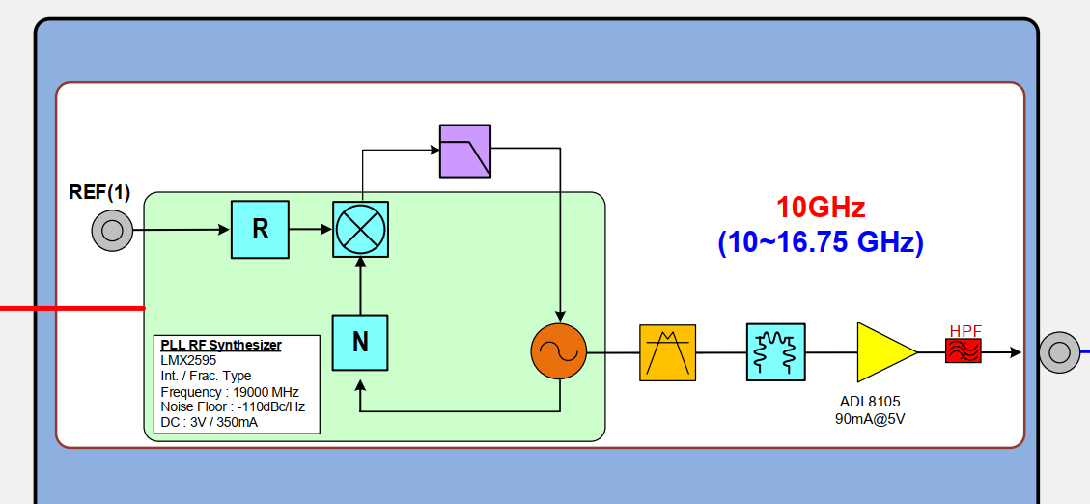
 |  |  |  |  |  |  |  |  |  |  |  |  |  |  |  |  |  |  |  |  |  |  |  |  |  |  |  |  |  | TF3_VH | [5:2] | Directly control the TF3 High pass filter control pins VH4,VH3,VH2,VH1 , details are in am3156 datasheet
 |  |  |  |  |  |  |  |  |  |  |  |  |  |  |  |  |  |  |  |  |  |  |  |  |  |  |  |  |  | TF3_VL | [9:6] | Directly control the TF3 Low pass filter control pins VL4,VL3,VL2,VL1 , details are in am3156 datasheet
 |  |  |  |  |  |  |  |  |  |  |  |  |  |  |  |  |  |  |  |  |  |  |  |  |  |  |  |  |  | RSVD | [23:20] | Reserved bits, in write assign to 0's, in read return 0's
 |  |  |  |  |  |  |  |  |  |  |  |  |  |  |  |  |  |  |  |  |  |  |  |  |  |  |  |  | CFGREG3 | TF2_HPF | [2:0] | select TF2 HPF band HPF1/HPF2/HPF3/HPF4, for more details at admv8818-ep datasheet | 0x0 | HPF Bypass
 |  |  |  |  |  |  |  |  |  |  |  |  |  |  |  |  |  |  |  |  |  |  |  |  |  |  |  |  |  |  |  |  | 0x1 | HPF1: 1.75-3.55 GHz, LSB 0.12 GHZ
 |  |  |  |  |  |  |  |  |  |  |  |  |  |  |  |  |  |  |  |  |  |  |  |  |  |  |  |  |  |  |  |  | 0x2 | HPF2: 3.40-7.25 GHz, LSB 0.26 GHZ
 |  |  |  |  |  |  |  |  |  |  |  |  |  |  |  |  |  |  |  |  |  |  |  |  |  |  |  | e |  |  |  |  | 0x3 | HPF3: 6.6-12.0 GHz, LSB 0.36 GHZ
 |  |  |  |  |  |  |  |  |  |  |  |  |  |  |  |  |  |  |  |  |  |  |  |  |  |  |  |  |  |  |  |  | 0x4 | HPF4: 12.5-19.9 GHz, LSB 0.49 GHZ
 |  |  |  |  |  |  |  |  |  |  |  |  |  |  |  |  |  |  |  |  |  |  |  |  |  |  |  |  |  | TF2_HPF_STATE | [5:2] | select the HPF state 0 to 15, each stae increment the cutoff frequency of the selcted HPF e.g for HPF1 state 0 assign the cutoff frequency to 1.75 GHz, state15 to 3.55 Ghz (1.75+0.12*15)
 |  |  |  |  |  |  |  |  |  |  |  |  |  |  |  |  |  |  |  |  |  |  |  |  |  |  |  |  |  | TF2_LPF_SW | [7:6] | select TF2 LPF band LPF1/ LPF2/ LPF3/ LPF4, for more details at admv8818-ep datasheet | 0x0 | LPF Bypass
 |  |  |  |  |  |  |  |  |  |  |  |  |  |  |  |  |  |  |  |  |  |  |  |  |  |  |  |  |  |  |  |  | 0x1 | LPF1: 2.05-3.85 GHz, LSB 0.12 GHZ
 |  |  |  |  |  |  |  |  |  |  |  |  |  |  |  |  |  |  |  |  |  |  |  |  |  |  |  |  |  |  |  |  | 0x2 | LPF2: 3.35-7.25 GHz, LSB 0.26 GHZ
 |  |  |  |  |  |  |  |  |  |  |  |  |  |  |  |  |  |  |  |  |  |  |  |  |  |  |  |  |  |  |  |  | 0x3 | LPF3: 7.0-13.0 GHz, LSB 0.36 GHZ
 |  |  |  |  |  |  |  |  |  |  |  |  |  |  |  |  |  |  |  |  |  |  |  |  |  |  |  |  |  |  |  |  | 0x4 | LPF4: 12.55-18.85 GHz, LSB 0.49 GHZ
 |  |  |  |  |  |  |  |  |  |  |  |  |  |  |  |  |  |  |  |  |  |  |  |  |  |  |  |  |  | TF2_LPF_STATE | [11:8] | select the LPF state 0 to 15, each state increment the cutoff frequency of the selcted LPF e.g for LPF1 state 0 assign the cutoff frequency to 2.05 GHz, state15 to 3.85 Ghz (2.05+0.12*15)
 |  |  |  |  |  |  |  |  |  |  |  |  |  |  |  |  |  |  |  |  |  |  |  |  |  |  |  |  |  | RSVD | [23:13] | Reserved bits, in write assign to 0's, in read return 0's
 |  |  |  |  |  |  |  |  |  |  |  |  |  |  |  |  |  |  |  |  |  |  |  |  |  |  |  |  | CFGREG4 | LO_FREQ | [7:0] | Sets the local oscillator (LO) frequency LSB = 50 MHz per step BIT LO Frequency (MHz) = 10000 + (Register_Value × 50) Frequency range: 10000 MHz to 16750 MHz |  | Register value range: 0 (10000[mhz]) to 135 (16750[mhz])
 |  |  |  |  |  |  |  |  |  |  |  |  |  |  |  |  |  |  |  |  |  |  |  |  |  |  |  |  |  | LO_PDWN | [8] | Power down LO ( 1 means power down)
 |  |  |  |  |  |  |  |  |  |  |  |  |  |  |  |  |  |  |  |  |  |  |  |  |  |  |  |  |  | RSVD | [23:9] | Reserved bits, in write assign to 0's, in read return 0's

configuration flow
