Diag-Top
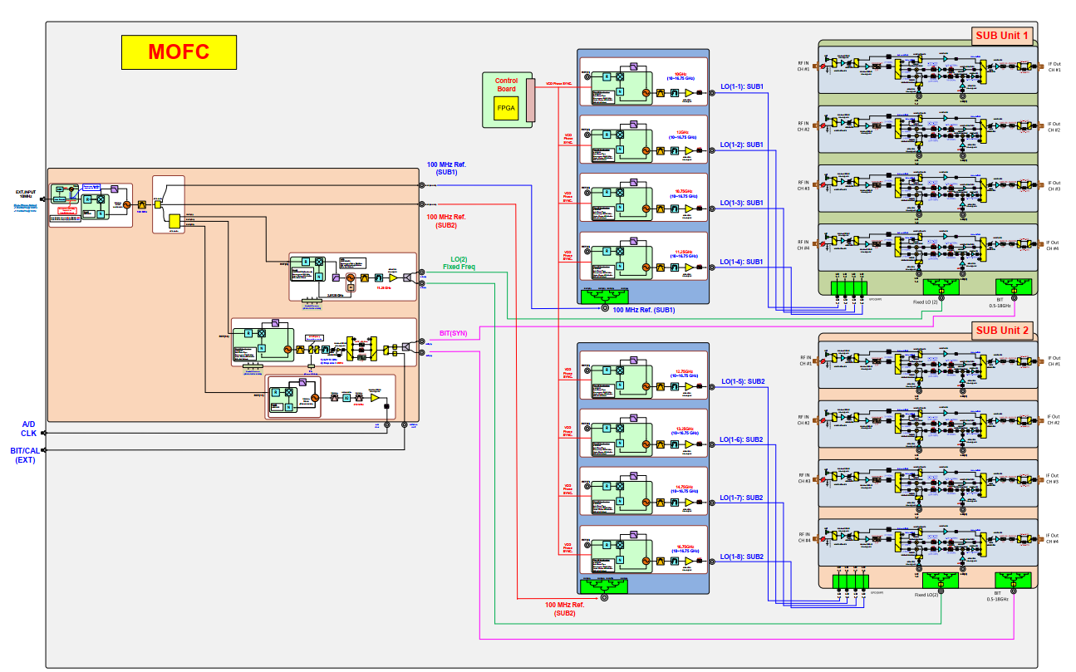

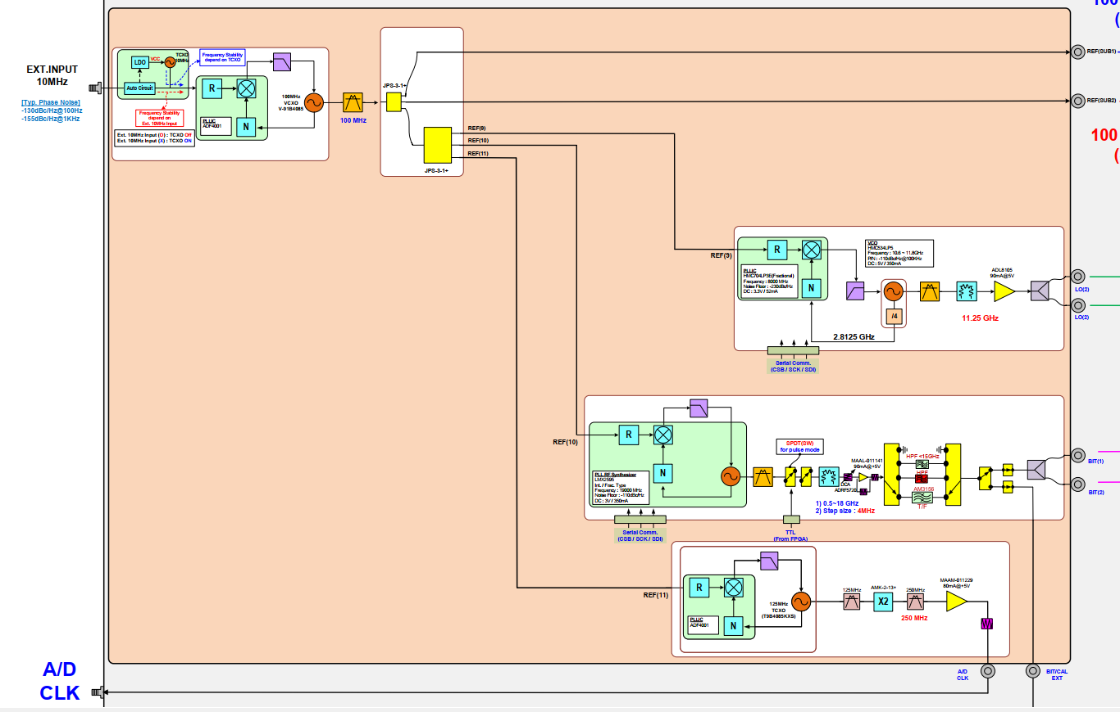

Subunit1
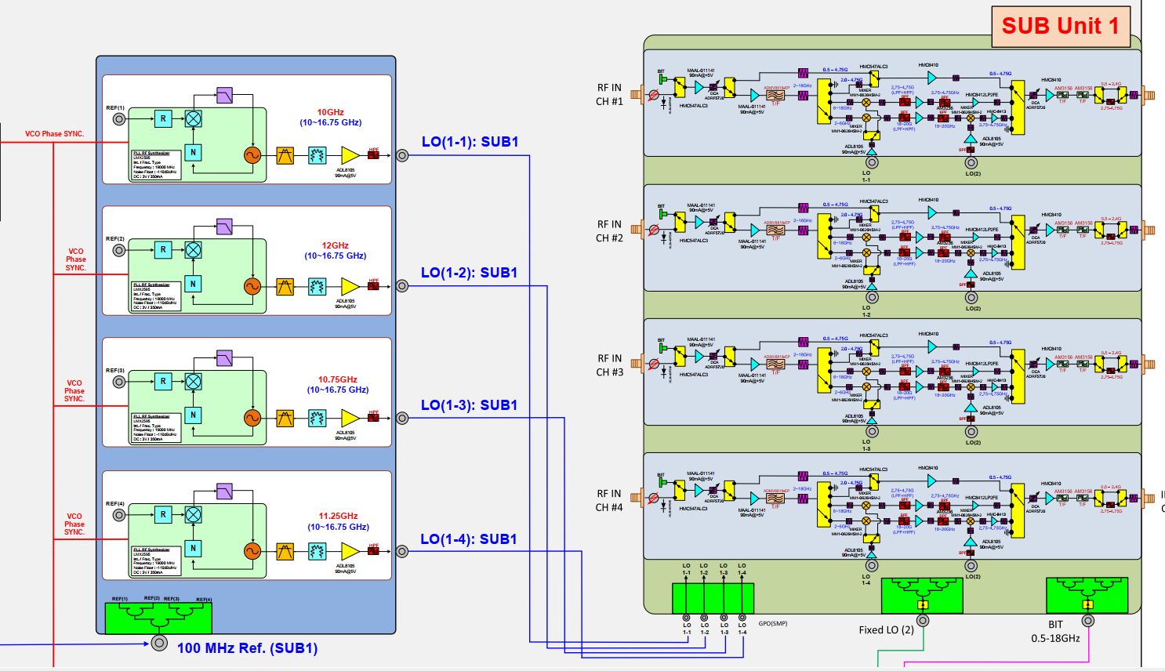

single channel
1 | BIT/ANT | 0-BIT 1- ANT
1 | IF_OUT_BAND_SEL | 2.75-4.75
2 | RF_IN_BAND_SEL | 2-6
 |  | 6-18
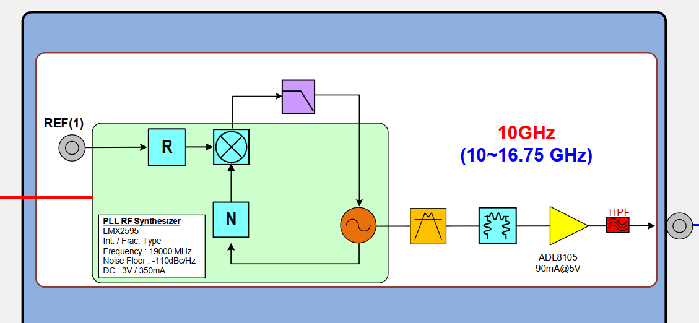
 |  | Direct_0.5-4.75
 |  | Direct_2-4.75

 | DIRECT/CONVERT | Mux 2:1
 | CONV2_6/CONV2_18 | Mux2:1
 | DIRECT_gt0.5/DIRECTgt2 | Mux2:1
 | FilterSelect1 | Mux4:1
 | FilterSelect2

