Sheet2
Problem

Hovering Event
Objective :

To understand the concept of testing the below application, using the Selenium Actions class

Application Scenario:

The Managing head of "Pink Frag Event Organization" felt an old-fashioned appearance over the page prepared by his technical team for the detailed summary report of the year. Demanding some changes over the report details, he also mentioned bringing out a voguish layout for the report. The creative team sorted out the different styles to be included in the pages along with the indication of the hovered area with different colors, which would help him in presenting the reports.

Hence, the managing head has assigned you to finish the redesigning work of the summary report by using the javascript functions like onmouseover events, which would produce applied effects on hovering the specific regions.

An application has been developed for the above scenario and the corresponding screenshots and URL to locate the application are specified below. Test the application in accordance with the testing specifications provided.

Sample Screenshot 1:

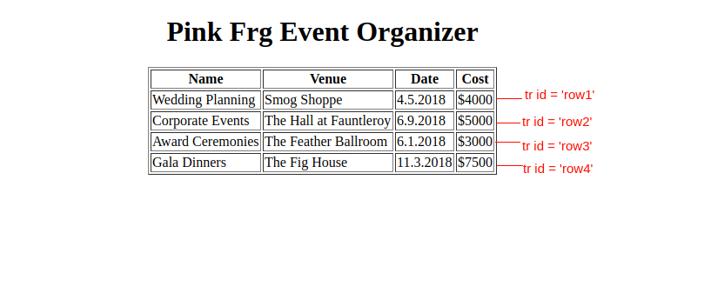

Sample Screenshot 2 :

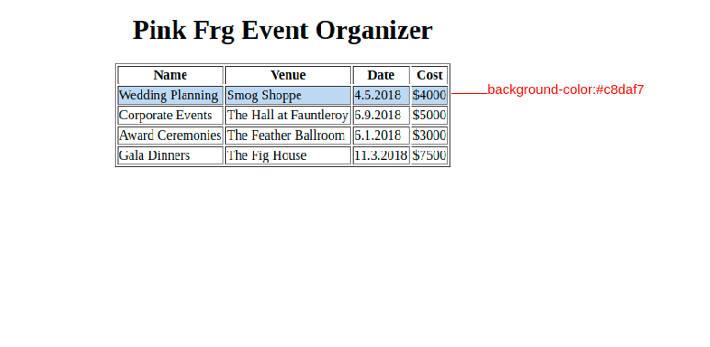

Sample Screenshot 3 :

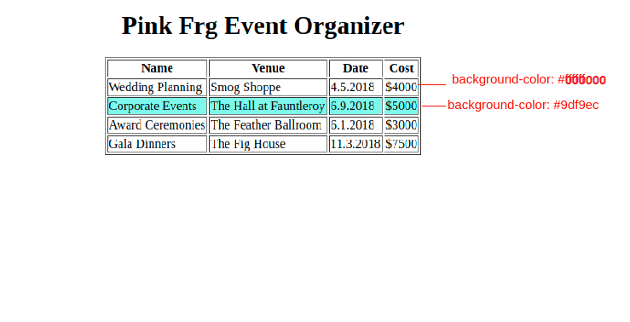

Sample Screenshot 4 :

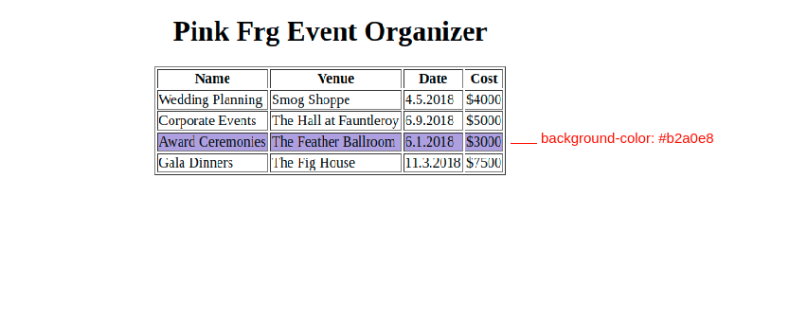

Sample Screenshot 5 :

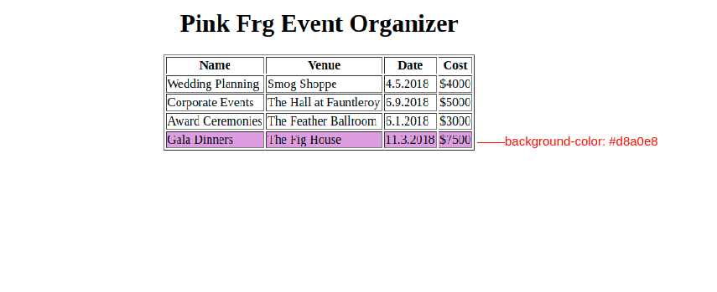

Please refer to the below link for the flow of the application

https://app.e-box.co.in/uploads/base_projects/21077_index.html

Download the selenium jars in the below link.

SeleniumJars.zip

Procedure to complete the case study

1) Use the template code.
2) A class by name WebTest.java already exists with the following method.
Method Name | Method Description
setUp() | This method is used to configure the firefox driver and URL details of the application [Refer to template code]
testWeb() | This is the main part of our automation script.
 | This method is used to test the given below scenarios.
tearDown() | This method is used to quit the driver.

Test Scenario :
Step Number | Actions to be performed | Expected result
1 | Launch the application using new FIrefoxDriver() method | Application is launched
2 | Test the background color of the td with id ‘row1’. | The color code "#000000" should be present.
3 | Create a static variable named as row1Before(String) and store the value into the variable.
4 | Test the background color the td with id ‘row2’. | The color code "#000000" should be present.
5 | Create a static variable named as row2Before(String) and store the value into the variable.
6 | Test the background color the td with id ‘row3’. | The color code "#000000" should be present.
7 | Create a static variable named as row3Before(String) and store the value into the variable.
8 | Test the background color the td with id ‘row4’. | The color code "#000000" should be present.
9 | Create a static variable named as row4Before(String) and store the value into the variable.
10 | Hover over the element with id ‘row1’ using Action class. | The color code "#c8daf7" should be present.
 | Test the background color the td with id ‘row1’ after hovering.
11 | Create a static variable named as row1After(String) and store the value into the variable.
12 | Hover over the element with id ‘row2’ using Action class. | The color code "#9df9ec" should be present.
 | Test the background color the td with id ‘row2’ after hovering.
13 | Create a static variable named as row2After(String) and store the value into the variable.
14 | Hover over the element with id ‘row3’ using Action class. | The color code "#b2a0e8" should be present.
 | Test the background color the td with id ‘row3’ after hovering.
15 | Create a static variable named as row3After(String) and store the value into the variable.
16 | Hover over the element with id ‘row4’ using Action class. | The color code "#d8a0e8" should be present.
 | Test the background color the td with id ‘row4’ after hovering.
17 | Create a static variable named as row4After(String) and store the value into the variable.
18 | Quit the Firefox driver | Application is closed

Note :

The selenium test script file name should be WebTest.java.
The static variable names are given in the template code file and do not change.[WebTest.java]
Use the “id” to access the elements with <td> tag. Color.fromString method can be used to get the color code.
For eg: driver.findElement(By.id("row1"));

