Sheet2
Problem

Hovering Event
Objective :

To understand the concept of testing the below application, using the Selenium Actions class

Application Scenario:

The Managing head of "Pink Frag Event Organization" felt an old-fashioned appearance over the page prepared by his technical team for the detailed summary report of the year. Demanding some changes over the report details, he also mentioned bringing out a voguish layout for the report. The creative team sorted out the different styles to be included in the pages along with the indication of the hovered area with different colors, which would help him in presenting the reports.

Hence, the managing head has assigned you to finish the redesigning work of the summary report by using the javascript functions like onmouseover events, which would produce applied effects on hovering the specific regions.

An application has been developed for the above scenario and the corresponding screenshots and URL to locate the application are specified below. Test the application in accordance with the testing specifications provided.

Sample Screenshot 1:

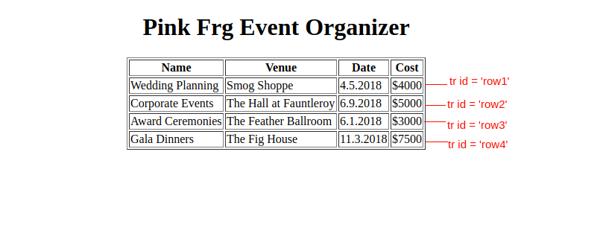

Sample Screenshot 2 :

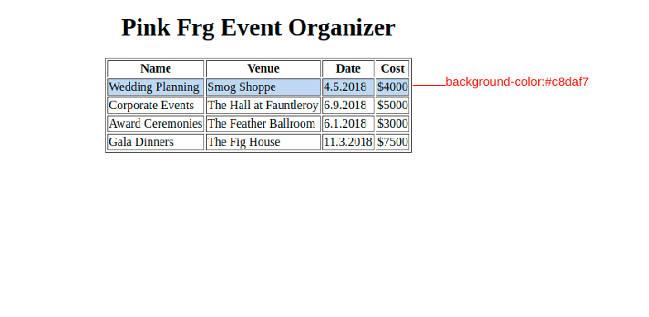

Sample Screenshot 3 :

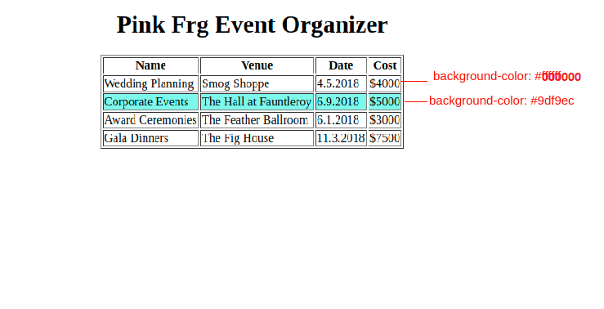

Sample Screenshot 4 :

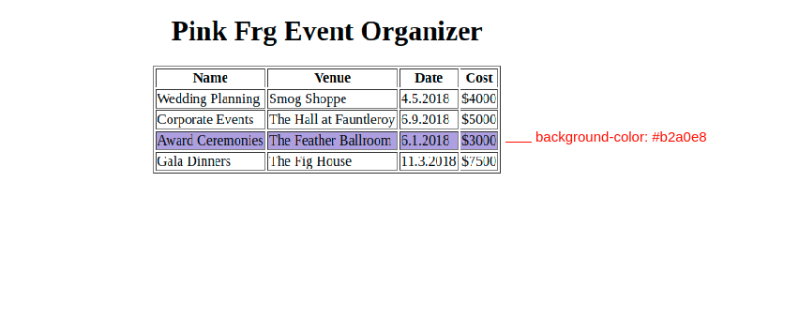

Sample Screenshot 5 :

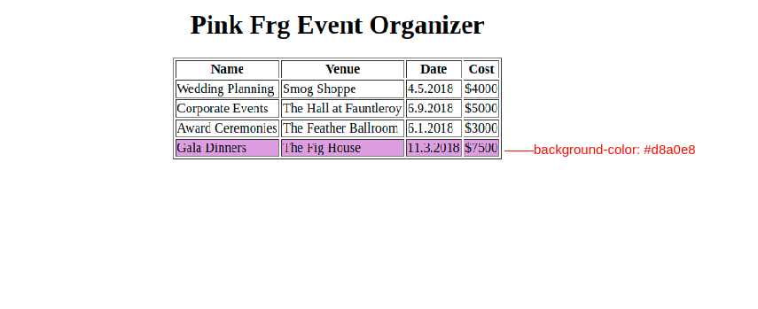

Please refer to the below link for the flow of the application

https://app.e-box.co.in/uploads/base_projects/21077_index.html

Download the selenium jars in the below link.

SeleniumJars.zip

Procedure to complete the case study

1) Use the template code.
2) A class by name WebTest.java already exists with the following method.
Method Name | Method Description
setUp() | This method is used to configure the firefox driver and URL details of the application [Refer to template code]
testWeb() | This is the main part of our automation script.
 | This method is used to test the given below scenarios.
tearDown() | This method is used to quit the driver.

Test Scenario :
Step Number | Actions to be performed | Expected result
1 | Launch the application using new FIrefoxDriver() method | Application is launched
2 | Test the background color of the td with id ‘row1’. | The color code "#000000" should be present.
3 | Create a static variable named as row1Before(String) and store the value into the variable.
4 | Test the background color the td with id ‘row2’. | The color code "#000000" should be present.
5 | Create a static variable named as row2Before(String) and store the value into the variable.
6 | Test the background color the td with id ‘row3’. | The color code "#000000" should be present.
7 | Create a static variable named as row3Before(String) and store the value into the variable.
8 | Test the background color the td with id ‘row4’. | The color code "#000000" should be present.
9 | Create a static variable named as row4Before(String) and store the value into the variable.
10 | Hover over the element with id ‘row1’ using Action class. | The color code "#c8daf7" should be present.
 | Test the background color the td with id ‘row1’ after hovering.
11 | Create a static variable named as row1After(String) and store the value into the variable.
12 | Hover over the element with id ‘row2’ using Action class. | The color code "#9df9ec" should be present.
 | Test the background color the td with id ‘row2’ after hovering.
13 | Create a static variable named as row2After(String) and store the value into the variable.
14 | Hover over the element with id ‘row3’ using Action class. | The color code "#b2a0e8" should be present.
 | Test the background color the td with id ‘row3’ after hovering.
15 | Create a static variable named as row3After(String) and store the value into the variable.
16 | Hover over the element with id ‘row4’ using Action class. | The color code "#d8a0e8" should be present.
 | Test the background color the td with id ‘row4’ after hovering.
17 | Create a static variable named as row4After(String) and store the value into the variable.
18 | Quit the Firefox driver | Application is closed

Note :

The selenium test script file name should be WebTest.java.
The static variable names are given in the template code file and do not change.[WebTest.java]
Use the “id” to access the elements with <td> tag. Color.fromString method can be used to get the color code.
For eg: driver.findElement(By.id("row1"));

Sheet3
POM - Calculator Testing
Objective :

To test the concept of the Page Object Model.

Important Note :

Please start working on the template code provided in the below. Template code will provide the base template or format in which the end solution is expected from you. Template code is not an executable code and will help you add code on top of it to ensure you make your submissions in the right format. If the submission is NOT as per the template code format the submissions will not be accepted
POM(Page Object Model):
Page Object Model is that if the UI changes for any page, it does not require us to change any tests, we just need to change only the code within the page objects
Page Factory Model:
The PageFactory Class in Selenium is an extension to the Page Object design pattern. It is used to initialize the elements of the Page Object or instantiate the Page Objects itself. Annotations for elements can also be created (and recommended) as the describing properties may not always be descriptive enough to tell one object from the other.

It is used to initialize elements of a Page class without having to use ‘FindElement’ or ‘FindElements’. Annotations can be used to supply descriptive names of target objects to improve code readability.
Eg:
@FindBy(id = “userName”)
WebElement txt_UserName;
Application Scenario:

Jackie is working part-time in "Orgo Foods" which is a mini-grocery shop selling organic products such as grains, flours, pulses, etc., His job is to bill the total price for the customers. Unknowingly, he broke his calculator due to the furor of the crowd. Now, he is in need of a calculator to bill as the crowd is increasing hour by hour. Hence, create an Html page that would perform the functions of a Calculator. The script should contain the code for addition, subtraction, multiplication, and division.

The corresponding screenshots and the URL to locate the application is given below. Test the application and generate reports as per the testing specifications provided.

Sample Screenshot 1:

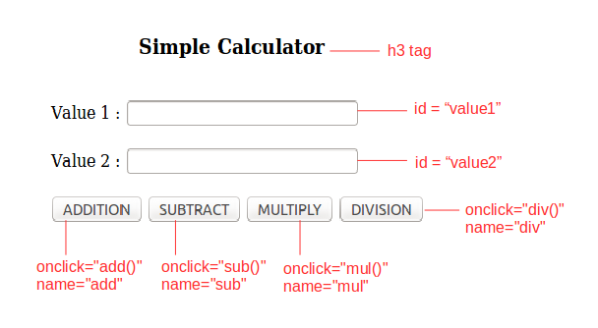

Sample Screenshot 2:

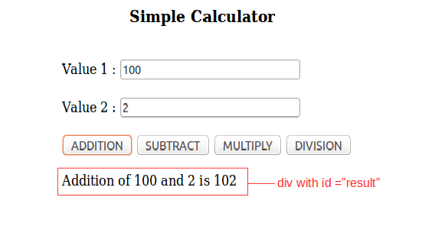

Download the selenium jars in the below link.

SeleniumJars.zip

Please refer to the below link for a flow of the application

https://app.e-box.co.in/uploads/Calculator_new.html

Create a page object class named "InputPage" and include the following page factory method.
Method | Description
public InputPage(WebDriver driver) | This method is used to set the driver.
public void setValue1(String value1) | This method is used to set the value1 using driver.
public void setValue2(String value2) | This method is used to set the value2 using driver.
public void clickAdd() | This method is used to click the Add button using driver.
public void clickSub() | This method is used to click the Sub button using driver.
public void clickMul() | This method is used to click the Mul button using driver.
public void clickDiv() | This method is used to click the Div button using driver.

Create a page object class named "DisplayPage" and include the following page factory method.
Method | Description
public DisplayPage(WebDriver driver) | This method is used to set the driver.
public String getH3tag() | This method is used to get h3 tag in the DisplayPage.
public String getResult() | This method is used to get the details displayed in the DisplayPage.

Create a class named "TestCalculate" and include the following method.

1. Add the appropriate annotations for the testNG test case.
2. Add @BeforeTest annotation for the method launchDriver() for driver setup.
3. Add @Test annotation for following methods.
testAddition() – priority = 1
testSubtraction() – priority = 2
testMultiplication() – priority = 3
testDivision() – priority = 4
4. Set the parameter priority(@Test(priority=??)) to run the methods in the above order.
5. Add @AfterTest annotation for the method quitDriver() for closing the driver.
Create testng.xml in which the test classes are to be configured.
Execute the testng.xml file using TestNG.
Test Scenario:
S.NO | Actions to be performed | Expected Result
1 | Launch the application | Application is launched
2 | Test the h3 tag | The h3 tag text 'Simple Calculator' should be present.
3 | Use the already available static variable 'h3Element' to store the h3 value.
4 | Enter the below inputs | The below success message should be displayed in the div with id 'result'.

 | value1 : 400 | 'Addition of 400 and 10 is 410'
 | value2 : 10

 | Click the Add button.
5 | Use the already available static variable 'result1' to store the message displayed inside the div.
6 | Enter the below inputs | The below success message should be displayed in the div with id 'result'.

 | value1 : 500 | 'Subtraction of 500 and 55 is 445'
 | value2 : 55

 | Click the Sub button.
7 | Use the already available static variable 'result2' to store the message displayed inside the div.
8 | Enter the below inputs | The below success message should be displayed in the div with id 'result'.

 | value1 : 15 | 'Multiplication of 15 and 5 is 75'
 | value2 : 5

 | Click the Mul button.
9 | Use the already available static variable 'result3' to store the message displayed inside the div.
10 | Enter the below inputs | The below success message should be displayed in the div with id 'result'.

 | value1 : 555 | 'Division of 555 and 5 is 111'
 | value2 : 5

 | Click the Div button.
11 | Use the already available static variable 'result4' to store the message displayed inside the div.

