credit_10k_40to50_512bit_250000
 | knn(average 1 to 100) | iforest | mine (250k step - one hour) | mine (250k step - one hour) | mine
top10 | 1 | 8 | 4 | 6 | 3
top20 | 7 | 16 | 13 | 16 | 10
top30 | 14 | 20 | 23 | 26 | 18
top40 | 22 | 26 | 30 | 31 | 27
top50 | 28 | 27 | 33 | 33 | 30
top60 | 32 | 29 | 35 | 36 | 34
top70 | 38 | 29 | 35 | 36 | 37
credit dataset
 | normal |  | outlier
1 | 1 | 0.34468408452 | 0.48377762575
0.67218390297 | 0.73877786003 | 0.38891165818 | 0.49377410077
0.70197129167 | 0.7533061149 | 0.40952017188 | 0.50382133872
0.67618716441 | 0.72551768634 | 0.44009556861 | 0.52059376611
0.71927069744 | 0.65439855403 | 0.36515902247 | 0.47166894887
0.43370307352 | 0.46581430124 | 0.49984922713 | 0.55519325046
0.3139106697 | 0.38080210787 | 0.5424710049 | 0.57463354726
0.3940792585 | 0.42685560457 | 0.36327454993 | 0.4561522123
0.40263555793 | 0.4251961761 | 0.54071643683 | 0.57117363378
0.47397674453 | 0.46794828898 | 0.37868817665 | 0.46530584458
0.66744553299 | 0.57452646834 | 0.46185847065 | 0.51820691816
0.63275957763 | 0.55032631395 | 0.36755801195 | 0.4548580343
0.58499243702 | 0.51544084823 | 0.34601837028 | 0.43834022718
0.31335264863 | 0.32032465257 | 0.36695298276 | 0.44548299762
0.29619270276 | 0.30094759712 | 0.4922244947 | 0.52546220467
0.39263606629 | 0.36203115182 | 0.39222406729 | 0.4585987614
0.59394671371 | 0.4920542854 | 0.36517688424 | 0.44041534282
0.66101933509 | 0.53346217613 | 0.42226575151 | 0.47389830064
0.77901089067 | 0.60852198252 | 0.42720722496 | 0.47688839557
0.48349058059 | 0.41092597113 | 0.36748291757 | 0.43582394555
0.38279549285 | 0.34254518077 | 0.42947450567 | 0.47611811067
0.50528032483 | 0.41687083977 | 0.4892097454 | 0.51320102974
0.2371900037 | 0.24207414769 | 0.39337900017 | 0.44960466349
0.24056800101 | 0.24389520751 | 0.45846309294 | 0.49089722336
0.42973652984 | 0.36387120994 | 0.41229650137 | 0.45657840189
0.61444551181 | 0.48376397336 | 0.42856279117 | 0.46439573287
0.90798413759 | 0.67000381723 | 0.31479707878 | 0.38814949901
0.28811247242 | 0.26673577563 | 0.4752421332 | 0.48923497248
0.50117910698 | 0.40453961558 | 0.43793152885 | 0.46177779821
0.38111307463 | 0.32437322325 | 0.31981951573 | 0.38430165344
0.21861363074 | 0.21839056242 | 0.36671616339 | 0.39730239525
0.34629129253 | 0.30108512813 | 0.31718870962 | 0.36483612685
0.23707154481 | 0.22936739536 | 0.35233154285 | 0.38490162507
0.0524512589 | 0.10890571935 | 0.41186826984 | 0.37764341345
0.12665071162 | 0.15589622754 | 0.23249814021 | 0.25592114755
0.35183222274 | 0.30116034069 | 0.22445494613 | 0.23908614026
0.38383087799 | 0.32169980156 | 0.29486915818 | 0.27149062857
0.31328628558 | 0.27478118521 | 0.48557040471 | 0.37996464185
0.16359332563 | 0.17712064861 | 0.50577760311 | 0.38940676152
0.22785583891 | 0.21885934383 | 0.26508303172 | 0.23173964083
0.13350977884 | 0.15752271056 | 0.46782198526 | 0.35692253318
0.32687926877 | 0.28292044297 | 0.37416924269 | 0.29458272718
0.060377530279 | 0.10957138981 | 0.47383964885 | 0.34592184207
0.63463700016 | 0.48273486336 | 0.14795965787 | 0.11393059766
0.16744585253 | 0.17888278314
0.12329973149 | 0.15002440971
0.16897596392 | 0.17947410909
0.094385854838 | 0.13084314966
0.15522036705 | 0.17036137416
0.20856255152 | 0.2043104812
...
top80 | 38 | 32 | 35 | 36 | 38 | distance | mine | slope according to all points | slope according to all distance higher than 0.15 | slope - points with distance under 0.05
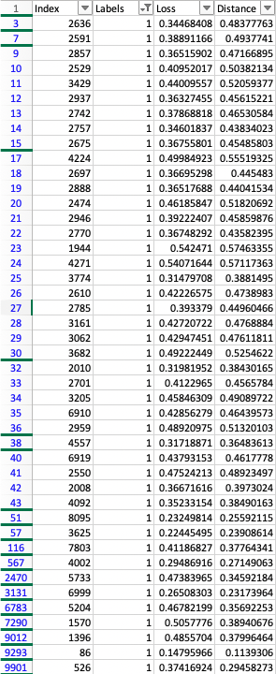
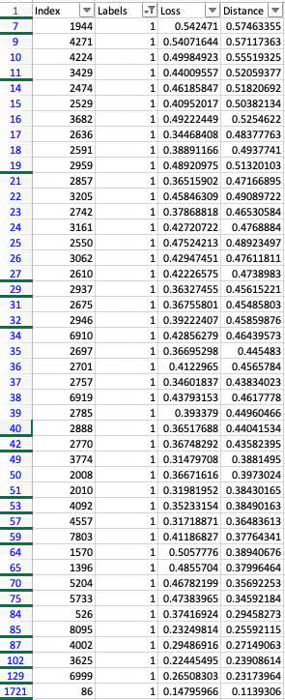
top90 | 39 | 33 | 35 | 37 | 41
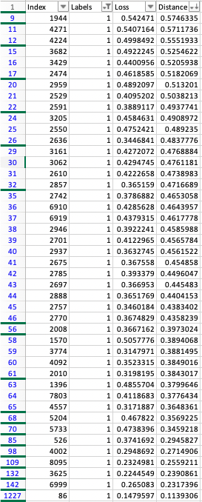
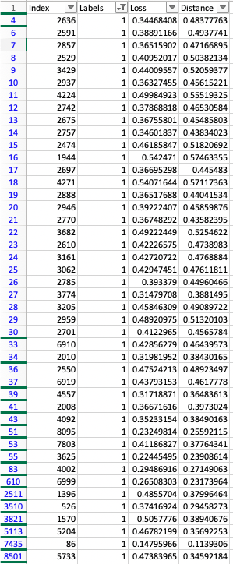
top100 | 40 | 33 | 35 | 37 | 41
top200 | 43 | 40 | 36 | 36 | 43
top300 | 43 | 41 | 36 | 36 | 43
top400 | 43 | 43 | 36 | 37 | 43
top500 | 43 | 43 | 36 | 37 | 43
top1000 | 43 | 44 | 37 | 37 | 43
top2000 | 44 | 44 | 37 | 37 | 44
top5000 | 44 | 44 | 39 | 39 | 44
top10000 | 44 | 44 | 44 | 44 | 44
 | last - 1227 |  | last - 9901 | last - 8501 | last - 1721
 |  |  | slope - according to all | slope - according to all points higher than 0.15 | slope - according to all points with distance up to 0.05

 |  |  | credit dataset
 |  |  | number of rows: 10000
 |  |  | number of outliers: 44

pen_512bit_60000
 | knn(average 1 to 40) | mine (60k step - 15 minutes)
top10 | 0 | 1 | credit dataset
top20 | 1 | 4 | number of rows: 6274
top30 | 4 | 5 | number of outliers: 10
top40 | 4 | 6
top50 | 5 | 6
top60 | 5 | 6 | distance | mine
top70 | 6 | 7
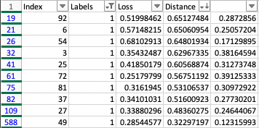
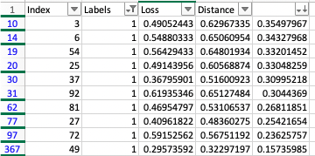
top80 | 7 | 8
top90 | 8 | 8
top100 | 8 | 9
top200 | 9 | 9
top300 | 9 | 9
top400 | 9 | 10
top500 | 9 | 10
top600 | 10 | 10
 | last - 588 | last - 367

