HumanEngine
Torque vs RPM
0 | 0.00
20 | 10.00
40 | 20.00
60 | 28.00
80 | 33.00
85 | 34.00
90 | 34.00
100 | 34.00
110 | 34.00
120 | 32.00
130 | 25.00
150 | 0.00
 |  |  | poly 4o | a | b | c | d | e | Original source:
RPM | Torque | Power | torque.rpm | -4.1264673818E-07 | 7.7500816854E-05 | -0.0068121066697 | 0.67494192287 | -0.34589586963 | http://users.frii.com/katana/biketext.html
0 | 0.00 | 0.00
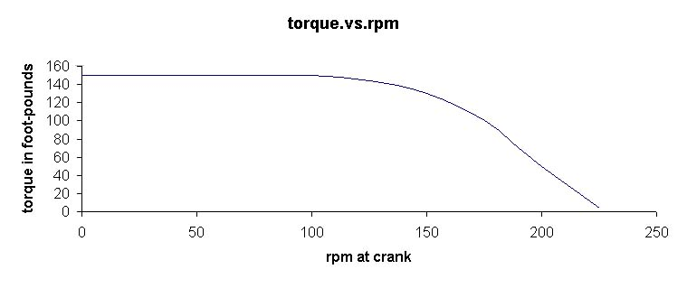
20 | 10.00 | 20.94 |  |  |  |  |  |  |  | ft-lb | Nm
40 | 20.00 | 83.78 |  |  |  |  |  |  |  | 1 | 1.3558179483
60 | 28.00 | 175.93
80 | 33.00 | 276.46
85 | 34.00 | 302.64
90 | 34.00 | 320.44
100 | 34.00 | 356.05
110 | 34.00 | 391.65
120 | 32.00 | 402.12
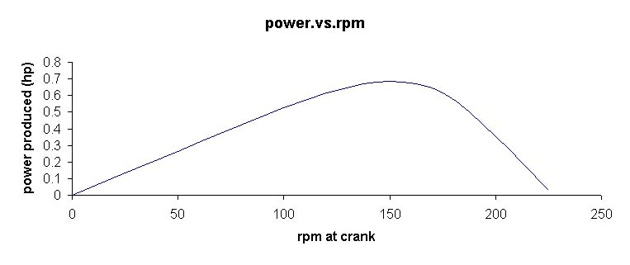
130 | 25.00 | 340.34
150 | 0.00 | 0.00
 |  |  | poly 4o | a | b | c | d | e
 |  |  | power.rpm | -8.9452317903E-06 | 0.0016673054241 | -0.066281283705 | 2.6821954899 | -4.8196180192 |  | hp | W
Power vs RPM
0 | 0.00
20 | 20.94
40 | 83.78
60 | 175.93
80 | 276.46
85 | 302.64
90 | 320.44
100 | 356.05
110 | 391.65
120 | 402.12
130 | 340.34
150 | 0.00
 |  |  |  |  |  |  |  |  |  | 1 | 745.699872

Prop_B2
 |  |  |  |  |  | 5o grau | a | b | c | d | e | f
prop_dia | 0.4000 |  |  |  | eff/adv | coefs | -76.054403719 | 68.214908341 | -32.912361438 | 7.0446597557 | 2.3185237444 | 4.7737634343E-05
opt adv | 0.4071 |  | T=Pn/V
max adv | 0.4442 |  |  |  |  | 7o grau | a | b | c | d | e | f | g | h
max eff | 0.9098 |  |  |  | ct/adv | coefs | -51.600773134 | 135.54013907 | -113.26656184 | 41.079506972 | -7.037293475 | 0.56648748296 | -0.01369257173 | 0.0081701656103

B2 - Prop
adv | effprop | CT (Tc) | CP (Pc) | cl_avg | cd_avg | CQ
0.0000 | 0.0000 | 0.0082 | 0.0033 | 10.2470 | 0.5676 | 0.00052441553749
0.0370 | 0.0949 | 0.0082 | 0.0032 | 10.4420 | 0.5045 | 0.00050993243767
0.0740 | 0.1974 | 0.0083 | 0.0031 | 10.6580 | 0.4305 | 0.00049767750705
0.1110 | 0.3069 | 0.0085 | 0.0031 | 10.8640 | 0.3547 | 0.00049210708404
0.1481 | 0.4195 | 0.0088 | 0.0031 | 11.0460 | 0.2833 | 0.00049576764773
0.1851 | 0.5289 | 0.0092 | 0.0032 | 11.1950 | 0.2199 | 0.00051009159261
0.2221 | 0.6285 | 0.0095 | 0.0034 | 11.3100 | 0.1662 | 0.00053603384833
0.2591 | 0.7134 | 0.0099 | 0.0036 | 11.3930 | 0.1228 | 0.0005735944149
0.2961 | 0.7933 | 0.0103 | 0.0038 | 11.4100 | 0.0833 | 0.00061210991113
0.3331 | 0.8809 | 0.0094 | 0.0035 | 0.9932 | 0.0343 | 0.00056404511832
0.3701 | 0.9030 | 0.0072 | 0.0030 | 0.7384 | 0.0230 | 0.00046950708212
0.4071 | 0.9098 | 0.0050 | 0.0022 | 0.4953 | 0.0168 | 0.00035411974838
0.4442 | 0.8777 | 0.0027 | 0.0014 | 0.2646 | 0.0149 | 0.00021708734238

Nemo_CR
 |  |  |  | poly | a | b | c | d | e | f
prop_dia | 0.3800 |  |  | coefs | -63.994819811 | 101.33516381 | -61.99513179 | 13.871006603 | 1.8200853604 | 0.0042372266049
opt adv | 0.5690 |  |  |  | a | b | c | d | e | f
max adv | 0.569 |  |  | Pc | 3.5290370497 | -4.8925474295 | 2.0960287262 | -0.29576025433 | 0.0096298240892 | 0.0072859062786
max eff | 0.9701 |  |  |  | a | b | c | d | e | f
 |  |  |  | Tc | 8.1697483972 | -10.449653592 | 4.0594998294 | -0.54038705113 | 0.033032462737 | 0.017820012248

Nemo - CR
 | Eff | CP | CT
0.0000 | 0.0000 | 0.0074 | 0.0180
0.0335 | 0.0845 | 0.0072 | 0.0182
0.0669 | 0.1753 | 0.0071 | 0.0185
0.1004 | 0.2723 | 0.0070 | 0.0190
0.1339 | 0.3731 | 0.0070 | 0.0196
0.1674 | 0.4739 | 0.0072 | 0.0203
0.2008 | 0.5700 | 0.0074 | 0.0211
0.2343 | 0.6571 | 0.0078 | 0.0220
0.2678 | 0.7318 | 0.0084 | 0.0228
0.3012 | 0.7927 | 0.0090 | 0.0237
0.3347 | 0.8442 | 0.0098 | 0.0246
0.3682 | 0.9008 | 0.0096 | 0.0236
0.4017 | 0.9227 | 0.0087 | 0.0200
0.4351 | 0.9402 | 0.0076 | 0.0164
0.4686 | 0.9550 | 0.0062 | 0.0127
0.5021 | 0.9664 | 0.0046 | 0.0089
0.5355 | 0.9701 | 0.0028 | 0.0050
0.5690 | 0.9061 | 0.0007 | 0.0011
adv | effprop | CT (Tc) | CP (Pc)
0.0000 | 0.0000 | 0.0180 | 0.0074
0.0335 | 0.0845 | 0.0182 | 0.0072
0.0669 | 0.1753 | 0.0185 | 0.0071
0.1004 | 0.2723 | 0.0190 | 0.0070
0.1339 | 0.3731 | 0.0196 | 0.0070
0.1674 | 0.4739 | 0.0203 | 0.0072
0.2008 | 0.5700 | 0.0211 | 0.0074
0.2343 | 0.6571 | 0.0220 | 0.0078
0.2678 | 0.7318 | 0.0228 | 0.0084
0.3012 | 0.7927 | 0.0237 | 0.0090
0.3347 | 0.8442 | 0.0246 | 0.0098
0.3682 | 0.9008 | 0.0236 | 0.0096
0.4017 | 0.9227 | 0.0200 | 0.0087
0.4351 | 0.9402 | 0.0164 | 0.0076
0.4686 | 0.9550 | 0.0127 | 0.0062
0.5021 | 0.9664 | 0.0089 | 0.0046
0.5355 | 0.9701 | 0.0050 | 0.0028
0.5690 | 0.9061 | 0.0011 | 0.0007

