Plan1
Transmission Calculation

Author | Fernando Valentini; Diego Montero; Gustavo Violato
Date | July 30th, 2016
Version | 00

Objective:
This calculations aims to calculate the mechanical transmission from the cranck up to the propeller.

Transmission 1: from cranck to the rear sprocket.
Transmission 2: located inside the quill, transfer power from the rear sprocket up to the propeller.

 | Cels that can be edited

Power input: |  |  |  | http://appliedmechanics.asmedigitalcollection.asme.org/article.aspx?articleid=1661193
 |  |  |  | http://appliedmechanics.asmedigitalcollection.asme.org/data/Journals/JAMCAV/926527/jam_80_2_021005_f004.png
Operation style | 2 | Type 1 for normal operation
 |  | Type 2 for peak power

P_rider | 736 | W
n_rider | 120 | rpm |  |  |  | 0.00125 | 0.0025 | 0.005 | 0.01 | 0.02 | 0.04 | 0.08
T_rider | 58.6 | Nm |  |  | 0 | 1 | 1 | 1 | 1 | 1 | 1 | 1
 |  |  |  |  | 0.005 | 0.925 | 0.955 | 0.97 | 0.98 | 0.99 | 0.99 | 1.00
Calculations: |  |  |  |  | 0.01 | 0.825 | 0.885 | 0.92 | 0.94 | 0.95 | 0.96 | 0.97
 |  |  |  |  | 0.015 | 0.72 | 0.8 | 0.86 | 0.895 | 0.92 | 0.94 | 0.95
Transmission 1 |  |  |  |  | 0.02 | 0.5 | 0.72 | 0.79 | 0.84 | 0.88 | 0.90 | 0.92
z1 | 52 | teeth |  |  |  |  |  |  |  | 0.71
z2 | 14 | teeth
D_p z1 | 214.52888889 | mm
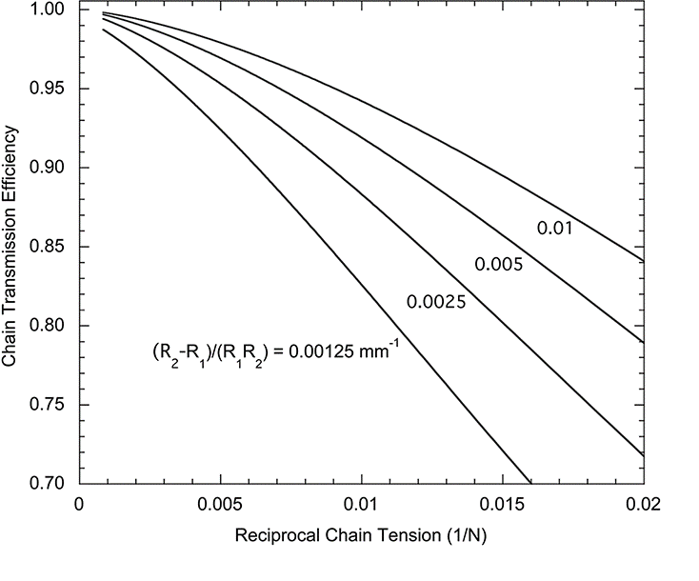
ratio 1 | 3.71
Chain tension | 546.02454113 | N
(R2-R1)/(R1*R2) | 0.0522
1/T | 0.0018 | 1/N
Eff_tr_1 | 0.99
Chain velocity | 1.35 | m/s
Chain max allowed velocity | 6.00 | m/s

Transmision 2
Chain Series | 35
z3 | 9 | teeth
D_p z3 | 32.55 | mm
z4 | 9 | teeth
D_p z4 | 27.85 | mm
Ratio 2 | 1.0
Chain tension | 1076.6 | N
(R2-R1)/(R1*R2) | 0.0000
1/T | 0.0009
Eff_chart | 0.99
Eff_loss_cross | 0.97
Eff_tr_2 | 0.96
Chain velocity | 0.65 | m/s
Chain max allowed velocity | 1.00 | m/s

Total Ratio | 3.71
Eff | 0.95

Propeller Output
n_prop | 445.7 | rpm
P_prop | 699.7 | W
T_prop | 15.0 | Nm

Chains Characteristics
Chain | Series 40 | Series 35 | Series 25
Max tension | 3630 | 2160 | 640
min_D_p | 57.07 | 27.85 | 32.55
min_n_teeth | 14 | 9 | 16

Results:

Transmission 1
Chain to be used: | Series 40
Margin chain tension | 6.65
Chain velocity OK? | YES

Transmission 2
Chain to be used: | Series 35
Margin chain tension | 2.01
Chain velocity OK? | YES

Plan2
Max chain velocity |  |  | Source: doc Chain rexnord Auslegung Kettentrieb (En).pdf
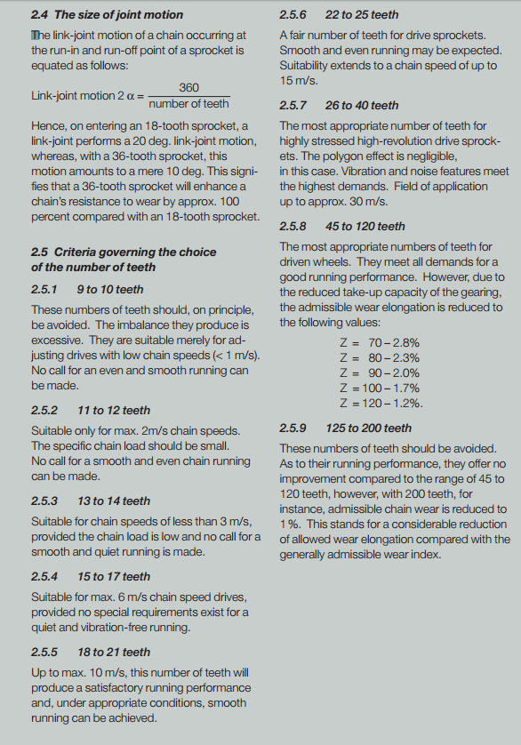
Number of teeth | Chain max velocity
9 to 10 | 1 | m/s
11 to 12 | 2 | m/s
13 to 14 | 3 | m/s
15 to 17 | 6 | m/s
18 to 21 | 10 | m/s
22 to 25 | 15 | m/s
more than 25 | 30 | m/s

