Sheet1
Properties Addressed
Instructions: If only a single value and unit, then fill in the fixed value and unit; otherwise, if data is distributed, please save the results in an excel file and enter the excel filename under the column of "Datafile".

Mechanical
Tensile | Description | Fixed Value | Unit | Uncertainty Type | Uncertainty Value | Datafile | Note
Tensile Modulus
Tensile stress at break
Tensile stress at yield
Tensile strength
Tensile toughness
Strain at break
Elongation at break
Elongation at yield
Fiber tensile modulus
Fiber tensile strength
Fiber tensile elongation
Poisson's ratio
Conditions-Strain rate
Conditions-Preload
Stress relaxation (filename.xlsx)
Loading Profile (filename.xlsx)

Strain Rate Sensitivity (Graphs)
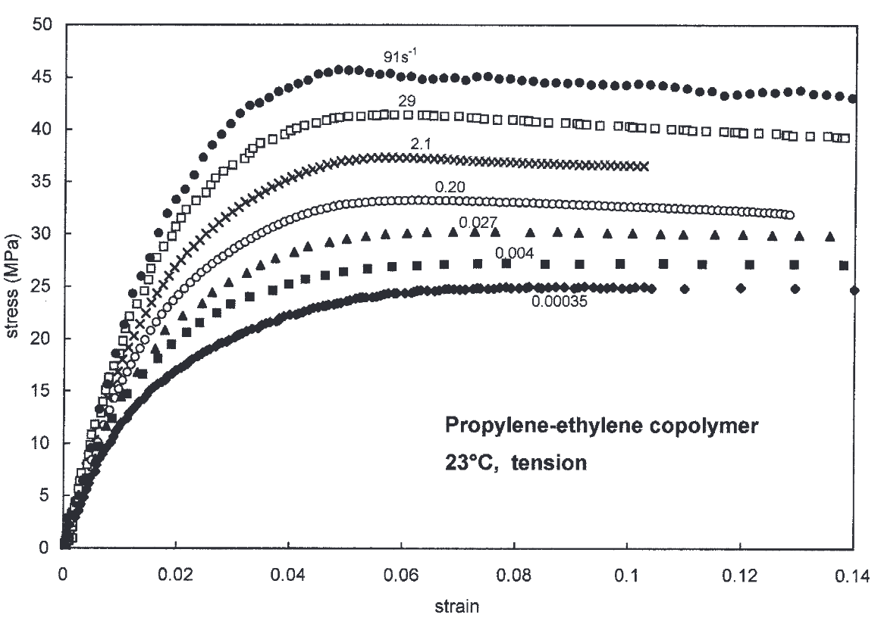
 |  |  | Test Speed (0.00035) |  | Test Speed (0.004) |  | Test Speed (0.027) |  | Test Speed (0.2) |  | Test Speed (2.1) |  | Test Speed (29) |  | Test Speed (91)
 |  |  | Strain | Stress | Strain | Stress | Strain | Stress | Strain | Stress | Strain | Stress | Strain | Stress | Strain | Stress
 |  |  | 1.77e-18 | 0.291 | 0.024 | 21.045 | 0.012 | 14.665 | 0.012 | 16.440 | 0.010 | 17.001 | 0.013 | 23.811 | 0.012 | 24.758
 |  |  | 0.015 | 14.347 | 0.036 | 24.059 | 0.024 | 22.816 | 0.024 | 25.889 | 0.019 | 26.499 | 0.026 | 34.047 | 0.026 | 38.175
 |  |  | 0.030 | 19.594 | 0.048 | 25.701 | 0.036 | 26.525 | 0.036 | 30.551 | 0.030 | 31.917 | 0.039 | 39.233 | 0.039 | 43.696
 |  |  | 0.045 | 22.631 | 0.060 | 27.926 | 0.048 | 28.882 | 0.048 | 32.417 | 0.04 | 34.998 | 0.052 | 40.958 | 0.052 | 45.424
 |  |  | 0.060 | 23.921 | 0.071 | 26.695 | 0.060 | 29.358 | 0.060 | 32.827 | 0.050 | 36.749 | 0.065 | 41.008 | 0.065 | 44.502
 |  |  | 0.0749 | 24.261 | 0.084 | 26.927 | 0.071 | 30.347 | 0.071 | 32.798 | 0.060 | 36.923 | 0.077 | 40.817 | 0.077 | 44.440
 |  |  | 0.09 | 23.787 | 0.095 | 26.731 | 0.083 | 29.001 | 0.084 | 32.467 | 0.070 | 36.757 | 0.091 | 40.472 | 0.091 | 44.064
 |  |  | 0.104 | 24.227 | 0.107 | 26.573 | 0.095 | 29.253 | 0.095 | 32.167 | 0.080 | 36.469 | 0.104 | 39.640 | 0.103 | 43.877
 |  |  | 0.12 | 24.184 | 0.119 | 26.448 | 0.108 | 29.169 | 0.108 | 31.910 | 0.09 | 36.218 | 0.116 | 39.287 | 0.116 | 42.658
 |  |  | 0.135 | 24.016 | 0.131 | 26.409 | 0.119 | 28.954 | 0.12 | 31.668 | 0.1 | 35.987 | 0.130 | 38.743 | 0.130 | 43.139

Flexural | Description | Fixed Value | Unit | Uncertainty Type | Uncertainty Value | Datafile | Note
Flexural modulus
Flexural stress at break
Flexural stress at yield
Flexural toughness
Conditions-Strain rate
Conditions-Preload
Loading Profile (filename.xlsx)

Compression
Compression modulus
Compression stress at break
Compression stress at yield
Compressive toughness
Conditions-Strain rate
Conditions-Preload
Loading Profile (filename.xlsx)

Shear | Description | Fixed Value | Unit | Uncertainty Type | Uncertainty Value | Datafile | Note
Shear modulus
Shear stress at break
Shear stress at yield
Conditions-Strain rate
Conditions-Preload
Loading Profile (filename.xlsx)

Fracture
Essential work of fracture (EWF) | Description | Fixed Value | Unit | Uncertainty Type | Uncertainty Value | Datafile | Note
Pre-cracking process
Strain rate
Fracture energy

Linear Elastic | Description | Fixed Value | Unit | Uncertainty Type | Uncertainty Value | Datafile | Note
Sample shape
Pre-cracking process
Strain rate
Fracture energy
K-factor
Loading Profile (filename.xlsx)

Plastic Elastic | Description | Fixed Value | Unit | Uncertainty Type | Uncertainty Value | Datafile | Note
Sample shape
Pre-cracking process
Strain rate
Fracture energy
J-integral
Loading Profile (filename.xlsx)

Impact | Description | Fixed Value | Unit | Uncertainty Type | Uncertainty Value | Datafile | Note
Notch
IZOD-Area
IZOD-Impact energy
Charpy Impact Energy
Impact toughness

Hardness | Description | Fixed Value | Unit | Uncertainty Type | Uncertainty Value | Datafile | Note
Test standard
Scale
Hardness value

