Charts
Charts

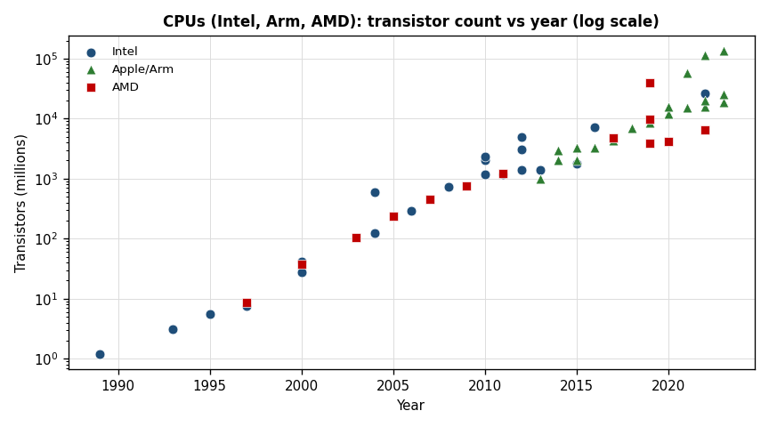
Intel Year | Intel Mtr |  | Apple Year | Apple Mtr | AMD Year | AMD Mtr
1989 | 1.18 |  | 2013 | 1000 | 1997 | 8.8
1993 | 3.1 |  | 2014 | 2000 | 2000 | 37
1995 | 5.5 |  | 2014 | 3000 | 2003 | 105.9
1997 | 7.5 |  | 2015 | 2000 | 2005 | 233.2
2000 | 28 |  | 2015 | 3300 | 2007 | 450
2000 | 42 |  | 2016 | 3300 | 2009 | 758
2004 | 125 |  | 2017 | 4300 | 2011 | 1200
2004 | 592 |  | 2018 | 6900 | 2017 | 4800
2006 | 291 |  | 2019 | 8500 | 2019 | 9890
2008 | 731 |  | 2020 | 11800 | 2019 | 3900
2010 | 1170 |  | 2021 | 15000 | 2020 | 4150
2010 | 2000 |  | 2022 | 16000 | 2022 | 6570
2010 | 2300 |  | 2023 | 19000 | 2019 | 39540
2011 | 1160 |  | 2020 | 16000
2012 | 1400 |  | 2021 | 57000
2012 | 3100 |  | 2022 | 114000
2012 | 5000 |  | 2022 | 20000
2013 | 1400 |  | 2023 | 134000
2015 | 1750 |  | 2023 | 25000
2016 | 7200
Year | Cache share
1989 | 33.3%
1993 | 25.4%
1995 | 14.3%
1997 | 21.0%
1997 | 35.8%
2000 | 50.6%
2000 | 30.9%
2000 | 51.0%
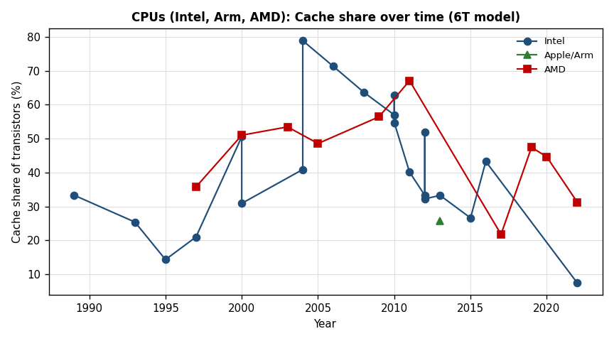
2003 | 53.5%
2004 | 40.9%
2004 | 78.9%
2005 | 48.6%
2006 | 71.4%
2008 | 63.7%
2009 | 56.4%
2010 | 57.0%
2010 | 62.9%
2010 | 54.7%
2011 | 40.1%
2011 | 67.1%
Year | Intel | Apple/Arm | AMD
1989 | 0.0%
1993 | 0.0%
1995 | 0.0%
1997 | 0.0%
1997 | 26.6% |  | 0.1
2000 | 30.0%
2000 | 20.0%
2000 | 47.5% |  | 0.3
2003 | 44.6% |  | 0.5
2004 | 110.0%
2004 | 140.0%
2005 |  |  | 1.2
2006 | 2
2007 |  |  | 1.6
2008 | 2.8
2009 |  |  | 2.9
2010 | 4.9
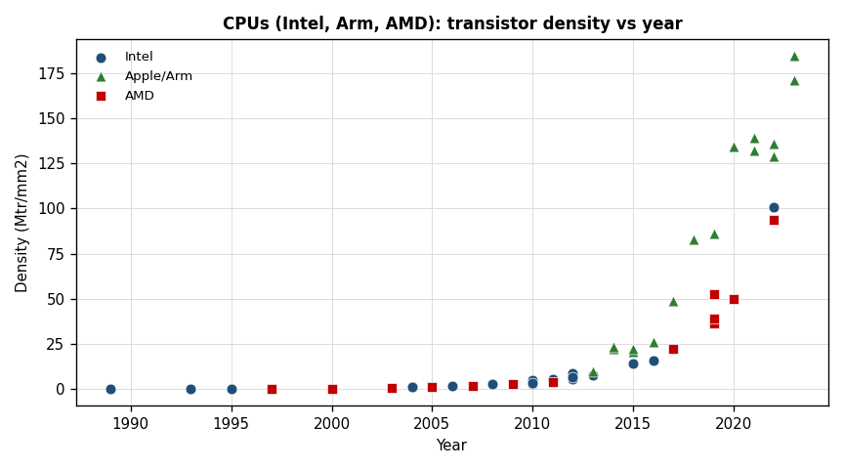
2010 | 2.9
2010 | 3.4
2011 | 5.4
2011 |  |  | 3.8
2012 | 8.8
2012 | 5.7
2012 | 6.9
2013 | 7.9
2013 |  | 9.8
2014 |  | 22.5
2014 |  | 23.4
2015 | 14.3
2015 |  | 20.8
2015 |  | 22.4
2016 | 15.8
2016 |  | 26.4
2017 |  | 49.1
2017 |  |  | 22.5
2018 |  | 82.9
2019 |  | 86.3
2019 |  |  | 36.2
2019 |  |  | 52.7
2019 |  |  | 39.2
2020 |  | 134.1
2020 |  | 134.5
2020 |  |  | 50
2021 |  | 139.3
2021 |  | 131.9
2022 | 100.8
2022 |  | 135.7
2022 |  | 129
2022 |  |  | 93.9
2023 |  | 184.5
2023 |  | 171.2

