Charts
Charts

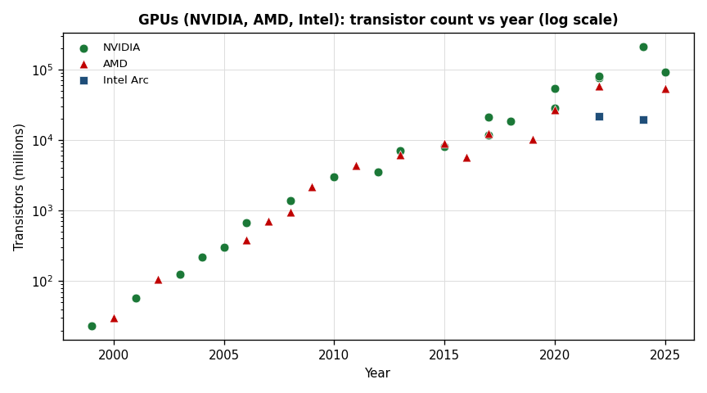
NV Year | NV Mtr |  | AMD Year | AMD Mtr | Intel Year | Intel Mtr
1999 | 23 |  | 2000 | 30 | 2022 | 21700
2001 | 57 |  | 2002 | 107 | 2024 | 19600
2003 | 125 |  | 2006 | 384
2004 | 222 |  | 2007 | 700
2005 | 302 |  | 2008 | 956
2006 | 681 |  | 2009 | 2154
2008 | 1400 |  | 2011 | 4313
2010 | 3000 |  | 2013 | 6200
2012 | 3540 |  | 2015 | 8900
2013 | 7080 |  | 2016 | 5700
2015 | 8000 |  | 2017 | 12500
2017 | 11800 |  | 2019 | 10300
2017 | 21100 |  | 2020 | 26800
2018 | 18600 |  | 2022 | 57700
2020 | 28300 |  | 2025 | 53900
2020 | 54200
2022 | 76300
2022 | 80000
2025 | 92200
2024 | 208000
NV Year | NV LLC share |  | AMD Year | AMD LLC share
2010 | 1.3% |  | 2009 | 1.2%
2012 | 0.7% |  | 2011 | 0.9%
2013 | 1.1% |  | 2013 | 0.8%
2015 | 1.9% |  | 2015 | 1.1%
2017 | 1.3% |  | 2016 | 1.8%
2017 | 1.4% |  | 2017 | 1.6%
2018 | 1.6% |  | 2019 | 2.0%
2020 | 1.1% |  | 2020 | 24.0%
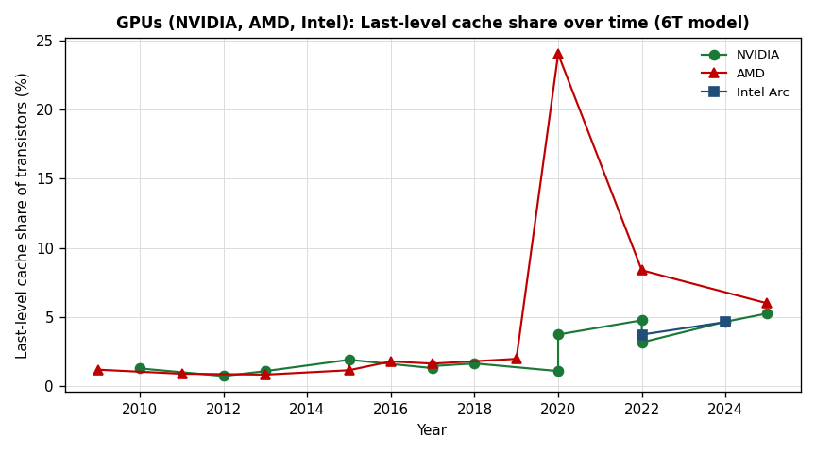
2020 | 3.7% |  | 2022 | 8.4%
2022 | 4.8% |  | 2025 | 6.0%
2022 | 3.2%
2025 | 5.2%
2024 | 4.7%

Year | NVIDIA | AMD | Intel Arc
1999 | 0.2
2001 | 0.4
2002 |  | 0.5
2003 | 0.6
2004 | 0.8
2005 | 0.9
2006 | 1.4
2006 |  | 1.1
2007 |  | 1.7
2008 | 2.4
2008 |  | 3.7
2009 |  | 6.4
2010 | 5.7
2011 |  | 12.3
2012 | 12
2013 | 12.6
2013 |  | 14.2
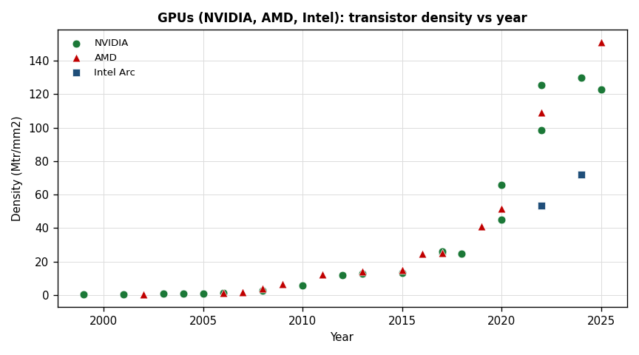
2015 | 13.3
2015 |  | 14.9
2016 |  | 24.6
2017 | 25.1
2017 | 25.9
2017 |  | 25.3
2018 | 24.7
2019 |  | 41
2020 | 45.1
2020 | 65.6
2020 |  | 51.5
2022 | 125.5
2022 | 98.3
2022 |  | 109.1
2022 |  |  | 53.4
2024 | 130
2024 |  |  | 72.1
2025 | 122.9
2025 |  | 151

