Model
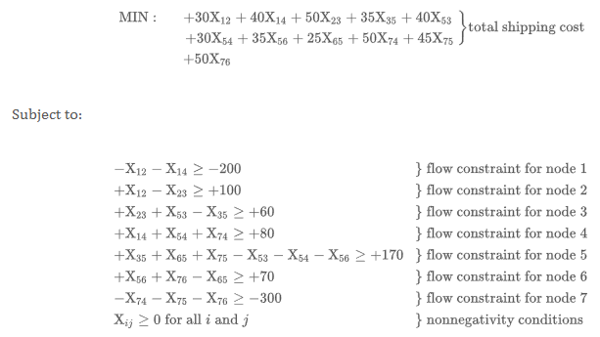
 |  |  |  | Total Transportation Cost -> |  |  | $50,279.00

Ship | From |  | To |  | Unit Cost | Nodes |  | Inflow | Outflow | Net Flow | Supply/Demand
257 | 0 | Cinnamon Swamp | 4 | Meringue Mountains | $33 | 0 | Cinnamon Swamp | 0 | 257 | -257 | -257
257 | 1 | Coconut Cluster Caves | 4 | Meringue Mountains | $45 | 1 | Coconut Cluster Caves | 0 | 257 | -257 | -257
186 | 2 | Creme Brulee Cliffs | 3 | Marzipan Metropolis | $42 | 2 | Creme Brulee Cliffs | 0 | 384 | -384 | -384
101 | 2 | Creme Brulee Cliffs | 6 | Smores Summit | $41 | 3 | Marzipan Metropolis | 186 | 0 | 186 | 186
97 | 2 | Creme Brulee Cliffs | 7 | Starburst Starlit Skies | $37 | 4 | Meringue Mountains | 514 | 396 | 118 | 118
0 | 3 | Marzipan Metropolis | 6 | Smores Summit | $32 | 5 | Rock Candy Ridge | 169 | 0 | 169 | 169
0 | 3 | Marzipan Metropolis | 7 | Starburst Starlit Skies | $34 | 6 | Smores Summit | 101 | 0 | 101 | 101
0 | 4 | Meringue Mountains | 3 | Marzipan Metropolis | $38 | 7 | Starburst Starlit Skies | 203 | 0 | 203 | 203
169 | 4 | Meringue Mountains | 5 | Rock Candy Ridge | $35 | 8 | Vanilla Chai Vortex | 121 | 0 | 121 | 223
106 | 4 | Meringue Mountains | 7 | Starburst Starlit Skies | $28
121 | 4 | Meringue Mountains | 8 | Vanilla Chai Vortex | $48
0 | 5 | Rock Candy Ridge | 8 | Vanilla Chai Vortex | $26
0 | 6 | Smores Summit | 3 | Marzipan Metropolis | $32
0 | 7 | Starburst Starlit Skies | 5 | Rock Candy Ridge | $44
0 | 8 | Vanilla Chai Vortex | 6 | Smores Summit | $41

