Model
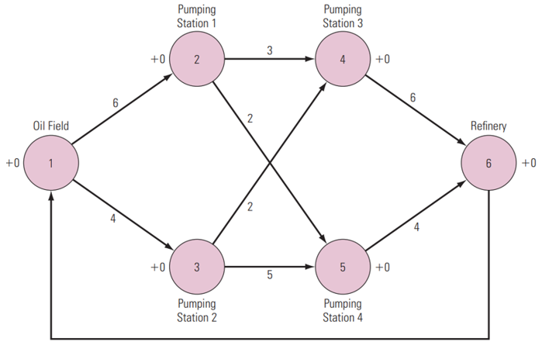
 | Maximal Flow -> |  |  | 662

Units of Flow | Links |  |  |  | Upper Bound |  |  |  |  |  | Supply / Demand
 | From |  | To |  |  | Nodes |  | Inflow | Outflow | Net Flow
313 | 0 | Cinnamon Swamp | 1 | Coconut Cluster Caves | 313 | 0 | Cinnamon Swamp | 662 | 662 | 0 | 0
113 | 0 | Cinnamon Swamp | 2 | Creme Brulee Cliffs | 113 | 1 | Coconut Cluster Caves | 313 | 313 | 0 | 0
236 | 0 | Cinnamon Swamp | 3 | Marzipan Metropolis | 236 | 2 | Creme Brulee Cliffs | 143 | 143 | 0 | 0
0 | 1 | Coconut Cluster Caves | 2 | Creme Brulee Cliffs | 142 | 3 | Marzipan Metropolis | 236 | 236 | 0 | 0
168 | 1 | Coconut Cluster Caves | 4 | Meringue Mountains | 168 | 4 | Meringue Mountains | 268 | 268 | 0 | 0
145 | 1 | Coconut Cluster Caves | 5 | Sherbet Shoreline | 151 | 5 | Sherbet Shoreline | 145 | 145 | 0 | 0
100 | 2 | Creme Brulee Cliffs | 4 | Meringue Mountains | 100 | 6 | Smores Summit | 338 | 338 | 0 | 0
43 | 2 | Creme Brulee Cliffs | 6 | Smores Summit | 117 | 7 | Vanilla Valley | 662 | 662 | 0 | 0
30 | 3 | Marzipan Metropolis | 2 | Creme Brulee Cliffs | 216
0 | 3 | Marzipan Metropolis | 4 | Meringue Mountains | 211
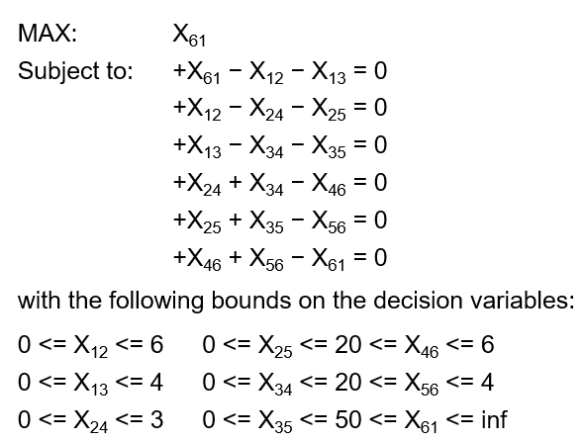
206 | 3 | Marzipan Metropolis | 6 | Smores Summit | 206
179 | 4 | Meringue Mountains | 7 | Vanilla Valley | 179
89 | 4 | Meringue Mountains | 6 | Smores Summit | 288
145 | 5 | Sherbet Shoreline | 7 | Vanilla Valley | 451
338 | 6 | Smores Summit | 7 | Vanilla Valley | 412
0 | 6 | Smores Summit | 5 | Sherbet Shoreline | 238
662 | 7 | Vanilla Valley | 0 | Cinnamon Swamp | 9999

