HFT pointing matrix
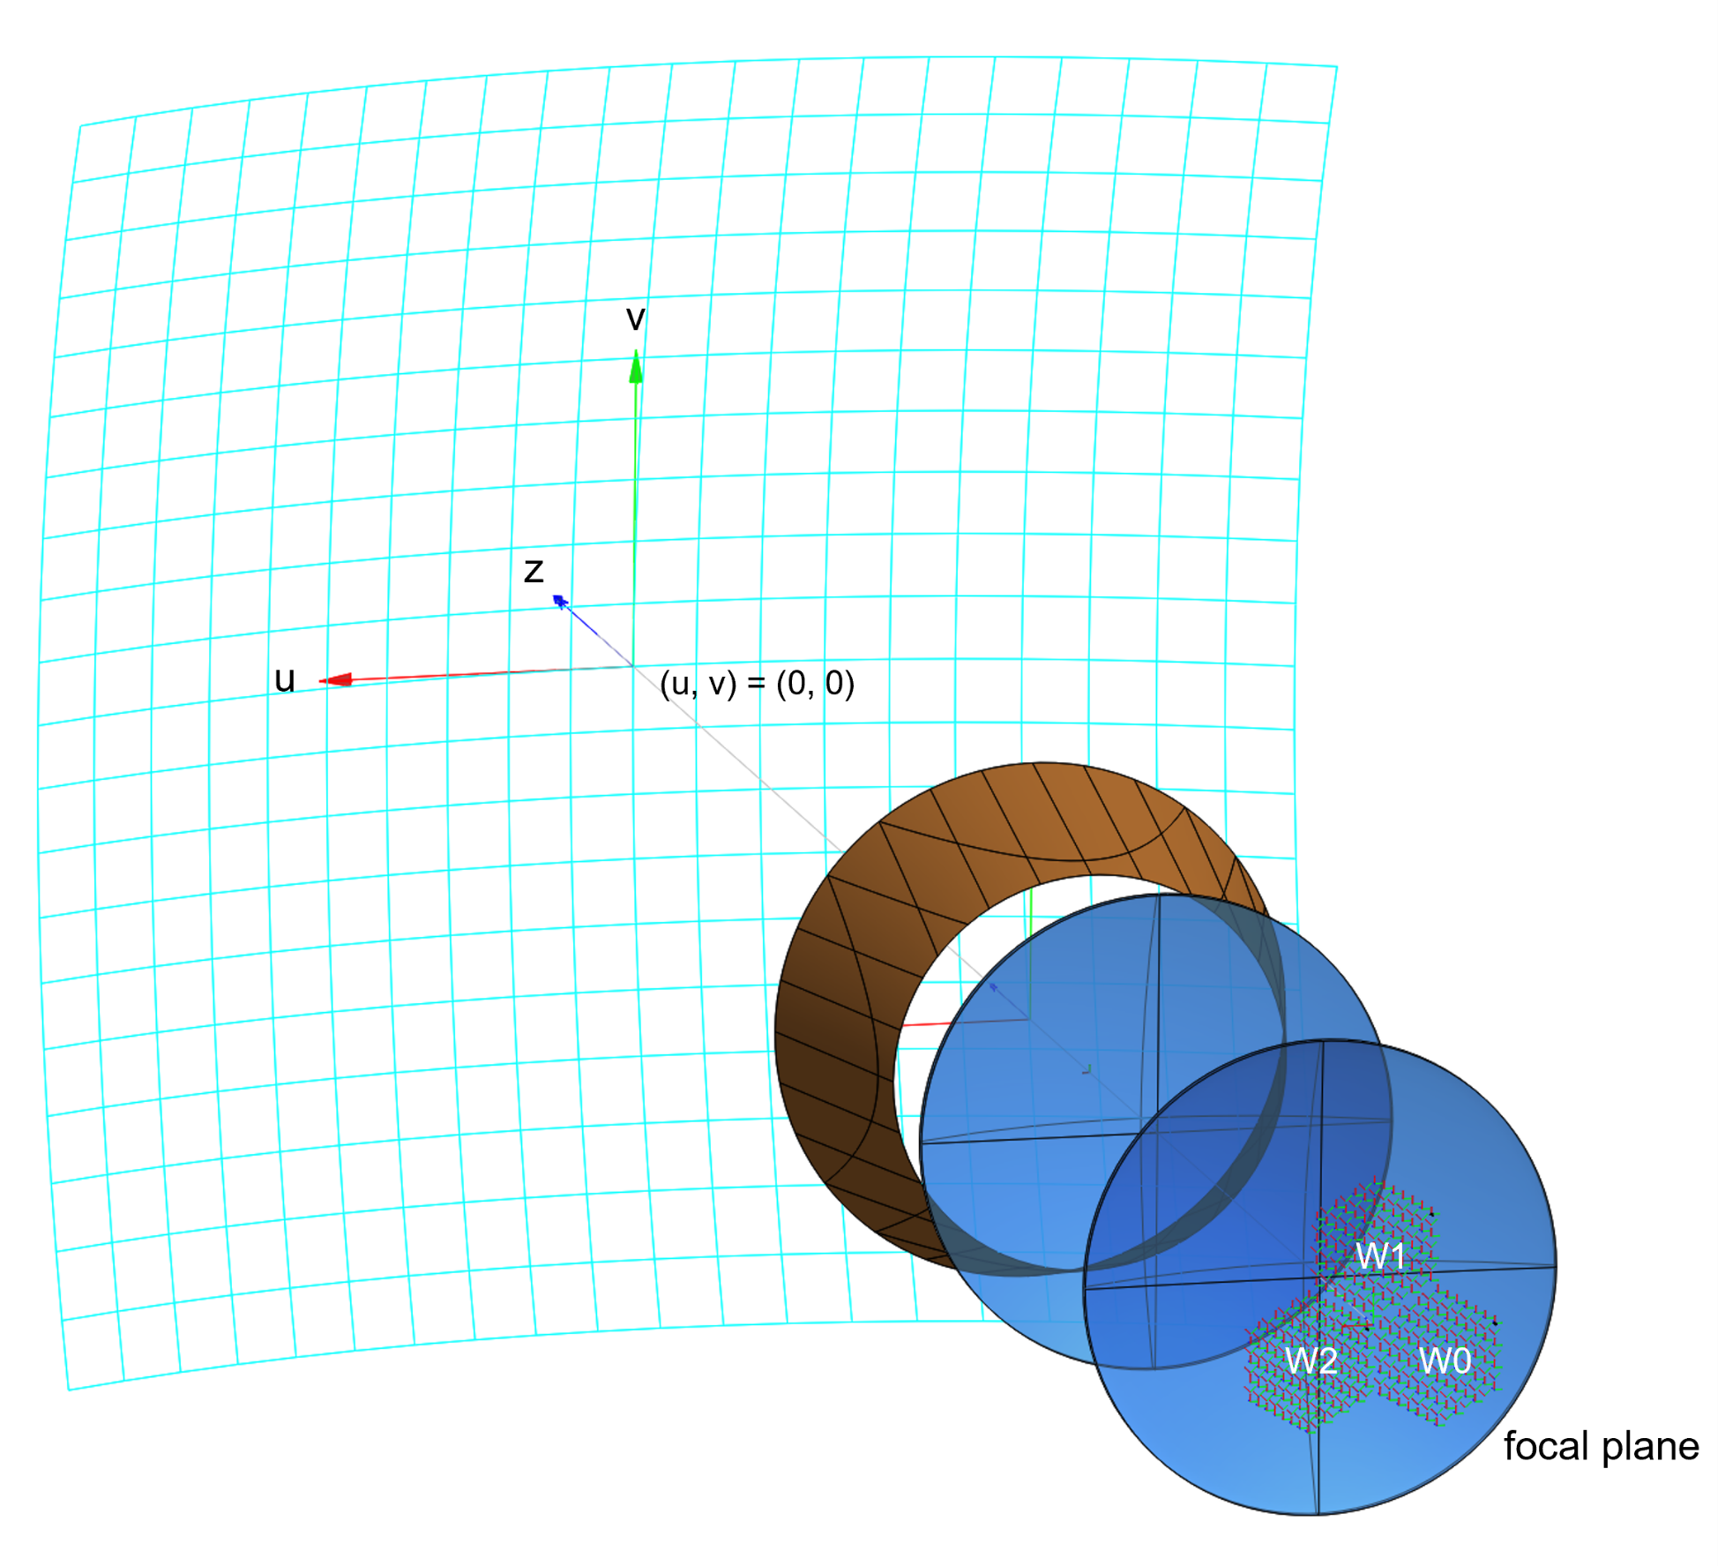
Wafer_0 |  |  | Wafer_1 |  |  | Wafer_2
pixel_ID | u | v | pixel_ID | u | v | pixel_ID | u | v
002_000_000_Q | 0.1793 | 0.0058 | 002_001_000_Q | 0.0843 | -0.1481 | 002_002_000_Q | -0.0093 | 0.0050
002_000_001_U | 0.1793 | 0.0210 | 002_001_001_U | 0.0843 | -0.1330 | 002_002_001_U | -0.0093 | 0.0183
002_000_002_Q | 0.1793 | 0.0361 | 002_001_002_Q | 0.0843 | -0.1178 | 002_002_002_Q | -0.0093 | 0.0315
002_000_003_U | 0.1793 | 0.0513 | 002_001_003_U | 0.0843 | -0.1026 | 002_002_003_U | -0.0093 | 0.0447
002_000_004_Q | 0.1793 | 0.0665 | 002_001_004_Q | 0.0843 | -0.0875 | 002_002_004_Q | -0.0093 | 0.0579
002_000_005_U | 0.1793 | 0.0817 | 002_001_005_U | 0.0843 | -0.0723 | 002_002_005_U | -0.0093 | 0.0711
002_000_006_Q | 0.1793 | 0.0968 | 002_001_006_Q | 0.0843 | -0.0571 | 002_002_006_Q | -0.0093 | 0.0844
002_000_007_Q | 0.1652 | -0.0018 | 002_001_007_Q | 0.0702 | -0.1557 | 002_002_007_U | -0.0093 | 0.0976
002_000_008_U | 0.1652 | 0.0134 | 002_001_008_U | 0.0702 | -0.1406 | 002_002_008_Q | -0.0216 | -0.0016
002_000_009_Q | 0.1652 | 0.0286 | 002_001_009_Q | 0.0702 | -0.1254 | 002_002_009_U | -0.0216 | 0.0116
002_000_010_U | 0.1652 | 0.0437 | 002_001_010_U | 0.0702 | -0.1102 | 002_002_010_Q | -0.0216 | 0.0249
002_000_011_Q | 0.1652 | 0.0589 | 002_001_011_Q | 0.0702 | -0.0950 | 002_002_011_U | -0.0216 | 0.0381
002_000_012_U | 0.1652 | 0.0741 | 002_001_012_U | 0.0702 | -0.0799 | 002_002_012_Q | -0.0216 | 0.0513
002_000_013_Q | 0.1652 | 0.0892 | 002_001_013_Q | 0.0702 | -0.0647 | 002_002_013_U | -0.0216 | 0.0645
002_000_014_U | 0.1652 | 0.1044 | 002_001_014_U | 0.0702 | -0.0495 | 002_002_014_Q | -0.0216 | 0.0778
002_000_015_Q | 0.1512 | -0.0094 | 002_001_015_Q | 0.0562 | -0.1633 | 002_002_015_U | -0.0216 | 0.0910
002_000_016_U | 0.1512 | 0.0058 | 002_001_016_U | 0.0562 | -0.1481 | 002_002_016_Q | -0.0216 | 0.1042
002_000_017_Q | 0.1512 | 0.0210 | 002_001_017_Q | 0.0562 | -0.1330 | 002_002_017_Q | -0.0338 | -0.0082
002_000_018_U | 0.1512 | 0.0361 | 002_001_018_U | 0.0562 | -0.1178 | 002_002_018_U | -0.0338 | 0.0050
002_000_019_Q | 0.1512 | 0.0513 | 002_001_019_Q | 0.0562 | -0.1026 | 002_002_019_Q | -0.0338 | 0.0183
002_000_020_U | 0.1512 | 0.0665 | 002_001_020_U | 0.0562 | -0.0875 | 002_002_020_U | -0.0338 | 0.0315
002_000_021_Q | 0.1512 | 0.0817 | 002_001_021_Q | 0.0562 | -0.0723 | 002_002_021_Q | -0.0338 | 0.0447
002_000_022_U | 0.1512 | 0.0968 | 002_001_022_U | 0.0562 | -0.0571 | 002_002_022_U | -0.0338 | 0.0579
002_000_023_Q | 0.1512 | 0.1120 | 002_001_023_Q | 0.0562 | -0.0419 | 002_002_023_Q | -0.0338 | 0.0711
002_000_024_Q | 0.1371 | -0.0170 | 002_001_024_Q | 0.0421 | -0.1709 | 002_002_024_U | -0.0338 | 0.0844
002_000_025_U | 0.1371 | -0.0018 | 002_001_025_U | 0.0421 | -0.1557 | 002_002_025_Q | -0.0338 | 0.0976
002_000_026_Q | 0.1371 | 0.0134 | 002_001_026_Q | 0.0421 | -0.1406 | 002_002_026_U | -0.0338 | 0.1108
002_000_027_U | 0.1371 | 0.0286 | 002_001_027_U | 0.0421 | -0.1254 | 002_002_027_Q | -0.0460 | -0.0148
002_000_028_Q | 0.1371 | 0.0437 | 002_001_028_Q | 0.0421 | -0.1102 | 002_002_028_U | -0.0460 | -0.0016
002_000_029_U | 0.1371 | 0.0589 | 002_001_029_U | 0.0421 | -0.0950 | 002_002_029_Q | -0.0460 | 0.0116
002_000_030_Q | 0.1371 | 0.0741 | 002_001_030_Q | 0.0421 | -0.0799 | 002_002_030_U | -0.0460 | 0.0249
002_000_031_U | 0.1371 | 0.0892 | 002_001_031_U | 0.0421 | -0.0647 | 002_002_031_Q | -0.0460 | 0.0381
002_000_032_Q | 0.1371 | 0.1044 | 002_001_032_Q | 0.0421 | -0.0495 | 002_002_032_U | -0.0460 | 0.0513
002_000_033_U | 0.1371 | 0.1196 | 002_001_033_U | 0.0421 | -0.0343 | 002_002_033_Q | -0.0460 | 0.0645
002_000_034_Q | 0.1231 | -0.0246 | 002_001_034_Q | 0.0281 | -0.1785 | 002_002_034_U | -0.0460 | 0.0778
002_000_035_U | 0.1231 | -0.0094 | 002_001_035_U | 0.0281 | -0.1633 | 002_002_035_Q | -0.0460 | 0.0910
002_000_036_Q | 0.1231 | 0.0058 | 002_001_036_Q | 0.0281 | -0.1481 | 002_002_036_U | -0.0460 | 0.1042
002_000_037_U | 0.1231 | 0.0210 | 002_001_037_U | 0.0281 | -0.1330 | 002_002_037_Q | -0.0460 | 0.1174
002_000_038_Q | 0.1231 | 0.0361 | 002_001_038_Q | 0.0281 | -0.1178 | 002_002_038_Q | -0.0583 | -0.0214 | Notes
002_000_039_U | 0.1231 | 0.0513 | 002_001_039_U | 0.0281 | -0.1026 | 002_002_039_U | -0.0583 | -0.0082 | - Pointing is calculated as a "scale factor" between pixels position within the FPU wafers and the (u, v) coordinates into the sky. I derived the scale factor for three pixels at the frequencies (min, center, max) in the bandwith: 002_000_063 (center pixel of W0, dichroic), 002_000_063 (center pixel of W1, dichroic), 002_000_084 (center pixel of W2, monochroic);
002_000_040_Q | 0.1231 | 0.0665 | 002_001_040_Q | 0.0281 | -0.0875 | 002_002_040_Q | -0.0583 | 0.0050 | - The Line-Of-Sight (LOS) of the HFT telescope, i.e. its geometrical and optical axis, points towards (u, v) = (0, 0) in the sky;
002_000_041_U | 0.1231 | 0.0817 | 002_001_041_U | 0.0281 | -0.0723 | 002_002_041_U | -0.0583 | 0.0183 | - Pixel labeling does not include the frequency because the (u, v) pointing is averaged over the whole frequency band of each pixel. E.g.: W0 pixels are calculated as a "mean pointing" for (165, 195, 225) GHz and (238, 280, 322) GHz frequencies;
002_000_042_Q | 0.1231 | 0.0968 | 002_001_042_Q | 0.0281 | -0.0571 | 002_002_042_Q | -0.0583 | 0.0315 | - Pixel labeling does not include the "T/B" (or "p/m") polarization orientation type. I only reported the "Q/U" polarization as it is fixed for all frequencies within each pixel;
002_000_043_U | 0.1231 | 0.1120 | 002_001_043_U | 0.0281 | -0.0419 | 002_002_043_U | -0.0583 | 0.0447 | - The refractive index of the lenses is 1.52 (old baseline, polypropylene PP). For this IMo version, I did not have time to repeat these very long HFT simulations. I will update it to the "UHME-PE at cold" (polyethilene is our baseline) in the next version, using n_PE = 1.556 as from Pete slides. This avoids any mix-up with current simulations which all include n = 1.52.
002_000_044_Q | 0.1231 | 0.1272 | 002_001_044_Q | 0.0281 | -0.0268 | 002_002_044_Q | -0.0583 | 0.0579
002_000_045_Q | 0.1090 | -0.0321 | 002_001_045_Q | 0.0140 | -0.1861 | 002_002_045_U | -0.0583 | 0.0711
002_000_046_U | 0.1090 | -0.0170 | 002_001_046_U | 0.0140 | -0.1709 | 002_002_046_Q | -0.0583 | 0.0844
002_000_047_Q | 0.1090 | -0.0018 | 002_001_047_Q | 0.0140 | -0.1557 | 002_002_047_U | -0.0583 | 0.0976
002_000_048_U | 0.1090 | 0.0134 | 002_001_048_U | 0.0140 | -0.1406 | 002_002_048_Q | -0.0583 | 0.1108
002_000_049_Q | 0.1090 | 0.0286 | 002_001_049_Q | 0.0140 | -0.1254 | 002_002_049_U | -0.0583 | 0.1240
002_000_050_U | 0.1090 | 0.0437 | 002_001_050_U | 0.0140 | -0.1102 | 002_002_050_Q | -0.0705 | -0.0280
002_000_051_Q | 0.1090 | 0.0589 | 002_001_051_Q | 0.0140 | -0.0950 | 002_002_051_U | -0.0705 | -0.0148
002_000_052_U | 0.1090 | 0.0741 | 002_001_052_U | 0.0140 | -0.0799 | 002_002_052_Q | -0.0705 | -0.0016
002_000_053_Q | 0.1090 | 0.0892 | 002_001_053_Q | 0.0140 | -0.0647 | 002_002_053_U | -0.0705 | 0.0116
002_000_054_U | 0.1090 | 0.1044 | 002_001_054_U | 0.0140 | -0.0495 | 002_002_054_Q | -0.0705 | 0.0249
002_000_055_Q | 0.1090 | 0.1196 | 002_001_055_Q | 0.0140 | -0.0343 | 002_002_055_U | -0.0705 | 0.0381
002_000_056_U | 0.1090 | 0.1348 | 002_001_056_U | 0.0140 | -0.0192 | 002_002_056_Q | -0.0705 | 0.0513
002_000_057_Q | 0.0950 | -0.0397 | 002_001_057_Q | 0.0000 | -0.1937 | 002_002_057_U | -0.0705 | 0.0645
002_000_058_U | 0.0950 | -0.0246 | 002_001_058_U | 0.0000 | -0.1785 | 002_002_058_Q | -0.0705 | 0.0778
002_000_059_Q | 0.0950 | -0.0094 | 002_001_059_Q | 0.0000 | -0.1633 | 002_002_059_U | -0.0705 | 0.0910
002_000_060_U | 0.0950 | 0.0058 | 002_001_060_U | 0.0000 | -0.1481 | 002_002_060_Q | -0.0705 | 0.1042
002_000_061_Q | 0.0950 | 0.0210 | 002_001_061_Q | 0.0000 | -0.1330 | 002_002_061_U | -0.0705 | 0.1174
002_000_062_U | 0.0950 | 0.0361 | 002_001_062_U | 0.0000 | -0.1178 | 002_002_062_Q | -0.0705 | 0.1307
002_000_063_Q | 0.0950 | 0.0513 | 002_001_063_Q | 0.0000 | -0.1026 | 002_002_063_Q | -0.0828 | -0.0346
002_000_064_U | 0.0950 | 0.0665 | 002_001_064_U | 0.0000 | -0.0875 | 002_002_064_U | -0.0828 | -0.0214
002_000_065_Q | 0.0950 | 0.0817 | 002_001_065_Q | 0.0000 | -0.0723 | 002_002_065_Q | -0.0828 | -0.0082
002_000_066_U | 0.0950 | 0.0968 | 002_001_066_U | 0.0000 | -0.0571 | 002_002_066_U | -0.0828 | 0.0050
002_000_067_Q | 0.0950 | 0.1120 | 002_001_067_Q | 0.0000 | -0.0419 | 002_002_067_Q | -0.0828 | 0.0183
002_000_068_U | 0.0950 | 0.1272 | 002_001_068_U | 0.0000 | -0.0268 | 002_002_068_U | -0.0828 | 0.0315
002_000_069_Q | 0.0950 | 0.1424 | 002_001_069_Q | 0.0000 | -0.0116 | 002_002_069_Q | -0.0828 | 0.0447
002_000_070_U | 0.0809 | -0.0321 | 002_001_070_U | -0.0140 | -0.1861 | 002_002_070_U | -0.0828 | 0.0579
002_000_071_Q | 0.0809 | -0.0170 | 002_001_071_Q | -0.0140 | -0.1709 | 002_002_071_Q | -0.0828 | 0.0711
002_000_072_U | 0.0809 | -0.0018 | 002_001_072_U | -0.0140 | -0.1557 | 002_002_072_U | -0.0828 | 0.0844
002_000_073_Q | 0.0809 | 0.0134 | 002_001_073_Q | -0.0140 | -0.1406 | 002_002_073_Q | -0.0828 | 0.0976
002_000_074_U | 0.0809 | 0.0286 | 002_001_074_U | -0.0140 | -0.1254 | 002_002_074_U | -0.0828 | 0.1108
002_000_075_Q | 0.0809 | 0.0437 | 002_001_075_Q | -0.0140 | -0.1102 | 002_002_075_Q | -0.0828 | 0.1240
002_000_076_U | 0.0809 | 0.0589 | 002_001_076_U | -0.0140 | -0.0950 | 002_002_076_U | -0.0828 | 0.1373
002_000_077_Q | 0.0809 | 0.0741 | 002_001_077_Q | -0.0140 | -0.0799 | 002_002_077_Q | -0.0950 | -0.0412
002_000_078_U | 0.0809 | 0.0892 | 002_001_078_U | -0.0140 | -0.0647 | 002_002_078_U | -0.0950 | -0.0280
002_000_079_Q | 0.0809 | 0.1044 | 002_001_079_Q | -0.0140 | -0.0495 | 002_002_079_Q | -0.0950 | -0.0148
002_000_080_U | 0.0809 | 0.1196 | 002_001_080_U | -0.0140 | -0.0343 | 002_002_080_U | -0.0950 | -0.0016
002_000_081_Q | 0.0809 | 0.1348 | 002_001_081_Q | -0.0140 | -0.0192 | 002_002_081_Q | -0.0950 | 0.0116
002_000_082_Q | 0.0669 | -0.0246 | 002_001_082_Q | -0.0281 | -0.1785 | 002_002_082_U | -0.0950 | 0.0249
002_000_083_U | 0.0669 | -0.0094 | 002_001_083_U | -0.0281 | -0.1633 | 002_002_083_Q | -0.0950 | 0.0381
002_000_084_Q | 0.0669 | 0.0058 | 002_001_084_Q | -0.0281 | -0.1481 | 002_002_084_U | -0.0950 | 0.0513
002_000_085_U | 0.0669 | 0.0210 | 002_001_085_U | -0.0281 | -0.1330 | 002_002_085_Q | -0.0950 | 0.0645
002_000_086_Q | 0.0669 | 0.0361 | 002_001_086_Q | -0.0281 | -0.1178 | 002_002_086_U | -0.0950 | 0.0778
002_000_087_U | 0.0669 | 0.0513 | 002_001_087_U | -0.0281 | -0.1026 | 002_002_087_Q | -0.0950 | 0.0910
002_000_088_Q | 0.0669 | 0.0665 | 002_001_088_Q | -0.0281 | -0.0875 | 002_002_088_U | -0.0950 | 0.1042
002_000_089_U | 0.0669 | 0.0817 | 002_001_089_U | -0.0281 | -0.0723 | 002_002_089_Q | -0.0950 | 0.1174
002_000_090_Q | 0.0669 | 0.0968 | 002_001_090_Q | -0.0281 | -0.0571 | 002_002_090_U | -0.0950 | 0.1307
002_000_091_U | 0.0669 | 0.1120 | 002_001_091_U | -0.0281 | -0.0419 | 002_002_091_Q | -0.0950 | 0.1439
002_000_092_Q | 0.0669 | 0.1272 | 002_001_092_Q | -0.0281 | -0.0268 | 002_002_092_U | -0.1072 | -0.0346
002_000_093_U | 0.0529 | -0.0170 | 002_001_093_U | -0.0421 | -0.1709 | 002_002_093_Q | -0.1072 | -0.0214
002_000_094_Q | 0.0529 | -0.0018 | 002_001_094_Q | -0.0421 | -0.1557 | 002_002_094_U | -0.1072 | -0.0082
002_000_095_U | 0.0529 | 0.0134 | 002_001_095_U | -0.0421 | -0.1406 | 002_002_095_Q | -0.1072 | 0.0050
002_000_096_Q | 0.0529 | 0.0286 | 002_001_096_Q | -0.0421 | -0.1254 | 002_002_096_U | -0.1072 | 0.0183
002_000_097_U | 0.0529 | 0.0437 | 002_001_097_U | -0.0421 | -0.1102 | 002_002_097_Q | -0.1072 | 0.0315
002_000_098_Q | 0.0529 | 0.0589 | 002_001_098_Q | -0.0421 | -0.0950 | 002_002_098_U | -0.1072 | 0.0447
002_000_099_U | 0.0529 | 0.0741 | 002_001_099_U | -0.0421 | -0.0799 | 002_002_099_Q | -0.1072 | 0.0579
002_000_100_Q | 0.0529 | 0.0892 | 002_001_100_Q | -0.0421 | -0.0647 | 002_002_100_U | -0.1072 | 0.0711
002_000_101_U | 0.0529 | 0.1044 | 002_001_101_U | -0.0421 | -0.0495 | 002_002_101_Q | -0.1072 | 0.0844
002_000_102_Q | 0.0529 | 0.1196 | 002_001_102_Q | -0.0421 | -0.0343 | 002_002_102_U | -0.1072 | 0.0976
002_000_103_Q | 0.0388 | -0.0094 | 002_001_103_Q | -0.0562 | -0.1633 | 002_002_103_Q | -0.1072 | 0.1108
002_000_104_U | 0.0388 | 0.0058 | 002_001_104_U | -0.0562 | -0.1481 | 002_002_104_U | -0.1072 | 0.1240
002_000_105_Q | 0.0388 | 0.0210 | 002_001_105_Q | -0.0562 | -0.1330 | 002_002_105_Q | -0.1072 | 0.1373
002_000_106_U | 0.0388 | 0.0361 | 002_001_106_U | -0.0562 | -0.1178 | 002_002_106_Q | -0.1195 | -0.0280
002_000_107_Q | 0.0388 | 0.0513 | 002_001_107_Q | -0.0562 | -0.1026 | 002_002_107_U | -0.1195 | -0.0148
002_000_108_U | 0.0388 | 0.0665 | 002_001_108_U | -0.0562 | -0.0875 | 002_002_108_Q | -0.1195 | -0.0016
002_000_109_Q | 0.0388 | 0.0817 | 002_001_109_Q | -0.0562 | -0.0723 | 002_002_109_U | -0.1195 | 0.0116
002_000_110_U | 0.0388 | 0.0968 | 002_001_110_U | -0.0562 | -0.0571 | 002_002_110_Q | -0.1195 | 0.0249
002_000_111_Q | 0.0388 | 0.1120 | 002_001_111_Q | -0.0562 | -0.0419 | 002_002_111_U | -0.1195 | 0.0381
002_000_112_U | 0.0248 | -0.0018 | 002_001_112_U | -0.0702 | -0.1557 | 002_002_112_Q | -0.1195 | 0.0513
002_000_113_Q | 0.0248 | 0.0134 | 002_001_113_Q | -0.0702 | -0.1406 | 002_002_113_U | -0.1195 | 0.0645
002_000_114_U | 0.0248 | 0.0286 | 002_001_114_U | -0.0702 | -0.1254 | 002_002_114_Q | -0.1195 | 0.0778
002_000_115_Q | 0.0248 | 0.0437 | 002_001_115_Q | -0.0702 | -0.1102 | 002_002_115_U | -0.1195 | 0.0910
002_000_116_U | 0.0248 | 0.0589 | 002_001_116_U | -0.0702 | -0.0950 | 002_002_116_Q | -0.1195 | 0.1042
002_000_117_Q | 0.0248 | 0.0741 | 002_001_117_Q | -0.0702 | -0.0799 | 002_002_117_U | -0.1195 | 0.1174
002_000_118_U | 0.0248 | 0.0892 | 002_001_118_U | -0.0702 | -0.0647 | 002_002_118_Q | -0.1195 | 0.1307
002_000_119_Q | 0.0248 | 0.1044 | 002_001_119_Q | -0.0702 | -0.0495 | 002_002_119_U | -0.1317 | -0.0214
002_000_120_Q | 0.0107 | 0.0058 | 002_001_120_Q | -0.0843 | -0.1481 | 002_002_120_Q | -0.1317 | -0.0082
002_000_121_U | 0.0107 | 0.0210 | 002_001_121_U | -0.0843 | -0.1330 | 002_002_121_U | -0.1317 | 0.0050
002_000_122_Q | 0.0107 | 0.0361 | 002_001_122_Q | -0.0843 | -0.1178 | 002_002_122_Q | -0.1317 | 0.0183
002_000_123_U | 0.0107 | 0.0513 | 002_001_123_U | -0.0843 | -0.1026 | 002_002_123_U | -0.1317 | 0.0315
002_000_124_Q | 0.0107 | 0.0665 | 002_001_124_Q | -0.0843 | -0.0875 | 002_002_124_Q | -0.1317 | 0.0447
002_000_125_U | 0.0107 | 0.0817 | 002_001_125_U | -0.0843 | -0.0723 | 002_002_125_U | -0.1317 | 0.0579
002_000_126_Q | 0.0107 | 0.0968 | 002_001_126_Q | -0.0843 | -0.0571 | 002_002_126_Q | -0.1317 | 0.0711
 |  |  |  |  |  | 002_002_127_U | -0.1317 | 0.0844
 |  |  |  |  |  | 002_002_128_Q | -0.1317 | 0.0976
 |  |  |  |  |  | 002_002_129_U | -0.1317 | 0.1108
 |  |  |  |  |  | 002_002_130_Q | -0.1317 | 0.1240
 |  |  |  |  |  | 002_002_131_Q | -0.1439 | -0.0148
 |  |  |  |  |  | 002_002_132_U | -0.1439 | -0.0016
 |  |  |  |  |  | 002_002_133_Q | -0.1439 | 0.0116
 |  |  |  |  |  | 002_002_134_U | -0.1439 | 0.0249
 |  |  |  |  |  | 002_002_135_Q | -0.1439 | 0.0381
 |  |  |  |  |  | 002_002_136_U | -0.1439 | 0.0513
 |  |  |  |  |  | 002_002_137_Q | -0.1439 | 0.0645
 |  |  |  |  |  | 002_002_138_U | -0.1439 | 0.0778
 |  |  |  |  |  | 002_002_139_Q | -0.1439 | 0.0910
 |  |  |  |  |  | 002_002_140_U | -0.1439 | 0.1042
 |  |  |  |  |  | 002_002_141_Q | -0.1439 | 0.1174
 |  |  |  |  |  | 002_002_142_U | -0.1562 | -0.0082
 |  |  |  |  |  | 002_002_143_Q | -0.1562 | 0.0050
...

