Sheet1
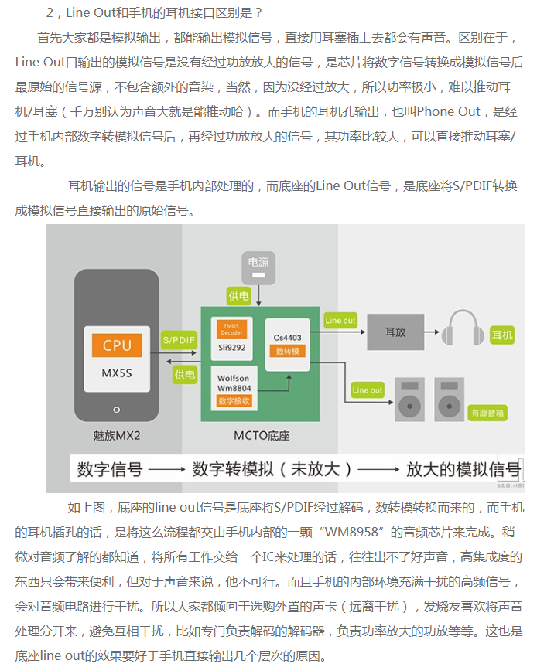
术语 | 注释 | 输入子系统(input) |  | Switch Dev(Uevent机制) |  |  | WiredAccessoryManager | AudioService中intent值
 |  | EV_SW事件(内核中的宏) | code(bit) | 内核中的宏 | Android中的H2W设备的宏 | 值 | device
 |  |  |  | SEC_JACK_NO_DEVICE |  | 0x0
 |  |  |  |  |  |  |  | intent.putExtra("state", state); intent.putExtra("name", name);
HEADSET | 听筒+MIC | SW_MICROPHONE_INSERT | 4 | SEC_HEADSET_4POLE | BIT_HEADSET | 1<<0 | DEVICE_OUT_WIRED_HEADSET | intent.setAction(Intent.ACTION_HEADSET_PLUG); intent.putExtra("microphone", 1);
 |  | SW_HEADPHONE_INSERT_BIT | SW_MICROPHONE_INSERT_BIT | bit4,2
HEADPHONE | 听筒，没有MIC | SW_HEADPHONE_INSERT | 2 | SEC_HEADSET_3POLE | BIT_HEADSET_NO_MIC | 1<<1 | DEVICE_OUT_WIRED_HEADPHONE | "intent.setAction(Intent.ACTION_HEADSET_PLUG); intent.putExtra(""microphone"", 0);"
 |  |  |  | SEC_TTY_DEVICE |  | 1<<2
 |  |  |  | SEC_FM_HEADSET |  | 1<<3
 |  |  |  | SEC_FM_SPEAKER |  | 1<<4
LINEOUT | 未经功放的原始输出模拟声音信号 | SW_LINEOUT_INSERT_BIT | 6 | SEC_TVOUT_DEVICE | BIT_LINEOUT | 1<<5 | DEVICE_OUT_LINE
 |  |  |  | SEC_EXTRA_DOCK_SPEAKER |  | 1<<6
 |  |  |  | SEC_EXTRA_CAR_DOCK_SPEAKER |  | 1<<7
 |  |  |  | SEC_UNKNOWN_DEVICE |  | 1<<8

MICROPHONE | 话筒、MIC(麦克风)

https://bbs.meizu.cn/thread-4426129-1-1.html

