STARTUP
x |  |  | Reef Moonshiner's Tool Selector | 
x
x | CHOOSE THE TEST YOU HAVE USED - FOR BEGINNER AND ADVANCED USER
x
x
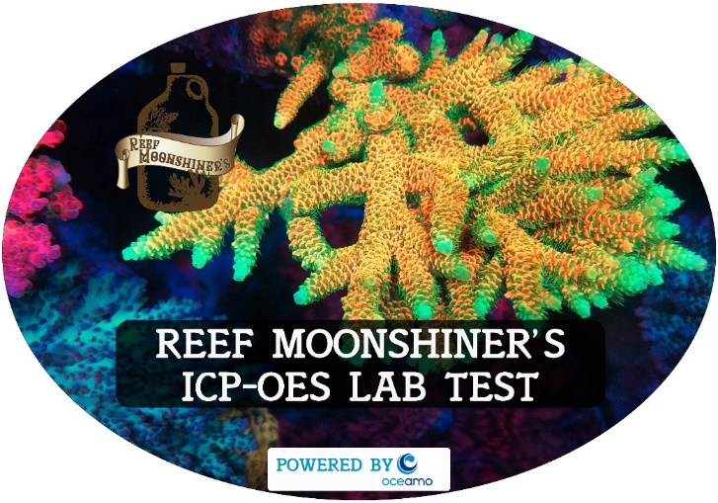
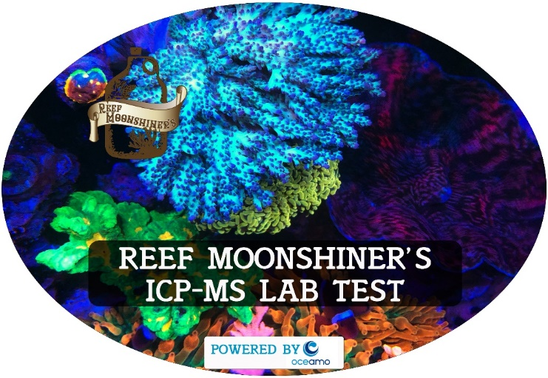
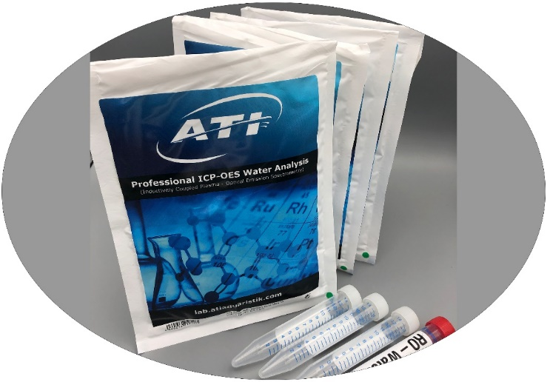
x
x

xx
x
x
x
x | OTHER OPTIONAL TOOLS - ONLY FOR ADVANCED/EXPERIENCED USER
x
x
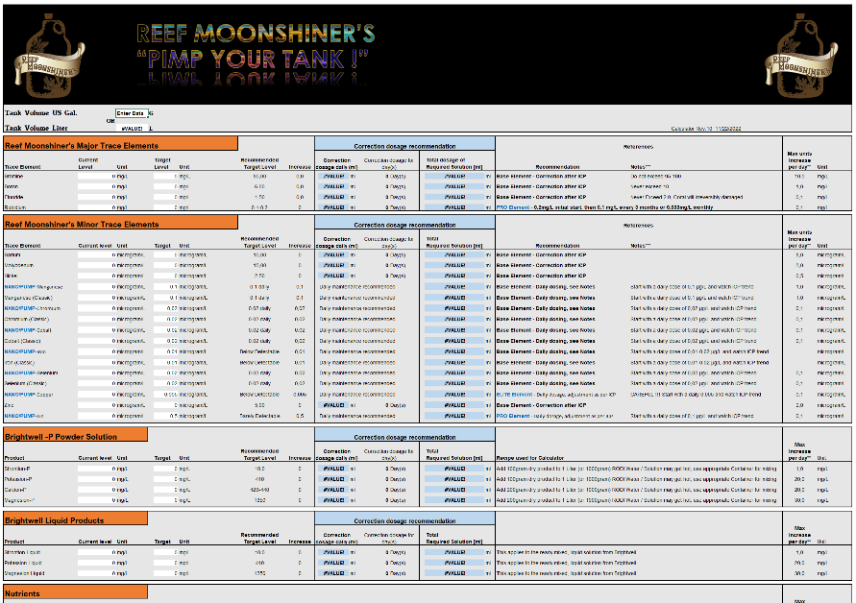
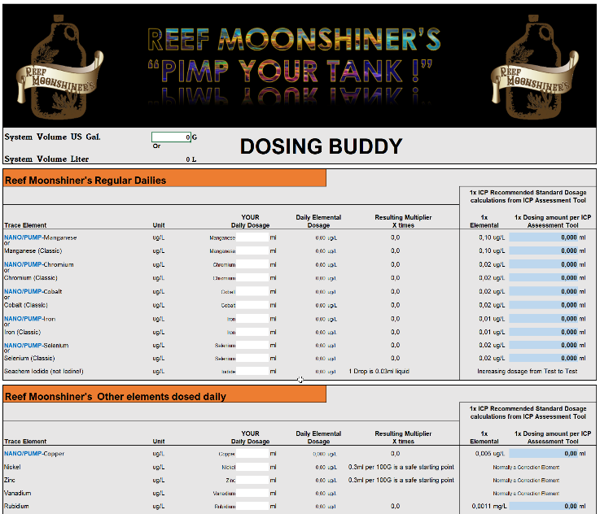
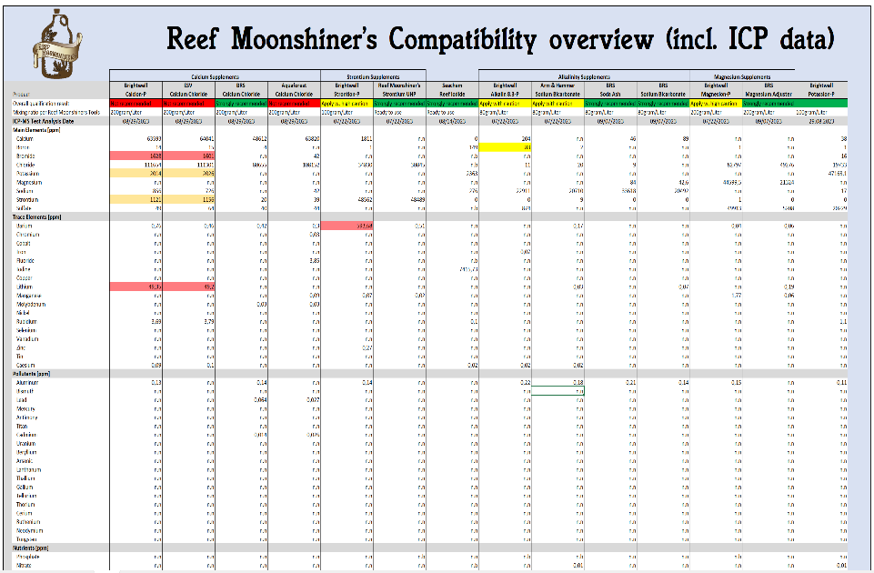
x
x

xx |  | CLASSIC CALCULATOR | DOSING BUDDY PRODUCT COMPATIBILITY COMPARISON CHART
x
x
x
x

ATI ICP Assessment tool
x
x |  |  |  |  |  | ATI ICP-OES ASSESSMENT + DOSING TOOL |  |  |  | Copyright Reef Moonshiners LLC 2022 Revision: R11a https://www.reefmoonshiners.com/
x |  |  |  |  |  |  |  |  | USER INSTRUCTIONS : Enter tank water volume in Gallons, excluding rock, livestock etc. Transfer manually the Test Results from ATI ICP Test, don't copy and paste. "N.N" in the ICP results means " 0 " in the entry cell of the Assessment tool
x |  | System Water Volume Gallons |  |  | Enter Data
x
x |  | System Water Volume Liter |  |  | #VALUE!
x
x
x
x |  | Base Elements
x
x
x |  |  | Salinity |  | Enter Data | PSU |  |  | Comment to Test Result data
x |  |  |  |  |  |  |  |  | Verify Data Entry
x
x |  |  | Verify Data Entry
x
x
x
x |  |  | Carbonate Hardness |  | Enter Data | dKH |  |  | Comment to Test Result data
x |  |  |  |  |  |  |  |  | Verify Data Entry
x
x
x
x
x |  | Major Trace Elements
x
x
x |  |  | Magnesium |  | Enter Data | mg/L |  |  | Comment to Test Result data
x |  |  |  |  |  |  |  |  | Verify Data Entry
x
x |  |  | Verify Data Entry
x |  |  | 0.00 | ml per day | for | 0 | day(s)

x |  |  | Verify Data Entry
x |  |  | 0.00 | ml per day | for | 0 | day(s)

x
x
x
x |  |  | Sulfur |  | Enter Data | mg/L |  |  | Comment to Test Result data
x |  |  |  |  |  |  |  |  | Verify Data Entry - Make sure you use the correct Assessment tool since this is for the ATI Test kit only.

x
x
x
x |  |  | Calcium |  | Enter Data | mg/L |  |  | Comment to Test Result data
x |  |  |  |  |  |  |  |  | Verify Data Entry
x
x |  |  | Verify Data Entry
x |  |  | 0.00 | ml per day | for | 0 | day(s)

 |  |  | Verify Data Entry
x |  |  | 0.00 | ml per day | for | 0 | day(s)

x
x
x
x |  |  | Potassium |  | Enter Data | mg/L |  |  | Comment to Test Result data
x |  |  |  |  |  |  |  |  | Verify Data Entry
x
x |  |  | Verify Data Entry
x |  |  | 0.00 | ml per day | for | 0 | day(s)

x
x
x
x |  |  | Bromine/Bromide |  | Enter Data | mg/L |  |  | Comment to Test Result data
x |  |  |  |  |  |  |  |  | Verify Data Entry
x
x |  |  | Verify Data Entry
x |  |  | 0.00 | ml per day | for | 0 | day(s)

x
x
x
x |  |  | Strontium |  | Enter Data | mg/L |  |  | Comment to Test Result data
x |  |  |  |  |  |  |  |  | Verify Data Entry
x
x |  |  | Verify Data Entry
x |  |  | 0.00 | ml per day | for | 0 | day(s)

x
x
x
x |  |  | Boron |  | Enter Data | mg/L |  |  | Comment to Test Result data
x |  |  |  |  |  |  |  |  | Verify Data Entry - Enter 0 for N.N
x
x |  |  | Verify Data Entry
x |  |  | 0.00 | ml per day | for | 0 | day(s)

x
x
x
x |  |  | Fluoride/Flourine |  | Enter Data | mg/L |  |  | Comment to Test Result data
x |  |  |  |  |  |  |  |  | Verify Data Entry
x
x |  |  | Verify Data Entry
x |  |  | 0.00 | ml per day | for | 0 | day(s)

x

x
x
x |  |  | Rubidium |  |  |  |  |  | Comment
x |  |  |  |  |  |  |  |  | Unfortunately this ICP test does not measure Rubidium as the Reef Moonshiners ICP-OES and ICP-MS do. A Reef Moonshiner's ICP test is recommend as part of a future purchase, to be included as a box filler. Rubidium is strongly recommended to be dosed as part of the Reef Moonshiner program! Rubidium is a very influencing element with very positive effects to Shrooms, Zoa, Torches, all Soft corals as well to SPS. Many Moonshiner user repeatedly see significant effects and improvements when this element is supplemented. Since Rubidium is a very expensive metal it is barely included in salt mixes and supplements. The ICP testing has shown that most tanks are lacking therefore on Rubidium, not even reaching the natural level of 200µg/L. Rubidium is done in 2 steps. 1.) Initial correction dosage of 200µg/L (equal to 0.2mg/L / equal 0.2ppm) 2.) Subsequent refreshments of either monthly or daily, your choice. By using a Reef Moonshiner's ICP Test, Rubidium will be treated as a corrective Element. See dosing instructions below, and more information can be found in the Reef Moonshiner Handbook on Rubidium.
x
x |  |  | First Initial one time correction dosage of 0.2mg/L (Reef Moonshiners Rubidium)
x |  |  | #VALUE! | ml per day | for | 2 | day(s)
x
x |  |  | Regime A : Montlhy subsequent dosage of 0.033mg/L (Reef Moonshiners Rubidium)
x |  |  | #VALUE! | ml per day | for | 1 | day(s)
x |  |  | OR
x
x |  |  | Regime B : Daily subsequent dosage of 0.0011mg/L (Reef Moonshiners Rubidium)
x |  |  | #VALUE! | ml daily

x
x
x
x
x |  | Minor Trace Elements
x
x
x |  |  | Lithium |  | Enter Data | µg/L |  |  | Comment to Test Result data
x |  |  |  |  |  |  |  |  | Verify Data Entry

x
x
x
x |  |  | Silicon |  | Enter Data | µg/L |  |  | Comment to Test Result data
x |  |  |  |  |  |  |  |  | Verify Data Entry

x
x
x
x |  |  | Iodine |  | Enter Data | µg/L |  |  | Comment to Test Result data
x |  |  |  |  |  |  |  |  | Verify Data Entry
x
x |  |  | Verify Data Entry

x
x
x
x |  |  | Barium |  | Enter Data | µg/L |  |  | Comment to Test Result data
x |  |  |  |  |  |  |  |  | Verify Data Entry
x
x |  |  | Verify Data Entry
x |  |  | 0.00 | ml per day | for | 0 | day(s)

x
x
x
x |  |  | Molybdenum |  | Enter Data | µg/L |  |  | Comment to Test Result data
x |  |  |  |  |  |  |  |  | Verify Data Entry
x
x |  |  | Verify Data Entry
x |  |  | 0.00 | ml per day | for | 0 | day(s)

x
x
x
x |  |  | Nickel |  | Enter Data | µg/L |  |  | Comment to Test Result data
x |  |  |  |  |  |  |  |  | Verify Data Entry
x
x |  |  | Verify Data Entry
x |  |  | 0.00 | ml per day | for | 0 | day(s)

x
x
x
x |  |  | Manganese |  | Enter Data | µg/L |  |  | Comment to Test Result data
x |  |  |  |  |  |  |  |  | Verify Data Entry
x
x |  |  | Verify Data Entry
x |  |  | 0.00 | ml per day
x |  |  | OR

x
x |  |  | Verify Data Entry
x |  |  | 0.00 | ml per day

x
x
x
x |  |  | Arsenic |  | Enter Data | µg/L |  |  | Comment to Test Result data
x |  |  |  |  |  |  |  |  | Verify Data Entry

x
x
x
x |  |  | Beryllium |  | Enter Data | µg/L |  |  | Comment to Test Result data
x |  |  |  |  |  |  |  |  | Verify Data Entry

x
x
x
x |  |  | Chromium/Chrome |  | Enter Data | µg/L |  |  | Comment to Test Result data
x |  |  |  |  |  |  |  |  | Verify Data Entry
x
x |  |  | Verify Data Entry
x |  |  | 0.00 | ml per day
x |  |  | OR

x
x |  |  | Verify Data Entry
x |  |  | 0.00 | ml per day

x
x
x
x |  |  | Cobalt |  | Enter Data | µg/L |  |  | Comment to Test Result data
x |  |  |  |  |  |  |  |  | Verify Data Entry
x
x |  |  | Verify Data Entry
x |  |  | 0.00 | ml per day
x |  |  | OR

x
x |  |  | Verify Data Entry
x |  |  | 0.00 | ml per day

x
x
x
x |  |  | Iron |  | Enter Data | µg/L |  |  | Comment to Test Result data
x |  |  |  |  |  |  |  |  | Verify Data Entry
x
x |  |  | Verify Data Entry
x |  |  | 0.00 | ml per day
x |  |  | OR

x
x |  |  | Verify Data Entry
x |  |  | 0.00 | ml per day

x
x
x
x |  |  | Copper |  | Enter Data | µg/L |  |  | Comment to Test Result data
x |  |  |  |  |  |  |  |  | Verify Data Entry

x
x
x
x |  |  | Selenium |  | Enter Data | µg/L |  |  | Comment to Test Result data
x |  |  |  |  |  |  |  |  | Verify Data Entry
x
x |  |  | Verify Data Entry
x |  |  | 0.00 | ml per day
x |  |  | OR

x
x |  |  | Verify Data Entry
x |  |  | 0.00 | ml per day

x
x
x
x |  |  | Silver |  | Enter Data | µg/L |  |  | Comment to Test Result data
x |  |  |  |  |  |  |  |  | Verify Data Entry

x
x
x
x |  |  | Vanadium |  | Enter Data | µg/L |  |  | Comment to Test Result data
x |  |  |  |  |  |  |  |  | Verify Data Entry
x
x |  |  | Verify Data Entry

x
x
x
x |  |  | Zinc |  | Enter Data | µg/L |  |  | Comment to Test Result data
x |  |  |  |  |  |  |  |  | Verify Data Entry
x
x |  |  | Verify Data Entry
x |  |  | 0.00 | ml per day | for | 0 | day(s)

x
x
x
x |  |  | Tin/Stannum |  | Enter Data | µg/L |  |  | Comment to Test Result data
x |  |  |  |  |  |  |  |  | Verify Data Entry

x
x
x

x
x |  | Pollutants
x
x
x |  |  | Aluminum |  | Enter Data | µg/L |  |  | Comment to Test Result data
x |  |  |  |  |  |  |  |  | Verify Data Entry

x
x
x
x |  |  | Lanthanum |  | Enter Data | µg/L |  |  | Comment to Test Result data
x |  |  |  |  |  |  |  |  | Verify Data Entry

x
x
x
x |  |  | Other Pollutants |  | Enter Data | µg/L |  |  | Comment to Test Result data
x |  |  |  |  |  |  |  |  | Verify Data Entry

x
x
x
x
x
x
x |  | Dosing Summary from above assessment
x
x
x |  |  | Magnesium |  | 0.00 | ml per day | for | 0 | day(s)
x |  |  | Calcium |  | 0.00 | ml per day | for | 0 | day(s)
x |  |  | Potassium |  | 0.00 | ml per day | for | 0 | day(s)
x |  |  | Bromine/Bromide |  | 0.00 | ml per day | for | 0 | day(s)
x |  |  | Strontium |  | 0.00 | ml per day | for | 0 | day(s)
x |  |  | Boron |  | 0.00 | ml per day | for | 0 | day(s)
x |  |  | Fluoride/Flourine |  | 0.00 | ml per day | for | 0 | day(s)
x |  |  | Rubidium |  | First Initial one time correction dosage of 0.2mg/L (Reef Moonshiners Rubidium)
x |  |  |  |  | #VALUE! | ml per day | for | 2 | day(s)
x |  |  |  |  | Regime A : Montlhy subsequent dosage of 0.033mg/L (Reef Moonshiners Rubidium)
x |  |  |  |  | #VALUE! | ml per day | for | 1 | day(s)
x |  |  |  |  | Regime B : Daily subsequent dosage of 0.0011mg/L (Reef Moonshiners Rubidium)
x |  |  |  |  | #VALUE! | ml daily
x |  |  | Iodine |  | Verify Data Entry
x
x
x
x
x
x
x
x |  |  | Barium |  | 0.00 | ml per day | for | 0 | day(s)
x |  |  | Molybdenum |  | 0.00 | ml per day | for | 0 | day(s)
x |  |  | Nickel |  | 0.00 | ml per day | for | 0 | day(s)
x |  |  | Manganese |  | 0.00 | ml per day |  | (Reef Moonshiner Manganese classic)
x |  |  |  |  | 0.00 | ml per day |  | (Reef Moonshiner NANO/PUMP Manganese)
x |  |  | Chromium/Chrome |  | 0.00 | ml per day |  | (Reef Moonshiner Chromium classic)
x |  |  |  |  | 0.00 | ml per day |  | (Reef Moonshiner NANO/PUMP Chromium)
x |  |  | Cobalt |  | 0.00 | ml per day |  | (Reef Moonshiner Cobalt classic)
x |  |  |  |  | 0.00 | ml per day |  | (Reef Moonshiner NANO/PUMP Cobalt)
x |  |  | Iron |  | 0.00 | ml per day |  | (Reef Moonshiner Iron classic)
x |  |  |  |  | 0.00 | ml per day |  | (Reef Moonshiner NANO/PUMP Iron)
x |  |  | Vanadium |  | Verify Data Entry
x
x
x
x
x |  |  | Zinc |  | 0.00 | ml per day | for | 0 | day(s)
x
x
x
x |  | OPTIONAL ELEMENTS/SUPPLEMENTS
x
x
x |  |  | Selenium |  | 0.00 | ml per day |  | (Reef Moonshiner Selenium classic)
x |  |  |  |  | 0.00 | ml per day |  | (Reef Moonshiner NANO/PUMP Selenium)
x |  |  | Liqui-Mud |  | 1ml per 100Gallon daily
x |  |  | Vitamin CarbX |  | 5-7 drops daily per 100Gallon |  |  |  | (Mix drops with tank water and pour into Display tank, or Soak Flakefood against ICH and feed multiple times)
xx |  |  | Nitrate Solution |  | DIY Stock solutions and dosing calculations are included in the Reef Moonshiner calculator
x
x
x
x
x
x
x |  | First Time user Shopping list
x
x
x |  |  | BRS Gen. Adjustment Magnesium |  |  | Not required |  |  | *RM disqualified Magnesion-P and chose BRS Magnesium for purity reasons
x |  |  | BRS Calcium Chloride |  |  | Not required |  |  | *RM disqualified Calcion-P and chose BRS Calcium for purity reasons
x |  |  | Reef Moonshiners Potassium UHP |  |  | Not required
x |  |  | Reef Moonshiners Bromine |  |  | Not required
x |  |  | Reef Moonshiners Strontium UHP |  |  | Not required |  |  | *RM disqualified BW Strontion-P for purity reasons
x |  |  | Reef Moonshiners Boron |  |  | Not required
x |  |  | Reef Moonshiners Fluoride |  |  | Not required
x |  |  | Reef Moonshiners Rubidium |  |  | #VALUE!
x |  |  | Reef Moonshiners Iodide |  |  | Required
x |  |  | Reef Moonshiners Barium |  |  | Not required
x |  |  | Reef Moonshiners Molybdenum |  |  | Not required
x |  |  | Reef Moonshiners Nickel |  |  | Not required
x |  |  | Reef Moonshiners Manganese |  |  | Not required
x |  |  | Reef Moonshiners Chromium |  |  | Not required
x |  |  | Reef Moonshiners Cobalt |  |  | Not required
x |  |  | Reef Moonshiners Iron |  |  | Not required
x |  |  | Reef Moonshiners Vanadium |  |  | Not required
x |  |  | Reef Moonshiners Zinc |  |  | Not required
x |  |  | Reef Moonshiners Selenium |  |  | Not required
x
x |  |  | Reef Moonshiners Liqui-Mud |  |  | 1 Bottle strongly recommended, but not required right at the beginning.
x |  |  | Reef Moonshiners VitaminX |  |  | 1 Bottle strongly recommended, if no other Vitamins are supplemented.
x |  |  | Digital Kitchen scale (in Grams) |  |  | Strongly recommended to measure larger Liquid ammounts, 1ml equal 1gram
x |  |  | Cobalt Blue Dropper bottles |  |  | Recommended for Iodide and Vanadium, more details in the Reef Moonshiner Handbook
x
x
x
x
 | Copyright Reef Moonshiners LLC 2019
 | Email : psxerholic@gmail.com

RM ICP-OES Assessment tool
x
x |  |  |  |  |  | REEF MOONSHINER'S ICP-OES ASSESSMENT + DOSING TOOL |  |  |  | Copyright Reef Moonshiners LLC 2022 Revision: R11a https://www.reefmoonshiners.com/
x |  |  |  |  |  |  |  |  | USER INSTRUCTIONS : Enter tank water volume in Gallons, excluding rock, livestock etc. Transfer manually the Test Results from ICP Test, don't copy and paste. "N.N" in the ICP results means " 0 " in the entry cell of the Assessment tool
x |  | System Water Volume Gallons |  |  | Enter Data
x
x |  | System Water Volume Liter |  |  | #VALUE!
x
x
x
x |  | Base Elements
x
x
x |  |  | Salinity |  | Enter Data | PSU |  |  | Comment to Test Result data
x |  |  |  |  |  |  |  |  | Verify Data Entry
x
x |  |  | Verify Data Entry
x
x
x
x |  |  | Alkalinity |  | Enter Data | dKH |  |  | Comment to Test Result data
x |  |  |  |  |  |  |  |  | Verify Data Entry
x
x
x
x
x |  | Major Trace Elements
x
x
x |  |  | Calcium |  | Enter Data | mg/L |  |  | Comment to Test Result data
x |  |  |  |  |  |  |  |  | Verify Data Entry
x
x |  |  | Verify Data Entry
x |  |  | 0.00 | ml per day | for | 0 | day(s)

 |  |  | Verify Data Entry
x |  |  | 0.00 | ml per day | for | 0 | day(s)

x
x
x
x |  |  | Boron |  | Enter Data | mg/L |  |  | Comment to Test Result data
x |  |  |  |  |  |  |  |  | Verify Data Entry - Enter 0 for N.N
x
x |  |  | Verify Data Entry
x |  |  | 0.00 | ml per day | for | 0 | day(s)

x
x
x
x |  |  | Bromine/Bromide |  | Enter Data | mg/L |  |  | Comment to Test Result data
x |  |  |  |  |  |  |  |  | Verify Data Entry
x
x |  |  | Verify Data Entry
x |  |  | 0.00 | ml per day | for | 0 | day(s)

x
x
x
x |  |  | Potassium |  | Enter Data | mg/L |  |  | Comment to Test Result data
x |  |  |  |  |  |  |  |  | Verify Data Entry
x
x |  |  | Verify Data Entry
x |  |  | 0.00 | ml per day | for | 0 | day(s)

x
x
x
x |  |  | Magnesium |  | Enter Data | mg/L |  |  | Comment to Test Result data
x |  |  |  |  |  |  |  |  | Verify Data Entry
x
x |  |  | Verify Data Entry
x |  |  | 0.00 | ml per day | for | 0 | day(s)

x |  |  | Verify Data Entry
x |  |  | 0.00 | ml per day | for | 0 | day(s)

x
x
x
x |  |  | Strontium |  | Enter Data | mg/L |  |  | Comment to Test Result data
x |  |  |  |  |  |  |  |  | Verify Data Entry
x
x |  |  | Verify Data Entry
x |  |  | 0.00 | ml per day | for | 0 | day(s)

x
x
x
x |  |  | Sulfate |  | Enter Data | mg/L |  |  | Comment to Test Result data
x |  |  |  |  |  |  |  |  | Verify Data Entry

x
x
x
x
x |  | Minor Trace Elements
x
x
x |  |  | Barium |  | Enter Data | µg/L |  |  | Comment to Test Result data
x |  |  |  |  |  |  |  |  | Verify Data Entry
x
x |  |  | Verify Data Entry
x |  |  | 0.00 | ml per day | for | 0 | day(s)

x
x
x
x |  |  | Chromium/Chrome |  | Enter Data | µg/L |  |  | Comment to Test Result data
x |  |  |  |  |  |  |  |  | Verify Data Entry - Enter 0 for N.N
x
x |  |  | Verify Data Entry
x |  |  | 0.00 | ml per day
x |  |  | OR

x
x |  |  | Verify Data Entry
x |  |  | 0.00 | ml per day

x
x
x
x |  |  | Cobalt |  | Enter Data | µg/L |  |  | Comment to Test Result data
x |  |  |  |  |  |  |  |  | Verify Data Entry - Enter 0 for N.N
x
x |  |  | Verify Data Entry
x |  |  | 0.00 | ml per day
x |  |  | OR

x
x |  |  | Verify Data Entry
x |  |  | 0.00 | ml per day

x
x
x
x |  |  | Iron |  | Enter Data | µg/L |  |  | Comment to Test Result data
x |  |  |  |  |  |  |  |  | Verify Data Entry - Enter 0 for N.N
x
x |  |  | Verify Data Entry
x |  |  | 0.00 | ml per day
x |  |  | OR

x
x |  |  | Verify Data Entry
x |  |  | 0.00 | ml per day

x
x
x
x |  |  | Fluoride/Flourine |  | Enter Data | mg/L |  |  | Comment to Test Result data
x |  |  |  |  |  |  |  |  | Verify Data Entry
x
x |  |  | Verify Data Entry
x |  |  | 0.00 | ml per day | for | 0 | day(s)

x

x
x |  |  | Iodine |  | Enter Data | µg/L |  |  | Comment to Test Result data
x |  |  |  |  |  |  |  |  | Verify Data Entry
x
x |  |  | Verify Data Entry

x
x
x
x |  |  | Copper |  | Enter Data | µg/L |  |  | Comment to Test Result data
x |  |  |  |  |  |  |  |  | Verify Data Entry - Enter 0 for N.N

x
x
x
x |  |  | Lithium |  | Enter Data | µg/L |  |  | Comment to Test Result data
x |  |  |  |  |  |  |  |  | Verify Data Entry - Enter 0 for N.N

x
x
x
x |  |  | Manganese |  | Enter Data | µg/L |  |  | Comment to Test Result data
x |  |  |  |  |  |  |  |  | Verify Data Entry - Enter 0 for N.N
x
x |  |  | Verify Data Entry
x |  |  | 0.00 | ml per day
x |  |  | OR

x
x |  |  | Verify Data Entry
x |  |  | 0.00 | ml per day

x
x
x
x |  |  | Molybdenum |  | Enter Data | µg/L |  |  | Comment to Test Result data
x |  |  |  |  |  |  |  |  | Verify Data Entry
x
x |  |  | Verify Data Entry
x |  |  | 0.00 | ml per day | for | 0 | day(s)

x
x
x
x |  |  | Nickel |  | Enter Data | µg/L |  |  | Comment to Test Result data
x |  |  |  |  |  |  |  |  | Verify Data Entry - Enter 0 for N.N
x
x |  |  | Verify Data Entry
x |  |  | 0.00 | ml per day | for | 0 | day(s)

x
x
x
x |  |  | Rubidium |  | Enter Data | µg/L |  |  | Comment to Test Result data
x |  |  |  |  |  |  |  |  | Verify Data Entry - Enter 0 for N.N
x
x |  |  | Verify Data Entry
x |  |  | 0 | ml per day | for | 0 | day(s)

x
x
x
x |  |  | Selenium |  | Enter Data | µg/L |  |  | Comment to Test Result data
x |  |  |  |  |  |  |  |  | Verify Data Entry - Enter 0 for N.N
x
x |  |  | Verify Data Entry
x |  |  | 0.00 | ml per day
x |  |  | OR

x
x |  |  | Verify Data Entry
x |  |  | 0.00 | ml per day

x
x
x
x |  |  | Vanadium |  | Enter Data | µg/L |  |  | Comment to Test Result data
x |  |  |  |  |  |  |  |  | Verify Data Entry - Enter 0 for N.N
x
x |  |  | Verify Data Entry

x
x
x
x |  |  | Zinc |  | Enter Data | µg/L |  |  | Comment to Test Result data
x |  |  |  |  |  |  |  |  | Verify Data Entry - Enter 0 for N.N
x
x |  |  | Verify Data Entry
x |  |  | 0.00 | ml per day | for | 0 | day(s)

x
x
x
x |  |  | Tin/Stannum |  | Enter Data | µg/L |  |  | Comment to Test Result data
x |  |  |  |  |  |  |  |  | Verify Data Entry - Enter 0 for N.N

x
x

x
x |  | Pollutants
x
x
x |  |  | Aluminum |  | Enter Data | µg/L |  |  | Comment to Test Result data
x |  |  |  |  |  |  |  |  | Verify Data Entry - Enter 0 for N.N

x
x
x
x |  |  | Antimony |  | Enter Data | µg/L |  |  | Comment to Test Result data
x |  |  |  |  |  |  |  |  | Verify Data Entry - Enter 0 for N.N

x
x
x
x |  |  | Lanthanum |  | Enter Data | µg/L |  |  | Comment to Test Result data
x |  |  |  |  |  |  |  |  | Verify Data Entry - Enter 0 for N.N

x
x
x
x |  |  | Other Pollutants |  | Enter Data | µg/L |  |  | Comment to Test Result data
x |  |  |  |  |  |  |  |  | Verify Data Entry - Enter 0 for N.N

x
x
x
x
x |  | Nutrients
x
x
x |  |  | Phosphate (Po4) |  | Enter Data | µg/L |  |  | Comment to Test Result data
x |  |  |  |  |  |  |  |  | Verify Data Entry

x
x
x
x |  |  | Total Phosphorus (P) |  | Enter Data | µg/L |  |  | Comment to Test Result data
x |  |  |  |  |  |  |  |  | Verify Data Entry

x
x
x
x |  |  | Nitrate (No3) |  | Enter Data | µg/L |  |  | Comment to Test Result data
x |  |  |  |  |  |  |  |  | Verify Data Entry

x
x
x
x |  |  | Nitrite (No2) |  | Enter Data | µg/L |  |  | Comment to Test Result data
x |  |  |  |  |  |  |  |  | Verify Data Entry

x
x
x
x |  |  | Silicon |  | Enter Data | µg/L |  |  | Comment to Test Result data
x |  |  |  |  |  |  |  |  | Verify Data Entry

x
x
x
x
x |  | Osmose / RODI
x
x
x |  |  | Copper/Zinc (RODI) |  | Enter Data | µg/L |  |  | Comment to Test Result data
x |  |  |  |  |  |  |  |  | Verify Data Entry - Enter 0 for N.N

x
x
x
x |  |  | Silicon (RODI) |  | Enter Data | µg/L |  |  | Comment to Test Result data
x |  |  |  |  |  |  |  |  | Verify Data Entry - Enter 0 for N.N

x
x
x
x
x |  | Dosing Summary from above assessment
x
x
x |  |  | Magnesium |  | 0.00 | ml per day | for | 0 | day(s)
x |  |  | Calcium |  | 0.00 | ml per day | for | 0 | day(s)
x |  |  | Potassium |  | 0.00 | ml per day | for | 0 | day(s)
x |  |  | Bromine/Bromide |  | 0.00 | ml per day | for | 0 | day(s)
x |  |  | Strontium |  | 0.00 | ml per day | for | 0 | day(s)
x |  |  | Boron |  | 0.00 | ml per day | for | 0 | day(s)
x |  |  | Fluoride/Flourine |  | 0.00 | ml per day | for | 0 | day(s)
x |  |  | Rubidium |  | 0.00 | ml per day | for | 0 | day(s)
x |  |  | Iodine |  | Verify Data Entry
x
x
x
x
x
x
x
x |  |  | Barium |  | 0.00 | ml per day | for | 0 | day(s)
x |  |  | Molybdenum |  | 0.00 | ml per day | for | 0 | day(s)
x |  |  | Nickel |  | 0.00 | ml per day | for | 0 | day(s)
x |  |  | Manganese |  | 0.00 | ml per day |  | (Reef Moonshiner Manganese classic)
x |  |  |  |  | 0.00 | ml per day |  | (Reef Moonshiner NANO/PUMP Manganese)
x |  |  | Chromium/Chrome |  | 0.00 | ml per day |  | (Reef Moonshiner Chromium classic)
x |  |  |  |  | 0.00 | ml per day |  | (Reef Moonshiner NANO/PUMP Chromium)
x |  |  | Cobalt |  | 0.00 | ml per day |  | (Reef Moonshiner Cobalt classic)
x |  |  |  |  | 0.00 | ml per day |  | (Reef Moonshiner NANO/PUMP Cobalt)
x |  |  | Iron |  | 0.00 | ml per day |  | (Reef Moonshiner Iron classic)
x |  |  |  |  | 0.00 | ml per day |  | (Reef Moonshiner NANO/PUMP Iron)
x |  |  | Vanadium |  | Verify Data Entry
x
x
x
x
x |  |  | Zinc |  | 0.00 | ml per day | for | 0 | day(s)
x
x
x
x |  | OPTIONAL ELEMENTS/SUPPLEMENTS
x
x
x |  |  | Selenium |  | 0.00 | ml per day |  | (Reef Moonshiner Selenium classic)
x |  |  |  |  | 0.00 | ml per day |  | (Reef Moonshiner NANO/PUMP Selenium)
x |  |  | Liqui-Mud |  | 1ml per 100Gallon daily
x |  |  | Vitamin CarbX |  | 5-7 drops daily per 100Gallon |  |  |  | (Mix drops with tank water and pour into Display tank, or Soak Flakefood against ICH and feed multiple times)
xx |  |  | Nitrate Solution |  | DIY Stock solutions and dosing calculations are included in the Reef Moonshiner calculator
x
x
x
x
x
x
x |  | First Time user Shopping list
x
x
x |  |  | BRS Gen. Adjustment Magnesium |  |  | Not required |  |  | *RM disqualified Magnesion-P and chose BRS Magnesium for purity reasons
x |  |  | BRS Calcium Chloride |  |  | Not required |  |  | *RM disqualified Calcion-P and chose BRS Calcium for purity reasons
x |  |  | Reef Moonshiners Potassium UHP |  |  | Not required
x |  |  | Reef Moonshiners Bromine |  |  | Not required
x |  |  | Reef Moonshiners Strontium UHP |  |  | Not required |  |  | *RM disqualified BW Strontion-P for purity reasons
x |  |  | Reef Moonshiners Boron |  |  | Not required
x |  |  | Reef Moonshiners Fluoride |  |  | Not required
x |  |  | Reef Moonshiners Rubidium |  |  | Required
x |  |  | Reef Moonshiners Iodide |  |  | Required
x |  |  | Reef Moonshiners Barium |  |  | Not required
x |  |  | Reef Moonshiners Molybdenum |  |  | Not required
x |  |  | Reef Moonshiners Nickel |  |  | Not required
x |  |  | Reef Moonshiners Manganese |  |  | Not required
x |  |  | Reef Moonshiners Chromium |  |  | Not required
x |  |  | Reef Moonshiners Cobalt |  |  | Not required
x |  |  | Reef Moonshiners Iron |  |  | Not required
x |  |  | Reef Moonshiners Vanadium |  |  | Not required
x |  |  | Reef Moonshiners Zinc |  |  | Not required
x |  |  | Reef Moonshiners Selenium |  |  | Not required
x
x |  |  | Reef Moonshiners Liqui-Mud |  |  | 1 Bottle strongly recommended, but not required right at the beginning.
x |  |  | Reef Moonshiners VitaminX |  |  | 1 Bottle strongly recommended, if no other Vitamins are supplemented.
x |  |  | Digital Kitchen scale (in Grams) |  |  | Strongly recommended to measure larger Liquid ammounts, 1ml equal 1gram
x |  |  | Cobalt Blue Dropper bottles |  |  | Recommended for Iodide and Vanadium, more details in the Reef Moonshiner Handbook
x
x
x
x
 | Copyright Reef Moonshiners LLC 2019
 | Email : psxerholic@gmail.com

RM ICP-MS Assessment tool
x
x |  |  |  |  |  | REEF MOONSHINER'S ICP-MS ASSESSMENT + DOSING TOOL |  |  |  | Copyright Reef Moonshiners LLC 2022 Revision: R11a https://www.reefmoonshiners.com/
x |  |  |  |  |  |  |  |  | USER INSTRUCTIONS : Enter tank water volume in Gallons, excluding rock, livestock etc. Transfer manually the Test Results from ICP Test, don't copy and paste. "N.N" in the ICP results means " 0 " in the entry cell of the Assessment tool
x |  | System Water Volume Gallons |  |  | 90
x
x |  | System Water Volume Liter |  |  | 341
x
x
x
x |  | Base Elements
x
x
x |  |  | Salinity |  | 38.4 | PSU |  |  | Comment to Test Result data
x |  |  |  |  |  |  |  |  | Salinity is very high. Verify the Salinity ideally with a classic Hydrometer which doesn't depend on calibration and it may not be super accurate, but won't shift in results and will provide results within acceptable tolerances. The ICP test verifies Salinity based on Na/Cl only and does not take into account specific gravity of the entire saltwater mix. This is indicative only and it's recommended to verify Salinity if shown low or high.
x
x |  |  | Hint: Decrease salinity by dilution. Ideally a few times per day, over a few days, take out a Jar of Tank water and let it be diluted manually or by the Top off system.
x
x
x
x |  |  | Alkalinity |  | 8 | dKH |  |  | Comment to Test Result data
x |  |  |  |  |  |  |  |  | Ideal Alkalinity range for most Reef Tanks.

x
x
x |  |  | SAC254 |  | Enter Data |  |  |  | Comment to Test Result data
x |  |  |  |  |  |  |  |  | Verify Data Entry

x
x
x
x
x |  | Major Trace Elements
x
x
x |  |  | Calcium |  | 462 | mg/L |  |  | Comment to Test Result data
x |  |  |  |  |  |  |  |  | Calcium levels are elevated above target levels. Let Calcium settle down naturally into the 420-440 range. Stop or better only reduce Calcium part or Calcium reactor PH and don't perform Water Changes if not necessary otherwise.
x
x |  |  | No correction dosing required
x |  |  | 0.00 | ml per day | for | 0 | day(s)

 |  |  | No correction dosing required
x |  |  | 0.00 | ml per day | for | 0 | day(s)

x
x
x
x |  |  | Boron |  | 6.1 | mg/L |  |  | Comment to Test Result data
x |  |  |  |  |  |  |  |  | Acceptable range, however Reef Moonshiner method recommend to adjust Boron to target level of 6.
x
x |  |  | No correction dosing required
x |  |  | 0.00 | ml per day | for | 0 | day(s)

x
x
x
x |  |  | Bromine/Bromide |  | 90 | mg/L |  |  | Comment to Test Result data
x |  |  |  |  |  |  |  |  | Slightly elevated above the target level of 85. Let it naturally settle down and watch on subsequent ICP's if Element further increases or reduces slowly. If not supplemented, it may come in via mined Calcium Reactor media, often also as an ingredient of certain 2 part dosing solutions etc. See the Product Compatibility Chart on the Startup screen, to see which Products contain excessive Bromine levels.
x
x |  |  | No correction dosing required
x |  |  | 0.00 | ml per day | for | 0 | day(s)

x
x
x
x |  |  | Potassium |  | 404 | mg/L |  |  | Comment to Test Result data
x |  |  |  |  |  |  |  |  | Optimal target range, no action. However it's recommend to adjust to 410 ideal target, if the current level is lower than 410. Correct this Element with Reef Moonshiners Potassium UHP (Ultra High Purity) as per Dosing instructions below or via use of the Reef Moonshiners Calculator.
x
x |  |  | Correction dosage recommended to achieve ideal target of 410mg/L (Reef Moonshiners Potassium UHP - Ultra High Purity Element line)
x |  |  | 41.72 | ml per day | for | 1 | day(s)

x
x
x
x |  |  | Magnesium |  | 1339 | mg/L |  |  | Comment to Test Result data
x |  |  |  |  |  |  |  |  | Optimal target range, no action. However, if the current level is below 1350, the tool will advise the needed correction to the target of 1350. The below Reef Moonshiner's calculations include Magnesium dosage instructions by using a BRS General-Adjustment-Magnesium-Mix and RODI Water stock solution, by mixing 400gram into 1 Liter RODI Water.
x
x |  |  | Correction dosage recommended to achieve ideal target of 1350mg/L (Stock Solution: 400gram BRS-General-Adjustment-Magnesium-Mix in 1 Liter RODI Water - preferred Product)
x |  |  | 90.04 | ml per day | for | 1 | day(s)

x |  |  | Correction dosage recommended to achieve ideal target of 1350mg/L (Stock Solution: 200gram Brightwell Magnesion-P in 1 Liter RODI Water - NOT recommended alternative)
x |  |  | 84.86 | ml per day | for | 1 | day(s)

x
x
x
x |  |  | Strontium |  | 4.9 | mg/L |  |  | Comment to Test Result data
x |  |  |  |  |  |  |  |  | Low Strontium level, need correction to Target level of 10 immediately. Correct this Element with Reef Moonshiners Strontium UHP (Ultra High Purity) as per Dosing instructions below or via use of the Reef Moonshiners Calculator.
x
x |  |  | Correction dosage recommended to achieve ideal target of 10mg/L (Reef Moonshiners Strontium UHP - Ultra High Purity Element line)
x |  |  | 5.36 | ml per day | for | 6 | day(s)

x
x
x
x |  |  | Sulfate |  | 2611 | mg/L |  |  | Comment to Test Result data
x |  |  |  |  |  |  |  |  | Acceptable range, depending on Salinity levels.

x
x
x
x
x |  | Minor Trace Elements
x
x
x |  |  | Barium |  | 5.12 | µg/L |  |  | Comment to Test Result data
x |  |  |  |  |  |  |  |  | Very low Barium level, correct this Element to 30 with Reef Moonshiners Barium as per Dosing instructions below or via use of the Reef Moonshiners Calculator. Normal target level for Barium is 15, however in this case the tank will need to Buffer Barium back into corals which will drop Barium in the next weeks. Hence it's recommended to buffer Barium slightly above target, to compensate this effect.
x
x |  |  | Correction dosage recommended to achieve increased target of 30µg/L (Reef Moonshiners Barium)
x |  |  | 21.19 | ml per day | for | 4 | day(s)

x
x
x
x |  |  | Chromium/Chrome |  | 0.41 | µg/L |  |  | Comment to Test Result data
x |  |  |  |  |  |  |  |  | The Reef Moonshiner's ICP-MS testkit will measure this ultra low trace element in the required precision, in order to evaluate if truly depleted or if in an acceptable low range. As a good routine perform the MS test quarterly to ensure the ultra low trace elements remain in a good range. Chromium is in the acceptable and ideal target range of 0.35-0.55ug/L. It supports processes that protects the Coral against light and thermal stress. Maintain your daily dosage as it is right now. Perform the next MS test to monitor this trace element routinely like every 3rd or 4th ICP round of testing, if feasible more often. Every tank system consumes and oxidizes Chrome differently. Hence a generic quantity is not possible to predict. Simply dose Reef Moonshiners Chromium as per Dosing instructions below or in the summary section, along with above additional recommendation. In general these assumptions are a good addition to be taken into account: If you have Macroalgae in your setup, add 1x the recommended standard dosage to your daily dosage. If you have a decent amount of Corals in the tank, add 1x the recommended standard dosage to your daily dosage. If you use continous activated carbon in your setup, add 1x the recommended standard dosage to your daily dosage.
x
x |  |  | Recommended Daily Standard dosage of 0.02µg/L (Reef Moonshiners Chromium Classic)
x |  |  | 0.07 | ml per day
x |  |  | OR

x
x |  |  | Recommended Daily Standard dosage of 0.02µg/L (Reef Moonshiners NANO/PUMP Chromium)
x |  |  | 0.90 | ml per day

x
x
x
x |  |  | Cobalt |  | 0.1 | µg/L |  |  | Comment to Test Result data
x |  |  |  |  |  |  |  |  | The Reef Moonshiner's ICP-MS testkit will measure this ultra low trace element in the required precision, in order to evaluate if truly depleted or if in an acceptable low range. As a good routine perform the MS test quarterly to ensure the ultra low trace elements remain in a good range. Cobalt is detectable but still too low. At this level there may be signs of pale and faded looking corals or signs of bleaching from light. Cobalt supports processes that protects the Coral against light and thermal stress. Cobalt also has an important role in the fluorescence of corals, should however not beeing dosed too much to avoid the reverse effect. Add 1x the daily standard dosage to your existing amount of Cobalt you dose already daily, until the Tool identifies that you are in the ideal target range between 0.40-0.60ug/L. This however requires another MS test to be performed to ensure this trace element is now daily dosed in a sufficient amount. Every tank system consumes and oxidizes Cobalt differently. Hence a generic quantity is not possible to predict. Simply dose Reef Moonshiners Cobalt as per Dosing instructions below or in the summary section, along with above additional recommendation. In general these assumptions are a good addition to be taken into account: If you have Macroalgae in your setup, add 1x the recommended standard dosage to your daily dosage. If you have a decent amount of Corals in the tank, add 1x the recommended standard dosage to your daily dosage. If you use continous activated carbon in your setup, add 1x the recommended standard dosage to your daily dosage.
x
x |  |  | Recommended Daily Standard dosage of 0.02µg/L (Reef Moonshiners Cobalt Classic)
x |  |  | 0.07 | ml per day
x |  |  | OR

x
x |  |  | Recommended Daily Standard dosage of 0.02µg/L (Reef Moonshiners NANO/PUMP Cobalt)
x |  |  | 0.90 | ml per day

x
x
x
x |  |  | Iron |  | 0.05 | µg/L |  |  | Comment to Test Result data
x |  |  |  |  |  |  |  |  | Iron is truly depleted. At this level there will be signs of pale and faded looking corals or signs of bleaching from light. Iron supports processes that protects the Coral against light and thermal stress. Iron also feeds the symbiotic algae and is crucial for Photosynthesis and has an important role in the fluorescence of corals, should however not beeing dosed too much to avoid algae and diatom blooms. Yellow and Blue Acros tend to turn greenish when too much Iron is dosed. If you already dose Iron daily, this need to be increased! Add 1x or even 2x the daily standard dosage to your existing amount of Iron you dose already daily, until the Tool identifies you are in the ideal target range between 0.70-1.0ug/L. This however requires another MS test to be performed to ensure this trace element is now daily dosed in a sufficient amount. Every tank system consumes and oxidizes Iron differently. Hence a generic quantity is not possible to predict. Ozone causes Iron massively to be used up, likely the reason why most Ozone filtered systems tend to be less successfull after a while. In general these assumptions are a good addition to be taken into account: If you have Macroalgae in your setup, add 1x the recommended standard dosage to your daily dosage. If you have a decent amount of Corals in the tank, add 1x the recommended standard dosage to your daily dosage. If you use continous activated carbon in your setup, add 1x the recommended standard dosage to your daily dosage.
x
x |  |  | Recommended Daily Standard dosage of 0.01µg/L (Reef Moonshiners Iron Classic)
x |  |  | 0.03 | ml per day
x |  |  | OR

x
x |  |  | Recommended Daily Standard dosage of 0.01µg/L (Reef Moonshiners NANO/PUMP Iron)
x |  |  | 0.90 | ml per day

x
x
x
x |  |  | Fluoride/Flourine |  | 0.65 | mg/L |  |  | Comment to Test Result data
x |  |  |  |  |  |  |  |  | Below target level, correct this Element with Reef Moonshiners Fluoride as per Dosing instructions below or via use of the Reef Moonshiners Calculator. Reef Moonshiner target of 1.5 is recommended.
x
x |  |  | Correction dosage recommended to achieve ideal target of 1.5mg/L (Reef Moonshiners Fluoride)
x |  |  | 32.18 | ml per day | for | 9 | day(s)

x

x
x |  |  | Iodine |  | 50.8 | µg/L |  |  | Comment to Test Result data
x |  |  |  |  |  |  |  |  | Low, but not depleted. Follow the daily Iodide drop dosing as described in the Moonshiner Handbook Iodine section ( which is a must read! ). Typically 2-3 drops per 100Gallons of Reef Moonshiners Iodide are dosed daily and the amount of drops is going to be adjusted from ICP to ICP until the Iodine levels between 75-95 are achieved. Each drop is considered 0.03ml No single time correction dosages are recommended! Significant changes in the Filtration system such as aeration and skimmer changes can influence the daily Iodine dosing routine, hence keep monitoring via ICP and maintain consistence on dosing it daily.
x
x |  |  | Daily Dosage of Reef Moonshiners Iodide is recommended until 75-95 is achieved. As a starting point, 2-3 drops per 100Gallons are dosed daily and the amount of drops is going to be adjusted from ICP to ICP. Read the Iodine Dosing Instruction page in the Reef Moonshiner's Handbook for all the details and how to apply this routine. Read the Reef Moonshiner's Handbook guidance for the recommended Cobalt blue dropper bottles as used for other elements as needed. Info: The dropper bottles will dispense on average 0.03ml of liquid per drop.

x
x
x
x |  |  | Copper |  | 0.08 | µg/L |  |  | Comment to Test Result data
x |  |  |  |  |  |  |  |  | Copper is detectable but still too low. At this level there will be signs of pale and faded looking corals or signs of bleaching from light. Despite it's bad reputation in the hobby, Copper is essential and crucial for Photosynthesis and has an important role in the fluorescence and coloration of corals, should however not beeing dosed too much to avoid darkening and strong reduction of fluorescence. If you already dose Copper daily, this need to be further increased, otherwise it need to be dosed from now on. Do not dose Copper long term, without the measurement and monitoring via an ICP-MS test. The Reef Moonshiners "ICP-OES" test will indicate Copper when it starts reaching about 1,5ug/L which will be low enough to indicate overdosing before it can cause harm, however is then already high enough to depress fluorescence and coloration. Add 1x daily standard dosage to your existing amount of Copper you dose already daily, until the Tool identifies you are in the ideal target range of 0.4-0.6ug/L. This however requires another MS test to be performed to ensure this trace element is now daily dosed in a sufficient amount. Every tank system consumes and oxidizes Copper differently. Hence a generic quantity is not possible to predict. Ozone causes Copper to be used up more. Nano/Pump - Copper is an optional element, in this case very strongly recommended to be applied to get in an acceptable range of Copper! This element is only available in the Nano/Pump version of elements, can however be dosed manually with a Syringe daily.
x

x |  |  | Recommended Daily Standard dosage of 0.005µg/L (Reef Moonshiners NANO/PUMP Copper)
x |  |  | 0.90 | ml per day

x
x
x
x |  |  | Lithium |  | 412 | µg/L |  |  | Comment to Test Result data
x |  |  |  |  |  |  |  |  | Lithium slightly elevated, very common to be up to 300/350. Watch on subsequent tests if Lithium keeps increasing or does reduce naturally. This will take normally a few months. It is very common to be very high in typical Reef supplements, which are recommended to be avoided. See the Product Testing Comparison in the Startup Screen of this tool, with the most recent tests of certain products that are known to contain these impurities. It also may come in from Salts, Supplements, Foods and if suddenly appearing from potential corroding equipment in the tank. First items to look at are typically electronic components but not magnets. Also certain non hobby intended storage bins have shown ability to leech Lithium into Saltwater mixes and top off water.

x
x
x
x |  |  | Manganese |  | 0.1 | µg/L |  |  | Comment to Test Result data
x |  |  |  |  |  |  |  |  | The Reef Moonshiner's ICP-MS testkit will measure this ultra low trace element in the required precision, in order to evaluate if truly depleted or if in an acceptable low range. As a good routine perform the MS test quarterly to ensure the ultra low trace elements remain in a good range. Manganese is detectable but still too low. At this level there may be signs of pale and faded looking corals. Manganese supports the Coral against light and thermal stress. It also supports fluorescence and coloration and overall health. If you already dose Manganese daily, this need to be increased! Add 1x the daily standard dosage to your existing amount of Manganese you dose already daily, until the Tool identifies you are in a good target range around 0.4ug/L-0.6ug/L. This however requires another MS test to be performed to ensure this trace element is now daily dosed in a sufficient amount. Every tank system consumes and oxidizes Manganese differently. Hence a generic quantity is not possible to predict. Simply dose Reef Moonshiners Manganese as per Dosing instructions below or in the summary section, along with above additional recommendation. In general these assumptions are a good addition to be taken into account: If you have Macroalgae in your setup, add 1x the recommended standard dosage to your daily dosage. If you have a decent amount of Corals in the tank, add 1x the recommended standard dosage to your daily dosage. If you use continous activated carbon in your setup, add 1x the recommended standard dosage to your daily dosage.
x
x |  |  | Recommended Daily Standard dosage of 0.1µg/L (Reef Moonshiners Manganese Classic)
x |  |  | 0.34 | ml per day
x |  |  | OR

x
x |  |  | Recommended Daily Standard dosage of 0.1µg/L (Reef Moonshiners NANO/PUMP Manganese)
x |  |  | 0.90 | ml per day

x
x
x
x |  |  | Molybdenum |  | 14.5 | µg/L |  |  | Comment to Test Result data
x |  |  |  |  |  |  |  |  | Acceptable range, however Reef Moonshiner method recommends a target level of 15. In case your current level is below 15 the tool will show the dosage to correct this Element to 15 with Reef Moonshiners Molybdenum as per Dosing instructions below or via use of the Reef Moonshiners Calculator.
x
x |  |  | Correction dosage recommended to achieve ideal target of 15µg/L (Reef Moonshiners Molybdenum)
x |  |  | 1.70 | ml per day | for | 1 | day(s)

x
x
x
x |  |  | Nickel |  | 1.52 | µg/L |  |  | Comment to Test Result data
x |  |  |  |  |  |  |  |  | Nickel detected but below target level. Correct this Element to 2.5 with Reef Moonshiners Nickel as per Dosing instructions below or via use of the Reef Moonshiners Calculator.
x
x |  |  | Correction dosage recommended to achieve ideal target of 2.5µg/L (Reef Moonshiners Nickel)
x |  |  | 1.67 | ml per day | for | 2 | day(s)

x
x
x
x |  |  | Rubidium |  | 264.2 | µg/L |  |  | Comment to Test Result data
x |  |  |  |  |  |  |  |  | Acceptable range, however Reef Moonshiner method recommends a target level of 300ug/L. Correct Rubidium to Reef Moonshiner's target levels as per the below dosing instructions.
x
x |  |  | Correction dosage recommended to achieve ideal target of 300µg/L (Reef Moonshiners Rubidium)
x |  |  | 12 | ml per day | for | 1 | day(s)

x
x
x
x |  |  | Selenium |  | 0.272 | µg/L |  |  | Comment to Test Result data
x |  |  |  |  |  |  |  |  | With this ICP-MS test kit, Selenium should remain detectable between 0.35ug/L and 0.55ug/L. As per the Reef Moonshiners method, Selenium is an essential part of the daily elements dosing routine. Selenium depletion can be noticed by pale or faded corals along with little or no Coralline growth and coloration when other trace elements are already corrected. Selenium usually depletes over time in our Reef Aquaria if not supplemented, hence it's recommended to start Selenium dosages after the first corrections. No need to start it from the beginning. Your Selenium level is below the ideal minimum range. If you already dose Selenium daily, this need to be further increased, otherwise it need to be dosed from now on. The Reef Moonshiners "ICP-OES" test will indicate Selenium when it starts reaching about 1,5ug/L which will be low enough to indicate overdosing before it can cause harm, however is then already high enough to depress fluorescence and coloration. Add 1x daily standard dosage to your existing amount of Selenium you dose already daily, until the Tool identifies you are in a good range. This however requires another MS test to be performed to ensure this trace element is now daily dosed in a sufficient amount.
x
x |  |  | Recommended Daily Standard dosage of 0.02µg/L (Reef Moonshiners Selenium Classic)
x |  |  | 0.07 | ml per day
x |  |  | OR

x
x |  |  | Recommended Daily Standard dosage of 0.02µg/L (Reef Moonshiners NANO/PUMP Selenium)
x |  |  | 0.90 | ml per day

x
x
x
x |  |  | Vanadium |  | 0.33 | µg/L |  |  | Comment to Test Result data
x |  |  |  |  |  |  |  |  | Maintain a daily Vanadium dosing as described in the Moonshiner Handbook. Typically 1-2 drops per 100Gallons of Reef Moonshiner's Vanadium are dosed daily via the Cobalt blue dropper bottles as a starting point, and the amount of drops is going to be adjusted from ICP to ICP until the Vanadium levels between 1-2 are achieved. No single time correction dosages are recommended! If above 2, simply reduce the daily drops used. Vanadium also comes in with many supplements and Salts and dosing may not be required if detected between 1-2. Keep monitoring via ICP and maintain consistence on dosing it daily. Info: 1 drop of Vanadium is considered 0.03ml
x
x |  |  | Daily Dosage of RM Vanadium is recommended until 1-2µg/L is achieved. As a starting point, 1-2 drops per 100Gallons are dosed daily and the amount of drops is going to be adjusted from ICP to ICP. Read the Reef Moonshiner's Handbook guidance for the recommended Cobalt blue dropper bottles as used for other elements such as Iodide dosing. Info: The dropper bottles will dispense on average 0.03ml of liquid per drop.

x
x
x
x |  |  | Zinc |  | 0.13 | µg/L |  |  | Comment to Test Result data
x |  |  |  |  |  |  |  |  | Zinc depleted or low. Correct this Element to the ideal target level of 5 with Reef Moonshiners Zinc as per Dosing instructions below or via use of the Reef Moonshiners Calculator.
x
x |  |  | Correction dosage recommended to achieve ideal target of 5µg/L (Reef Moonshiners Zinc)
x |  |  | 0.55 | ml per day | for | 3 | day(s)

x
x
x
x |  |  | Tin/Stannum |  | 0.21 | µg/L |  |  | Comment to Test Result data
x |  |  |  |  |  |  |  |  | Acceptable level of detection, no concern at all. Tin can vary in large ranges from ICP to ICP, it should however not truly deplete to 0. Watch and monitor Tin levels on subsequent ICP tests. Tin is also one of the elements in the Reef Moonshiner Liqui-Mud, for mostly to replenish very very small amounts of Tin and many other rare earth minerals we can't and won't supplement.

x
x
x
x |  |  | Caesium |  | 1.43 | µg/L |  |  | Comment to Test Result data
x |  |  |  |  |  |  |  |  | Caesium and it's role in Corals and the Reef Aquarium is not well understood, however there are some suspicious observations been made, that if Caesium is completely depleted, Corals do suffer much more likely from RTN or Rapid Tissue Necrosis. Caesium is sufficiently detected, no action.

x
x

x
x |  | Pollutants
x
x
x |  |  | Aluminum |  | 2.3 | µg/L |  |  | Comment to Test Result data
x |  |  |  |  |  |  |  |  | Very low Aluminum levels, great job! Aluminum as a pollutant is very common to build up over time. It's been introduced as contaminant of many foods, trace element impurity, algae, natural minerals in certain media but also leeches out of equipment materials and unfortunately from certain bio filtration media and certain type of Phosphate absorber on the market. On the other hand, some detectable Aluminum can as well play a beneficial role in the metabolic process of many marine organisms.

x
x
x
x |  |  | Antimony |  | 0.227 | µg/L |  |  | Comment to Test Result data
x |  |  |  |  |  |  |  |  | With this ICP-MS test kit, Antimony should ideally remain below 1ug/L, but will be indicated. The Reef Moonshiner's ICP-MS testkit will measure this toxic element with the required precision, in order to evaluate if it is in an acceptable low range. You may consider ICP-MS once in a while to have a high resolution view in your tank chemistry as soon you are more familiar with the Reef Moonshiners method later. It's common to leech out of container and storage bin materials that are intended to be food safe. However these materials when exposed to acidic RODI or harsh Trace Element stock solutions have a high likelihood of leeching Antimony and other compounds. Also Ozone in high concentrations in reactors, tubing etc. does dissolve Antimony out of Plastic materials of any color! A few weeks of Rowaphos in the system as absorber has shown effective reductions in Reef tanks. Apply as per Manufacturers instructions.

x
x
x
x |  |  | Lanthanum |  | 0 | µg/L |  |  | Comment to Test Result data
x |  |  |  |  |  |  |  |  | Lanthanum shall not become detectable at any time with this ICP Test. The Reef Moonshiner's ICP-MS testkit will measure this toxic element with the required precision, in order to evaluate if it is in an acceptable low range. You may consider ICP-MS once in a while to have a high resolution view in your tank chemistry as soon you are more familiar with the Reef Moonshiners method later.

x
x
x
x |  |  | Neodymium |  | Enter Data | µg/L |  |  | Comment to Test Result data
x |  |  |  |  |  |  |  |  | Verify Data Entry - Enter 0 for N.N

x
x
x
x |  |  | Other Pollutants |  | Enter Data | µg/L |  |  | Comment to Test Result data
x |  |  |  |  |  |  |  |  | Enter the highest value of all the other Pollutants

x
x
x
x
x |  | Nutrients
x
x
x |  |  | Phosphate (Po4) |  | 61 | µg/L |  |  | Comment to Test Result data
x |  |  |  |  |  |  |  |  | Under construction, Nutrient assessment coming soon!

x
x
x
x |  |  | Nitrate (No3) |  | 4860 | µg/L |  |  | Comment to Test Result data
x |  |  |  |  |  |  |  |  | Verify Data Entry

x
x
x
x |  |  | Nitrite (No2) |  | 0 | µg/L |  |  | Comment to Test Result data
x |  |  |  |  |  |  |  |  | Under construction, Nutrient assessment coming soon!

x
x
x
x |  |  | Silicon |  | 179 | µg/L |  |  | Comment to Test Result data
x |  |  |  |  |  |  |  |  | Acceptable range, no action.

x
x
x
x
x |  | Osmose / RODI
x
x
x |  |  | Copper/Zinc (RODI) |  | Enter Data | µg/L |  |  | Comment to Test Result data
x |  |  |  |  |  |  |  |  | Verify Data Entry - Enter 0 for N.N

x
x
x
x |  |  | Silicon (RODI) |  | Enter Data | µg/L |  |  | Comment to Test Result data
x |  |  |  |  |  |  |  |  | Verify Data Entry - Enter 0 for N.N

x
x
x
x
x |  | Dosing Summary from above assessment
x
x
x |  |  | Magnesium |  | 90.04 | ml per day | for | 1 | day(s)
x |  |  | Calcium |  | 0.00 | ml per day | for | 0 | day(s)
x |  |  | Potassium |  | 41.72 | ml per day | for | 1 | day(s)
x |  |  | Bromine/Bromide |  | 0.00 | ml per day | for | 0 | day(s)
x |  |  | Strontium |  | 5.36 | ml per day | for | 6 | day(s)
x |  |  | Boron |  | 0.00 | ml per day | for | 0 | day(s)
x |  |  | Fluoride/Flourine |  | 32.18 | ml per day | for | 9 | day(s)
x |  |  | Rubidium |  | 12.20 | ml per day | for | 1 | day(s)
x |  |  | Iodine |  | Daily Dosage of Reef Moonshiners Iodide is recommended until 75-95 is achieved. As a starting point, 2-3 drops per 100Gallons are dosed daily and the amount of drops is going to be adjusted from ICP to ICP. Read the Iodine Dosing Instruction page in the Reef Moonshiner's Handbook for all the details and how to apply this routine. Read the Reef Moonshiner's Handbook guidance for the recommended Cobalt blue dropper bottles as used for other elements as needed. Info: The dropper bottles will dispense on average 0.03ml of liquid per drop.
x
x
x
x
x
x
x
x |  |  | Barium |  | 21.19 | ml per day | for | 4 | day(s)
x |  |  | Molybdenum |  | 1.70 | ml per day | for | 1 | day(s)
x |  |  | Nickel |  | 1.67 | ml per day | for | 2 | day(s)
x |  |  | Manganese |  | 0.34 | ml per day |  | (Reef Moonshiner Manganese classic)
x |  |  |  |  | 0.90 | ml per day |  | (Reef Moonshiner NANO/PUMP Manganese)
x |  |  | Chromium/Chrome |  | 0.07 | ml per day |  | (Reef Moonshiner Chromium classic)
x |  |  |  |  | 0.90 | ml per day |  | (Reef Moonshiner NANO/PUMP Chromium)
x |  |  | Cobalt |  | 0.07 | ml per day |  | (Reef Moonshiner Cobalt classic)
x |  |  |  |  | 0.90 | ml per day |  | (Reef Moonshiner NANO/PUMP Cobalt)
x |  |  | Iron |  | 0.03 | ml per day |  | (Reef Moonshiner Iron classic)
x |  |  |  |  | 0.90 | ml per day |  | (Reef Moonshiner NANO/PUMP Iron)
x |  |  | Vanadium |  | Daily Dosage of RM Vanadium is recommended until 1-2µg/L is achieved. As a starting point, 1-2 drops per 100Gallons are dosed daily and the amount of drops is going to be adjusted from ICP to ICP. Read the Reef Moonshiner's Handbook guidance for the recommended Cobalt blue dropper bottles as used for other elements such as Iodide dosing. Info: The dropper bottles will dispense on average 0.03ml of liquid per drop.
x
x
x
x
x |  |  | Zinc |  | 0.55 | ml per day | for | 3 | day(s)
x
x
x
x |  | OPTIONAL ELEMENTS/SUPPLEMENTS
x
x
x |  |  | Selenium |  | 0.07 | ml per day |  | (Reef Moonshiner Selenium classic)
x |  |  |  |  | 0.90 | ml per day |  | (Reef Moonshiner NANO/PUMP Selenium)
x |  |  | Copper |  | 0.90 | ml per day |  | (Reef Moonshiner NANO/PUMP Copper)
x |  |  | Liqui-Mud |  | 1ml per 100Gallon daily
x |  |  | Vitamin CarbX |  | 5-7 drops daily per 100Gallon |  |  |  | (Mix drops with tank water and pour into Display tank, or Soak Flakefood against ICH and feed multiple times)
xx |  |  | Nitrate Solution |  | DIY Stock solutions and dosing calculations are included in the Reef Moonshiner calculator
x
x
x
x
x
x
x |  | First Time user Shopping list
x
x
x |  |  | BRS Gen. Adjustment Magnesium |  |  | Required |  |  | *RM disqualified Magnesion-P and chose BRS Magnesium for purity reasons
x |  |  | BRS Calcium Chloride |  |  | Not required |  |  | *RM disqualified Calcion-P and chose BRS Calcium for purity reasons
x |  |  | Reef Moonshiners Potassium UHP |  |  | 1 Bottle(s) Required
x |  |  | Reef Moonshiners Bromine |  |  | Not required
x |  |  | Reef Moonshiners Strontium UHP |  |  | 1 Bottle(s) Required |  |  | *RM disqualified BW Strontion-P for purity reasons
x |  |  | Reef Moonshiners Boron |  |  | Not required
x |  |  | Reef Moonshiners Fluoride |  |  | 1 Bottle(s) Required
x |  |  | Reef Moonshiners Rubidium |  |  | 1 Bottle(s) Required
x |  |  | Reef Moonshiners Iodide |  |  | Required
x |  |  | Reef Moonshiners Barium |  |  | 1 Bottle(s) Required
x |  |  | Reef Moonshiners Molybdenum |  |  | 1 Bottle(s) Required
x |  |  | Reef Moonshiners Nickel |  |  | 1 Bottle(s) Required
x |  |  | Reef Moonshiners Manganese |  |  | 1 Bottle(s) Required
x |  |  | Reef Moonshiners Chromium |  |  | 1 Bottle(s) Required
x |  |  | Reef Moonshiners Cobalt |  |  | 1 Bottle(s) Required
x |  |  | Reef Moonshiners Iron |  |  | 1 Bottle(s) Required
x |  |  | Reef Moonshiners Vanadium |  |  | 1 Bottle(s) Required
x |  |  | Reef Moonshiners Zinc |  |  | 1 Bottle(s) Required
x |  |  | Reef Moonshiners Selenium |  |  | 1 Bottle strongly recommended to be applied after first or second corrections.
x |  |  | Reef Moonshiners Copper |  |  | 1 Bottle Nano/Pump Copper Required
x
x |  |  | Reef Moonshiners Liqui-Mud |  |  | 1 Bottle strongly recommended, but not required right at the beginning.
x |  |  | Reef Moonshiners VitaminX |  |  | 1 Bottle strongly recommended, if no other Vitamins are supplemented.
x |  |  | Digital Kitchen scale (in Grams) |  |  | Strongly recommended to measure larger Liquid ammounts, 1ml equal 1gram
x |  |  | Cobalt Blue Dropper bottles |  |  | Recommended for Iodide and Vanadium, more details in the Reef Moonshiner Handbook
x
x
x
x
 | Copyright Reef Moonshiners LLC 2019
 | Email : psxerholic@gmail.com

Product Comparison Chart
 |  | Reef Moonshiner's Compatibility overview (incl. ICP data)
 | Calcium Supplements |  |  |  | Strontium Supplements |  |  | Alkalinity Supplements |  |  |  | Magnesium Supplements
Product | Brightwell Calcion-P | ESV Calcium Chloride | BRS Calcium Chloride | Aquaforest Calcium Chloride | Brightwell Strontion-P | Reef Moonshiner's Strontium UHP | Seachem Reef Iodide | Brightwell Alkalin 8.3-P | Arm & Hammer Sodium Bicarbonate | BRS Soda Ash | BRS Sodium Bicarbonate | Brightwell Magnesion-P | BRS Magnesium Adjuster | Brightwell Potassion-P
Overall qualification result | Not recommended | Not recommended | Strongly recommended | Not recommended | Apply w. high caution | Strongly recommended | Strongly recommended | Apply with caution | Apply with caution | Strongly recommended | Strongly recommended | Apply w. high caution | Strongly recommended
Mixing ratio for tests | 200gram/Liter | 200gram/Liter | 200gram/Liter | 200gram/Liter | 100gram/Liter | Ready to use | Ready to use | 80gram/Liter | 80gram/Liter | 80gram/Liter | 80gram/Liter | 200gram/Liter | 200gram/Liter | 100gram/Liter
ICP-MS Test Analysis Date | 08/29/2023 | 08/29/2023 | 08/29/2023 | 08/29/2023 | 07/22/2023 | 07/22/2023 | 08/14/2023 | 07/22/2023 | 07/22/2023 | 09/07/2023 | 09/07/2023 | 07/22/2023 | 09/07/2023 | 8/29/2023
Main Elements [ppm]
Calcium | 63593 | 64041 | 48612 | 63820 | 1811 | n.n | 0 | 204 | n.n | 46 | 89 | n.n | n.n | 38
Boron | 14 | 15 | 4 | n.n | 1 | n.n | 149 | 83 | 2 | n.n | n.n | 1 | n.n | 1
Bromide | 1628 | 1601 | n.n | 42 | n.n | n.n | n.b | n.n | n.n | n.n | n.n | n.n | n.n | 16
Chloride | 111654 | 111301 | 80655 | 108152 | 34830 | 30845 | n.b | 11 | 20 | 9 | n.n | 82797 | 49276 | 19733
Potassium | 2014 | 2026 | n.n | n.n | n.n | n.n | 2363 | n.n | n.n | n.n | n.n | n.n | n.n | 47168.1
Magnesium | n.n | n.n | n.n | n.n | n.n | n.n | n.n | n.n | n.n | 84 | 42.6 | 44599.5 | 21324 | n.n
Sodium | 856 | 726 | n.n | 42 | n.n | n.n | 276 | 22911 | 20710 | 33618 | 20492 | n.n | n.n | 17
Strontium | 1121 | 1156 | 20 | 39 | 48562 | 48489 | 0 | 0 | 9 | 0 | 0 | 1 | 0 | 0
Sulfate | 49 | 64 | 40 | 44 | n.n | n.n | n.b | 874 | n.n | n.n | n.n | 49913 | 5208 | 20229
Trace Elements [ppm]
Barium | 0.76 | 0.46 | 0.42 | 0.3 | 593.68 | 0.51 | n.n | n.n | 0.17 | n.n | n.n | 0.04 | 0.06 | n.n
Chromium | n.n | n.n | n.n | 0.03 | n.n | n.n | n.n | n.n | n.n | n.n | n.n | n.n | n.n | n.n
Cobalt | n.n | n.n | n.n | n.n | n.n | n.n | n.n | n.n | n.n | n.n | n.n | n.n | n.n | n.n
Iron | n.n | n.n | n.n | n.n | n.n | n.n | n.n | 0.07 | n.n | n.n | n.n | n.n | n.n | n.n
Fluoride | n.n | n.n | n.n | 3.85 | n.n | n.n | n.b | n.n | n.n | n.n | n.n | n.n | n.n | n.n
Iodine | n.n | n.n | n.n | n.n | n.n | n.n | 7415.73 | n.n | n.n | n.n | n.n | n.n | n.n | n.n
Copper | n.n | n.n | n.n | n.n | n.n | n.n | n.n | n.n | n.n | n.n | n.n | n.n | n.n | n.n
Lithium | 49.35 | 49.2 | n.n | n.n | n.n | n.n | n.n | n.n | 0.03 | n.n | 0.07 | n.n | 0.19 | n.n
Manganese | n.n | n.n | n.n | 0.09 | 0.07 | 0.02 | n.n | n.n | n.n | n.n | n.n | 1.77 | 0.06 | n.n
Molybdenum | n.n | n.n | 0.03 | 0.03 | n.n | n.n | n.n | n.n | n.n | n.n | n.n | n.n | n.n | n.n
Nickel | n.n | n.n | n.n | n.n | n.n | n.n | n.n | n.n | n.n | n.n | n.n | n.n | n.n | n.n
Rubidium | 3.69 | 3.79 | n.n | n.n | n.n | n.n | 0.1 | n.n | n.n | n.n | n.n | n.n | n.n | 1.1
Selenium | n.n | n.n | n.n | n.n | n.n | n.n | n.n | n.n | n.n | n.n | n.n | n.n | n.n | n.n
Vanadium | n.n | n.n | n.n | n.n | n.n | n.n | n.n | n.n | n.n | n.n | n.n | n.n | n.n | n.n
Zinc | n.n | n.n | n.n | n.n | 0.27 | n.n | n.n | n.n | n.n | n.n | n.n | n.n | n.n | n.n
Tin | n.n | n.n | n.n | n.n | n.n | n.n | n.n | n.n | n.n | n.n | n.n | n.n | n.n | n.n
Caesium | 0.09 | 0.1 | n.n | n.n | n.n | n.n | 0.02 | 0.02 | 0.02 | n.n | n.n | n.n | n.n | n.n
Pollutants [ppm]
Aluminum | 0.13 | n.n | 0.14 | n.n | 0.14 | n.n | n.n | 0.22 | 0.18 | 0.21 | 0.14 | 0.15 | n.n | 0.11
Bismuth | n.n | n.n | n.n | n.n | n.n | n.n | n.n | n.n | n.n | n.n | n.n | n.n | n.n | n.n
Lead | n.n | n.n | 0.064 | 0.027 | n.n | n.n | n.n | n.n | n.n | n.n | n.n | n.n | n.n | n.n
Mercury | n.n | n.n | n.n | n.n | n.n | n.n | n.n | n.n | n.n | n.n | n.n | n.n | n.n | n.n
Antimony | n.n | n.n | n.n | n.n | n.n | n.n | n.n | n.n | n.n | n.n | n.n | n.n | n.n | n.n
Titan | n.n | n.n | n.n | n.n | n.n | n.n | n.n | n.n | n.n | n.n | n.n | n.n | n.n | n.n
Cadmium | n.n | n.n | 0.014 | 0.026 | n.n | n.n | n.n | n.n | n.n | n.n | n.n | n.n | n.n | n.n
Uranium | n.n | n.n | n.n | n.n | n.n | n.n | n.n | n.n | n.n | n.n | n.n | n.n | n.n | n.n
Beryllium | n.n | n.n | n.n | n.n | n.n | n.n | n.n | n.n | n.n | n.n | n.n | n.n | n.n | n.n
Arsenic | n.n | n.n | n.n | n.n | n.n | n.n | n.n | n.n | n.n | n.n | n.n | n.n | n.n | n.n
Lanthanum | n.n | n.n | n.n | n.n | n.n | n.n | n.n | n.n | n.n | n.n | n.n | n.n | n.n | n.n
Thallium | n.n | n.n | n.n | n.n | n.n | n.n | n.n | n.n | n.n | n.n | n.n | n.n | n.n | n.n
Gallium | n.n | n.n | n.n | n.n | n.n | n.n | n.n | n.n | n.n | n.n | n.n | n.n | n.n | n.n
Tellurium | n.n | n.n | n.n | n.n | n.n | n.n | n.n | n.n | n.n | n.n | n.n | n.n | n.n | n.n
Thorium | n.n | n.n | n.n | n.n | n.n | n.n | n.n | n.n | n.n | n.n | n.n | n.n | n.n | n.n
Cerium | n.n | n.n | n.n | n.n | n.n | n.n | n.n | n.n | n.n | n.n | n.n | n.n | n.n | n.n
Ruthenium | n.n | n.n | n.n | n.n | n.n | n.n | n.n | n.n | n.n | n.n | n.n | n.n | n.n | n.n
Neodymium | n.n | n.n | n.n | n.n | n.n | n.n | n.n | n.n | n.n | n.n | n.n | n.n | n.n | n.n
Tungsten | n.n | n.n | n.n | n.n | n.n | n.n | n.n | n.n | n.n | n.n | n.n | n.n | n.n | n.n
Nutrients [ppm]
Phosphate | n.n | n.n | n.n | n.n | n.n | n.b | n.n | n.b | n.b | n.n | n.n | n.b | n.n | n.n
Nitrate | n.n | n.n | n.n | n.n | n.n | n.n | n.b | n.n | 0.01 | n.n | n.n | n.n | n.n | 0.01
Nitrite | n.n | n.n | n.n | n.n | n.n | n.n | n.b | n.n | n.n | n.n | n.n | n.n | n.n | n.n
Silicon | 5 | 6 | 4 | 5 | 2 | n.n | n.n | 5 | 4 | n.n | n.n | 2 | n.n | 6
Visual test RATING [Green/Yellow/Red]
Visual clarity [1 crisp - 5 terrible] | 5 | 5 | 1 | 3 | 4 | 1 | 1 | 1 | 2 | 1 | 1 | 5 | 1 | 1
Amount of Precipitation [1-5] | 5 | 5 | 1 | 3 | 4 | 1 | 1 | 1 | 2 | 1 | 1 | 4 | 1 | 2
Notes on visual | Slurry type residue, not fully dissolving Risk of many undesired contaminants from Brine/Limestone | Slurry type residue, not fully dissolving Risk of many undesired contaminants from Brine/Limestone | Extremely clear mixing at even 4x the standard mixing recipe. Dihydrate | Slight haze in solution, not fully dissolving Risk of some undesired contaminants from Brine/Limestone | Non white residue, not fully dissolving Risk of many undesired contaminants | Extremely clear, Ready mixed, with no residue left | Ready mixed, clear solution | Extremely clear mixing at the standard mixing ratio. | Almost clear mixing at the standard mixing ratio but with a slight residue in the water | Extremely clear mixing at the standard mixing ratio. | Extremely clear mixing at the standard mixing ratio. | Lot of residue left after mixing. Potential from Precipitation but also other visible debris | Extremely clear mixing at the standard and higher mixing ratio. | Very clean and clear mixing

Toxicological Testing | IP | IP | IP | IP | IP | IP | IP | IP | IP | IP | IP | IP | IP | IP
Notes & Comments
 | Same Product as ESV | Same Product as BW | Excellent clarity | Slight Haze in solution, some precipitation |  | Excellent clarity | Excellent clarity | Excellent clarity | Appears almost clear but there were particles or debris in the solution | Excellent clarity | Excellent clarity | Terrible clarity, lot of precipitation | Excellent clarity | Excellent clarity
 | Too much Lithium | Too much Lithium | No excessive elements | No excessive elements | Far too much Barium | No excessive elements |  |  | No excessive elements | No excessive elements | No excessive elements |  | No excessive elements | No excessive elements
n.n - Not detected n.b - Not tested | Too much Bromine | Too much Bromine | Overall appears to be an excellent and clean product | Overall appears to be a decent product, likely not for long term in Full synthetic System until Toxilogical test performed |  | Specifically generated as resolution to resolve the impurity issues of BW Strontion-P |  | Contains Boron, which can lead to Boron increase over time. |  | Contains some Calcium and Magnesium | Contains some Calcium and Magnesium |  | Overall appears to be an excellent and clean product | Overall appears to be an excellent and clean product
 | Potassium can be problematic | Potassium can be problematic | RM Tools to include the BRS CC in the next revision release. | No excessive elements, however the unknown visual impurity is then even more of concern. | Barium led in many cases to problematic high levels slowly over time. | In cases where Barium creeps up slowly over time, this Product is to be used. |  |  | No excessive elements, however the unknown visual impurity is of minor concern. |  |  | No excessive elements, however the unknown visual impurity is of concern. | RM Tools to include the BRS CC in the next revision release.
 | The high amount of Strontium usually not problematic in most tanks | The high amount of Strontium usually not problematic in most tanks |  |  |  | Ready to use stable solution. |  |  | Cheap product compared to others in that tested purity, apply long term with caution.
 | Overall Poor grade Product | Overall Poor grade Product | Overall appears to be an excellent and very clean product | Overall lower grade Product | Overall lower grade Product | Overall Ultra High Purity grade product
 | Suspicous high amount of visible impurities | Suspicous high amount of visible impurities | No visible impurities at even higher mixing ratios | Suspicous amount of visible impurities | Suspicous high amount of visible impurities | Higher cost than Brightwell Strontion-P, however only small amounts are needed typcially |  |  |  |  |  | Suspicous high amount of visible impurities
 | Not recommended to be used long term in full synthetic Reef systems such as Reef Moonshiners Tanks | Not recommended to be used long term in full synthetic Reef systems such as Reef Moonshiners Tanks | Strongly recommended to be used long term in full synthetic Reef systems such as Reef Moonshiners Tanks that do not perform Water changes as a standard routine | Not recommended to be used long term in full synthetic Reef systems such as Reef Moonshiners Tanks | Not recommended to be used long term in full synthetic Reef systems such as Reef Moonshiners Tanks | Strongly recommended to be used long term in full synthetic Reef systems such as Reef Moonshiners Tanks | Strongly recommended to be used long term in full synthetic Reef systems such as Reef Moonshiners Tanks | Recommended to be used long term in full synthetic Reef systems such as Reef Moonshiners Tanks, but due to Boron, use with Caution, some tanks suffered from excess Boron | Recommended to be used long term in full synthetic Reef systems such as Reef Moonshiners Tanks, but due to Clarity, use with Caution. Too cheap to be a good grade supplement. Toxic test to be performed. | Strongly recommended to be used long term in full synthetic Reef systems such as Reef Moonshiners Tanks | Strongly recommended to be used long term in full synthetic Reef systems such as Reef Moonshiners Tanks | Not recommended to be used long term in full synthetic Reef systems such as Reef Moonshiners Tanks | Strongly recommended to be used long term in full synthetic Reef systems such as Reef Moonshiners Tanks | Strongly recommended to be used long term in full synthetic Reef systems such as Reef Moonshiners Tanks
 | Brightwell Calcion-P | ESV Calcium Chloride | BRS Calcium Chloride | Aquaforest Calcium Chloride | Brightwell Strontion-P | Reef Moonshiner's Strontium UHP | Seachem Reef Iodide | Brightwell Alkalin 8.3-P | Arm & Hammer Sodium Bicarbonate | BRS Soda Ash | BRS Sodium Bicarbonate | Brightwell Magnesion-P | BRS Magnesium Adjuster | Brightwell Potassion-P
Rev.1 09/17/2023

