STARTUP
x |  |  | Reef Moonshiner's Tool Selector | 
x
x | CHOOSE THE TEST YOU HAVE USED - FOR BEGINNER AND ADVANCED USER
x
x
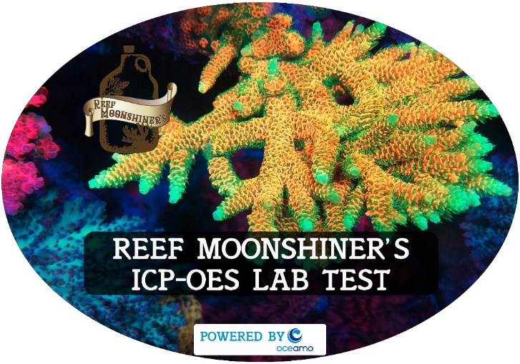
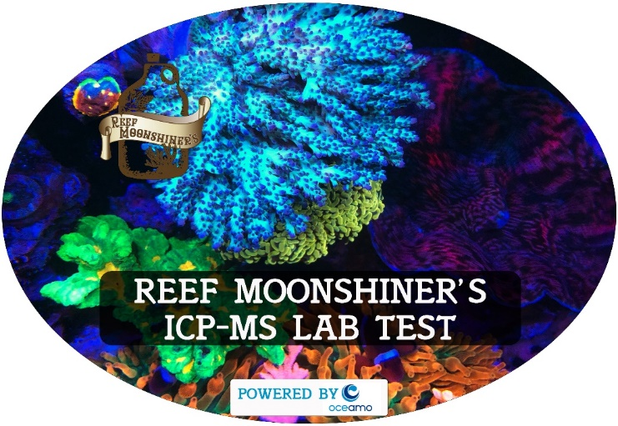
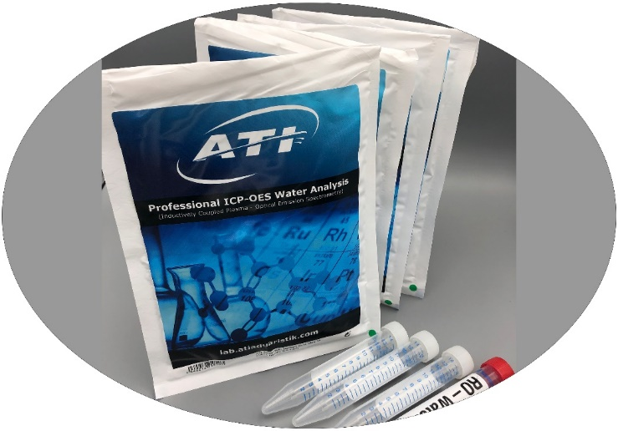
x
x

xx
x
x
x
x | OTHER OPTIONAL TOOLS - ONLY FOR ADVANCED/EXPERIENCED USER
x
x
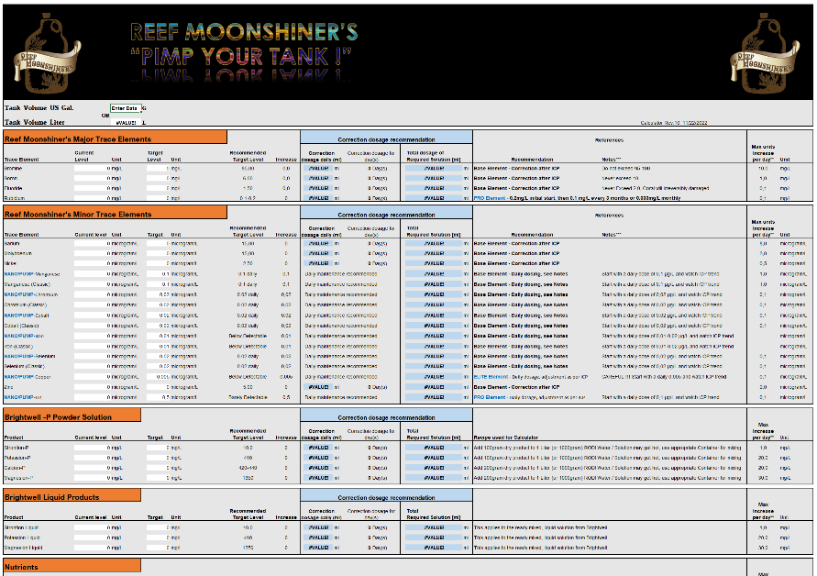
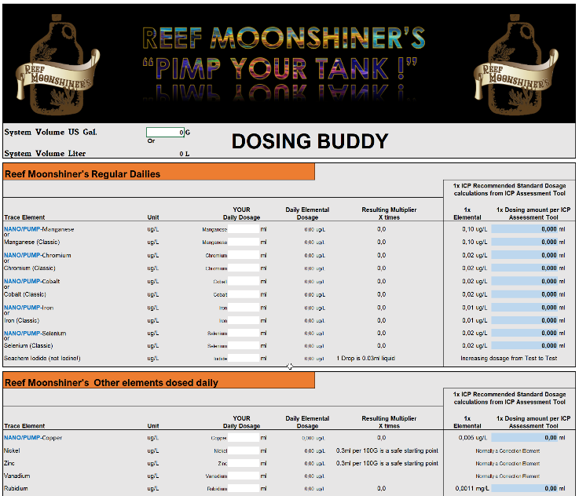
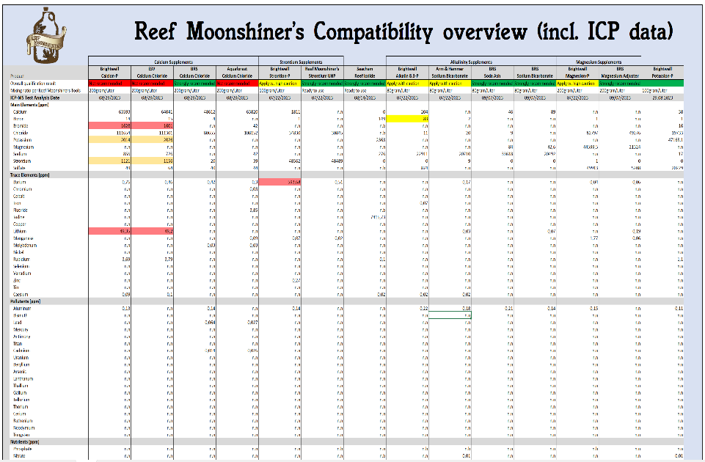
x
x

xx |  | CLASSIC CALCULATOR | DOSING BUDDY PRODUCT COMPATIBILITY COMPARISON CHART
x
x
x
x

ATI ICP Assessment tool
x
x |  |  |  |  |  | ATI ICP-OES ASSESSMENT + DOSING TOOL |  |  |  | Copyright Reef Moonshiners LLC 2022 Revision: R11a https://www.reefmoonshiners.com/
x |  |  |  |  |  |  |  |  | USER INSTRUCTIONS : Enter tank water volume in Gallons, excluding rock, livestock etc. Transfer manually the Test Results from ATI ICP Test, don't copy and paste. "N.N" in the ICP results means " 0 " in the entry cell of the Assessment tool
x |  | System Water Volume Gallons |  |  | Enter Data
x
x |  | System Water Volume Liter |  |  | #VALUE!
x
x
x
x |  | Base Elements
x
x
x |  |  | Salinity |  | Enter Data | PSU |  |  | Comment to Test Result data
x |  |  |  |  |  |  |  |  | Verify Data Entry
x
x |  |  | Verify Data Entry
x
x
x
x |  |  | Carbonate Hardness |  | Enter Data | dKH |  |  | Comment to Test Result data
x |  |  |  |  |  |  |  |  | Verify Data Entry
x
x
x
x
x |  | Major Trace Elements
x
x
x |  |  | Magnesium |  | Enter Data | mg/L |  |  | Comment to Test Result data
x |  |  |  |  |  |  |  |  | Verify Data Entry
x
x |  |  | Verify Data Entry
x |  |  | 0.00 | ml per day | for | 0 | day(s)

x |  |  | Verify Data Entry
x |  |  | 0.00 | ml per day | for | 0 | day(s)

x
x
x
x |  |  | Sulfur |  | Enter Data | mg/L |  |  | Comment to Test Result data
x |  |  |  |  |  |  |  |  | Verify Data Entry - Make sure you use the correct Assessment tool since this is for the ATI Test kit only.

x
x
x
x |  |  | Calcium |  | Enter Data | mg/L |  |  | Comment to Test Result data
x |  |  |  |  |  |  |  |  | Verify Data Entry
x
x |  |  | Verify Data Entry
x |  |  | 0.00 | ml per day | for | 0 | day(s)

 |  |  | Verify Data Entry
x |  |  | 0.00 | ml per day | for | 0 | day(s)

x
x
x
x |  |  | Potassium |  | Enter Data | mg/L |  |  | Comment to Test Result data
x |  |  |  |  |  |  |  |  | Verify Data Entry
x
x |  |  | Verify Data Entry
x |  |  | 0.00 | ml per day | for | 0 | day(s)

x
x
x
x |  |  | Bromine/Bromide |  | Enter Data | mg/L |  |  | Comment to Test Result data
x |  |  |  |  |  |  |  |  | Verify Data Entry
x
x |  |  | Verify Data Entry
x |  |  | 0.00 | ml per day | for | 0 | day(s)

x
x
x
x |  |  | Strontium |  | Enter Data | mg/L |  |  | Comment to Test Result data
x |  |  |  |  |  |  |  |  | Verify Data Entry
x
x |  |  | Verify Data Entry
x |  |  | 0.00 | ml per day | for | 0 | day(s)

x
x
x
x |  |  | Boron |  | Enter Data | mg/L |  |  | Comment to Test Result data
x |  |  |  |  |  |  |  |  | Verify Data Entry - Enter 0 for N.N
x
x |  |  | Verify Data Entry
x |  |  | 0.00 | ml per day | for | 0 | day(s)

x
x
x
x |  |  | Fluoride/Flourine |  | Enter Data | mg/L |  |  | Comment to Test Result data
x |  |  |  |  |  |  |  |  | Verify Data Entry
x
x |  |  | Verify Data Entry
x |  |  | 0.00 | ml per day | for | 0 | day(s)

x

x
x
x |  |  | Rubidium |  |  |  |  |  | Comment
x |  |  |  |  |  |  |  |  | Unfortunately this ICP test does not measure Rubidium as the Reef Moonshiners ICP-OES and ICP-MS do. A Reef Moonshiner's ICP test is recommend as part of a future purchase, to be included as a box filler. Rubidium is strongly recommended to be dosed as part of the Reef Moonshiner program! Rubidium is a very influencing element with very positive effects to Shrooms, Zoa, Torches, all Soft corals as well to SPS. Many Moonshiner user repeatedly see significant effects and improvements when this element is supplemented. Since Rubidium is a very expensive metal it is barely included in salt mixes and supplements. The ICP testing has shown that most tanks are lacking therefore on Rubidium, not even reaching the natural level of 200µg/L. Rubidium is done in 2 steps. 1.) Initial correction dosage of 200µg/L (equal to 0.2mg/L / equal 0.2ppm) 2.) Subsequent refreshments of either monthly or daily, your choice. By using a Reef Moonshiner's ICP Test, Rubidium will be treated as a corrective Element. See dosing instructions below, and more information can be found in the Reef Moonshiner Handbook on Rubidium.
x
x |  |  | First Initial one time correction dosage of 0.2mg/L (Reef Moonshiners Rubidium)
x |  |  | #VALUE! | ml per day | for | 2 | day(s)
x
x |  |  | Regime A : Montlhy subsequent dosage of 0.033mg/L (Reef Moonshiners Rubidium)
x |  |  | #VALUE! | ml per day | for | 1 | day(s)
x |  |  | OR
x
x |  |  | Regime B : Daily subsequent dosage of 0.0011mg/L (Reef Moonshiners Rubidium)
x |  |  | #VALUE! | ml daily

x
x
x
x
x |  | Minor Trace Elements
x
x
x |  |  | Lithium |  | Enter Data | µg/L |  |  | Comment to Test Result data
x |  |  |  |  |  |  |  |  | Verify Data Entry

x
x
x
x |  |  | Silicon |  | Enter Data | µg/L |  |  | Comment to Test Result data
x |  |  |  |  |  |  |  |  | Verify Data Entry

x
x
x
x |  |  | Iodine |  | Enter Data | µg/L |  |  | Comment to Test Result data
x |  |  |  |  |  |  |  |  | Verify Data Entry
x
x |  |  | Verify Data Entry

x
x
x
x |  |  | Barium |  | Enter Data | µg/L |  |  | Comment to Test Result data
x |  |  |  |  |  |  |  |  | Verify Data Entry
x
x |  |  | Verify Data Entry
x |  |  | 0.00 | ml per day | for | 0 | day(s)

x
x
x
x |  |  | Molybdenum |  | Enter Data | µg/L |  |  | Comment to Test Result data
x |  |  |  |  |  |  |  |  | Verify Data Entry
x
x |  |  | Verify Data Entry
x |  |  | 0.00 | ml per day | for | 0 | day(s)

x
x
x
x |  |  | Nickel |  | Enter Data | µg/L |  |  | Comment to Test Result data
x |  |  |  |  |  |  |  |  | Verify Data Entry
x
x |  |  | Verify Data Entry
x |  |  | 0.00 | ml per day | for | 0 | day(s)

x
x
x
x |  |  | Manganese |  | Enter Data | µg/L |  |  | Comment to Test Result data
x |  |  |  |  |  |  |  |  | Verify Data Entry
x
x |  |  | Verify Data Entry
x |  |  | 0.00 | ml per day
x |  |  | OR

x
x |  |  | Verify Data Entry
x |  |  | 0.00 | ml per day

x
x
x
x |  |  | Arsenic |  | Enter Data | µg/L |  |  | Comment to Test Result data
x |  |  |  |  |  |  |  |  | Verify Data Entry

x
x
x
x |  |  | Beryllium |  | Enter Data | µg/L |  |  | Comment to Test Result data
x |  |  |  |  |  |  |  |  | Verify Data Entry

x
x
x
x |  |  | Chromium/Chrome |  | Enter Data | µg/L |  |  | Comment to Test Result data
x |  |  |  |  |  |  |  |  | Verify Data Entry
x
x |  |  | Verify Data Entry
x |  |  | 0.00 | ml per day
x |  |  | OR

x
x |  |  | Verify Data Entry
x |  |  | 0.00 | ml per day

x
x
x
x |  |  | Cobalt |  | Enter Data | µg/L |  |  | Comment to Test Result data
x |  |  |  |  |  |  |  |  | Verify Data Entry
x
x |  |  | Verify Data Entry
x |  |  | 0.00 | ml per day
x |  |  | OR

x
x |  |  | Verify Data Entry
x |  |  | 0.00 | ml per day

x
x
x
x |  |  | Iron |  | Enter Data | µg/L |  |  | Comment to Test Result data
x |  |  |  |  |  |  |  |  | Verify Data Entry
x
x |  |  | Verify Data Entry
x |  |  | 0.00 | ml per day
x |  |  | OR

x
x |  |  | Verify Data Entry
x |  |  | 0.00 | ml per day

x
x
x
x |  |  | Copper |  | Enter Data | µg/L |  |  | Comment to Test Result data
x |  |  |  |  |  |  |  |  | Verify Data Entry

x
x
x
x |  |  | Selenium |  | Enter Data | µg/L |  |  | Comment to Test Result data
x |  |  |  |  |  |  |  |  | Verify Data Entry
x
x |  |  | Verify Data Entry
x |  |  | 0.00 | ml per day
x |  |  | OR

x
x |  |  | Verify Data Entry
x |  |  | 0.00 | ml per day

x
x
x
x |  |  | Silver |  | Enter Data | µg/L |  |  | Comment to Test Result data
x |  |  |  |  |  |  |  |  | Verify Data Entry

x
x
x
x |  |  | Vanadium |  | Enter Data | µg/L |  |  | Comment to Test Result data
x |  |  |  |  |  |  |  |  | Verify Data Entry
x
x |  |  | Verify Data Entry

x
x
x
x |  |  | Zinc |  | Enter Data | µg/L |  |  | Comment to Test Result data
x |  |  |  |  |  |  |  |  | Verify Data Entry
x
x |  |  | Verify Data Entry
x |  |  | 0.00 | ml per day | for | 0 | day(s)

x
x
x
x |  |  | Tin/Stannum |  | Enter Data | µg/L |  |  | Comment to Test Result data
x |  |  |  |  |  |  |  |  | Verify Data Entry

x
x
x

x
x |  | Pollutants
x
x
x |  |  | Aluminum |  | Enter Data | µg/L |  |  | Comment to Test Result data
x |  |  |  |  |  |  |  |  | Verify Data Entry

x
x
x
x |  |  | Lanthanum |  | Enter Data | µg/L |  |  | Comment to Test Result data
x |  |  |  |  |  |  |  |  | Verify Data Entry

x
x
x
x |  |  | Other Pollutants |  | Enter Data | µg/L |  |  | Comment to Test Result data
x |  |  |  |  |  |  |  |  | Verify Data Entry

x
x
x
x
x
x
x |  | Dosing Summary from above assessment
x
x
x |  |  | Magnesium |  | 0.00 | ml per day | for | 0 | day(s)
x |  |  | Calcium |  | 0.00 | ml per day | for | 0 | day(s)
x |  |  | Potassium |  | 0.00 | ml per day | for | 0 | day(s)
x |  |  | Bromine/Bromide |  | 0.00 | ml per day | for | 0 | day(s)
x |  |  | Strontium |  | 0.00 | ml per day | for | 0 | day(s)
x |  |  | Boron |  | 0.00 | ml per day | for | 0 | day(s)
x |  |  | Fluoride/Flourine |  | 0.00 | ml per day | for | 0 | day(s)
x |  |  | Rubidium |  | First Initial one time correction dosage of 0.2mg/L (Reef Moonshiners Rubidium)
x |  |  |  |  | #VALUE! | ml per day | for | 2 | day(s)
x |  |  |  |  | Regime A : Montlhy subsequent dosage of 0.033mg/L (Reef Moonshiners Rubidium)
x |  |  |  |  | #VALUE! | ml per day | for | 1 | day(s)
x |  |  |  |  | Regime B : Daily subsequent dosage of 0.0011mg/L (Reef Moonshiners Rubidium)
x |  |  |  |  | #VALUE! | ml daily
x |  |  | Iodine |  | Verify Data Entry
x
x
x
x
x
x
x
x |  |  | Barium |  | 0.00 | ml per day | for | 0 | day(s)
x |  |  | Molybdenum |  | 0.00 | ml per day | for | 0 | day(s)
x |  |  | Nickel |  | 0.00 | ml per day | for | 0 | day(s)
x |  |  | Manganese |  | 0.00 | ml per day |  | (Reef Moonshiner Manganese classic)
x |  |  |  |  | 0.00 | ml per day |  | (Reef Moonshiner NANO/PUMP Manganese)
x |  |  | Chromium/Chrome |  | 0.00 | ml per day |  | (Reef Moonshiner Chromium classic)
x |  |  |  |  | 0.00 | ml per day |  | (Reef Moonshiner NANO/PUMP Chromium)
x |  |  | Cobalt |  | 0.00 | ml per day |  | (Reef Moonshiner Cobalt classic)
x |  |  |  |  | 0.00 | ml per day |  | (Reef Moonshiner NANO/PUMP Cobalt)
x |  |  | Iron |  | 0.00 | ml per day |  | (Reef Moonshiner Iron classic)
x |  |  |  |  | 0.00 | ml per day |  | (Reef Moonshiner NANO/PUMP Iron)
x |  |  | Vanadium |  | Verify Data Entry
x
x
x
x
x |  |  | Zinc |  | 0.00 | ml per day | for | 0 | day(s)
x
x
x
x |  | OPTIONAL ELEMENTS/SUPPLEMENTS
x
x
x |  |  | Selenium |  | 0.00 | ml per day |  | (Reef Moonshiner Selenium classic)
x |  |  |  |  | 0.00 | ml per day |  | (Reef Moonshiner NANO/PUMP Selenium)
x |  |  | Liqui-Mud |  | 1ml per 100Gallon daily
x |  |  | Vitamin CarbX |  | 5-7 drops daily per 100Gallon |  |  |  | (Mix drops with tank water and pour into Display tank, or Soak Flakefood against ICH and feed multiple times)
xx |  |  | Nitrate Solution |  | DIY Stock solutions and dosing calculations are included in the Reef Moonshiner calculator
x
x
x
x
x
x
x |  | First Time user Shopping list
x
x
x |  |  | BRS Gen. Adjustment Magnesium |  |  | Not required |  |  | *RM disqualified Magnesion-P and chose BRS Magnesium for purity reasons
x |  |  | BRS Calcium Chloride |  |  | Not required |  |  | *RM disqualified Calcion-P and chose BRS Calcium for purity reasons
x |  |  | Reef Moonshiners Potassium UHP |  |  | Not required
x |  |  | Reef Moonshiners Bromine |  |  | Not required
x |  |  | Reef Moonshiners Strontium UHP |  |  | Not required |  |  | *RM disqualified BW Strontion-P for purity reasons
x |  |  | Reef Moonshiners Boron |  |  | Not required
x |  |  | Reef Moonshiners Fluoride |  |  | Not required
x |  |  | Reef Moonshiners Rubidium |  |  | #VALUE!
x |  |  | Reef Moonshiners Iodide |  |  | Required
x |  |  | Reef Moonshiners Barium |  |  | Not required
x |  |  | Reef Moonshiners Molybdenum |  |  | Not required
x |  |  | Reef Moonshiners Nickel |  |  | Not required
x |  |  | Reef Moonshiners Manganese |  |  | Not required
x |  |  | Reef Moonshiners Chromium |  |  | Not required
x |  |  | Reef Moonshiners Cobalt |  |  | Not required
x |  |  | Reef Moonshiners Iron |  |  | Not required
x |  |  | Reef Moonshiners Vanadium |  |  | Not required
x |  |  | Reef Moonshiners Zinc |  |  | Not required
x |  |  | Reef Moonshiners Selenium |  |  | Not required
x
x |  |  | Reef Moonshiners Liqui-Mud |  |  | 1 Bottle strongly recommended, but not required right at the beginning.
x |  |  | Reef Moonshiners VitaminX |  |  | 1 Bottle strongly recommended, if no other Vitamins are supplemented.
x |  |  | Digital Kitchen scale (in Grams) |  |  | Strongly recommended to measure larger Liquid ammounts, 1ml equal 1gram
x |  |  | Cobalt Blue Dropper bottles |  |  | Recommended for Iodide and Vanadium, more details in the Reef Moonshiner Handbook
x
x
x
x
 | Copyright Reef Moonshiners LLC 2019
 | Email : psxerholic@gmail.com

RM ICP-OES Assessment tool
x
x |  |  |  |  |  | REEF MOONSHINER'S ICP-OES ASSESSMENT + DOSING TOOL |  |  |  | Copyright Reef Moonshiners LLC 2022 Revision: R11a https://www.reefmoonshiners.com/
x |  |  |  |  |  |  |  |  | USER INSTRUCTIONS : Enter tank water volume in Gallons, excluding rock, livestock etc. Transfer manually the Test Results from ICP Test, don't copy and paste. "N.N" in the ICP results means " 0 " in the entry cell of the Assessment tool
x |  | System Water Volume Gallons |  |  | Enter Data
x
x |  | System Water Volume Liter |  |  | #VALUE!
x
x
x
x |  | Base Elements
x
x
x |  |  | Salinity |  | Enter Data | PSU |  |  | Comment to Test Result data
x |  |  |  |  |  |  |  |  | Verify Data Entry
x
x |  |  | Verify Data Entry
x
x
x
x |  |  | Alkalinity |  | Enter Data | dKH |  |  | Comment to Test Result data
x |  |  |  |  |  |  |  |  | Verify Data Entry
x
x
x
x
x |  | Major Trace Elements
x
x
x |  |  | Calcium |  | Enter Data | mg/L |  |  | Comment to Test Result data
x |  |  |  |  |  |  |  |  | Verify Data Entry
x
x |  |  | Verify Data Entry
x |  |  | 0.00 | ml per day | for | 0 | day(s)

 |  |  | Verify Data Entry
x |  |  | 0.00 | ml per day | for | 0 | day(s)

x
x
x
x |  |  | Boron |  | Enter Data | mg/L |  |  | Comment to Test Result data
x |  |  |  |  |  |  |  |  | Verify Data Entry - Enter 0 for N.N
x
x |  |  | Verify Data Entry
x |  |  | 0.00 | ml per day | for | 0 | day(s)

x
x
x
x |  |  | Bromine/Bromide |  | Enter Data | mg/L |  |  | Comment to Test Result data
x |  |  |  |  |  |  |  |  | Verify Data Entry
x
x |  |  | Verify Data Entry
x |  |  | 0.00 | ml per day | for | 0 | day(s)

x
x
x
x |  |  | Potassium |  | Enter Data | mg/L |  |  | Comment to Test Result data
x |  |  |  |  |  |  |  |  | Verify Data Entry
x
x |  |  | Verify Data Entry
x |  |  | 0.00 | ml per day | for | 0 | day(s)

x
x
x
x |  |  | Magnesium |  | Enter Data | mg/L |  |  | Comment to Test Result data
x |  |  |  |  |  |  |  |  | Verify Data Entry
x
x |  |  | Verify Data Entry
x |  |  | 0.00 | ml per day | for | 0 | day(s)

x |  |  | Verify Data Entry
x |  |  | 0.00 | ml per day | for | 0 | day(s)

x
x
x
x |  |  | Strontium |  | Enter Data | mg/L |  |  | Comment to Test Result data
x |  |  |  |  |  |  |  |  | Verify Data Entry
x
x |  |  | Verify Data Entry
x |  |  | 0.00 | ml per day | for | 0 | day(s)

x
x
x
x |  |  | Sulfate |  | Enter Data | mg/L |  |  | Comment to Test Result data
x |  |  |  |  |  |  |  |  | Verify Data Entry

x
x
x
x
x |  | Minor Trace Elements
x
x
x |  |  | Barium |  | Enter Data | µg/L |  |  | Comment to Test Result data
x |  |  |  |  |  |  |  |  | Verify Data Entry
x
x |  |  | Verify Data Entry
x |  |  | 0.00 | ml per day | for | 0 | day(s)

x
x
x
x |  |  | Chromium/Chrome |  | Enter Data | µg/L |  |  | Comment to Test Result data
x |  |  |  |  |  |  |  |  | Verify Data Entry - Enter 0 for N.N
x
x |  |  | Verify Data Entry
x |  |  | 0.00 | ml per day
x |  |  | OR

x
x |  |  | Verify Data Entry
x |  |  | 0.00 | ml per day

x
x
x
x |  |  | Cobalt |  | Enter Data | µg/L |  |  | Comment to Test Result data
x |  |  |  |  |  |  |  |  | Verify Data Entry - Enter 0 for N.N
x
x |  |  | Verify Data Entry
x |  |  | 0.00 | ml per day
x |  |  | OR

x
x |  |  | Verify Data Entry
x |  |  | 0.00 | ml per day

x
x
x
x |  |  | Iron |  | Enter Data | µg/L |  |  | Comment to Test Result data
x |  |  |  |  |  |  |  |  | Verify Data Entry - Enter 0 for N.N
x
x |  |  | Verify Data Entry
x |  |  | 0.00 | ml per day
x |  |  | OR

x
x |  |  | Verify Data Entry
x |  |  | 0.00 | ml per day

x
x
x
x |  |  | Fluoride/Flourine |  | Enter Data | mg/L |  |  | Comment to Test Result data
x |  |  |  |  |  |  |  |  | Verify Data Entry
x
x |  |  | Verify Data Entry
x |  |  | 0.00 | ml per day | for | 0 | day(s)

x

x
x |  |  | Iodine |  | Enter Data | µg/L |  |  | Comment to Test Result data
x |  |  |  |  |  |  |  |  | Verify Data Entry
x
x |  |  | Verify Data Entry

x
x
x
x |  |  | Copper |  | Enter Data | µg/L |  |  | Comment to Test Result data
x |  |  |  |  |  |  |  |  | Verify Data Entry - Enter 0 for N.N

x
x
x
x |  |  | Lithium |  | Enter Data | µg/L |  |  | Comment to Test Result data
x |  |  |  |  |  |  |  |  | Verify Data Entry - Enter 0 for N.N

x
x
x
x |  |  | Manganese |  | Enter Data | µg/L |  |  | Comment to Test Result data
x |  |  |  |  |  |  |  |  | Verify Data Entry - Enter 0 for N.N
x
x |  |  | Verify Data Entry
x |  |  | 0.00 | ml per day
x |  |  | OR

x
x |  |  | Verify Data Entry
x |  |  | 0.00 | ml per day

x
x
x
x |  |  | Molybdenum |  | Enter Data | µg/L |  |  | Comment to Test Result data
x |  |  |  |  |  |  |  |  | Verify Data Entry
x
x |  |  | Verify Data Entry
x |  |  | 0.00 | ml per day | for | 0 | day(s)

x
x
x
x |  |  | Nickel |  | Enter Data | µg/L |  |  | Comment to Test Result data
x |  |  |  |  |  |  |  |  | Verify Data Entry - Enter 0 for N.N
x
x |  |  | Verify Data Entry
x |  |  | 0.00 | ml per day | for | 0 | day(s)

x
x
x
x |  |  | Rubidium |  | Enter Data | µg/L |  |  | Comment to Test Result data
x |  |  |  |  |  |  |  |  | Verify Data Entry - Enter 0 for N.N
x
x |  |  | Verify Data Entry
x |  |  | 0 | ml per day | for | 0 | day(s)

x
x
x
x |  |  | Selenium |  | Enter Data | µg/L |  |  | Comment to Test Result data
x |  |  |  |  |  |  |  |  | Verify Data Entry - Enter 0 for N.N
x
x |  |  | Verify Data Entry
x |  |  | 0.00 | ml per day
x |  |  | OR

x
x |  |  | Verify Data Entry
x |  |  | 0.00 | ml per day

x
x
x
x |  |  | Vanadium |  | Enter Data | µg/L |  |  | Comment to Test Result data
x |  |  |  |  |  |  |  |  | Verify Data Entry - Enter 0 for N.N
x
x |  |  | Verify Data Entry

x
x
x
x |  |  | Zinc |  | Enter Data | µg/L |  |  | Comment to Test Result data
x |  |  |  |  |  |  |  |  | Verify Data Entry - Enter 0 for N.N
x
x |  |  | Verify Data Entry
x |  |  | 0.00 | ml per day | for | 0 | day(s)

x
x
x
x |  |  | Tin/Stannum |  | Enter Data | µg/L |  |  | Comment to Test Result data
x |  |  |  |  |  |  |  |  | Verify Data Entry - Enter 0 for N.N

x
x

x
x |  | Pollutants
x
x
x |  |  | Aluminum |  | Enter Data | µg/L |  |  | Comment to Test Result data
x |  |  |  |  |  |  |  |  | Verify Data Entry - Enter 0 for N.N

x
x
x
x |  |  | Antimony |  | Enter Data | µg/L |  |  | Comment to Test Result data
x |  |  |  |  |  |  |  |  | Verify Data Entry - Enter 0 for N.N

x
x
x
x |  |  | Lanthanum |  | Enter Data | µg/L |  |  | Comment to Test Result data
x |  |  |  |  |  |  |  |  | Verify Data Entry - Enter 0 for N.N

x
x
x
x |  |  | Other Pollutants |  | Enter Data | µg/L |  |  | Comment to Test Result data
x |  |  |  |  |  |  |  |  | Verify Data Entry - Enter 0 for N.N

x
x
x
x
x |  | Nutrients
x
x
x |  |  | Phosphate (Po4) |  | Enter Data | µg/L |  |  | Comment to Test Result data
x |  |  |  |  |  |  |  |  | Verify Data Entry

x
x
x
x |  |  | Total Phosphorus (P) |  | Enter Data | µg/L |  |  | Comment to Test Result data
x |  |  |  |  |  |  |  |  | Verify Data Entry

x
x
x
x |  |  | Nitrate (No3) |  | Enter Data | µg/L |  |  | Comment to Test Result data
x |  |  |  |  |  |  |  |  | Verify Data Entry

x
x
x
x |  |  | Nitrite (No2) |  | Enter Data | µg/L |  |  | Comment to Test Result data
x |  |  |  |  |  |  |  |  | Verify Data Entry

x
x
x
x |  |  | Silicon |  | Enter Data | µg/L |  |  | Comment to Test Result data
x |  |  |  |  |  |  |  |  | Verify Data Entry

x
x
x
x
x |  | Osmose / RODI
x
x
x |  |  | Copper/Zinc (RODI) |  | Enter Data | µg/L |  |  | Comment to Test Result data
x |  |  |  |  |  |  |  |  | Verify Data Entry - Enter 0 for N.N

x
x
x
x |  |  | Silicon (RODI) |  | Enter Data | µg/L |  |  | Comment to Test Result data
x |  |  |  |  |  |  |  |  | Verify Data Entry - Enter 0 for N.N

x
x
x
x
x |  | Dosing Summary from above assessment
x
x
x |  |  | Magnesium |  | 0.00 | ml per day | for | 0 | day(s)
x |  |  | Calcium |  | 0.00 | ml per day | for | 0 | day(s)
x |  |  | Potassium |  | 0.00 | ml per day | for | 0 | day(s)
x |  |  | Bromine/Bromide |  | 0.00 | ml per day | for | 0 | day(s)
x |  |  | Strontium |  | 0.00 | ml per day | for | 0 | day(s)
x |  |  | Boron |  | 0.00 | ml per day | for | 0 | day(s)
x |  |  | Fluoride/Flourine |  | 0.00 | ml per day | for | 0 | day(s)
x |  |  | Rubidium |  | 0.00 | ml per day | for | 0 | day(s)
x |  |  | Iodine |  | Verify Data Entry
x
x
x
x
x
x
x
x |  |  | Barium |  | 0.00 | ml per day | for | 0 | day(s)
x |  |  | Molybdenum |  | 0.00 | ml per day | for | 0 | day(s)
x |  |  | Nickel |  | 0.00 | ml per day | for | 0 | day(s)
x |  |  | Manganese |  | 0.00 | ml per day |  | (Reef Moonshiner Manganese classic)
x |  |  |  |  | 0.00 | ml per day |  | (Reef Moonshiner NANO/PUMP Manganese)
x |  |  | Chromium/Chrome |  | 0.00 | ml per day |  | (Reef Moonshiner Chromium classic)
x |  |  |  |  | 0.00 | ml per day |  | (Reef Moonshiner NANO/PUMP Chromium)
x |  |  | Cobalt |  | 0.00 | ml per day |  | (Reef Moonshiner Cobalt classic)
x |  |  |  |  | 0.00 | ml per day |  | (Reef Moonshiner NANO/PUMP Cobalt)
x |  |  | Iron |  | 0.00 | ml per day |  | (Reef Moonshiner Iron classic)
x |  |  |  |  | 0.00 | ml per day |  | (Reef Moonshiner NANO/PUMP Iron)
x |  |  | Vanadium |  | Verify Data Entry
x
x
x
x
x |  |  | Zinc |  | 0.00 | ml per day | for | 0 | day(s)
x
x
x
x |  | OPTIONAL ELEMENTS/SUPPLEMENTS
x
x
x |  |  | Selenium |  | 0.00 | ml per day |  | (Reef Moonshiner Selenium classic)
x |  |  |  |  | 0.00 | ml per day |  | (Reef Moonshiner NANO/PUMP Selenium)
x |  |  | Liqui-Mud |  | 1ml per 100Gallon daily
x |  |  | Vitamin CarbX |  | 5-7 drops daily per 100Gallon |  |  |  | (Mix drops with tank water and pour into Display tank, or Soak Flakefood against ICH and feed multiple times)
xx |  |  | Nitrate Solution |  | DIY Stock solutions and dosing calculations are included in the Reef Moonshiner calculator
x
x
x
x
x
x
x |  | First Time user Shopping list
x
x
x |  |  | BRS Gen. Adjustment Magnesium |  |  | Not required |  |  | *RM disqualified Magnesion-P and chose BRS Magnesium for purity reasons
x |  |  | BRS Calcium Chloride |  |  | Not required |  |  | *RM disqualified Calcion-P and chose BRS Calcium for purity reasons
x |  |  | Reef Moonshiners Potassium UHP |  |  | Not required
x |  |  | Reef Moonshiners Bromine |  |  | Not required
x |  |  | Reef Moonshiners Strontium UHP |  |  | Not required |  |  | *RM disqualified BW Strontion-P for purity reasons
x |  |  | Reef Moonshiners Boron |  |  | Not required
x |  |  | Reef Moonshiners Fluoride |  |  | Not required
x |  |  | Reef Moonshiners Rubidium |  |  | Required
x |  |  | Reef Moonshiners Iodide |  |  | Required
x |  |  | Reef Moonshiners Barium |  |  | Not required
x |  |  | Reef Moonshiners Molybdenum |  |  | Not required
x |  |  | Reef Moonshiners Nickel |  |  | Not required
x |  |  | Reef Moonshiners Manganese |  |  | Not required
x |  |  | Reef Moonshiners Chromium |  |  | Not required
x |  |  | Reef Moonshiners Cobalt |  |  | Not required
x |  |  | Reef Moonshiners Iron |  |  | Not required
x |  |  | Reef Moonshiners Vanadium |  |  | Not required
x |  |  | Reef Moonshiners Zinc |  |  | Not required
x |  |  | Reef Moonshiners Selenium |  |  | Not required
x
x |  |  | Reef Moonshiners Liqui-Mud |  |  | 1 Bottle strongly recommended, but not required right at the beginning.
x |  |  | Reef Moonshiners VitaminX |  |  | 1 Bottle strongly recommended, if no other Vitamins are supplemented.
x |  |  | Digital Kitchen scale (in Grams) |  |  | Strongly recommended to measure larger Liquid ammounts, 1ml equal 1gram
x |  |  | Cobalt Blue Dropper bottles |  |  | Recommended for Iodide and Vanadium, more details in the Reef Moonshiner Handbook
x
x
x
x
 | Copyright Reef Moonshiners LLC 2019
 | Email : psxerholic@gmail.com

RM ICP-MS Assessment tool
x
x |  |  |  |  |  | REEF MOONSHINER'S ICP-MS ASSESSMENT + DOSING TOOL |  |  |  | Copyright Reef Moonshiners LLC 2022 Revision: R11a https://www.reefmoonshiners.com/
x |  |  |  |  |  |  |  |  | USER INSTRUCTIONS : Enter tank water volume in Gallons, excluding rock, livestock etc. Transfer manually the Test Results from ICP Test, don't copy and paste. "N.N" in the ICP results means " 0 " in the entry cell of the Assessment tool
x |  | System Water Volume Gallons |  |  | Enter Data
x
x |  | System Water Volume Liter |  |  | #VALUE!
x
x
x
x |  | Base Elements
x
x
x |  |  | Salinity |  | Enter Data | PSU |  |  | Comment to Test Result data
x |  |  |  |  |  |  |  |  | Verify Data Entry
x
x |  |  | Verify Data Entry
x
x
x
x |  |  | Alkalinity |  | Enter Data | dKH |  |  | Comment to Test Result data
x |  |  |  |  |  |  |  |  | Verify Data Entry

x
x
x |  |  | SAC254 |  | Enter Data |  |  |  | Comment to Test Result data
x |  |  |  |  |  |  |  |  | Verify Data Entry

x
x
x
x
x |  | Major Trace Elements
x
x
x |  |  | Calcium |  | Enter Data | mg/L |  |  | Comment to Test Result data
x |  |  |  |  |  |  |  |  | Verify Data Entry
x
x |  |  | Verify Data Entry
x |  |  | 0.00 | ml per day | for | 0 | day(s)

 |  |  | Verify Data Entry
x |  |  | 0.00 | ml per day | for | 0 | day(s)

x
x
x
x |  |  | Boron |  | Enter Data | mg/L |  |  | Comment to Test Result data
x |  |  |  |  |  |  |  |  | Verify Data Entry - Enter 0 for N.N
x
x |  |  | Verify Data Entry
x |  |  | 0.00 | ml per day | for | 0 | day(s)

x
x
x
x |  |  | Bromine/Bromide |  | Enter Data | mg/L |  |  | Comment to Test Result data
x |  |  |  |  |  |  |  |  | Verify Data Entry
x
x |  |  | Verify Data Entry
x |  |  | 0.00 | ml per day | for | 0 | day(s)

x
x
x
x |  |  | Potassium |  | Enter Data | mg/L |  |  | Comment to Test Result data
x |  |  |  |  |  |  |  |  | Verify Data Entry
x
x |  |  | Verify Data Entry
x |  |  | 0.00 | ml per day | for | 0 | day(s)

x
x
x
x |  |  | Magnesium |  | Enter Data | mg/L |  |  | Comment to Test Result data
x |  |  |  |  |  |  |  |  | Verify Data Entry
x
x |  |  | Verify Data Entry
x |  |  | 0.00 | ml per day | for | 0 | day(s)

x |  |  | Verify Data Entry
x |  |  | 0.00 | ml per day | for | 0 | day(s)

x
x
x
x |  |  | Strontium |  | Enter Data | mg/L |  |  | Comment to Test Result data
x |  |  |  |  |  |  |  |  | Verify Data Entry
x
x |  |  | Verify Data Entry
x |  |  | 0.00 | ml per day | for | 0 | day(s)

x
x
x
x |  |  | Sulfate |  | Enter Data | mg/L |  |  | Comment to Test Result data
x |  |  |  |  |  |  |  |  | Verify Data Entry

x
x
x
x
x |  | Minor Trace Elements
x
x
x |  |  | Barium |  | Enter Data | µg/L |  |  | Comment to Test Result data
x |  |  |  |  |  |  |  |  | Verify Data Entry
x
x |  |  | Verify Data Entry
x |  |  | 0.00 | ml per day | for | 0 | day(s)

x
x
x
x |  |  | Chromium/Chrome |  | Enter Data | µg/L |  |  | Comment to Test Result data
x |  |  |  |  |  |  |  |  | Verify Data Entry - Enter 0 for N.N
x
x |  |  | Verify Data Entry
x |  |  | 0.00 | ml per day
x |  |  | OR

x
x |  |  | Verify Data Entry
x |  |  | 0.00 | ml per day

x
x
x
x |  |  | Cobalt |  | Enter Data | µg/L |  |  | Comment to Test Result data
x |  |  |  |  |  |  |  |  | Verify Data Entry - Enter 0 for N.N
x
x |  |  | Verify Data Entry
x |  |  | 0.00 | ml per day
x |  |  | OR

x
x |  |  | Verify Data Entry
x |  |  | 0.00 | ml per day

x
x
x
x |  |  | Iron |  | Enter Data | µg/L |  |  | Comment to Test Result data
x |  |  |  |  |  |  |  |  | Verify Data Entry - Enter 0 for N.N
x
x |  |  | Verify Data Entry
x |  |  | 0.00 | ml per day
x |  |  | OR

x
x |  |  | Verify Data Entry
x |  |  | 0.00 | ml per day

x
x
x
x |  |  | Fluoride/Flourine |  | Enter Data | mg/L |  |  | Comment to Test Result data
x |  |  |  |  |  |  |  |  | Verify Data Entry
x
x |  |  | Verify Data Entry
x |  |  | 0.00 | ml per day | for | 0 | day(s)

x

x
x |  |  | Iodine |  | Enter Data | µg/L |  |  | Comment to Test Result data
x |  |  |  |  |  |  |  |  | Verify Data Entry
x
x |  |  | Verify Data Entry

x
x
x
x |  |  | Copper |  | Enter Data | µg/L |  |  | Comment to Test Result data
x |  |  |  |  |  |  |  |  | Verify Data Entry - Enter 0 for N.N
x

x |  |  | Verify Data Entry
x |  |  | 0.00 | ml per day

x
x
x
x |  |  | Lithium |  | Enter Data | µg/L |  |  | Comment to Test Result data
x |  |  |  |  |  |  |  |  | Verify Data Entry - Enter 0 for N.N

x
x
x
x |  |  | Manganese |  | Enter Data | µg/L |  |  | Comment to Test Result data
x |  |  |  |  |  |  |  |  | Verify Data Entry - Enter 0 for N.N
x
x |  |  | Verify Data Entry
x |  |  | 0.00 | ml per day
x |  |  | OR

x
x |  |  | Verify Data Entry
x |  |  | 0.00 | ml per day

x
x
x
x |  |  | Molybdenum |  | Enter Data | µg/L |  |  | Comment to Test Result data
x |  |  |  |  |  |  |  |  | Verify Data Entry
x
x |  |  | Verify Data Entry
x |  |  | 0.00 | ml per day | for | 0 | day(s)

x
x
x
x |  |  | Nickel |  | Enter Data | µg/L |  |  | Comment to Test Result data
x |  |  |  |  |  |  |  |  | Verify Data Entry - Enter 0 for N.N
x
x |  |  | Verify Data Entry
x |  |  | 0.00 | ml per day | for | 0 | day(s)

x
x
x
x |  |  | Rubidium |  | Enter Data | µg/L |  |  | Comment to Test Result data
x |  |  |  |  |  |  |  |  | Verify Data Entry - Enter 0 for N.N
x
x |  |  | Verify Data Entry
x |  |  | 0 | ml per day | for | 0 | day(s)

x
x
x
x |  |  | Selenium |  | Enter Data | µg/L |  |  | Comment to Test Result data
x |  |  |  |  |  |  |  |  | Verify Data Entry - Enter 0 for N.N
x
x |  |  | Verify Data Entry
x |  |  | 0.00 | ml per day
x |  |  | OR

x
x |  |  | Verify Data Entry
x |  |  | 0.00 | ml per day

x
x
x
x |  |  | Vanadium |  | Enter Data | µg/L |  |  | Comment to Test Result data
x |  |  |  |  |  |  |  |  | Verify Data Entry - Enter 0 for N.N
x
x |  |  | Verify Data Entry

x
x
x
x |  |  | Zinc |  | Enter Data | µg/L |  |  | Comment to Test Result data
x |  |  |  |  |  |  |  |  | Verify Data Entry - Enter 0 for N.N
x
x |  |  | Verify Data Entry
x |  |  | 0.00 | ml per day | for | 0 | day(s)

x
x
x
x |  |  | Tin/Stannum |  | Enter Data | µg/L |  |  | Comment to Test Result data
x |  |  |  |  |  |  |  |  | Verify Data Entry - Enter 0 for N.N

x
x
x
x |  |  | Caesium |  | Enter Data | µg/L |  |  | Comment to Test Result data
x |  |  |  |  |  |  |  |  | Verify Data Entry - Enter 0 for N.N

x
x

x
x |  | Pollutants
x
x
x |  |  | Aluminum |  | Enter Data | µg/L |  |  | Comment to Test Result data
x |  |  |  |  |  |  |  |  | Verify Data Entry - Enter 0 for N.N

x
x
x
x |  |  | Antimony |  | Enter Data | µg/L |  |  | Comment to Test Result data
x |  |  |  |  |  |  |  |  | Verify Data Entry - Enter 0 for N.N

x
x
x
x |  |  | Lanthanum |  | Enter Data | µg/L |  |  | Comment to Test Result data
x |  |  |  |  |  |  |  |  | Verify Data Entry - Enter 0 for N.N

x
x
x
x |  |  | Neodymium |  | Enter Data | µg/L |  |  | Comment to Test Result data
x |  |  |  |  |  |  |  |  | Verify Data Entry - Enter 0 for N.N

x
x
x
x |  |  | Other Pollutants |  | Enter Data | µg/L |  |  | Comment to Test Result data
x |  |  |  |  |  |  |  |  | Enter the highest value of all the other Pollutants

x
x
x
x
x |  | Nutrients
x
x
x |  |  | Phosphate (Po4) |  | Enter Data | µg/L |  |  | Comment to Test Result data
x |  |  |  |  |  |  |  |  | Verify Data Entry

x
x
x
x |  |  | Nitrate (No3) |  | Enter Data | µg/L |  |  | Comment to Test Result data
x |  |  |  |  |  |  |  |  | Verify Data Entry

x
x
x
x |  |  | Nitrite (No2) |  | Enter Data | µg/L |  |  | Comment to Test Result data
x |  |  |  |  |  |  |  |  | Verify Data Entry

x
x
x
x |  |  | Silicon |  | Enter Data | µg/L |  |  | Comment to Test Result data
x |  |  |  |  |  |  |  |  | Verify Data Entry

x
x
x
x
x |  | Osmose / RODI
x
x
x |  |  | Copper/Zinc (RODI) |  | Enter Data | µg/L |  |  | Comment to Test Result data
x |  |  |  |  |  |  |  |  | Verify Data Entry - Enter 0 for N.N

x
x
x
x |  |  | Silicon (RODI) |  | Enter Data | µg/L |  |  | Comment to Test Result data
x |  |  |  |  |  |  |  |  | Verify Data Entry - Enter 0 for N.N

x
x
x
x
x |  | Dosing Summary from above assessment
x
x
x |  |  | Magnesium |  | 0.00 | ml per day | for | 0 | day(s)
x |  |  | Calcium |  | 0.00 | ml per day | for | 0 | day(s)
x |  |  | Potassium |  | 0.00 | ml per day | for | 0 | day(s)
x |  |  | Bromine/Bromide |  | 0.00 | ml per day | for | 0 | day(s)
x |  |  | Strontium |  | 0.00 | ml per day | for | 0 | day(s)
x |  |  | Boron |  | 0.00 | ml per day | for | 0 | day(s)
x |  |  | Fluoride/Flourine |  | 0.00 | ml per day | for | 0 | day(s)
x |  |  | Rubidium |  | 0.00 | ml per day | for | 0 | day(s)
x |  |  | Iodine |  | Verify Data Entry
x
x
x
x
x
x
x
x |  |  | Barium |  | 0.00 | ml per day | for | 0 | day(s)
x |  |  | Molybdenum |  | 0.00 | ml per day | for | 0 | day(s)
x |  |  | Nickel |  | 0.00 | ml per day | for | 0 | day(s)
x |  |  | Manganese |  | 0.00 | ml per day |  | (Reef Moonshiner Manganese classic)
x |  |  |  |  | 0.00 | ml per day |  | (Reef Moonshiner NANO/PUMP Manganese)
x |  |  | Chromium/Chrome |  | 0.00 | ml per day |  | (Reef Moonshiner Chromium classic)
x |  |  |  |  | 0.00 | ml per day |  | (Reef Moonshiner NANO/PUMP Chromium)
x |  |  | Cobalt |  | 0.00 | ml per day |  | (Reef Moonshiner Cobalt classic)
x |  |  |  |  | 0.00 | ml per day |  | (Reef Moonshiner NANO/PUMP Cobalt)
x |  |  | Iron |  | 0.00 | ml per day |  | (Reef Moonshiner Iron classic)
x |  |  |  |  | 0.00 | ml per day |  | (Reef Moonshiner NANO/PUMP Iron)
x |  |  | Vanadium |  | Verify Data Entry
x
x
x
x
x |  |  | Zinc |  | 0.00 | ml per day | for | 0 | day(s)
x
x
x
x |  | OPTIONAL ELEMENTS/SUPPLEMENTS
x
x
x |  |  | Selenium |  | 0.00 | ml per day |  | (Reef Moonshiner Selenium classic)
x |  |  |  |  | 0.00 | ml per day |  | (Reef Moonshiner NANO/PUMP Selenium)
x |  |  | Copper |  | 0.00 | ml per day |  | (Reef Moonshiner NANO/PUMP Copper)
x |  |  | Liqui-Mud |  | 1ml per 100Gallon daily
x |  |  | Vitamin CarbX |  | 5-7 drops daily per 100Gallon |  |  |  | (Mix drops with tank water and pour into Display tank, or Soak Flakefood against ICH and feed multiple times)
xx |  |  | Nitrate Solution |  | DIY Stock solutions and dosing calculations are included in the Reef Moonshiner calculator
x
x
x
x
x
x
x |  | First Time user Shopping list
x
x
x |  |  | BRS Gen. Adjustment Magnesium |  |  | Not required |  |  | *RM disqualified Magnesion-P and chose BRS Magnesium for purity reasons
x |  |  | BRS Calcium Chloride |  |  | Not required |  |  | *RM disqualified Calcion-P and chose BRS Calcium for purity reasons
x |  |  | Reef Moonshiners Potassium UHP |  |  | Not required
x |  |  | Reef Moonshiners Bromine |  |  | Not required
x |  |  | Reef Moonshiners Strontium UHP |  |  | Not required |  |  | *RM disqualified BW Strontion-P for purity reasons
x |  |  | Reef Moonshiners Boron |  |  | Not required
x |  |  | Reef Moonshiners Fluoride |  |  | Not required
x |  |  | Reef Moonshiners Rubidium |  |  | Required
x |  |  | Reef Moonshiners Iodide |  |  | Required
x |  |  | Reef Moonshiners Barium |  |  | Not required
x |  |  | Reef Moonshiners Molybdenum |  |  | Not required
x |  |  | Reef Moonshiners Nickel |  |  | Not required
x |  |  | Reef Moonshiners Manganese |  |  | Not required
x |  |  | Reef Moonshiners Chromium |  |  | Not required
x |  |  | Reef Moonshiners Cobalt |  |  | Not required
x |  |  | Reef Moonshiners Iron |  |  | Not required
x |  |  | Reef Moonshiners Vanadium |  |  | Not required
x |  |  | Reef Moonshiners Zinc |  |  | Not required
x |  |  | Reef Moonshiners Selenium |  |  | Not required
x |  |  | Reef Moonshiners Copper |  |  | Not required
x
x |  |  | Reef Moonshiners Liqui-Mud |  |  | 1 Bottle strongly recommended, but not required right at the beginning.
x |  |  | Reef Moonshiners VitaminX |  |  | 1 Bottle strongly recommended, if no other Vitamins are supplemented.
x |  |  | Digital Kitchen scale (in Grams) |  |  | Strongly recommended to measure larger Liquid ammounts, 1ml equal 1gram
x |  |  | Cobalt Blue Dropper bottles |  |  | Recommended for Iodide and Vanadium, more details in the Reef Moonshiner Handbook
x
x
x
x
 | Copyright Reef Moonshiners LLC 2019
 | Email : psxerholic@gmail.com

Product Comparison Chart
 |  | Reef Moonshiner's Compatibility overview (incl. ICP data)
 | Calcium Supplements |  |  |  | Strontium Supplements |  |  | Alkalinity Supplements |  |  |  | Magnesium Supplements
Product | Brightwell Calcion-P | ESV Calcium Chloride | BRS Calcium Chloride | Aquaforest Calcium Chloride | Brightwell Strontion-P | Reef Moonshiner's Strontium UHP | Seachem Reef Iodide | Brightwell Alkalin 8.3-P | Arm & Hammer Sodium Bicarbonate | BRS Soda Ash | BRS Sodium Bicarbonate | Brightwell Magnesion-P | BRS Magnesium Adjuster | Brightwell Potassion-P
Overall qualification result | Not recommended | Not recommended | Strongly recommended | Not recommended | Apply w. high caution | Strongly recommended | Strongly recommended | Apply with caution | Apply with caution | Strongly recommended | Strongly recommended | Apply w. high caution | Strongly recommended
Mixing ratio for tests | 200gram/Liter | 200gram/Liter | 200gram/Liter | 200gram/Liter | 100gram/Liter | Ready to use | Ready to use | 80gram/Liter | 80gram/Liter | 80gram/Liter | 80gram/Liter | 200gram/Liter | 200gram/Liter | 100gram/Liter
ICP-MS Test Analysis Date | 08/29/2023 | 08/29/2023 | 08/29/2023 | 08/29/2023 | 07/22/2023 | 07/22/2023 | 08/14/2023 | 07/22/2023 | 07/22/2023 | 09/07/2023 | 09/07/2023 | 07/22/2023 | 09/07/2023 | 2023-08-29
Main Elements [ppm]
Calcium | 63593 | 64041 | 48612 | 63820 | 1811 | n.n | 0 | 204 | n.n | 46 | 89 | n.n | n.n | 38
Boron | 14 | 15 | 4 | n.n | 1 | n.n | 149 | 83 | 2 | n.n | n.n | 1 | n.n | 1
Bromide | 1628 | 1601 | n.n | 42 | n.n | n.n | n.b | n.n | n.n | n.n | n.n | n.n | n.n | 16
Chloride | 111654 | 111301 | 80655 | 108152 | 34830 | 30845 | n.b | 11 | 20 | 9 | n.n | 82797 | 49276 | 19733
Potassium | 2014 | 2026 | n.n | n.n | n.n | n.n | 2363 | n.n | n.n | n.n | n.n | n.n | n.n | 47168.1
Magnesium | n.n | n.n | n.n | n.n | n.n | n.n | n.n | n.n | n.n | 84 | 42.6 | 44599.5 | 21324 | n.n
Sodium | 856 | 726 | n.n | 42 | n.n | n.n | 276 | 22911 | 20710 | 33618 | 20492 | n.n | n.n | 17
Strontium | 1121 | 1156 | 20 | 39 | 48562 | 48489 | 0 | 0 | 9 | 0 | 0 | 1 | 0 | 0
Sulfate | 49 | 64 | 40 | 44 | n.n | n.n | n.b | 874 | n.n | n.n | n.n | 49913 | 5208 | 20229
Trace Elements [ppm]
Barium | 0.76 | 0.46 | 0.42 | 0.3 | 593.68 | 0.51 | n.n | n.n | 0.17 | n.n | n.n | 0.04 | 0.06 | n.n
Chromium | n.n | n.n | n.n | 0.03 | n.n | n.n | n.n | n.n | n.n | n.n | n.n | n.n | n.n | n.n
Cobalt | n.n | n.n | n.n | n.n | n.n | n.n | n.n | n.n | n.n | n.n | n.n | n.n | n.n | n.n
Iron | n.n | n.n | n.n | n.n | n.n | n.n | n.n | 0.07 | n.n | n.n | n.n | n.n | n.n | n.n
Fluoride | n.n | n.n | n.n | 3.85 | n.n | n.n | n.b | n.n | n.n | n.n | n.n | n.n | n.n | n.n
Iodine | n.n | n.n | n.n | n.n | n.n | n.n | 7415.73 | n.n | n.n | n.n | n.n | n.n | n.n | n.n
Copper | n.n | n.n | n.n | n.n | n.n | n.n | n.n | n.n | n.n | n.n | n.n | n.n | n.n | n.n
Lithium | 49.35 | 49.2 | n.n | n.n | n.n | n.n | n.n | n.n | 0.03 | n.n | 0.07 | n.n | 0.19 | n.n
Manganese | n.n | n.n | n.n | 0.09 | 0.07 | 0.02 | n.n | n.n | n.n | n.n | n.n | 1.77 | 0.06 | n.n
Molybdenum | n.n | n.n | 0.03 | 0.03 | n.n | n.n | n.n | n.n | n.n | n.n | n.n | n.n | n.n | n.n
Nickel | n.n | n.n | n.n | n.n | n.n | n.n | n.n | n.n | n.n | n.n | n.n | n.n | n.n | n.n
Rubidium | 3.69 | 3.79 | n.n | n.n | n.n | n.n | 0.1 | n.n | n.n | n.n | n.n | n.n | n.n | 1.1
Selenium | n.n | n.n | n.n | n.n | n.n | n.n | n.n | n.n | n.n | n.n | n.n | n.n | n.n | n.n
Vanadium | n.n | n.n | n.n | n.n | n.n | n.n | n.n | n.n | n.n | n.n | n.n | n.n | n.n | n.n
Zinc | n.n | n.n | n.n | n.n | 0.27 | n.n | n.n | n.n | n.n | n.n | n.n | n.n | n.n | n.n
Tin | n.n | n.n | n.n | n.n | n.n | n.n | n.n | n.n | n.n | n.n | n.n | n.n | n.n | n.n
Caesium | 0.09 | 0.1 | n.n | n.n | n.n | n.n | 0.02 | 0.02 | 0.02 | n.n | n.n | n.n | n.n | n.n
Pollutants [ppm]
Aluminum | 0.13 | n.n | 0.14 | n.n | 0.14 | n.n | n.n | 0.22 | 0.18 | 0.21 | 0.14 | 0.15 | n.n | 0.11
Bismuth | n.n | n.n | n.n | n.n | n.n | n.n | n.n | n.n | n.n | n.n | n.n | n.n | n.n | n.n
Lead | n.n | n.n | 0.064 | 0.027 | n.n | n.n | n.n | n.n | n.n | n.n | n.n | n.n | n.n | n.n
Mercury | n.n | n.n | n.n | n.n | n.n | n.n | n.n | n.n | n.n | n.n | n.n | n.n | n.n | n.n
Antimony | n.n | n.n | n.n | n.n | n.n | n.n | n.n | n.n | n.n | n.n | n.n | n.n | n.n | n.n
Titan | n.n | n.n | n.n | n.n | n.n | n.n | n.n | n.n | n.n | n.n | n.n | n.n | n.n | n.n
Cadmium | n.n | n.n | 0.014 | 0.026 | n.n | n.n | n.n | n.n | n.n | n.n | n.n | n.n | n.n | n.n
Uranium | n.n | n.n | n.n | n.n | n.n | n.n | n.n | n.n | n.n | n.n | n.n | n.n | n.n | n.n
Beryllium | n.n | n.n | n.n | n.n | n.n | n.n | n.n | n.n | n.n | n.n | n.n | n.n | n.n | n.n
Arsenic | n.n | n.n | n.n | n.n | n.n | n.n | n.n | n.n | n.n | n.n | n.n | n.n | n.n | n.n
Lanthanum | n.n | n.n | n.n | n.n | n.n | n.n | n.n | n.n | n.n | n.n | n.n | n.n | n.n | n.n
Thallium | n.n | n.n | n.n | n.n | n.n | n.n | n.n | n.n | n.n | n.n | n.n | n.n | n.n | n.n
Gallium | n.n | n.n | n.n | n.n | n.n | n.n | n.n | n.n | n.n | n.n | n.n | n.n | n.n | n.n
Tellurium | n.n | n.n | n.n | n.n | n.n | n.n | n.n | n.n | n.n | n.n | n.n | n.n | n.n | n.n
Thorium | n.n | n.n | n.n | n.n | n.n | n.n | n.n | n.n | n.n | n.n | n.n | n.n | n.n | n.n
Cerium | n.n | n.n | n.n | n.n | n.n | n.n | n.n | n.n | n.n | n.n | n.n | n.n | n.n | n.n
Ruthenium | n.n | n.n | n.n | n.n | n.n | n.n | n.n | n.n | n.n | n.n | n.n | n.n | n.n | n.n
Neodymium | n.n | n.n | n.n | n.n | n.n | n.n | n.n | n.n | n.n | n.n | n.n | n.n | n.n | n.n
Tungsten | n.n | n.n | n.n | n.n | n.n | n.n | n.n | n.n | n.n | n.n | n.n | n.n | n.n | n.n
Nutrients [ppm]
Phosphate | n.n | n.n | n.n | n.n | n.n | n.b | n.n | n.b | n.b | n.n | n.n | n.b | n.n | n.n
Nitrate | n.n | n.n | n.n | n.n | n.n | n.n | n.b | n.n | 0.01 | n.n | n.n | n.n | n.n | 0.01
Nitrite | n.n | n.n | n.n | n.n | n.n | n.n | n.b | n.n | n.n | n.n | n.n | n.n | n.n | n.n
Silicon | 5 | 6 | 4 | 5 | 2 | n.n | n.n | 5 | 4 | n.n | n.n | 2 | n.n | 6
Visual test RATING [Green/Yellow/Red]
Visual clarity [1 crisp - 5 terrible] | 5 | 5 | 1 | 3 | 4 | 1 | 1 | 1 | 2 | 1 | 1 | 5 | 1 | 1
Amount of Precipitation [1-5] | 5 | 5 | 1 | 3 | 4 | 1 | 1 | 1 | 2 | 1 | 1 | 4 | 1 | 2
Notes on visual | Slurry type residue, not fully dissolving Risk of many undesired contaminants from Brine/Limestone | Slurry type residue, not fully dissolving Risk of many undesired contaminants from Brine/Limestone | Extremely clear mixing at even 4x the standard mixing recipe. Dihydrate | Slight haze in solution, not fully dissolving Risk of some undesired contaminants from Brine/Limestone | Non white residue, not fully dissolving Risk of many undesired contaminants | Extremely clear, Ready mixed, with no residue left | Ready mixed, clear solution | Extremely clear mixing at the standard mixing ratio. | Almost clear mixing at the standard mixing ratio but with a slight residue in the water | Extremely clear mixing at the standard mixing ratio. | Extremely clear mixing at the standard mixing ratio. | Lot of residue left after mixing. Potential from Precipitation but also other visible debris | Extremely clear mixing at the standard and higher mixing ratio. | Very clean and clear mixing

Toxicological Testing | IP | IP | IP | IP | IP | IP | IP | IP | IP | IP | IP | IP | IP | IP
Notes & Comments
 | Same Product as ESV | Same Product as BW | Excellent clarity | Slight Haze in solution, some precipitation |  | Excellent clarity | Excellent clarity | Excellent clarity | Appears almost clear but there were particles or debris in the solution | Excellent clarity | Excellent clarity | Terrible clarity, lot of precipitation | Excellent clarity | Excellent clarity
 | Too much Lithium | Too much Lithium | No excessive elements | No excessive elements | Far too much Barium | No excessive elements |  |  | No excessive elements | No excessive elements | No excessive elements |  | No excessive elements | No excessive elements
n.n - Not detected n.b - Not tested | Too much Bromine | Too much Bromine | Overall appears to be an excellent and clean product | Overall appears to be a decent product, likely not for long term in Full synthetic System until Toxilogical test performed |  | Specifically generated as resolution to resolve the impurity issues of BW Strontion-P |  | Contains Boron, which can lead to Boron increase over time. |  | Contains some Calcium and Magnesium | Contains some Calcium and Magnesium |  | Overall appears to be an excellent and clean product | Overall appears to be an excellent and clean product
 | Potassium can be problematic | Potassium can be problematic | RM Tools to include the BRS CC in the next revision release. | No excessive elements, however the unknown visual impurity is then even more of concern. | Barium led in many cases to problematic high levels slowly over time. | In cases where Barium creeps up slowly over time, this Product is to be used. |  |  | No excessive elements, however the unknown visual impurity is of minor concern. |  |  | No excessive elements, however the unknown visual impurity is of concern. | RM Tools to include the BRS CC in the next revision release.
 | The high amount of Strontium usually not problematic in most tanks | The high amount of Strontium usually not problematic in most tanks |  |  |  | Ready to use stable solution. |  |  | Cheap product compared to others in that tested purity, apply long term with caution.
 | Overall Poor grade Product | Overall Poor grade Product | Overall appears to be an excellent and very clean product | Overall lower grade Product | Overall lower grade Product | Overall Ultra High Purity grade product
 | Suspicous high amount of visible impurities | Suspicous high amount of visible impurities | No visible impurities at even higher mixing ratios | Suspicous amount of visible impurities | Suspicous high amount of visible impurities | Higher cost than Brightwell Strontion-P, however only small amounts are needed typcially |  |  |  |  |  | Suspicous high amount of visible impurities
 | Not recommended to be used long term in full synthetic Reef systems such as Reef Moonshiners Tanks | Not recommended to be used long term in full synthetic Reef systems such as Reef Moonshiners Tanks | Strongly recommended to be used long term in full synthetic Reef systems such as Reef Moonshiners Tanks that do not perform Water changes as a standard routine | Not recommended to be used long term in full synthetic Reef systems such as Reef Moonshiners Tanks | Not recommended to be used long term in full synthetic Reef systems such as Reef Moonshiners Tanks | Strongly recommended to be used long term in full synthetic Reef systems such as Reef Moonshiners Tanks | Strongly recommended to be used long term in full synthetic Reef systems such as Reef Moonshiners Tanks | Recommended to be used long term in full synthetic Reef systems such as Reef Moonshiners Tanks, but due to Boron, use with Caution, some tanks suffered from excess Boron | Recommended to be used long term in full synthetic Reef systems such as Reef Moonshiners Tanks, but due to Clarity, use with Caution. Too cheap to be a good grade supplement. Toxic test to be performed. | Strongly recommended to be used long term in full synthetic Reef systems such as Reef Moonshiners Tanks | Strongly recommended to be used long term in full synthetic Reef systems such as Reef Moonshiners Tanks | Not recommended to be used long term in full synthetic Reef systems such as Reef Moonshiners Tanks | Strongly recommended to be used long term in full synthetic Reef systems such as Reef Moonshiners Tanks | Strongly recommended to be used long term in full synthetic Reef systems such as Reef Moonshiners Tanks
 | Brightwell Calcion-P | ESV Calcium Chloride | BRS Calcium Chloride | Aquaforest Calcium Chloride | Brightwell Strontion-P | Reef Moonshiner's Strontium UHP | Seachem Reef Iodide | Brightwell Alkalin 8.3-P | Arm & Hammer Sodium Bicarbonate | BRS Soda Ash | BRS Sodium Bicarbonate | Brightwell Magnesion-P | BRS Magnesium Adjuster | Brightwell Potassion-P
Rev.1 09/17/2023

