Sheet1
Units | 25

Manufacturer | PN | Digikey/Amazon PN | Desc | Needed/Unit | Needed Total | Quantity (Price break) | Price per unit | Subtotal | URL
Anderson Power Products, Inc | 3-5911P1 | 2243-3-5911P1-ND | 45A VERTICAL MOUNT SHORT TAIL CO | 16 | 400 | 410 | $0.61100 | $250.51
Anderson Power Products, Inc | 1327G6-BK | 2243-1327G6-BK-ND | PP15/45-HOUSING W/SPG-BLACK | 8 | 200 | 250 | $0.48784 | $121.96
Anderson Power Products, Inc | 1327-BK | 2243-1327-BK-ND | PP15/45-HOUSING W/SPG-RED | 8 | 200 | 250 | $0.48784 | $121.96
Keystone Electronics | 3557-10 | 36-3557-10-ND | FUSE HOLDER BLADE 30A PCB | 9 | 225 | 250 | $0.82032 | $205.08
Lite-On Inc. | LTL2R3KRD-EM | 160-1853-ND | LED RED DIFFUSED T/H | 1 | 25 | 30 | $0.17900 | $5.37
Stackpole Electronics Inc | CF18JT4K70 | CF18JT4K70CT-ND | RES 4.7K OHM 5% 1/8W AXIAL | 1 | 25 | 50 | $0.02500 | $1.25
Hammond Manufacturing | 1591HSFLBK | HM2011-ND | BOX PLAS BLK 6.524"L X 2.787"W | 1 | 25 | 30 | $6.4390 | $193.17
Littelfuse Inc. | F4196-ND | 0287035.PXCN | FUSE AUTO 35A 32VDC BLADE ATO | 3 | 75 | 100 | $0.2444 | $24.44
Littelfuse Inc. | F4195-ND | 0287025.PXCN | FUSE AUTO 25A 32VDC BLADE ATO | 2 | 50 | 55 | $0.2944 | $16.19
Littelfuse Inc. | F4200-ND | 0287015.PXCN | FUSE AUTO 15A 32VDC BLADE ATO | 2 | 50 | 55 | $0.2944 | $16.19
Littelfuse Inc. | F4197-ND | 0287005.PXCN | FUSE AUTO 5A 32VDC BLADE ATO/ATC | 2 | 50 | 55 | $0.2944 | $16.19
uxcell | a18091400ux0125 | B07KWVD986 | uxcell M3 6+6mm F/M Brass Hex Standoff, 88 pc | 8 | 200 | 3 | $9.5900 | $28.77 | https://www.amazon.com/uxcell-Standoff-Spacer-Screws-Pillar/dp/B07KWVD986?dib=eyJ2IjoiMSJ9.qqwrPVf2OGYs7o9T3pwt4rgD-Y2ZJfmBge3DXmFTiLsOQUDlzlf2E97ZYmCzHAHyynemiD4mUpkfjirdNMxdYGBQPU6kbehv-wl49GXgR-6nkedU-Ck3BdGxPzmWkkK52QIl1dJ5RMeucuLfdmDa0JCjJqBiyU8cnqv2lH7wI-UYZNlvcHYz3IKanl0da9y7ehbirQdKoejyKT-A8LoWlqIpEduQyA9wTkH-vIbMbI4.CaVRThWE_mjdtg8o_l8HAoXgucWCkZJb7SywZYQ63b8&dib_tag=se
uxcell | a15070200ux0064 | B012TE12CY | uxcell M3 x 6mm 304 SS PHP Screws 60pcs | 8 | 200 | 4 | $6.0700 | $24.28
Digikey Shipping |  |  |  | 1 | 25 | 1 | $15.0000 | $15.00
JLCPCB |  |  | PCB Fab, 2oz copper | 1 | 25 | 1 | $38.4000 | $38.40
JLCPCB Shipping |  |  |  | 1 | 25 | 1 | $25.8000 | $25.80

 |  |  |  |  |  |  | Total | $1,104.57
 |  |  |  |  |  |  | Price per unit | $44.18
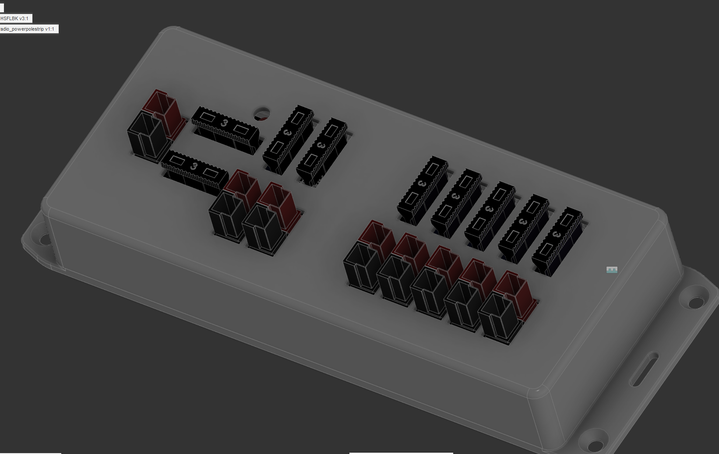
 |  |  |  |  |  |  | Estimated price assembled | $50
 |  |  |  |  |  |  | Need to sell | 23

