Sheet1
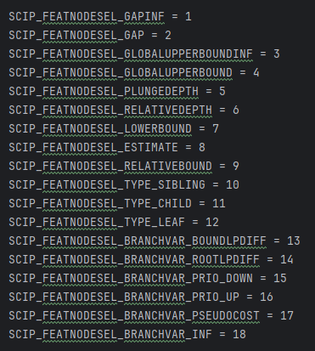
索引 | 字典的键
1
2
3
4
5
6
7
8
9
10
11
12
13
14
15
16
17
18
19 | maxdepth
20 | depth

