UI
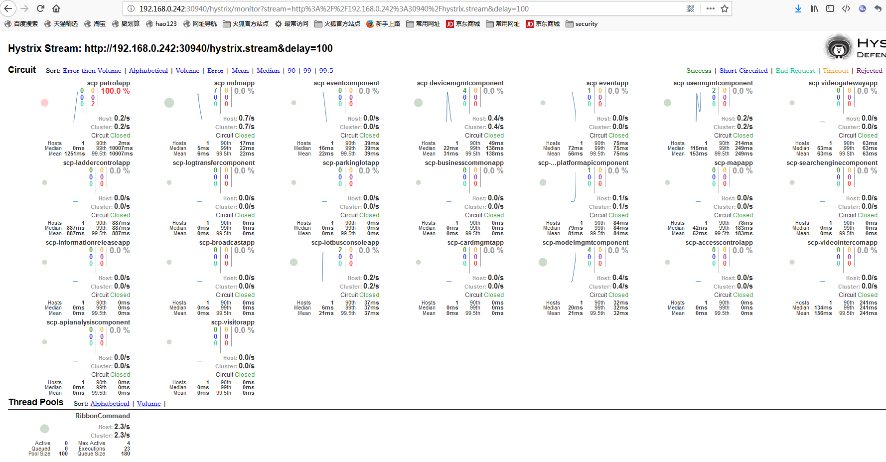

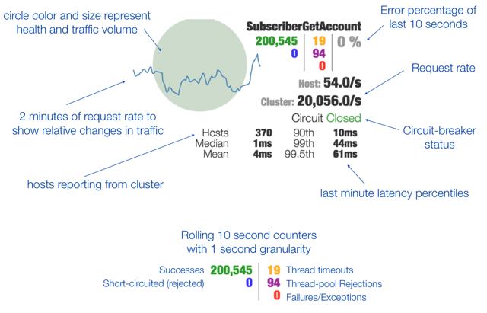

 | 90th | “90% Percent Time” 表示90%的事务response time 都维持在某个值附近,不是 average response time * 90%;
 |  | It's 99th percentile. It means that 99% of the requests should be faster than given latency. In other words only 1% of the requests are allowed to be slower.

 | Mean | 平均值mean，众数mode，中值median 和 标准差stddev

 | Median | 中位数是一组数据中间位置上的代表值.其特点是不受数据极端值的影响.对于具有偏态分布的数据,中位数的代表性要比均值好.

 | Latency | 表示完全执行一个指令所需的时钟周期

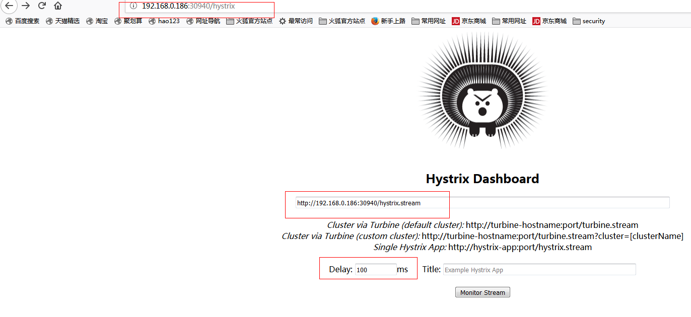

http://projects.spring.io/spring-cloud/spring-cloud.html

