Timeline
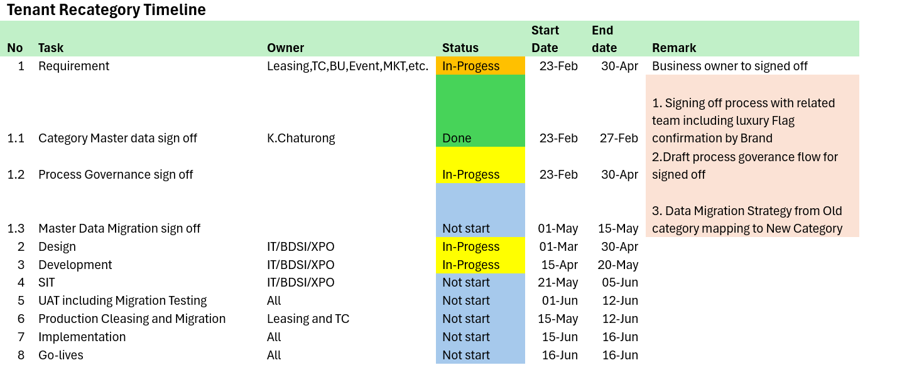

MIS Summary
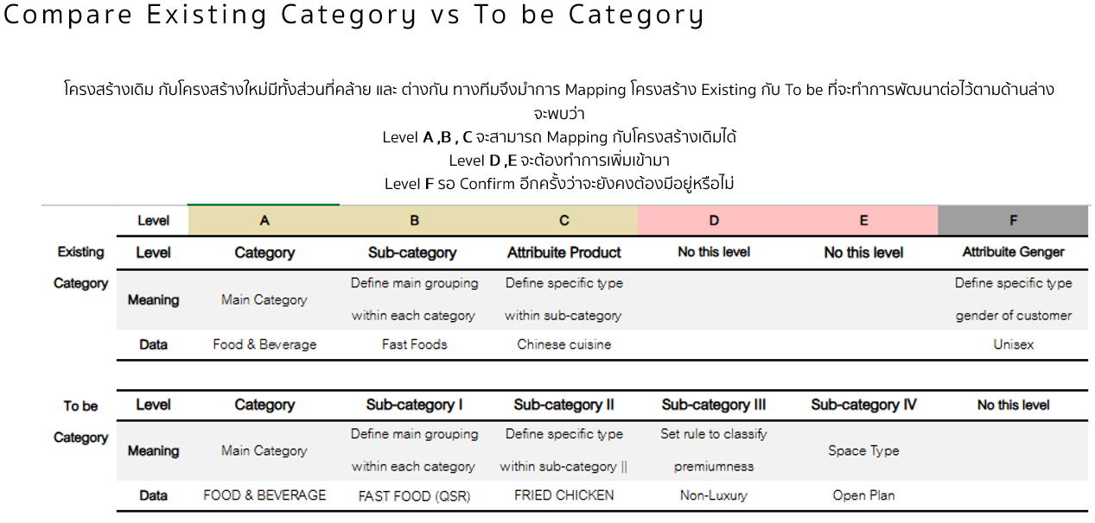
 | Tenant Re Category Summary Impact
No | System | Group | Impact List

13 | System Name: Campaign Management

13 | System Name: BDSI
 |  | VLC Data mart | Level A&B remain but need to 1.List all impact report and impact Schema for validate that all migration category is done (all shop has category) 2.Request DE to provide new master before they golive to validate compare with current tenant id(Tuid) that we start to snap first 3.After implement check all impact user dashboard 4.Reconfirm the usage of new category and confirm front line for key report

 |  | Dashboard/Reports | All Dashboard : Filter and Analysis based on category and subcategory need to be validate after change implemented
 |  | ML Models | 1.Customer Segmentation model: Update brand luxury classification and retrain the segmentation model.
 |  |  | Maintain new tuid ให้ใช้กับ segment เก่าได้ ระหว่างทำใหม่
 |  |  | 2.Customer Preference: Category is used as the primary classification to identify customer preferences (e.g., food, fashion). Any category updates will require retraining the model to assess the impact on model accuracy.
 |  |  | 3.Fraud model and % Threshold

