货架布局
货位编码设计共13位，规则如下
2位占位符+位存放区编码+2位层号+5位所在列+“.”+2位所在排
货位定义相关代码
序号 | 中文描述 |  | 编码值
1 | 占位符 |  | L0
2 | 存放区 |  | 1：1-5排的所有货位；2:10-14排的所有货位 3:6-9排的所有货位
3 | 货位层 |  | 每个货架有四层01，02,03,04
4 | 货位列 |  | 根据平面图从上往下顺序为00001，00002等
5 | 货位排 |  | 根据平面图从左往右顺序为01，02，03,04,05等
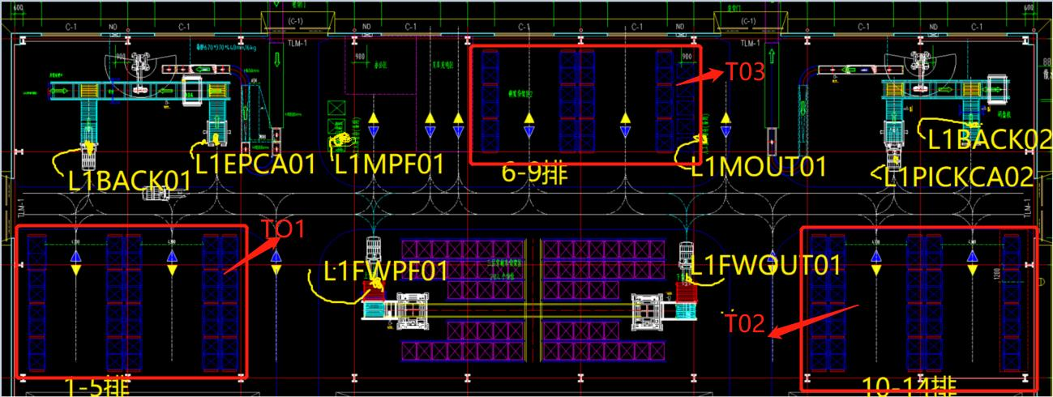

货位编码示例如下： |  |  |  |  |  |  | T03
 |  |  |  |  |  | L030100001.01 | L030100001.02 | L030100001.03 | L030100001.04
 |  |  |  |  |  | L030200001.01 | L030200001.02 | L030200001.03 | L030200001.04
 |  |  |  |  |  | L030300001.01 | L030300001.02 | L030300001.03 | L030300001.04
 |  |  |  |  |  | L030400001.01 | L030400001.02 | L030400001.03 | L030400001.04
 |  |  |  |  |  | L030100002.01 | L030100002.02 | L030100002.03 | L030100002.04
 |  |  |  |  |  | L030200002.01 | L030200002.02 | L030200002.03 | L030200002.04
 |  |  |  |  |  | L030300002.01 | L030300002.02 | L030300002.03 | L030300002.04
 |  |  |  |  |  | L030400002.01 | L030400002.02 | L030400002.03 | L030400002.04
 |  |  |  |  |  | L030100003.01 | L030100003.02 | L030100003.03 | L030100003.04
 |  |  |  |  |  | L030200003.01 | L030200003.02 | L030200003.03 | L030200003.04
 |  |  |  |  |  | L030300003.01 | L030300003.02 | L030300003.03 | L030300003.04
 |  |  |  |  |  | L030400003.01 | L030400003.02 | L030400003.03 | L030400003.04
 |  |  |  |  |  | L030100004.01 | L030100004.02 | L030100004.03 | L030100004.04
 |  |  |  |  |  | L030200004.01 | L030200004.02 | L030200004.03 | L030200004.04
 |  |  |  |  |  | L030300004.01 | L030300004.02 | L030300004.03 | L030300004.04
 |  |  |  |  |  | L030400004.01 | L030400004.02 | L030400004.03 | L030400004.04
 |  |  |  |  |  | L030100005.01 | L030100005.02 | L030100005.03 | L030100005.04
 |  |  |  |  |  | L030200005.01 | L030200005.02 | L030200005.03 | L030200005.04
 |  |  |  |  |  | L030300005.01 | L030300005.02 | L030300005.03 | L030300005.04
 |  |  |  |  |  | L030400005.01 | L030400005.02 | L030400005.03 | L030400005.04
 |  |  |  |  |  | L030100006.01 | L030100006.02 | L030100006.03 | L030100006.04
 |  |  | T01 |  |  | L030200006.01 | L030200006.02 | L030200006.03 | L030200006.04 |  |  | T02
 |  |  |  |  |  | L030300006.01 | L030300006.02 | L030300006.03 | L030300006.04
 |  |  |  |  |  | L030400006.01 | L030400006.02 | L030400006.03 | L030400006.04

 | L010100001.01 | L010100001.02 | L010100001.03 | L010100001.04 | L010100001.05 |  |  |  |  | L020100001.01 | L020100001.02 | L020100001.03 | L020100001.05 | L020100001.04
 | L010200001.01 | L010200001.02 | L010200001.03 | L010200001.04 | L010200001.05 |  |  |  |  | L020200001.01 | L020200001.02 | L020200001.03 | L020200001.05 | L020200001.04
 | L010300001.01 | L010300001.02 | L010300001.03 | L010300001.04 | L010300001.05 |  |  |  |  | L020300001.01 | L020300001.02 | L020300001.03 | L020300001.05 | L020300001.04
 | L010400001.01 | L010400001.02 | L010400001.03 | L010400001.04 | L010400001.05 |  |  |  |  | L020400001.01 | L020400001.02 | L020400001.03 | L020400001.05 | L020400001.04
 | L010100002.01 | L010100002.02 | L010100002.03 | L010100002.04 | L010100002.05 |  |  |  |  | L020100002.01 | L020100002.02 | L020100002.03 | L020100002.05 | L020100002.04
 | L010200002.01 | L010200002.02 | L010200002.03 | L010200002.04 | L010200002.05 |  |  |  |  | L020200002.01 | L020200002.02 | L020200002.03 | L020200002.05 | L020200002.04
 | L010300002.01 | L010300002.02 | L010300002.03 | L010300002.04 | L010300002.05 |  |  |  |  | L020300002.01 | L020300002.02 | L020300002.03 | L020300002.05 | L020300002.04
 | L010400002.01 | L010400002.02 | L010400002.03 | L010400002.04 | L010400002.05 |  |  |  |  | L020400002.01 | L020400002.02 | L020400002.03 | L020400002.05 | L020400002.04
 | L010100003.01 | L010100003.02 | L010100003.03 | L010100003.04 | L010100003.05 |  |  |  |  | L020100003.01 | L020100003.02 | L020100003.03 | L020100003.05 | L020100003.04
 | L010200003.01 | L010200003.02 | L010200003.03 | L010200003.04 | L010200003.05 |  |  |  |  | L020200003.01 | L020200003.02 | L020200003.03 | L020200003.05 | L020200003.04
 | L010300003.01 | L010300003.02 | L010300003.03 | L010300003.04 | L010300003.05 |  |  |  |  | L020300003.01 | L020300003.02 | L020300003.03 | L020300003.05 | L020300003.04
 | L010400003.01 | L010400003.02 | L010400003.03 | L010400003.04 | L010400003.05 |  |  |  |  | L020400003.01 | L020400003.02 | L020400003.03 | L020400003.05 | L020400003.04
 | L010100004.01 | L010100004.02 | L010100004.03 | L010100004.04 | L010100004.05 |  |  |  |  | L020100004.01 | L020100004.02 | L020100004.03 | L020100004.05 | L020100004.04
 | L010200004.01 | L010200004.02 | L010200004.03 | L010200004.04 | L010200004.05 |  |  |  |  | L020200004.01 | L020200004.02 | L020200004.03 | L020200004.05 | L020200004.04
 | L010300004.01 | L010300004.02 | L010300004.03 | L010300004.04 | L010300004.05 |  |  |  |  | L020300004.01 | L020300004.02 | L020300004.03 | L020300004.05 | L020300004.04
 | L010400004.01 | L010400004.02 | L010400004.03 | L010400004.04 | L010400004.05 |  |  |  |  | L020400004.01 | L020400004.02 | L020400004.03 | L020400004.05 | L020400004.04
 | L010100005.01 | L010100005.02 | L010100005.03 | L010100005.04 | L010100005.05 |  |  |  |  | L020100005.01 | L020100005.02 | L020100005.03 | L020100005.05 | L020100005.04
 | L010200005.01 | L010200005.02 | L010200005.03 | L010200005.04 | L010200005.05 |  |  |  |  | L020200005.01 | L020200005.02 | L020200005.03 | L020200005.05 | L020200005.04
 | L010300005.01 | L010300005.02 | L010300005.03 | L010300005.04 | L010300005.05 |  |  |  |  | L020300005.01 | L020300005.02 | L020300005.03 | L020300005.05 | L020300005.04
 | L010400005.01 | L010400005.02 | L010400005.03 | L010400005.04 | L010400005.05 |  |  |  |  | L020400005.01 | L020400005.02 | L020400005.03 | L020400005.05 | L020400005.04
 | L010100006.01 | L010100006.02 | L010100006.03 | L010100006.04 | L010100006.05 |  |  |  |  | L020100006.01 | L020100006.02 | L020100006.03 | L020100006.05 | L020100006.04
 | L010200006.01 | L010200006.02 | L010200006.03 | L010200006.04 | L010200006.05 |  |  |  |  | L020200006.01 | L020200006.02 | L020200006.03 | L020200006.05 | L020200006.04
 | L010300006.01 | L010300006.02 | L010300006.03 | L010300006.04 | L010300006.05 |  |  |  |  | L020300006.01 | L020300006.02 | L020300006.03 | L020300006.05 | L020300006.04
 | L010400006.01 | L010400006.02 | L010400006.03 | L010400006.04 | L010400006.05 |  |  |  |  | L020400006.01 | L020400006.02 | L020400006.03 | L020400006.05 | L020400006.04
 | L010100007.01 | L010100007.02 | L010100007.03 | L010100007.04 | L010100007.05 |  |  |  |  | L020100007.01 | L020100007.02 | L020100007.03 | L020100007.05 | L020100007.04
 | L010200007.01 | L010200007.02 | L010200007.03 | L010200007.04 | L010200007.05 |  |  |  |  | L020200007.01 | L020200007.02 | L020200007.03 | L020200007.05 | L020200007.04
 | L010300007.01 | L010300007.02 | L010300007.03 | L010300007.04 | L010300007.05 |  |  |  |  | L020300007.01 | L020300007.02 | L020300007.03 | L020300007.05 | L020300007.04
 | L010400007.01 | L010400007.02 | L010400007.03 | L010400007.04 | L010400007.05 |  |  |  |  | L020400007.01 | L020400007.02 | L020400007.03 | L020400007.05 | L020400007.04
 | L010100008.01 | L010100008.02 | L010100008.03 | L010100008.04 | L010100008.05 |  |  |  |  | L020100008.01 | L020100008.02 | L020100008.03 | L020100008.05 | L020100008.04
 | L010200008.01 | L010200008.02 | L010200008.03 | L010200008.04 | L010200008.05 |  |  |  |  | L020200008.01 | L020200008.02 | L020200008.03 | L020200008.05 | L020200008.04
 | L010300008.01 | L010300008.02 | L010300008.03 | L010300008.04 | L010300008.05 |  |  |  |  | L020300008.01 | L020300008.02 | L020300008.03 | L020300008.05 | L020300008.04
 | L010400008.01 | L010400008.02 | L010400008.03 | L010400008.04 | L010400008.05 |  |  |  |  | L020400008.01 | L020400008.02 | L020400008.03 | L020400008.05 | L020400008.04

