Munka1
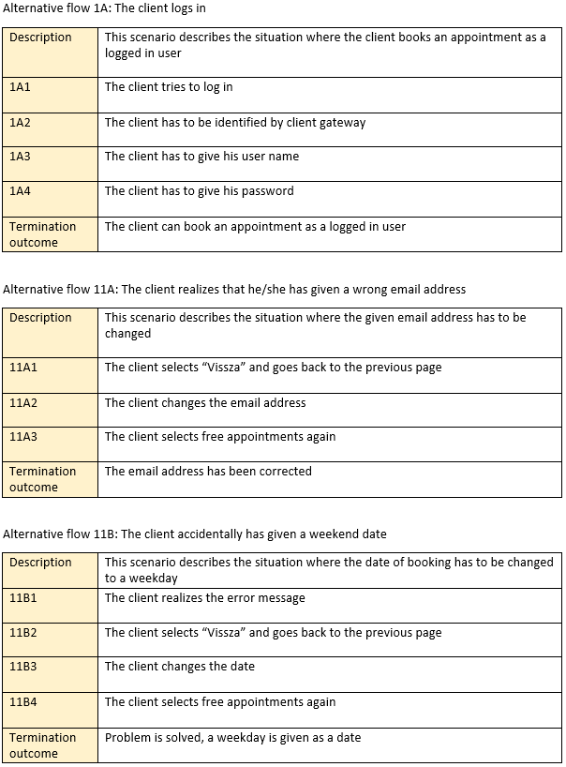
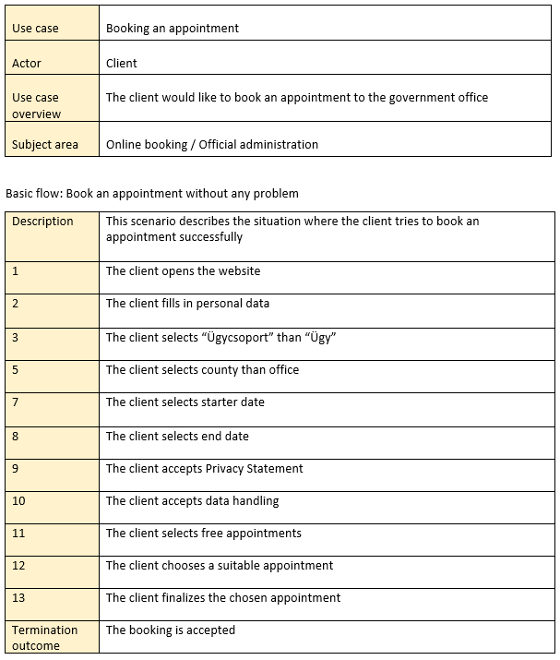
 | Name field
 | partition | type | EP value
 | ordered
 | < 3 | invalid | 1
 | 3 - 256 | valid | 10 |  | Phone number field
 | unordered |  |  |  |  | partition | type | EP value | BV 2 | BV 3
 | [a-z] | valid |  |  |  | ordered
 | numbers | invalid |  |  | country code | 0-35 | invalid | 15 | -1,0 35,36 | -1,0,1 34,35,36
 | special char | invalid |  |  |  | 36 | valid | 36 | 35,36,37 | 35,36,37 | From - to field
 |  |  |  |  |  | 37-999 | invalid | 40 | 36,37 999,1000 | 36,37,38 998,999,1000 | partition | type | EP value | BV 2 | BV 3
E-mail field |  |  |  |  | mobile number | < 10 | invalid | 9 | 9, 10 | 8,9,10 | ordered
partition | type | EP value | BV 2 | BV 3 | altogether | 10-15 | valid | 11 | 9, 10, 15, 16 | 9,10,11, 14,15,16 | < 1 day | invalid | 0 | -1, 0 | -2, -1, 0
ordered |  |  |  |  |  | >15 | invalid | 17 | 15, 16 | 15,16,17 | 1-7 days | valid | 5 | 0,1 7,8 | 0,1,2 6,7,8
< 5 char | invalid | 1 | 4, 5 | 3,4,5 |  | + < 1 | invalid | 0 + |  |  | > 7 days | invalid | 10 | 7, 8 | 7,8,9
5 - 256 char | valid | 15 | 4, 5 256, 257 | 4,5,6 255,256,257 |  | + = 1 | valid | 1 + |  |  | < 3 month | valid | 2
> 256 char | invalid | 260 | 256, 257 | 256,257,258 |  | + > 1 | invalid | 2 + |  |  | > 3 month | invalid | 4
@<1 | invalid | 0 @ |  |  |  | unordered |  |  |  |  | unordered
@=1 | valid | 1 @ |  |  | characters | numbers | valid |  |  |  | weekdays | valid
@>1 | invalid | 2 @ |  |  |  | [a-z] | invalid |  |  |  | weekends | invalid
. < 1 | invalid | 0 . |  |  | special char | spec.char !+ | invalid |  |  |  | bank holidays | invalid
. = 1 | valid | 1 . |  |  | service provider | 20,30,50,70 | valid |  |  |  | earlier than actual day | invalid
. > 1 | invalid | 2 . |  |  |  |  |  |  |  |  | earlier than starter day | invalid

