说明
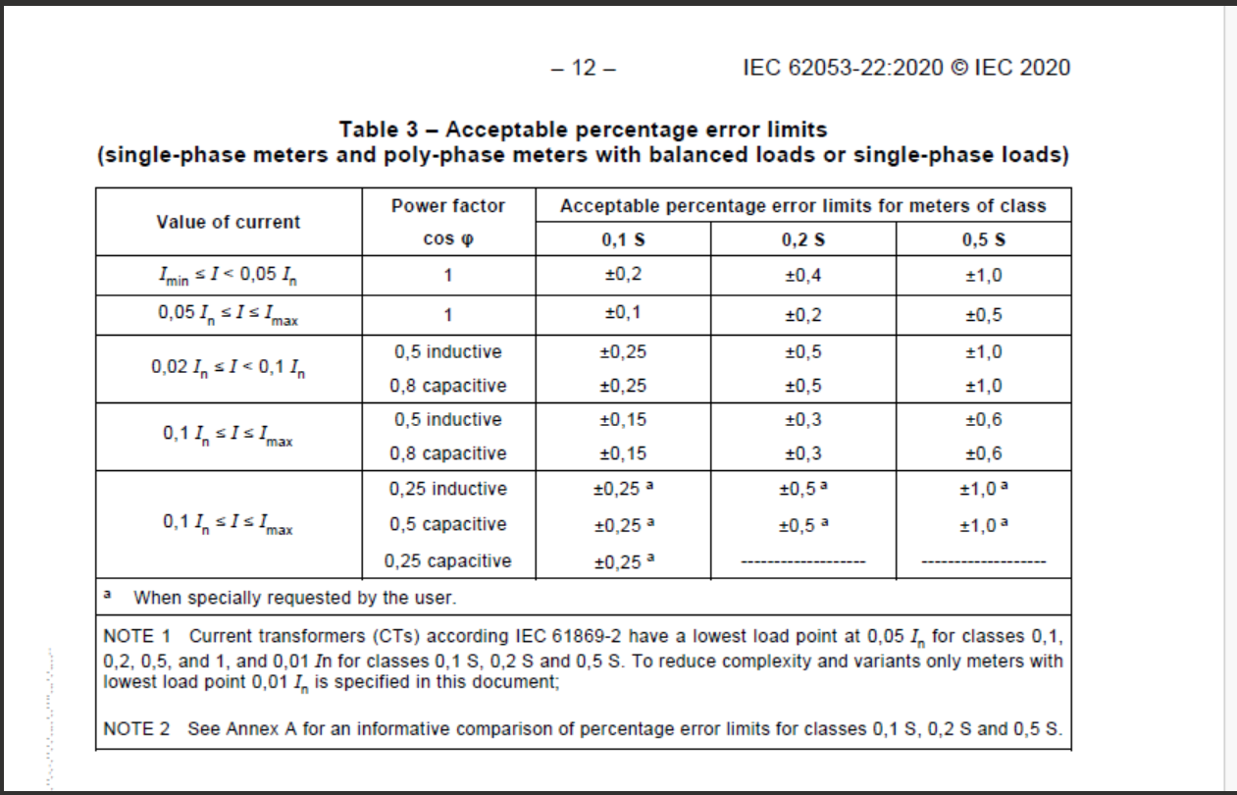
说明: 1、根据参考协议：IEC 62053-22 Class0.1s，电压电流（标称电压：480V，标称电流：5A），以及AcuRev1320快速精度测试测点 2、测量参数为系统有功总

